Cover Page

BHARAT FORGE LTD
NSE Ticker: BHARATFORG
DCF
INR (RS) in CRORES

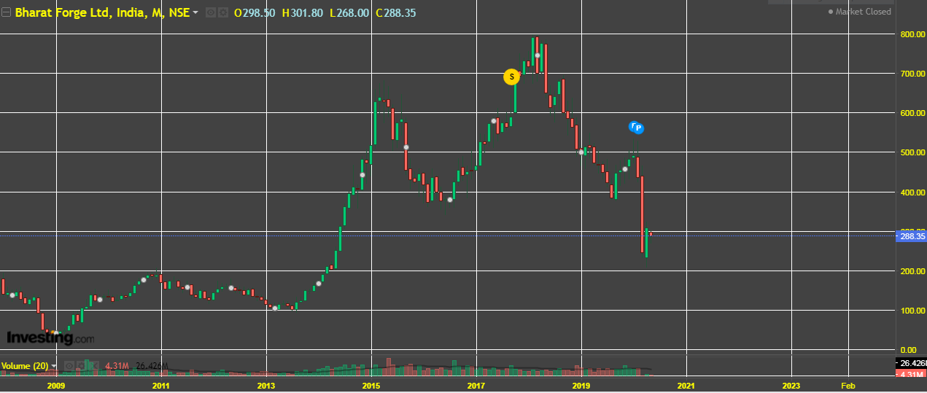

Company Name: | BHARAT FORGE LTD
Date: | 2019-05-16
Current Price: | 288.00
Diluted Shares Outstanding (in millions): | 465.65 MILLION
Market Cap: | 110.14B
Dividend Yield: | 1.65%
52-week range: | 207-533
P/E ratio: | 18.07

MC-DCF
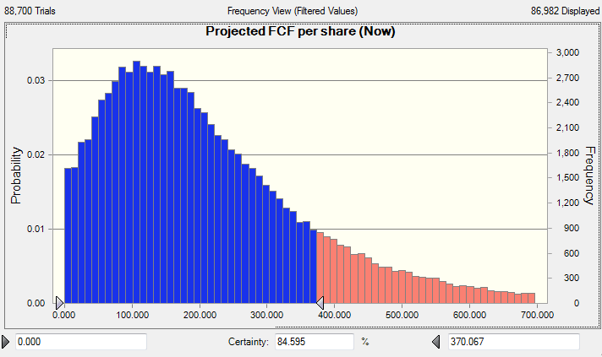
BHARAT FORGE LTD
NSE Ticker: BHARATFORG
DCF
INR (RS) in CRORES

Discount rate | 10%
Terminal growth rate | 1.0%
Assumed revenue growth rate | 10.00%
Current share price | 288.00
Projected free cash per share | 185.00
Projected gain/loss | -35.76%

 | Average | Assumed
Cost of sales, net D&A | 80.79% | 80.00%
R&D | 0.00% | 0.00%
SG&A | 0.00% | 0.00%
Interest expense | 2.12% | 2.00%
Other income (expense) | 0.37% | 0.37%
Change in working capital | -4.99% | 0.00%
Capital expenditures | 9.76% | 10.00%
Depreciation and amortization | 5.48% | 5.48%
Provision for income taxes (as % of EBITDA) | 19.78% | 20.00%

Period | 0 | 1 | 2 | 3 | 4 | 5 | 6 | 7 | 8 | 9 | 10
Year | 2019 | 2020 | 2021 | 2022 | 2023 | 2024 | 2025 | 2026 | 2027 | 2028 | 2029
Revenue | 10,349 | 11,384 | 12,522 | 13,775 | 15,152 | 16,667 | 18,334 | 20,167 | 22,184 | 24,402 | 26,843
Bharat Efficiency and Long Term Asset Turnover
Assumed growth rate (%) |  | 10.00% | 10.00% | 10.00% | 10.00% | 10.00% | 10.00% | 10.00% | 10.00% | 10.00% | 10.00%

Total Expenses | 8,090 | 9,107 | 10,018 | 11,020 | 12,122 | 13,334 | 14,667 | 16,134 | 17,747 | 19,522 | 21,474
as % of revenue |  | 80% | 80% | 80% | 80% | 80% | 80% | 80% | 80% | 80% | 80%
EBITDA | 2,259 | 2,277 | 2,504 | 2,755 | 3,030 | 3,333 | 3,667 | 4,033 | 4,437 | 4,880 | 5,369

Interest expense | 127 | 228 | 250 | 275 | 303 | 333 | 367 | 403 | 444 | 488 | 537
as % of revenue | 2.00% | 2.00% | 2.00% | 2.00% | 2.00% | 2.00% | 2.00% | 2.00% | 2.00% | 2.00% | 2.00%
Provision for income taxes | 566 | 455 | 501 | 551 | 606 | 667 | 733 | 807 | 887 | 976 | 1,074
as % of EBITDA | 20.00% | 20.00% | 20.00% | 20.00% | 20.00% | 20.00% | 20.00% | 20.00% | 20.00% | 20.00% | 20.00%
NOPAIT | 1,565 | 1,594 | 1,753 | 1,928 | 2,121 | 2,333 | 2,567 | 2,823 | 3,106 | 3,416 | 3,758

Change in working capital | (839) | 0 | 0 | 0 | 0 | 0 | 0 | 0 | 0 | 0 | 0
as % of revenue | -8.26% | 0.00% | 0.00% | 0.00% | 0.00% | 0.00% | 0.00% | 0.00% | 0.00% | 0.00% | 0.00%
Capital expenditures | 1,189 | 1,138 | 1,252 | 1,377 | 1,515 | 1,667 | 1,833 | 2,017 | 2,218 | 2,440 | 2,684
as % of revenue | 10.00% | 10.00% | 10.00% | 10.00% | 10.00% | 10.00% | 10.00% | 10.00% | 10.00% | 10.00% | 10.00%
Depreciation and amortization | 521 | 569 | 626 | 689 | 758 | 833 | 917 | 1,008 | 1,109 | 1,220 | 1,342
as % of revenue | 5.00% | 5.00% | 5.00% | 5.00% | 5.00% | 5.00% | 5.00% | 5.00% | 5.00% | 5.00% | 5.00%
Free cash flow | 1,216 | 455 | 501 | 551 | 606 | 667 | 733 | 807 | 887 | 976 | 1,074 | Percentage of DFCF contained in terminal year
Discounted free cash flow | 1,216 | 414 | 414 | 414 | 414 | 414 | 414 | 414 | 414 | 414 | 4,412 | 0.54

Noncurrent assets | 6,103 | 6,673 | 7,299 | 7,987 | 8,745 | 9,578 | 10,495 | 11,503 | 12,613 | 13,833 | 15,175
Useful Life | 11.72 | 11.72 | 11.66 | 11.60 | 11.54 | 11.49 | 11.45 | 11.41 | 11.37 | 11.34 | 11.31
LTA | 1.70 | 0.59 | 0.58 | 0.58 | 0.58 | 0.57 | 0.57 | 0.57 | 0.57 | 0.57 | 0.57
Long Term Debt | 1,679

Summed DCF | 8,138
Effective Cash | 475
Projected equity value | 8,613

Diluted shares outstanding | 465,600,000
Projected FCF per share | 184.997

 | 2011 | 2012 | 2013 | 2014 | 2015 | 2016 | 2017 | 2018 | 2019 | 2020 | 2021 | 2022 | 2023 | 2024 | 2025
LTAT | 1.69 | 1.69 | 1.51 | 2.01 | 2.05 | 1.72 | 1.40 | 1.56 | 1.70 | 1.71 | 1.72 | 1.72 | 1.73 | 1.74 | 1.75
Useful Life | 11.94 | 12.48 | 11.49 | 9.52 | 10.46 | 8.91 | 10.32 | 11.64 | 11.72 | 11.72 | 11.66 | 11.60 | 11.54 | 11.49 | 11.45

