Sheet1
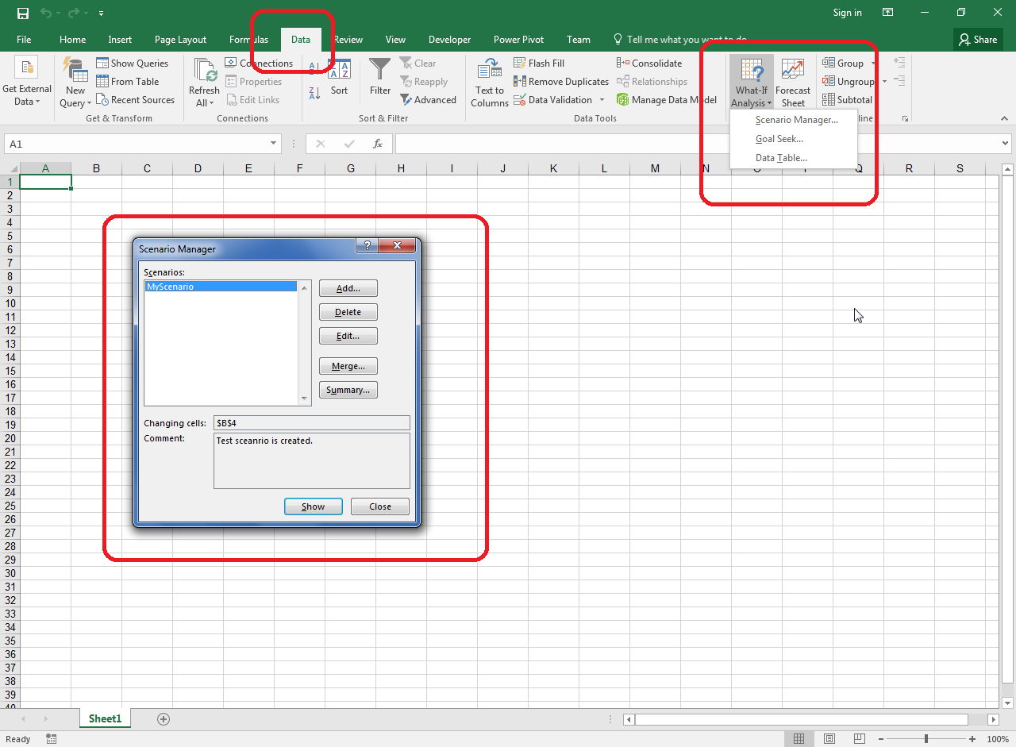
Please check the created Scenario as shown in this image.

