Sheet1
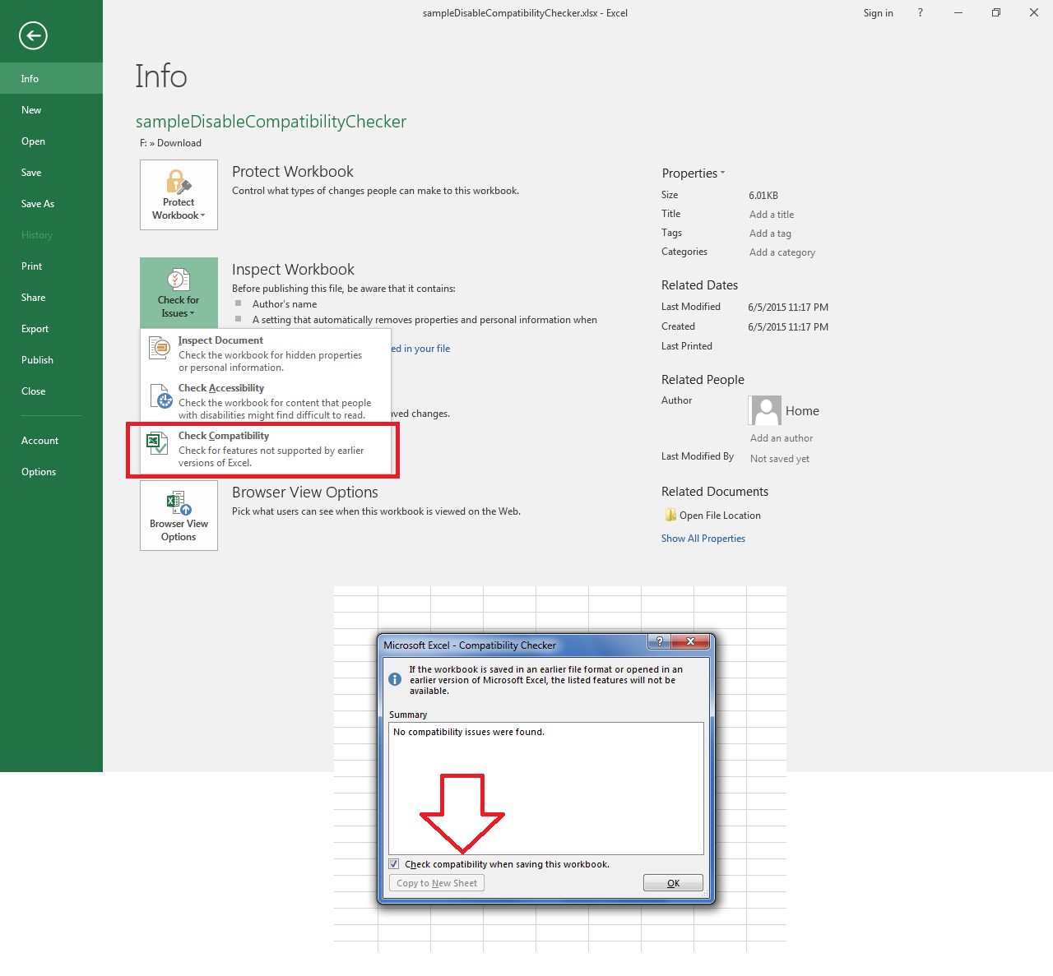
The following screenshot shows how to open Compatibility Checker and enable or disable it.

