Sheet1
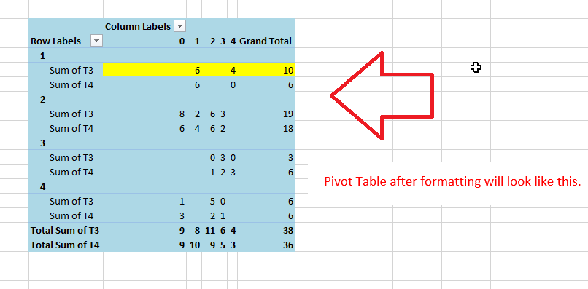
T1 | T2 | T3 | T4
4 | 2 | 1 | 0
2 | 2 | 3 | 2 |  | Column Labels
1 | 4 | 4 | 0 | Row Labels | 0 | 1 | 2 | 3 | 4 | Grand Total
2 | 0 | 3 | 3 | 1
4 | 3 | 0 | 1 | Sum of T3 |  | 6 |  |  | 4 | 10
3 | 3 | 3 | 2 | Sum of T4 |  | 6 |  |  | 0 | 6
2 | 1 | 1 | 2 | 2
2 | 0 | 1 | 1 | Sum of T3 | 8 | 2 | 6 | 3 |  | 19
3 | 2 | 0 | 1 | Sum of T4 | 6 | 4 | 6 | 2 |  | 18
2 | 3 | 3 | 2 | 3
4 | 2 | 4 | 2 | Sum of T3 |  |  | 0 | 3 | 0 | 3
1 | 1 | 2 | 3 | Sum of T4 |  |  | 1 | 2 | 3 | 6
2 | 0 | 4 | 2 | 4
1 | 1 | 4 | 2 | Sum of T3 | 1 |  | 5 | 0 |  | 6
2 | 2 | 3 | 4 | Sum of T4 | 3 |  | 2 | 1 |  | 6
4 | 0 | 1 | 3 | Total Sum of T3 | 9 | 8 | 11 | 6 | 4 | 38
1 | 1 | 0 | 1 | Total Sum of T4 | 9 | 10 | 9 | 5 | 3 | 36
2 | 1 | 1 | 2
3 | 4 | 0 | 3

