Sheet1
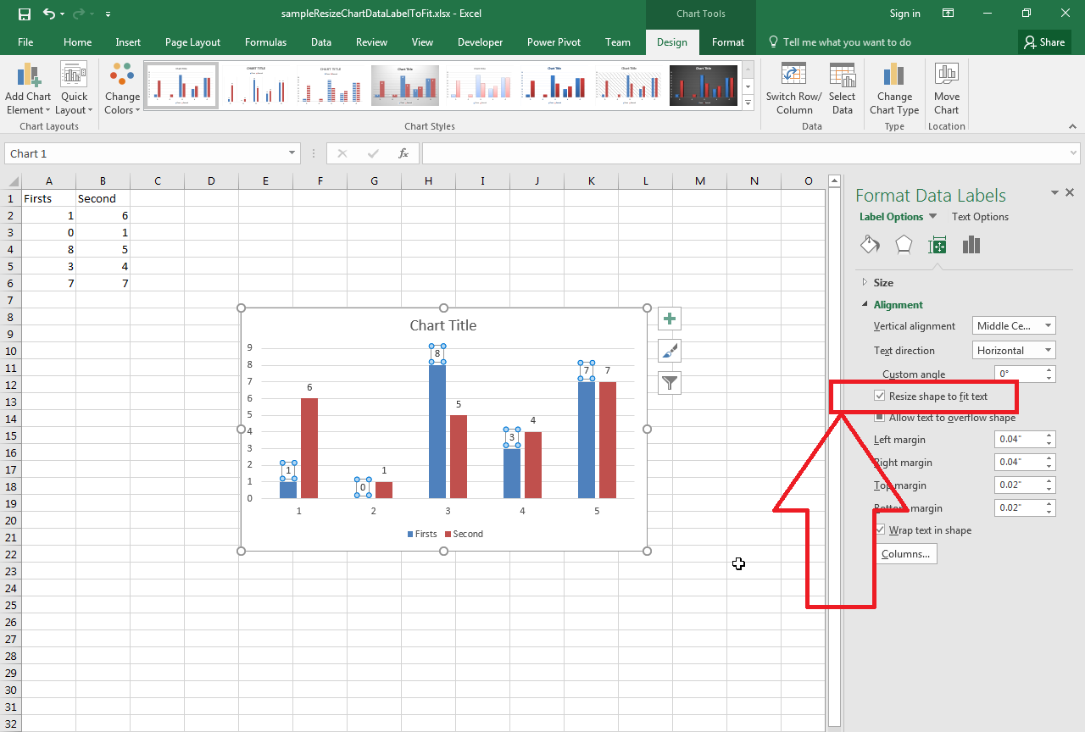
Firsts | Second
1 | 6
0 | 1
8 | 5
3 | 4
7 | 7

