Sheet1
Country | Salesperson | Order Date | OrderID | Order Amount
UK | Buchanan | 2003-07-16 | 10248 | $440.00
UK | Suyama | 2003-07-10 | 10249 | $1,863.40
USA | Leverling | 2003-07-12 | 10250 | $1,552.60
USA | Peacock | 2003-07-15 | 10251 | $654
USA | Leverling | 2003-07-11 | 10252 | $3,597.90
USA | Buchanan | 2003-07-16 | 10253 | $1,444.80
UK | Dodsworth | 2003-07-23 | 10254 | $556.62
UK | Leverling | 2003-07-15 | 10255 | $2,493.50
USA | Peacock | 2003-07-17 | 10256 | $517.80
USA | Davolio | 2003-07-22 | 10257 | $1,119.90
USA | Peacock | 2003-07-23 | 10258 | $1,614.88
USA | Peacock | 2003-07-25 | 10259 | $100.80
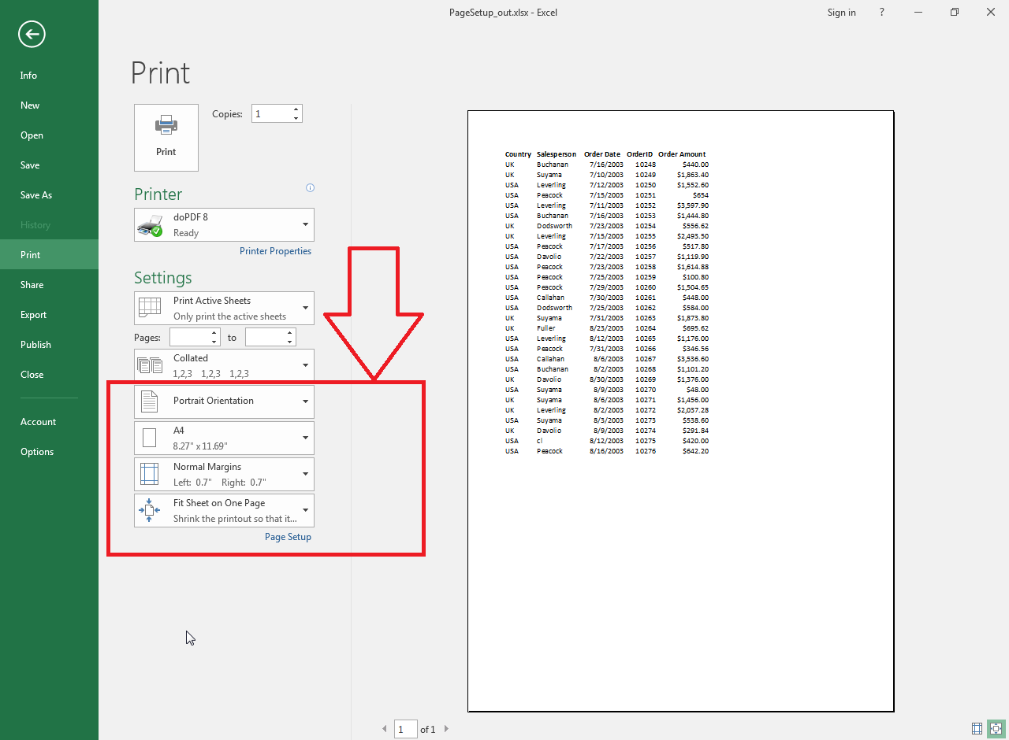
USA | Peacock | 2003-07-29 | 10260 | $1,504.65
USA | Callahan | 2003-07-30 | 10261 | $448.00
USA | Dodsworth | 2003-07-25 | 10262 | $584.00
UK | Suyama | 2003-07-31 | 10263 | $1,873.80
UK | Fuller | 2003-08-23 | 10264 | $695.62
USA | Leverling | 2003-08-12 | 10265 | $1,176.00
USA | Peacock | 2003-07-31 | 10266 | $346.56
USA | Callahan | 2003-08-06 | 10267 | $3,536.60
USA | Buchanan | 2003-08-02 | 10268 | $1,101.20
UK | Davolio | 2003-08-30 | 10269 | $1,376.00
USA | Suyama | 2003-08-09 | 10270 | $48.00
UK | Suyama | 2003-08-06 | 10271 | $1,456.00
UK | Leverling | 2003-08-02 | 10272 | $2,037.28
USA | Suyama | 2003-08-03 | 10273 | $538.60
UK | Davolio | 2003-08-09 | 10274 | $291.84
USA | cl | 2003-08-12 | 10275 | $420.00
USA | Peacock | 2003-08-16 | 10276 | $642.20

