Sheet1
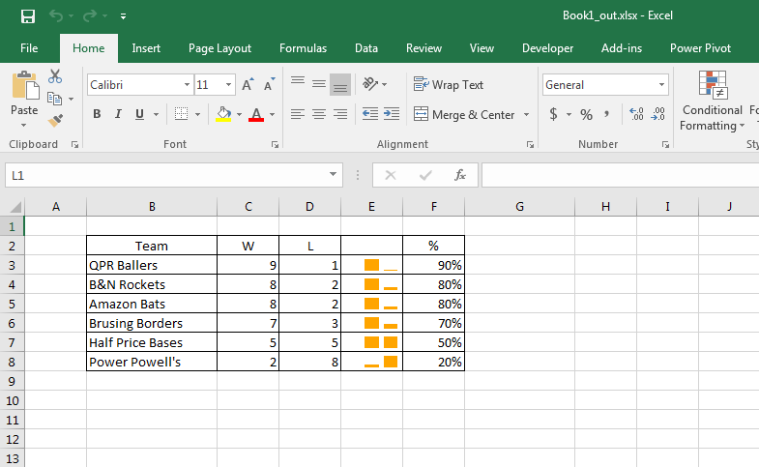
Team | W | L | %
QPR Ballers | 9 | 1 | 90%
B&N Rockets | 8 | 2 | 80%
Amazon Bats | 8 | 2 | 80%
Brusing Borders | 7 | 3 | 70%
Half Price Bases | 5 | 5 | 50%
Power Powell's | 2 | 8 | 20%

