structure data
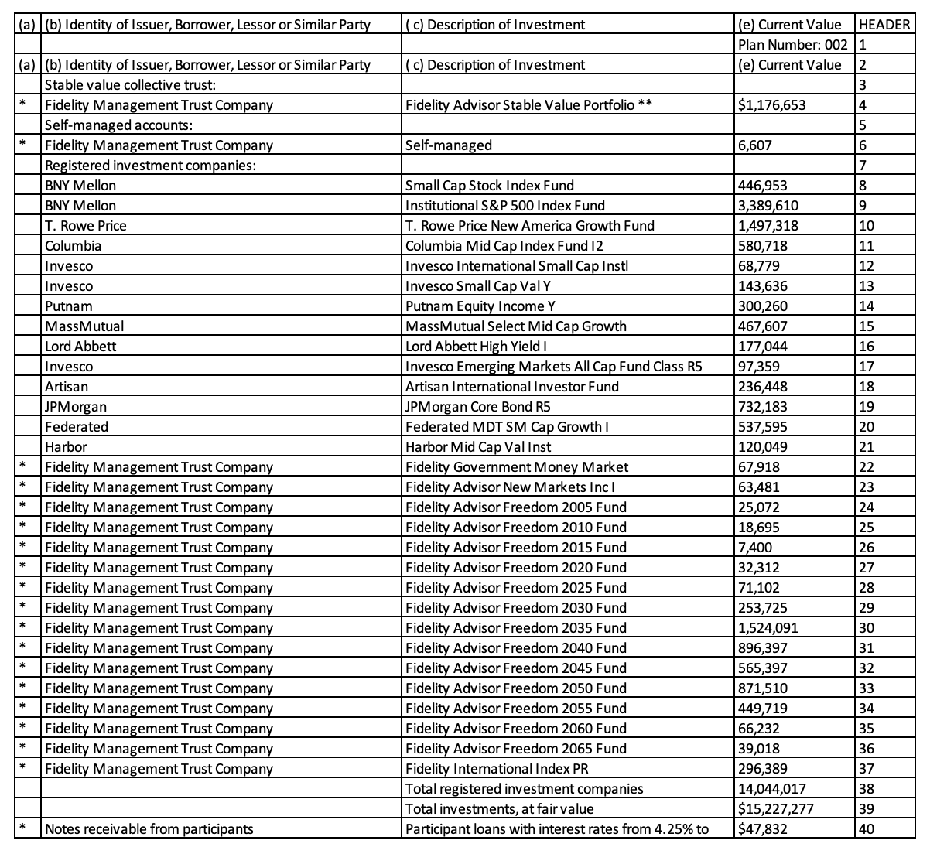

mapping data
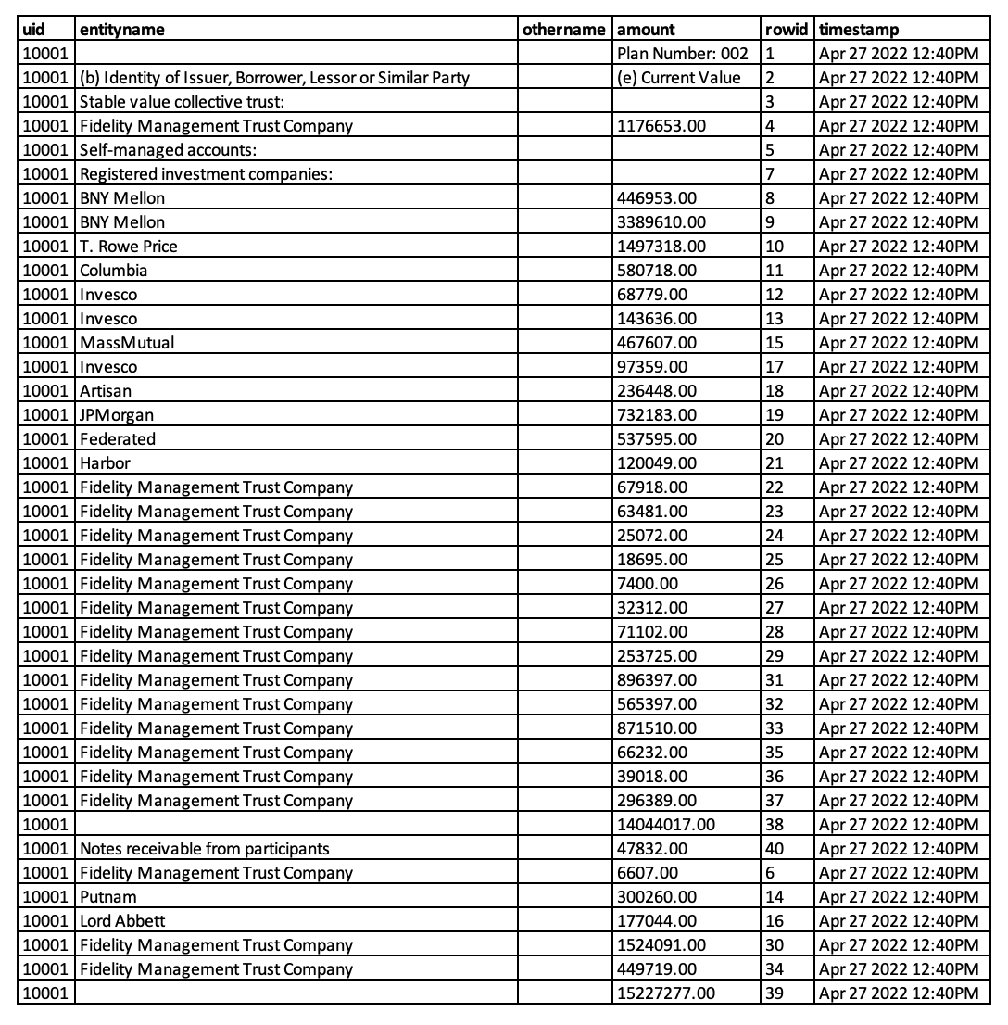
dictionary

entityname | (b) Identity of Issuer, Borrower, Lessor or Similar Party
amount | (e) Current Value

