Start Here

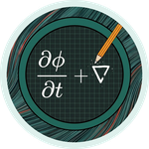
 |  | Learn CFD one cell at a time
 |  | CFD by Hand
 |  | FVM Foundations: free sample
 |  | The first five worksheets of FVM Foundations, free. Start from zero and finish with your first finite volume solution and every kind of boundary cell.

How this pack works

1 | Read the How to Use tab first (two minutes, one Excel setting), then start with Lesson 0: the method and the notation.

2 | Each lesson has a Learn tab and an Answers tab with the same layout. Work down the Learn tab and fill the cream boxes.

3 | A ✓ appears next to each box when your answer is right and a ✗ when it is not. The score sits top right.

4 | Finished Lesson 4? The full FVM Foundations pack carries on from Lesson 5 (link at the bottom of this tab).

5 | Keep the Cheat Sheet tab open in another window. It has every boundary type and the exact solutions on one page.

Contents

 | Lesson | Topic | What you learn | Answers | Progress
L0 | Meshes, cells, centres and faces | Mesh anatomy | Cells, centres, faces, Δx, counting faces in 1D and 2D, notation | Answers | 0 / 16
L1 | What an integral over a cell means | Integrals | dV = dx in 1D, the midpoint rule, ∫ dJ/dx dx = J_e − J_w, conservation | Answers | 0 / 14
L2 | Values and slopes on faces | Face approximations | Central slope, face averages, error halving, boundary half cells | Answers | 0 / 14
L3 | Your first finite volume solution | 1D diffusion | Integrate, approximate, collect: a 2 cell hand solve and 5 cells in Excel | Answers | 0 / 18
L4 | Boundary cells | Boundary conditions | Fixed value (2D rule), known flux, zero gradient, mixed (Robin) | Answers | 0 / 25

Enjoyed it? The full FVM Foundations pack has 6 more worksheets and 8 practice problems. Get it at cfdbyhand.gumroad.com/l/fvm-foundations

Start with How to Use →

This workbook is for your own learning. Please do not share or resell it. Questions, mistakes you spot, or ideas for the next pack: linktr.ee/cfdbyhand

CFD by Hand · Learn CFD one cell at a time · linktr.ee/cfdbyhand

L0 Learn
LESSON 0 · THE ANATOMY OF A MESH (START HERE) · LEARN |  |  |  |  |  |  |  | PROGRESS
Meshes, cells, centres and faces |  |  |  |  |  |  |  | 0 / 16
Work down the sheet. Fill each cream box; a ✓ appears when it is right. |  |  |  |  |  |  |  | @CFDbyHand

IN THIS LESSON | By the end of this lesson you will be able to: ▸ say what a mesh, a cell, a cell centre and a face are ▸ work out Δx and every centre and face position of a 1D mesh ▸ count cells and faces in a 2D mesh ▸ read the notation (P, W, E, w, e, Γ, D, a_P ...) used in every lesson

BEFORE YOU START | Nothing. This pack starts from zero and is meant to come BEFORE the Heat Transfer and CFD packs. You need fractions, a little algebra, a pen and paper. About 10 to 20 minutes (a rough guide).

How to use this sheet: read each box from top to bottom like the page of a book. Cream boxes are for you to fill. Type a number, or better a formula that clicks on the blue input cells. A green tick means you are right (within 0.5%), a red cross means look again at the step just above. Stuck? The Answers tab has the same layout, so the answer sits in the same cell there.

1 | Why split things into cells?

The finite volume method (FVM) is the method inside almost every engineering simulation program that deals with heat, flow or anything that spreads and gets carried around. Its idea fits in one sentence: split the region into small boxes, and make sure that for every box, what goes in equals what comes out (plus anything made inside).
PICTURE IT | Imagine counting people in a building. You cannot follow every person, but you can stand at every door and count who walks through. If you know what crosses every door of every room, you know how the number of people in each room changes. Rooms = cells. Doors = faces. Counting at the doors = fluxes through faces.

New word |  |  | What it means
Mesh (grid) |  |  | The collection of all the cells covering the region.
Cell / control volume |  |  | One small box of the mesh. The two names mean the same thing.
Cell centre (node) |  |  | The point in the middle of a cell where its value is stored.
Face |  |  | A boundary between two cells, or between a cell and the outside.
φ (phi) |  |  | Whatever we are solving for: temperature, concentration, ... one value per cell.

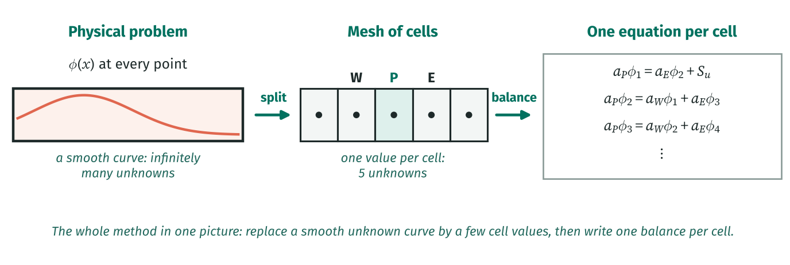

HOW TO READ THIS DIAGRAM | Read it left to right. On the left is the real problem: φ changes smoothly along the bar, so it has a value at every one of infinitely many points. In the middle we chop the bar into 5 cells and keep just ONE value per cell. On the right, each cell gives one balance equation linking it to its neighbours. Five cells, five unknowns, five equations: a computer (or you) can solve that. Everything in this pack is the detail of these three boxes.

A physical law such as "what flows in must flow out" has to hold at every single point of a region. There are infinitely many points, so a computer cannot check them all. The finite volume method does something simpler: it chops the region into a finite number of small boxes called cells (or control volumes), and insists that the law holds for each box as a whole. A few boxes give a rough answer; many small boxes give a good one.
PICTURE IT | Think of a spreadsheet. Each cell of the sheet holds one number. A finite volume mesh is the same idea: each cell of the mesh stores ONE value of the quantity we care about (a temperature, a concentration, anything). We call that quantity φ (phi) so the method works for all of them.

A finite volume mesh stores the unknown φ ______.

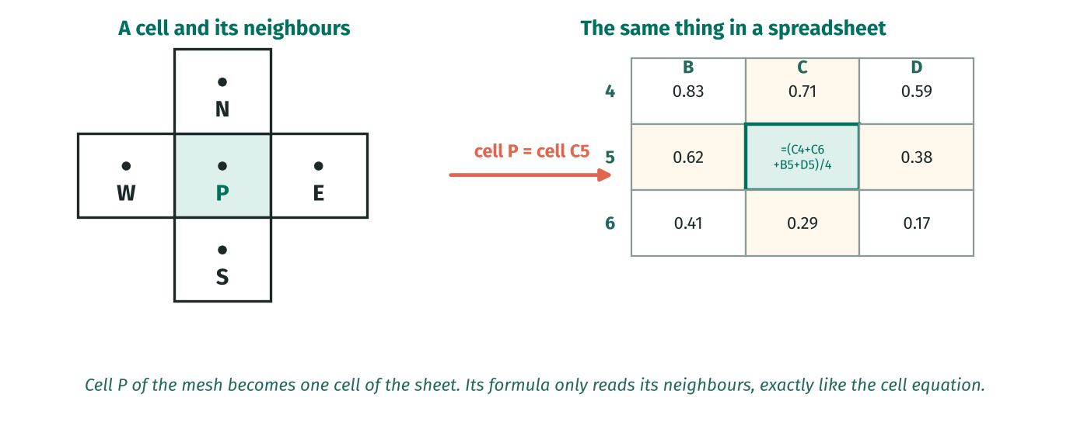

HOW TO READ THIS DIAGRAM | A cell of the mesh and a cell of a spreadsheet are the same idea. Cell P has four neighbours W, E, N and S; spreadsheet cell C5 has four neighbours B5, D5, C4 and C6. When P’s value is worked out only from its neighbours, the Excel formula in C5 only reads the cells around it. That is why Excel is such a natural tool for the finite volume method.

2 | A 1D mesh

In 1D (a thin rod, a duct) cells are short pieces of a line. Number them 1, 2, 3 ... from left to right. With n equal cells on a length L each is Δx = L/n wide. Cell i runs from (i − 1)Δx to iΔx and its centre is half way, at (i − ½)Δx.
WORKED EXAMPLE | L = 1, n = 5 → Δx = 0.2. Faces at 0, 0.2, 0.4, 0.6, 0.8, 1.0 (six of them). Centres at 0.1, 0.3, 0.5, 0.7, 0.9 (five of them). Cell 3 runs from 0.4 to 0.6, centre 0.5.

PAUSE AND THINK | Why store values at centres and not at faces? Because the centre is the best single point to represent a whole cell: the value there is (very nearly) the average over the cell. Faces are where things are exchanged.

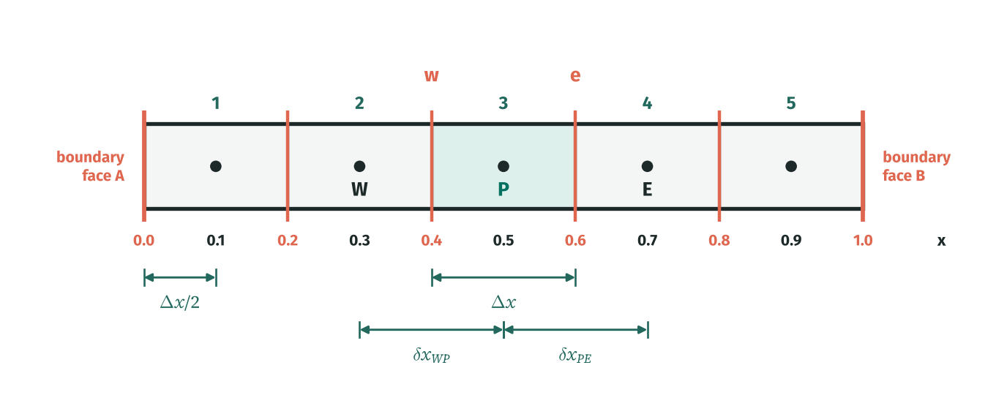

In 1D a cell is a short piece of a line. Its two ends are its faces and its middle is its centre (or node). Neighbouring cells share a face. The first and last faces sit on the boundary of the domain. With n equal cells on a length L:

Given |  |  |  | Symbol | Value |  | Unit
Domain length |  |  |  | L | 1.0
Number of cells |  |  |  | n | 5
Cell width Δx
Hint: L/n = 1/5.

Number of faces (including the two boundary faces)
Hint: One more face than cells.

x of the centre of cell 3
Hint: Cell 3 runs from 2Δx to 3Δx; take the middle.

x of the face between cells 2 and 3
Hint: Two cells to its left, each Δx wide.

Distance from the centre of cell 1 to the left boundary
Hint: Half a cell.

Distance between the centres of two neighbouring cells

Now fill a table of the whole mesh. One column per cell. Use formulas with your Δx cell so it updates if you change n.
Cell |  |  | 1 | 2 | 3 | 4 | 5
centre x_P
west face x_w
east face x_e
width x_e − x_w

COMMON MISTAKE | Putting the first centre at x = 0. The centre of cell 1 is HALF a cell in from the boundary. That half cell will matter a lot when we reach boundary cells in Lesson 4.

HOW TO READ THIS DIAGRAM | There are two ways to put an equation on a computer. Finite differences (left) keep values at points and replace slopes by differences. Finite volumes (right) keep one value in each CELL and keep track of what flows across each FACE. The arrow leaving one cell is the same arrow entering the next, so nothing can be lost between cells.

PEN AND PAPER | Draw a line 10 cm long in your notebook and split it into 5 cells. Mark faces with short vertical ticks and centres with dots. Write the x of every tick and dot. Keep this drawing: Lessons 1 to 6 all use it.

3 | A 2D mesh

In 2D cells are usually rectangles (Lesson 8 shows any shape works). Each rectangle has four faces named by compass directions: west (left), east (right), south (bottom) and north (top). Each face has an outward normal: an arrow perpendicular to it, pointing out of the cell.
WORKED EXAMPLE | A 4 × 3 mesh has 12 cells. Vertical faces: 5 columns of lines × 3 rows = 15. Horizontal faces: 4 columns × 4 lines = 16. Boundary faces: 4 top + 4 bottom + 3 left + 3 right = 14.

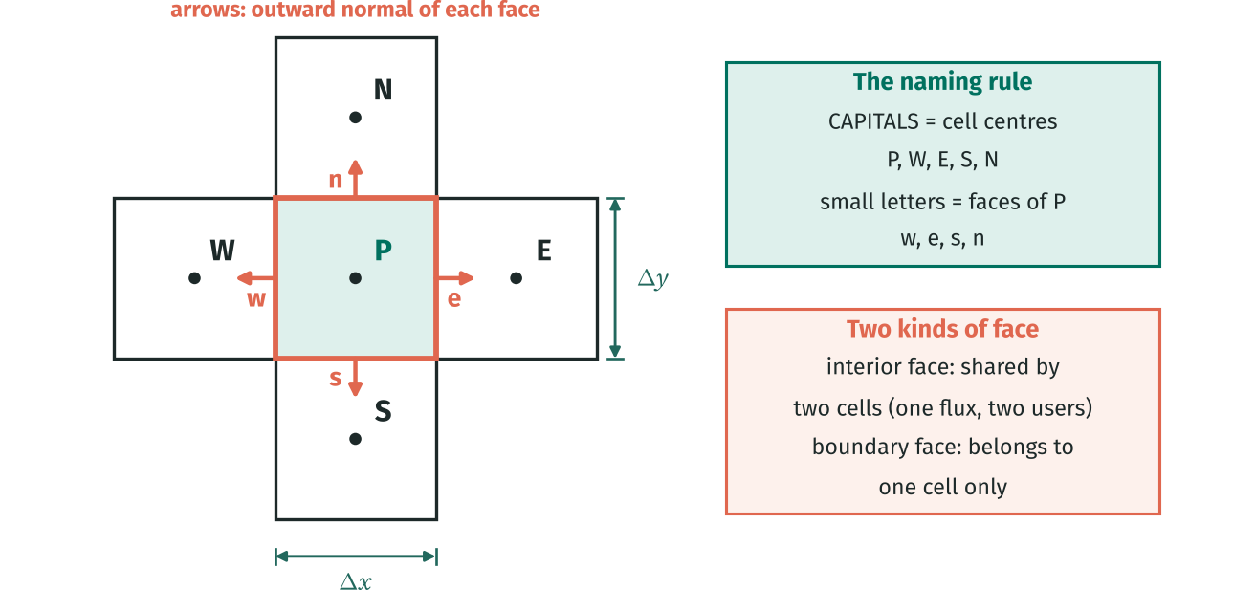

In 2D a cell is a small rectangle (or any polygon, Lesson 8). It has four faces: west, east, south and north. Each face has a length and points outwards with a normal vector. In 3D cells are boxes and faces are areas; the ideas do not change.
A 4 × 3 mesh |  |  |  | Symbol | Value |  | Unit
Cells across |  |  |  | N_x | 4
Cells up |  |  |  | N_y | 3
Number of cells

Number of vertical faces (west/east faces)
Hint: N_x + 1 vertical lines in each of N_y rows.

Number of horizontal faces (south/north faces)
Hint: N_y + 1 horizontal lines in each of N_x columns.

Number of boundary faces
Hint: Count around the outside: top, bottom, left, right.

An interior face belongs to ______ cells.

WHY? | Why count faces? Because the method does all its work on faces: every face carries one flux. A computer program loops over faces, works out each flux once, and adds it to one cell and subtracts it from the other.

4 | The notation used in every lesson

Every lesson uses the same short names. Learn the rule: CAPITAL letters are centres (P, W, E, N, S), small letters are faces (w, e, n, s). P is always "the cell we are looking at"; the others are named by where they sit relative to P.
Symbol |  | Meaning
P |  | The cell we are writing an equation for (its centre).
W, E, S, N |  | Neighbouring cell centres: west, east, south, north. Capital letters = centres.
w, e, s, n |  | The faces of cell P. Small letters = faces.
φ |  | The quantity being solved for. One value per cell, φ_P, φ_W, ...
Δx, Δy, ΔV |  | Cell width, height and volume (in 1D, ΔV = A Δx; we usually take A = 1).
δx_PE |  | Distance between the centres of P and E.
Γ |  | Diffusion coefficient: how easily φ spreads (conductivity, diffusivity ...).
D = ΓA/δx |  | Diffusion conductance of a face.
F = ρuA |  | Convective flux of a face (Lessons 9 and 10).
a_P, a_nb, S_u, S_p |  | Coefficients of the cell equation a_P φ_P = Σ a_nb φ_nb + S_u, with a_P = Σ a_nb − S_p.

BY HAND | Sketch a 1D mesh of 4 cells on L = 2 and label every centre and face position.
✎ Write it out on paper first. Then type your equation into the white box below (it is not marked; compare it with the Answers tab).

TAKE AWAY | A mesh = cells. Values live at cell centres, flows cross faces. n cells in 1D have n + 1 faces; the first centre is Δx/2 from the boundary. Everything is named relative to the cell P.

RECAP | ▸ A mesh splits the region into cells; one value of φ is stored at each cell centre. ▸ Faces separate cells. n cells in 1D have n + 1 faces. ▸ Δx = L/n, centre of cell i at (i − ½)Δx: the first centre is half a cell from the boundary. ▸ P = this cell, W/E/S/N = neighbours, w/e/s/n = its faces.

NEXT UP | Lesson 1: what it actually means to integrate an equation over a cell, and why only the faces survive.

CFD by Hand · Learn CFD one cell at a time · linktr.ee/cfdbyhand

L1 Learn
LESSON 1 · INTEGRATING OVER A CONTROL VOLUME · LEARN |  |  |  |  |  |  | PROGRESS
What an integral over a cell means |  |  |  |  |  |  | 0 / 14
Work down the sheet. Fill each cream box; a ✓ appears when it is right. |  |  |  |  |  |  | @CFDbyHand

IN THIS LESSON | By the end of this lesson you will be able to: ▸ explain in words what ∫ f dV over a cell means ▸ see why dV = dx in 1D (for a slice of unit area) ▸ use the midpoint rule f_P ΔV and know when it is exact ▸ turn the integral of a derivative into "flux out − flux in" through the faces

BEFORE YOU START | Lesson 0. You do not need to be good at calculus: the only rule used is that integrating a slope gives back the change. About 10 to 20 minutes (a rough guide).

How to use this sheet: read each box from top to bottom like the page of a book. Cream boxes are for you to fill. Type a number, or better a formula that clicks on the blue input cells. A green tick means you are right (within 0.5%), a red cross means look again at the step just above. Stuck? The Answers tab has the same layout, so the answer sits in the same cell there.

1 | An integral is a sum of tiny pieces

Every finite volume derivation starts with the words "integrate over the control volume". It sounds frightening but it is just adding up. Picture the cell full of tiny pieces. Each piece has a volume dV and some value of f. Multiply and add over every piece: that sum is ∫ f dV.
PICTURE IT | If f is "kg of salt per m³", then f dV is the kg of salt in one tiny piece, and ∫ f dV over the cell is the total salt in the cell. An integral over a cell is always "the total amount of something in the cell".

Why dV = dx in 1D
A 1D problem is really a bar or duct with a cross-section area A. A thin slice of thickness dx has volume A dx. Most problems take a slice of unit area (A = 1, "per square metre"), so dV = dx and the cell volume is simply ΔV = Δx. In 2D with unit depth, dV = dx dy and ΔV = Δx Δy.
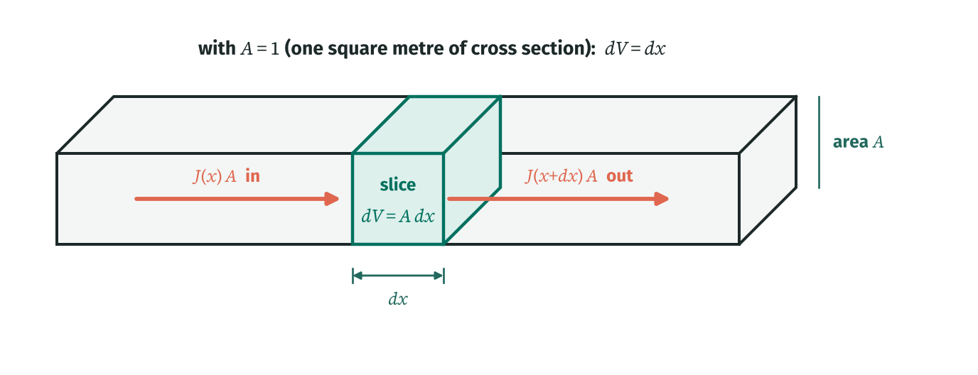

HOW TO READ THIS DIAGRAM | Think of the 1D problem as a long bar with cross section A. A thin slice of thickness dx has volume A·dx. If we work "per square metre of cross section" (A = 1), the volume of the slice is just dx. That is all "dV = dx" means. The arrows show what the balance of the slice will be about: something flows in through the left face and out through the right face.

∫ f dV means: cut the cell into tiny pieces of volume dV, multiply each piece by the value of f there, and add them all up. In 1D the "volume" of a slice of a bar is its area times its length, dV = A dx. With A = 1 (a slice of unit area) that is simply dV = dx, so an integral over a 1D cell is an ordinary integral from its west face to its east face.

IN PLAIN WORDS | The finite volume method keeps one value per cell, so it approximates the integral by "value at the centre × cell volume". This is the midpoint rule. It is exact when f is a straight line and very close otherwise.

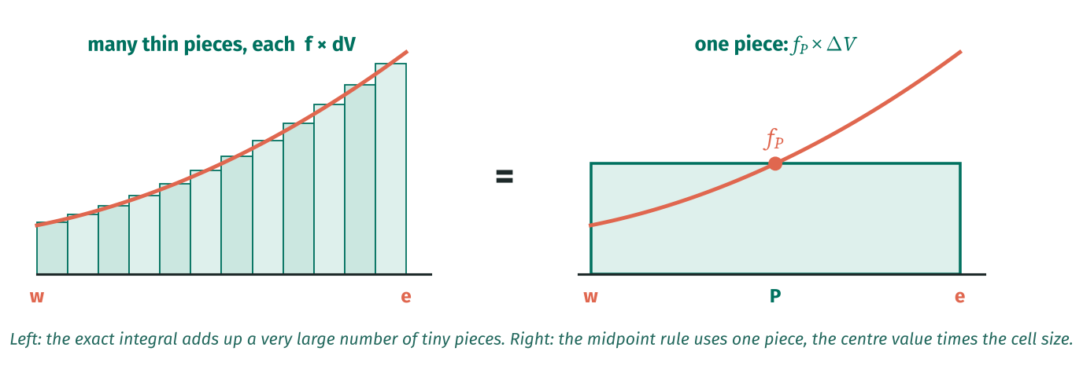

IN PLAIN WORDS | The midpoint rule replaces "add up every tiny piece" with "the value in the middle × the size of the cell". It is the natural choice because the FVM stores exactly one value per cell, at its centre.

2 | Try it: a straight line source

Test the midpoint rule on f = 2 + 3x. Over a straight line the bits above the centre value exactly cancel the bits below it, so "centre value × width" is exact.
WORKED EXAMPLE | Cell 1: x_P = 0.1, Δx = 0.2. Midpoint: f(0.1) × 0.2 = 2.3 × 0.2 = 0.46. Exact: ∫ from 0 to 0.2 of (2 + 3x) dx = 2(0.2) + 1.5(0.2²) = 0.4 + 0.06 = 0.46. Same!

Mesh (5 cells on 0 to 1) |  |  | Symbol | Value |  | Unit
Cell width |  |  | Δx | 0.2
Cell |  | 1 | 2 | 3 | 4 | 5
x_P |  | 0.10 | 0.30 | 0.50 | 0.70 | 0.90
f(x_P) = 2 + 3x_P
midpoint f(x_P)Δx
exact 2Δx + 1.5(x_e² − x_w²)

For a straight line the midpoint rule is ______.

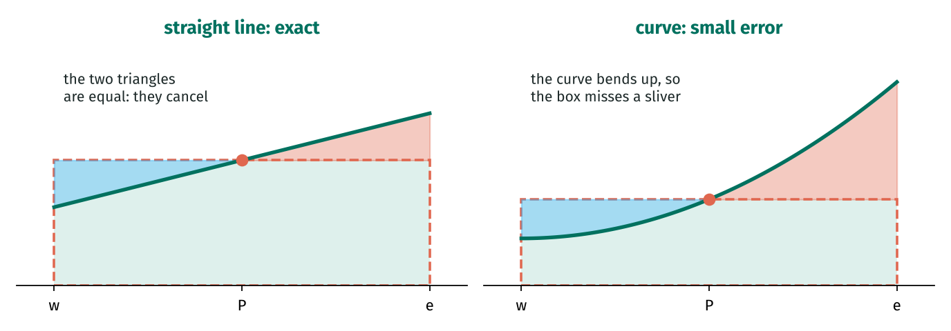

HOW TO READ THIS DIAGRAM | The dashed box is the midpoint rule: centre value × width. Left: for a straight line the bit of curve above the box (red) and the bit below it (blue) are identical triangles, so they cancel and the box is exact. Right: for a curve that bends upwards the red region is bigger than the blue one, so the box slightly underestimates. That small sliver is the error, and it shrinks very fast (like Δx³) as cells get smaller.

3 | A curved source

Now a curve, f = x². The curve bends upwards, so the centre value is a little below the average and the midpoint rule underestimates slightly. The error per cell is f″Δx³/24, which for x² (f″ = 2) is Δx³/12.
PAUSE AND THINK | Error per cell ∝ Δx³, and there are 1/Δx cells, so the total error ∝ Δx². Halve the cells, quarter the total error. You will see "error ∝ Δx²" again and again: it is called second order accuracy.

Cell |  | 1 | 2 | 3 | 4 | 5
midpoint x_P² Δx
exact (x_e³ − x_w³)/3
error exact − midpoint

The error is the same in every cell. It equals Δx³/12:
Hint: Δx = 0.2, so Δx³/12 = 0.008/12.

Halving Δx would make the error in each cell ______.
Hint: The error goes like Δx³: (½)³.

4 | Integrating a derivative: only the faces survive

This is the most important idea in the whole pack. Equations of physics are written with derivatives: dJ/dx, the rate at which a flux J changes along x. When you integrate a derivative over a cell, the calculus cancels the derivative:
WORKED EXAMPLE | ∫ from x_w to x_e of (dJ/dx) dx = J(x_e) − J(x_w) = J_e − J_w. Cell 3 with J = 4x²: J_e = 4(0.6)² = 1.44, J_w = 4(0.4)² = 0.64, net = 0.80.

WHY? | Physically: J_e is what leaves through the right door, J_w is what enters through the left door. Their difference is what the cell loses. The derivative inside the cell does not matter any more, only the two face values do. So the unknowns of the problem become "what crosses each face".

HOW TO READ THIS DIAGRAM | This is the most important picture in the pack. Whatever happens INSIDE the cell (the derivative dJ/dx) disappears when you integrate. What is left is only what crosses the two faces: J_e leaving on the right minus J_w entering on the left. So the finite volume method never needs to know what goes on inside a cell, only at its faces.

The key trick of the whole method. If the thing inside the integral is a derivative, integrating it just gives its value at the two ends (the fundamental theorem of calculus):

IN PLAIN WORDS | J is a flux: an amount of φ crossing a face per second per unit area. "What comes out of the east face minus what comes in at the west face" is exactly the net amount leaving the cell. That is why every finite volume equation is a balance: in = out. The 2D/3D version (the divergence theorem) says the same with one term per face.

A known flux J = 4x² |  |  | Symbol | Value |  | Unit
Flux |  |  | J(x) | 4x²
J at the east face of cell 3 (x = 0.6)
Hint: Cell 3 runs from 0.4 to 0.6.

J at the west face of cell 3 (x = 0.4)
Hint: 4 × 0.4².

Net flux out of cell 3: J_e − J_w
Hint: Subtract the two face values.

Add up J_e − J_w over ALL five cells
Hint: All the interior faces cancel: only J(1) − J(0) is left.

Adding up all the cells, the interior faces ______.

WHY? | Why is cancelling so important? What leaves cell 3 through its east face is EXACTLY what enters cell 4 through its west face (it is the same number). So the method can never create or lose φ between cells: it is conservative by construction. That is the big advantage of finite volumes.

BY HAND | Write ∫ over a 2D cell of ∂J_x/∂x + ∂J_y/∂y in terms of the four faces.
✎ Write it out on paper first. Then type your equation into the white box below (it is not marked; compare it with the Answers tab).

TAKE AWAY | ∫ f dV ≈ f_P ΔV (midpoint rule; dV = dx in 1D). ∫ (derivative) dV = flux out − flux in through the faces. Interior face fluxes cancel, so finite volumes conserve φ exactly.

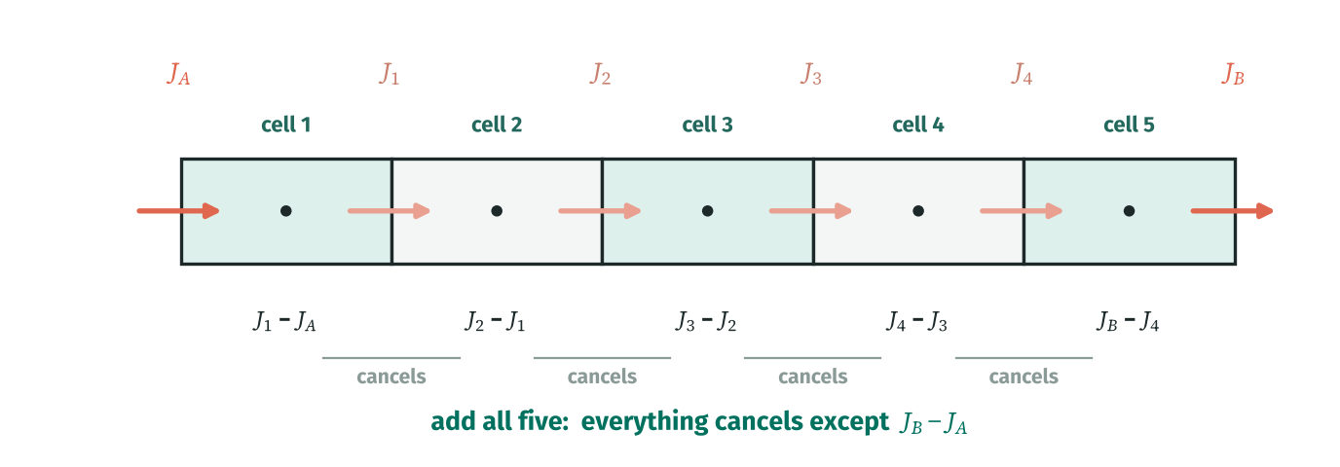

HOW TO READ THIS DIAGRAM | Write "out minus in" for each of the five cells (the bottom row). J₁ appears as "out" for cell 1 and as "in" for cell 2, so it cancels when you add them, and the same for J₂, J₃ and J₄. Only the two boundary fluxes J_A and J_B survive. This is what "conservative" means: whatever leaves one cell arrives in the next, exactly.

PICTURE IT | Line up five cells. Cell 1 loses J₁ₑ − J_A. Cell 2 loses J₂ₑ − J₁ₑ. Add them: J₁ₑ cancels! Add all five and every interior face cancels, leaving J_B − J_A. Nothing is lost or invented between cells.

PEN AND PAPER | Write the integral of dJ/dx over cells 1 to 5 one under the other in your notebook, then add them up and cross out the pairs that cancel.

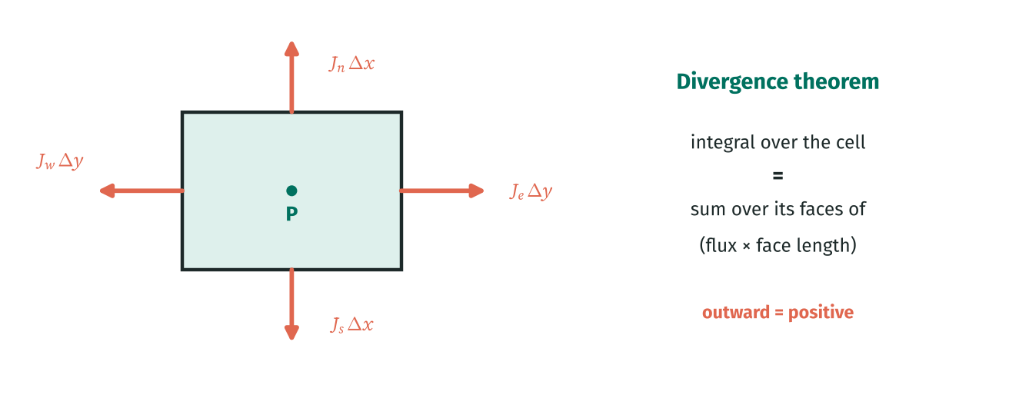

HOW TO READ THIS DIAGRAM | In 2D a cell has four faces and the same idea gives four terms: the flux through each face times the length of that face. Fluxes pointing OUT of the cell count as positive. A triangle would give three terms, a hexagon six. This is the divergence theorem, and it is the reason the method works on any shape of cell (Lesson 8).

RECAP | ▸ ∫ f dV = total amount of f in the cell. In 1D with unit area, dV = dx. ▸ Midpoint rule: ∫ f dV ≈ f_P ΔV. Exact for straight lines, error ∝ Δx³ per cell otherwise. ▸ ∫ (dJ/dx) dx = J_e − J_w: integrating a derivative leaves only face fluxes. ▸ Interior face fluxes cancel in pairs, so the FVM is conservative.

NEXT UP | Lesson 2: φ is only known at centres. How do we get its value and its slope on a face?

CFD by Hand · Learn CFD one cell at a time · linktr.ee/cfdbyhand

L2 Learn
LESSON 2 · APPROXIMATING FACE VALUES AND GRADIENTS · LEARN |  |  |  |  | PROGRESS
Values and slopes on faces |  |  |  |  | 0 / 14
Work down the sheet. Fill each cream box; a ✓ appears when it is right. |  |  |  |  | @CFDbyHand

IN THIS LESSON | By the end of this lesson you will be able to: ▸ estimate the slope dφ/dx on a face from two neighbouring centres ▸ estimate the value φ on a face by (weighted) averaging ▸ measure the error and see it fall as δx² ▸ handle the half cell distance at a boundary face

BEFORE YOU START | Lessons 0 and 1. About 10 to 20 minutes (a rough guide).

How to use this sheet: read each box from top to bottom like the page of a book. Cream boxes are for you to fill. Type a number, or better a formula that clicks on the blue input cells. A green tick means you are right (within 0.5%), a red cross means look again at the step just above. Stuck? The Answers tab has the same layout, so the answer sits in the same cell there.

1 | The problem: we only know centres

After Lesson 1 every equation is written in terms of face fluxes. A diffusion flux needs the SLOPE dφ/dx at a face. A convection flux needs the VALUE φ at a face. We only store φ at centres, so we need approximations, and this lesson checks how good they are on a test function where we know the exact answer.
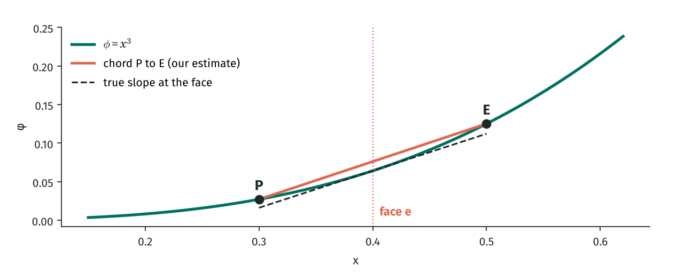

After integrating, every equation needs things AT THE FACES: the slope dφ/dx (for diffusion) and sometimes the value φ itself (for convection). But φ is only stored at the centres. So we estimate face quantities from the two centres either side:

Let us test them on a function we know exactly, φ(x) = x³, so we can measure the errors.

2 | Slope at a face

The slope between two points is "rise over run". For a face sitting between P and E, the rise is φ_E − φ_P and the run is the distance between the centres δx_PE.
WORKED EXAMPLE | x_e = 0.4, δx = 0.2: P at 0.3, E at 0.5. φ_P = 0.027, φ_E = 0.125. Slope ≈ (0.125 − 0.027)/0.2 = 0.49. Exact 3x² = 0.48. Error 0.01.

Given |  | Symbol | Value | Unit
Coarse spacing |  | δx | 0.20
Fine spacing |  | δx | 0.10
Face position |  | x_e | 0.4
φ_P at x = x_e − δx/2 (coarse)
Hint: (0.4 − 0.1)³.

φ_E at x = x_e + δx/2 (coarse)
Hint: (0.4 + 0.1)³.

Estimated slope (φ_E − φ_P)/δx
Hint: Divide by the coarse spacing 0.2.

Exact slope 3x_e²
Hint: 3 × 0.4².

Error (coarse)

Estimated slope with the fine spacing

Error (fine)

Error ratio coarse/fine
Hint: Second order: halving δx divides the error by about 4.

IN PLAIN WORDS | Halving the spacing divided the error by 4: the error goes like δx². That is called second order accuracy, and it is why the centre-to-centre slope is the standard choice.

WHY? | Why is this so accurate? The face sits exactly between the two points, so errors on either side cancel (a symmetric or "central" difference). A one-sided slope would only be first order: half the spacing, half the error.

3 | Value at a face

The face value by averaging is also second order on a uniform mesh. It is the "central differencing" estimate of the face value. Lesson 9 will show it has a problem when the flow is fast, which leads to upwinding.
Face value by averaging (coarse)

Exact φ at the face

Error of the average

4 | Uneven spacing and boundary faces

On an uneven mesh the face is closer to one centre than the other. Linear interpolation gives more weight to the closer centre. The weight f is simply "how far along from P to E the face is".
WORKED EXAMPLE | P at 0.3, E at 0.6, face at 0.4: f = (0.4 − 0.3)/(0.6 − 0.3) = 1/3. φ_e = (2/3)(10) + (1/3)(40) = 20.

PICTURE IT | Boundary face: there is no cell beyond the wall. But we usually KNOW the value on the wall itself, and the wall is only half a cell away from the first centre. So the slope there is (φ_P − φ_wall)/(Δx/2).

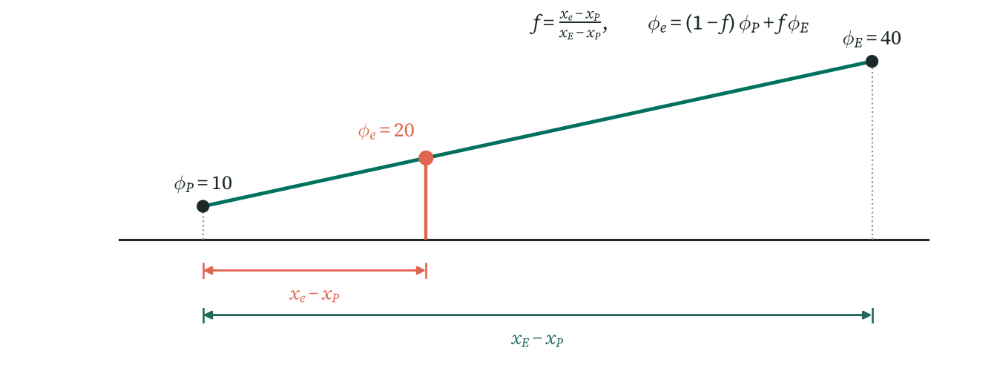

HOW TO READ THIS DIAGRAM | When the face is not half way between P and E, draw a straight line from φ_P to φ_E and read off its height at the face. The weight f is just how far along the line the face is: here the face is one third of the way from P to E, so f = 1/3 and the face value is one third of the way from 10 to 40, which is 20.

If the face is not half way between P and E, weight each value by how close it is: φ_e = (1 − f)φ_P + f φ_E, with f = (x_e − x_P)/(x_E − x_P). At a boundary face the "neighbour" is the boundary value itself, only half a cell away:

Uneven mesh |  | Symbol | Value | Unit
x_P |  | x_P | 0.3
x_E |  | x_E | 0.6
φ_P |  | φ_P | 10
φ_E |  | φ_E | 40
Boundary value |  | φ_A | 0
First centre |  | x₁ | 0.1
First value |  | φ₁ | 5
Weight f for a face at x = 0.4
Hint: (x_e − x_P)/(x_E − x_P).

Interpolated face value

Slope at the boundary face (first centre at 0.1)
Hint: The first centre is 0.1 from the wall: (5 − 0)/0.1.

COMMON MISTAKE | Using Δx instead of Δx/2 at a boundary. The boundary is only half a cell from the first centre.

TAKE AWAY | Face slope ≈ (φ_E − φ_P)/δx (second order). Face value ≈ average (or a weighted average on uneven meshes). At a boundary use the boundary value and a distance of Δx/2.

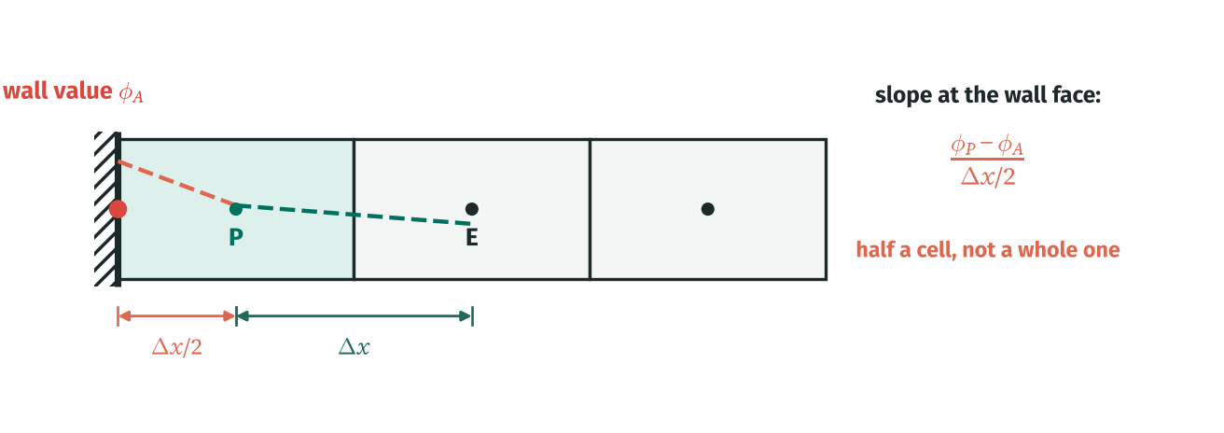

HOW TO READ THIS DIAGRAM | Next to a wall there is no cell on the other side, but we know the value on the wall itself (red dot). The first centre is only HALF a cell from the wall, so the slope there is (φ_P − φ_A)/(Δx/2), twice as steep as using Δx would suggest. This half cell is the source of the "2" in every boundary formula from Lesson 4 onwards.

RECAP | ▸ Face slope ≈ (φ_E − φ_P)/δx_PE: second order, error ∝ δx². ▸ Face value ≈ (φ_P + φ_E)/2 on uniform meshes, weighted on uneven ones. ▸ At a boundary face the distance is Δx/2, not Δx.

NEXT UP | Lesson 3: put Lessons 1 and 2 together to solve your first finite volume problem.

CFD by Hand · Learn CFD one cell at a time · linktr.ee/cfdbyhand

L3 Learn
LESSON 3 · 1D DIFFUSION, INTERIOR CELLS · LEARN |  |  |  |  |  |  |  |  | PROGRESS
Your first finite volume solution |  |  |  |  |  |  |  |  | 0 / 18
Work down the sheet. Fill each cream box; a ✓ appears when it is right. |  |  |  |  |  |  |  |  | @CFDbyHand

IN THIS LESSON | By the end of this lesson you will be able to: ▸ integrate the 1D diffusion equation over one cell ▸ replace face slopes with centre values ▸ collect the result into a_P φ_P = a_W φ_W + a_E φ_E ▸ solve 2 cells by hand and 5 cells in Excel

BEFORE YOU START | Lessons 0 to 2. About 10 to 20 minutes (a rough guide).

How to use this sheet: read each box from top to bottom like the page of a book. Cream boxes are for you to fill. Type a number, or better a formula that clicks on the blue input cells. A green tick means you are right (within 0.5%), a red cross means look again at the step just above. Stuck? The Answers tab has the same layout, so the answer sits in the same cell there.

THE RECIPE | Every lesson from here on follows these five steps. Keep this strip in mind: whenever a new effect is added (a boundary, a source, a second dimension, a flow), only step 3 or step 4 changes a little.

1 | The equation

Diffusion is the spreading of φ from high to low, with a flux J = −Γ dφ/dx (the minus sign: φ flows downhill). In steady state nothing piles up anywhere, so the flux is the same at every point: dJ/dx = 0, which is the equation above.
New word |  |  | What it means
Γ (gamma) |  |  | Diffusion coefficient: large Γ means φ spreads easily.
Dirichlet boundary |  |  | A boundary where the value of φ is fixed.
Discretise |  |  | Turn a differential equation into algebraic equations, one per cell.

The simplest useful equation in the method is steady diffusion: φ spreads from high to low with no source. Γ is the diffusion coefficient. (It is heat conduction if φ is temperature, but here we keep it general.)

Given |  |  |  | Symbol | Value |  | Unit
Domain length |  |  |  | L | 1.00
Number of cells |  |  |  | n | 5
Diffusion coefficient |  |  |  | Γ | 2.000
Left boundary value |  |  |  | φ_A | 100
Right boundary value |  |  |  | φ_B | 20

2 | Step 1: integrate over cell P

Follow Lesson 1 exactly: the thing inside the integral is a derivative (of Γ dφ/dx), so the integral is its value on the east face minus its value on the west face. No approximation yet: this line is exact.

Lesson 1: integrating a derivative leaves only the faces. "Diffusive flux out of the east face minus flux in at the west face is zero".

3 | Step 2: approximate the faces (Lesson 2)

Now approximate the two slopes with Lesson 2’s centre-to-centre formula. This is the only approximation in the method.

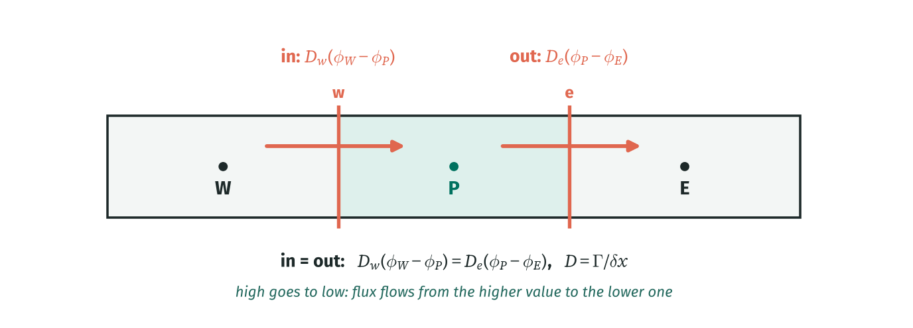

HOW TO READ THIS DIAGRAM | The diffusive flux always runs from high to low. Through the west face it is D_w(φ_W − φ_P): positive if W is higher than P, so φ flows INTO P. Through the east face it is D_e(φ_P − φ_E): positive if P is higher than E, so φ flows OUT of P. In steady state what comes in must go out, which is exactly the cell equation.

4 | Step 3: collect φ_P

Multiply out and put all φ_P terms on the left. Every interior cell gives the same pattern, with coefficients called a_W, a_E (the neighbours) and a_P (the cell itself).
WORKED EXAMPLE | Γ = 2, Δx = 0.2 → D = 10. 10(φ_E − φ_P) − 10(φ_P − φ_W) = 0 ⇒ 20 φ_P = 10 φ_W + 10 φ_E ⇒ φ_P = (φ_W + φ_E)/2

PAUSE AND THINK | Each cell is simply the average of its neighbours. That is exactly what a straight line looks like, and the exact answer to this problem is a straight line from φ_A to φ_B.

Δx

D = Γ/Δx
Hint: 2/0.2.

Interior a_P
Hint: a_W + a_E = 2D.

An interior φ_P is the ______ of φ_W and φ_E.

HOW TO READ THIS DIAGRAM | The same mesh drawn as an electric circuit. Each cell centre is a junction, the value φ is the voltage and the flux is the current. Between two centres the "resistance" is δx/Γ = 1/D. The two end links only span half a cell, so their resistance is halved and their conductance doubled: 2D. You will see this 2D in every boundary cell.

5 | A two cell problem by hand

With only two cells you can solve the equations by substitution, which shows what "solving the system" really means: every equation must hold at the same time.
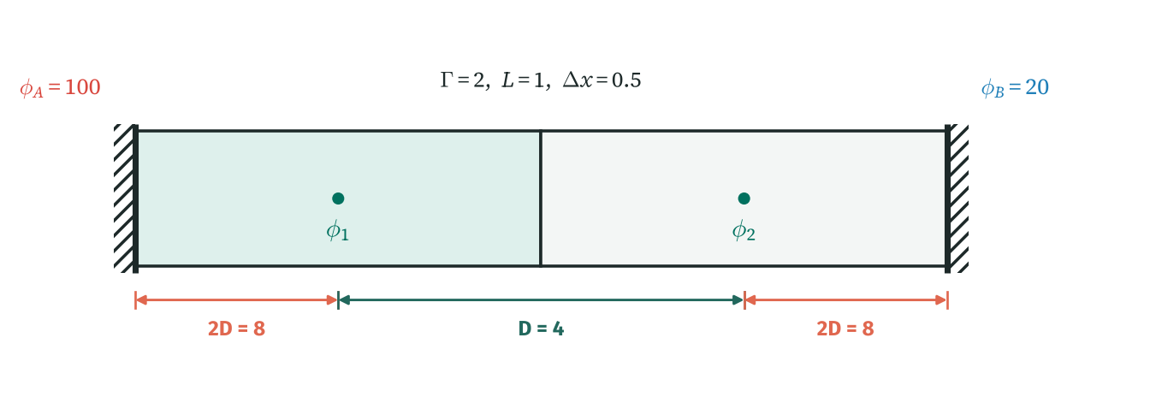

HOW TO READ THIS DIAGRAM | The two cell problem drawn to scale. Each centre is half a cell (0.25) from its wall, so those links have conductance 2D = 8. The two centres are a whole cell (0.5) apart, so that link has conductance D = 4. Cell 1 feels the left wall through 8 and its neighbour through 4; cell 2 the same on the other side.

Before Excel, solve the smallest possible problem completely by hand: the same domain with just 2 cells (Δx = 0.5, D = 4). Each cell touches one boundary, half a cell away, which gives a conductance 2D (Lesson 4 explains this in detail):

φ₂ (substitute cell 1 into cell 2)
Hint: φ₁ = (4φ₂ + 800)/12; put it into 12φ₂ = 4φ₁ + 160.

φ₁
Hint: Use cell 1 with φ₂ = 40.

BY HAND | Show the substitution.
✎ Write it out on paper first. Then type your equation into the white box below (it is not marked; compare it with the Answers tab).

PEN AND PAPER | Do the 2 cell problem on paper before typing anything: write both equations, rearrange cell 1 for φ₁, substitute into cell 2. Check φ₁ = 80, φ₂ = 40 lie on the straight line from 100 to 20 at x = 0.25 and 0.75.

6 | Five cells in Excel

Five cells are tedious by hand, so Excel does the solving. Fill the coefficient table first (the boundary cells use Lesson 4’s rule, already shown here as 2D φ_A in S_u), then write φ_P = (a_W φ_W + a_E φ_E + S_u)/a_P in each cell.
IN EXCEL | Turn on iterative calculation first (File → Options → Formulas → Enable iterative calculation, 1000 iterations, max change 0.0001). Your formulas point at each other, and Excel needs permission to go round the loop until the numbers settle.

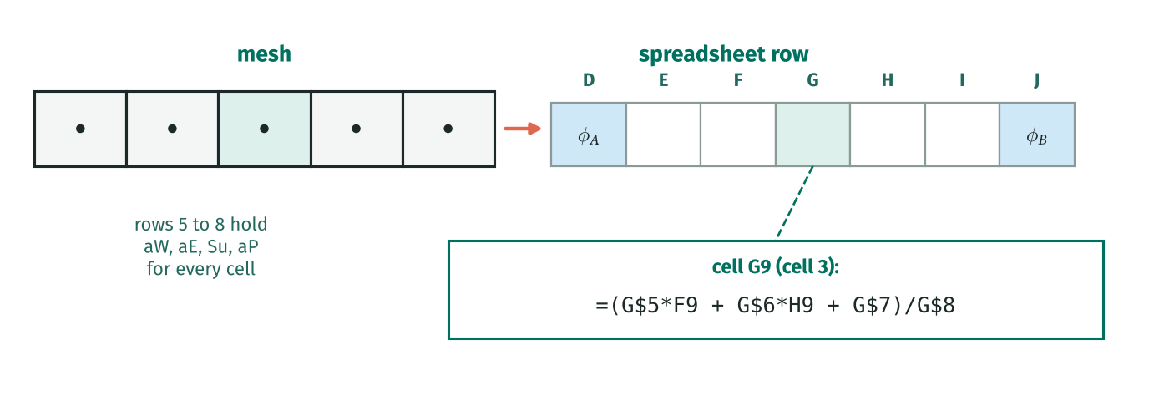

HOW TO READ THIS DIAGRAM | How the mesh sits in the sheet: one column per cell, with the boundary values in the coloured cells at each end. Under each cell its four coefficients sit in the same column (rows 5 to 8 here), so the φ formula in a cell only has to point left, right and up. Write it once, drag it across, and every cell gets the right equation.

Cell |  |  | 1 | 2 | 3 | 4 | 5
aW
aE
Su
Sp
aP = aW + aE − Sp

Your equations, written out by Excel from the table above:
Cell 1 | (fill cell 1 in the table to see its equation)
Cell 2 | (fill cell 2 in the table to see its equation)
Cell 3 | (fill cell 3 in the table to see its equation)
Cell 4 | (fill cell 4 in the table to see its equation)
Cell 5 | (fill cell 5 in the table to see its equation)

Your mesh |  | A | Cell 1 | Cell 2 | Cell 3 | Cell 4 | Cell 5 | B
x_P (m) |  | 0.000 |  |  |  |  |  | 1.000

IN EXCEL | In the first φ cell type the cell equation divided by aP: =(aW·φ_left + aE·φ_right + Su)/aP, clicking on the coefficients in the SAME column of the table above and on the φ cells either side. Drag it across. Excel sweeps through the cells again and again until nothing changes (iterative calculation must be on).

Solved mesh |  | φ_A | Cell 1 | Cell 2 | Cell 3 | Cell 4 | Cell 5 | φ_B
φ |  | 100.000 |  |  |  |  |  | 20.000
x (m) |  | 0.000 | 0.000 | 0.000 | 0.000 | 0.000 | 0.000 | 1.000

Cell |  |  | 1 | 2 | 3 | 4 | 5
Exact φ

Diffusion: φ along the domain
 | Finite volume | Exact

φ in cell 3
Hint: Read your solved mesh.

Flux through the domain Γ(φ_A − φ_B)/L
Hint: Γ × (100 − 20)/1.

Flux from the cells 2D(φ_A − φ₁)
Hint: The first centre is half a cell from the wall: conductance 2D.

The finite volume answer is exact here because ______.

TAKE AWAY | Integrate → faces → approximate → collect: a_P φ_P = a_W φ_W + a_E φ_E with D = Γ/Δx. One equation per cell, solved together (by hand for 2 cells, by Excel for many).

RECAP | ▸ Four steps: integrate over a cell → face fluxes → approximate the slopes → collect coefficients. ▸ Interior cell: a_W = a_E = D = Γ/Δx, a_P = a_W + a_E. ▸ One equation per cell; they are solved together (substitution, iteration or a matrix). ▸ Pure diffusion between two fixed values gives a straight line, which the FVM reproduces exactly.

NEXT UP | Lesson 4: what changes in a cell that touches the boundary.

CFD by Hand · Learn CFD one cell at a time · linktr.ee/cfdbyhand

L3 Answers
LESSON 3 · 1D DIFFUSION, INTERIOR CELLS · ANSWERS |  |  |  |  |  |  |  |  |  | PROGRESS
Your first finite volume solution |  |  |  |  |  |  |  |  |  | 18 / 18
Every blank is already filled in on this sheet, with the formula that produces it. Use it to check your Learn sheet. |  |  |  |  |  |  |  |  |  | @CFDbyHand

IN THIS LESSON | By the end of this lesson you will be able to: ▸ integrate the 1D diffusion equation over one cell ▸ replace face slopes with centre values ▸ collect the result into a_P φ_P = a_W φ_W + a_E φ_E ▸ solve 2 cells by hand and 5 cells in Excel

BEFORE YOU START | Lessons 0 to 2. About 10 to 20 minutes (a rough guide).

How to use this sheet: read each box from top to bottom like the page of a book. Cream boxes are for you to fill. Type a number, or better a formula that clicks on the blue input cells. A green tick means you are right (within 0.5%), a red cross means look again at the step just above. Stuck? The Answers tab has the same layout, so the answer sits in the same cell there.

THE RECIPE | Every lesson from here on follows these five steps. Keep this strip in mind: whenever a new effect is added (a boundary, a source, a second dimension, a flow), only step 3 or step 4 changes a little.

1 | The equation

Diffusion is the spreading of φ from high to low, with a flux J = −Γ dφ/dx (the minus sign: φ flows downhill). In steady state nothing piles up anywhere, so the flux is the same at every point: dJ/dx = 0, which is the equation above.
New word |  |  | What it means
Γ (gamma) |  |  | Diffusion coefficient: large Γ means φ spreads easily.
Dirichlet boundary |  |  | A boundary where the value of φ is fixed.
Discretise |  |  | Turn a differential equation into algebraic equations, one per cell.

The simplest useful equation in the method is steady diffusion: φ spreads from high to low with no source. Γ is the diffusion coefficient. (It is heat conduction if φ is temperature, but here we keep it general.)

Given |  |  |  | Symbol | Value |  | Unit
Domain length |  |  |  | L | 1.00
Number of cells |  |  |  | n | 5
Diffusion coefficient |  |  |  | Γ | 2.000
Left boundary value |  |  |  | φ_A | 100
Right boundary value |  |  |  | φ_B | 20

2 | Step 1: integrate over cell P

Follow Lesson 1 exactly: the thing inside the integral is a derivative (of Γ dφ/dx), so the integral is its value on the east face minus its value on the west face. No approximation yet: this line is exact.

Lesson 1: integrating a derivative leaves only the faces. "Diffusive flux out of the east face minus flux in at the west face is zero".

3 | Step 2: approximate the faces (Lesson 2)

Now approximate the two slopes with Lesson 2’s centre-to-centre formula. This is the only approximation in the method.

HOW TO READ THIS DIAGRAM | The diffusive flux always runs from high to low. Through the west face it is D_w(φ_W − φ_P): positive if W is higher than P, so φ flows INTO P. Through the east face it is D_e(φ_P − φ_E): positive if P is higher than E, so φ flows OUT of P. In steady state what comes in must go out, which is exactly the cell equation.

4 | Step 3: collect φ_P

Multiply out and put all φ_P terms on the left. Every interior cell gives the same pattern, with coefficients called a_W, a_E (the neighbours) and a_P (the cell itself).
WORKED EXAMPLE | Γ = 2, Δx = 0.2 → D = 10. 10(φ_E − φ_P) − 10(φ_P − φ_W) = 0 ⇒ 20 φ_P = 10 φ_W + 10 φ_E ⇒ φ_P = (φ_W + φ_E)/2

PAUSE AND THINK | Each cell is simply the average of its neighbours. That is exactly what a straight line looks like, and the exact answer to this problem is a straight line from φ_A to φ_B.

Δx |  |  |  |  |  |  |  |  | 0.200 |  | ✓

D = Γ/Δx |  |  |  |  |  |  |  |  | 10.000 |  | ✓
Hint: 2/0.2.

Interior a_P |  |  |  |  |  |  |  |  | 20.000 |  | ✓
Hint: a_W + a_E = 2D.

An interior φ_P is the ______ of φ_W and φ_E. |  |  |  |  |  |  |  |  | average |  | ✓

HOW TO READ THIS DIAGRAM | The same mesh drawn as an electric circuit. Each cell centre is a junction, the value φ is the voltage and the flux is the current. Between two centres the "resistance" is δx/Γ = 1/D. The two end links only span half a cell, so their resistance is halved and their conductance doubled: 2D. You will see this 2D in every boundary cell.

5 | A two cell problem by hand

With only two cells you can solve the equations by substitution, which shows what "solving the system" really means: every equation must hold at the same time.

HOW TO READ THIS DIAGRAM | The two cell problem drawn to scale. Each centre is half a cell (0.25) from its wall, so those links have conductance 2D = 8. The two centres are a whole cell (0.5) apart, so that link has conductance D = 4. Cell 1 feels the left wall through 8 and its neighbour through 4; cell 2 the same on the other side.

Before Excel, solve the smallest possible problem completely by hand: the same domain with just 2 cells (Δx = 0.5, D = 4). Each cell touches one boundary, half a cell away, which gives a conductance 2D (Lesson 4 explains this in detail):

φ₂ (substitute cell 1 into cell 2) |  |  |  |  |  |  |  |  | 40.00 |  | ✓
Hint: φ₁ = (4φ₂ + 800)/12; put it into 12φ₂ = 4φ₁ + 160.

φ₁ |  |  |  |  |  |  |  |  | 80.00 |  | ✓
Hint: Use cell 1 with φ₂ = 40.

BY HAND | Show the substitution.
Model answer:
φ₁ = (4φ₂ + 800)/12. Into cell 2: 12φ₂ = 4(4φ₂ + 800)/12 + 160 ⇒ 144φ₂ = 16φ₂ + 3200 + 1920 ⇒ φ₂ = 40, φ₁ = 80.

PEN AND PAPER | Do the 2 cell problem on paper before typing anything: write both equations, rearrange cell 1 for φ₁, substitute into cell 2. Check φ₁ = 80, φ₂ = 40 lie on the straight line from 100 to 20 at x = 0.25 and 0.75.

6 | Five cells in Excel

Five cells are tedious by hand, so Excel does the solving. Fill the coefficient table first (the boundary cells use Lesson 4’s rule, already shown here as 2D φ_A in S_u), then write φ_P = (a_W φ_W + a_E φ_E + S_u)/a_P in each cell.
IN EXCEL | Turn on iterative calculation first (File → Options → Formulas → Enable iterative calculation, 1000 iterations, max change 0.0001). Your formulas point at each other, and Excel needs permission to go round the loop until the numbers settle.

HOW TO READ THIS DIAGRAM | How the mesh sits in the sheet: one column per cell, with the boundary values in the coloured cells at each end. Under each cell its four coefficients sit in the same column (rows 5 to 8 here), so the φ formula in a cell only has to point left, right and up. Write it once, drag it across, and every cell gets the right equation.

Cell |  |  | 1 | 2 | 3 | 4 | 5
aW |  |  | 0.0000 | 10.0000 | 10.0000 | 10.0000 | 10.0000 |  |  |  | ✓
aE |  |  | 10.0000 | 10.0000 | 10.0000 | 10.0000 | 0.0000 |  |  |  | ✓
Su |  |  | 2000.0000 | 0.0000 | 0.0000 | 0.0000 | 400.0000 |  |  |  | ✓
Sp |  |  | -20.0000 | 0.0000 | 0.0000 | 0.0000 | -20.0000 |  |  |  | ✓
aP = aW + aE − Sp |  |  | 30.0000 | 20.0000 | 20.0000 | 20.0000 | 30.0000 |  |  |  | ✓

Your equations, written out by Excel from the table above:
Cell 1 | 30 φ₁ = 10 φ₂ + 2000
Cell 2 | 20 φ₂ = 10 φ₁ + 10 φ₃
Cell 3 | 20 φ₃ = 10 φ₂ + 10 φ₄
Cell 4 | 20 φ₄ = 10 φ₃ + 10 φ₅
Cell 5 | 30 φ₅ = 10 φ₄ + 400

Your mesh |  | A | Cell 1 | Cell 2 | Cell 3 | Cell 4 | Cell 5 | B
x_P (m) |  | 0.000 | 0.100 | 0.300 | 0.500 | 0.700 | 0.900 | 1.000 |  |  | ✓

IN EXCEL | In the first φ cell type the cell equation divided by aP: =(aW·φ_left + aE·φ_right + Su)/aP, clicking on the coefficients in the SAME column of the table above and on the φ cells either side. Drag it across. Excel sweeps through the cells again and again until nothing changes (iterative calculation must be on).

Solved mesh |  | φ_A | Cell 1 | Cell 2 | Cell 3 | Cell 4 | Cell 5 | φ_B
φ |  | 100.000 | 92.0000 | 76.0000 | 60.0000 | 44.0000 | 28.0000 | 20.000 |  |  | ✓
x (m) |  | 0.000 | 0.100 | 0.300 | 0.500 | 0.700 | 0.900 | 1.000

Cell |  |  | 1 | 2 | 3 | 4 | 5
Exact φ |  |  | 92.0000 | 76.0000 | 60.0000 | 44.0000 | 28.0000 |  |  |  | ✓

Diffusion: φ along the domain

φ in cell 3 |  |  |  |  |  |  |  |  | 60.000 |  | ✓
Hint: Read your solved mesh.

Flux through the domain Γ(φ_A − φ_B)/L |  |  |  |  |  |  |  |  | 160.000 |  | ✓
Hint: Γ × (100 − 20)/1.

Flux from the cells 2D(φ_A − φ₁) |  |  |  |  |  |  |  |  | 160.000 |  | ✓
Hint: The first centre is half a cell from the wall: conductance 2D.

The finite volume answer is exact here because ______. |  |  |  |  |  |  |  |  | the exact profile is a straight line |  | ✓

TAKE AWAY | Integrate → faces → approximate → collect: a_P φ_P = a_W φ_W + a_E φ_E with D = Γ/Δx. One equation per cell, solved together (by hand for 2 cells, by Excel for many).

RECAP | ▸ Four steps: integrate over a cell → face fluxes → approximate the slopes → collect coefficients. ▸ Interior cell: a_W = a_E = D = Γ/Δx, a_P = a_W + a_E. ▸ One equation per cell; they are solved together (substitution, iteration or a matrix). ▸ Pure diffusion between two fixed values gives a straight line, which the FVM reproduces exactly.

NEXT UP | Lesson 4: what changes in a cell that touches the boundary.

CFD by Hand · Learn CFD one cell at a time · linktr.ee/cfdbyhand

L4 Learn
LESSON 4 · FIXED VALUE, FLUX, ZERO GRADIENT AND MIXED BOUNDARIES · LEARN |  |  |  |  |  |  |  |  | PROGRESS
Boundary cells |  |  |  |  |  |  |  |  | 0 / 25
Work down the sheet. Fill each cream box; a ✓ appears when it is right. |  |  |  |  |  |  |  |  | @CFDbyHand

IN THIS LESSON | By the end of this lesson you will be able to: ▸ explain why boundary cells need different equations ▸ derive S_u and S_p for a fixed value, a known flux, zero gradient and a mixed boundary ▸ put boundary cells into Excel and check the answers

BEFORE YOU START | Lesson 3. About 10 to 20 minutes (a rough guide). This is one of the most important lessons in the pack.

How to use this sheet: read each box from top to bottom like the page of a book. Cream boxes are for you to fill. Type a number, or better a formula that clicks on the blue input cells. A green tick means you are right (within 0.5%), a red cross means look again at the step just above. Stuck? The Answers tab has the same layout, so the answer sits in the same cell there.

1 | What is different about a boundary cell?

An interior cell has a neighbour on both sides. A boundary cell has a neighbour on one side and the edge of the domain on the other. There is no φ_W to use. Instead the boundary condition tells us what happens at that face.
IN PLAIN WORDS | Trick used by every FVM code: keep the SAME equation for every cell, a_P φ_P = a_W φ_W + a_E φ_E + S_u with a_P = a_W + a_E − S_p. For a boundary cell set the missing neighbour coefficient to zero and put the boundary’s effect into S_u (a constant) and S_p (multiplies φ_P). Then one Excel formula works everywhere.

A boundary cell has a face on the edge of the domain instead of a neighbour. Write its balance exactly as before, but the boundary face flux comes from the boundary condition instead of a neighbour. To keep one form for every cell we put the boundary’s contribution into two extra numbers: S_u (a fixed amount added) and S_p (an amount × φ_P, always ≤ 0).

2 | Fixed value (Dirichlet)

WORKED EXAMPLE | Γ = 2, Δx = 0.2 (D = 10), φ_A = 100. West face of cell 1: Γ(φ₁ − 100)/(0.1) = 20(φ₁ − 100). Balance: 10(φ₂ − φ₁) − 20(φ₁ − 100) = 0 ⇒ 30 φ₁ = 10 φ₂ + 2000 ⇒ a_W = 0, a_E = 10, S_u = 2000, S_p = −20, a_P = 30.

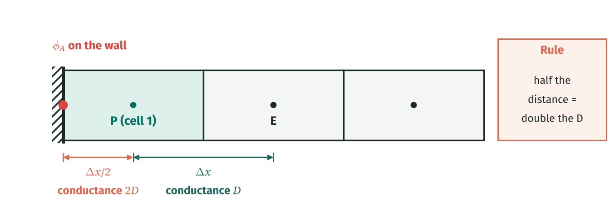

HOW TO READ THIS DIAGRAM | The wall value is known and sits on the boundary face, half a cell from P. Half the distance means twice the conductance: 2D instead of D. So the boundary acts like a neighbour with value φ_A and weight 2D. That is the whole fixed value rule: S_u = 2Dφ_A and S_p = −2D.

KEY IDEA | The 2 comes from the half cell distance. This "2D rule" is the most important boundary modification in the method.

COMMON MISTAKE | Writing D(φ₁ − φ_A) at the boundary. The wall is only Δx/2 away, so its conductance is 2D. Using D makes the boundary look twice as far away and shifts every value in the domain.

3 | Known flux (Neumann) and zero gradient

A flux boundary is easier: if q (amount per second per unit area) crosses the face, that is the face flux. No slope is needed and no φ_P appears, so only S_u changes. Sign rule: flux INTO the cell adds to S_u.
PICTURE IT | Zero gradient means "nothing crosses this face": an insulated wall, a line of symmetry, or (in Lesson 10) an outlet where we let φ leave with the flow. The face simply drops out of the balance.

If we know the flux q crossing the boundary face (amount per unit area per second), we do not need a slope at all: the boundary face contributes q·A directly. Flux INTO the domain goes in S_u as +q; flux leaving as −q. S_p = 0. A zero gradient (insulated, symmetry) boundary is the special case q = 0: the face simply contributes nothing.

4 | Example A: fixed left, known flux leaving on the right

Here the left boundary is fixed and a flux q_B = 50 leaves through the right face. With no source, the same flux passes through every face, so φ falls by qΔx/Γ from cell to cell.
Given |  |  |  | Symbol | Value |  | Unit
Domain length |  |  |  | L | 1.00
Number of cells |  |  |  | n | 5
Diffusion coefficient |  |  |  | Γ | 2.000
Left boundary value |  |  |  | φ_A | 100
Flux leaving through the right face |  |  |  | q_B | 50
Δx

D

Cell 1: S_u
Hint: 2D × φ_A = 2 × 10 × 100.

Cell 5: S_u (flux leaving, so negative)
Hint: Flux leaving is negative: −q_B.

Cell 5: a_P
Hint: Only a_W = D remains; S_p = 0.

Cell |  |  | 1 | 2 | 3 | 4 | 5
aW
aE
Su
Sp
aP = aW + aE − Sp

Your mesh |  | A | Cell 1 | Cell 2 | Cell 3 | Cell 4 | Cell 5 | B
x_P (m) |  | 0.000 |  |  |  |  |  | 1.000

Solved mesh |  | φ_A | Cell 1 | Cell 2 | Cell 3 | Cell 4 | Cell 5 | q_B out
φ |  | 100.000 |  |  |  |  |  | 50.000
x (m) |  | 0.000 | 0.000 | 0.000 | 0.000 | 0.000 | 0.000 | 1.000

φ in cell 1

φ in cell 5

Each cell is lower than the last by ______.
Hint: The same flux 50 crosses every face: drop = qΔx/Γ.

5 | Mixed boundary (Robin)

A Robin (mixed) condition links the boundary flux to the boundary value. The flux has to cross two "resistances" in series: the half cell inside (Δx/2)/Γ and the film outside 1/h. Combine them into one conductance h_c.
WORKED EXAMPLE | h = 5, Δx/2 = 0.1, Γ = 2: h_c = 1/(1/5 + 0.1/2) = 1/0.25 = 4. Cell 5: (10 + 4) φ₅ = 10 φ₄ + 4 × 20 ⇒ S_u = 80, S_p = −4.

HOW TO READ THIS DIAGRAM | A mixed boundary is a path with two resistances in series between the cell centre and the outside: the half cell inside the material, (Δx/2)/Γ, and the thin film outside, 1/h. Add them, turn the total back into a conductance h_c, and the boundary behaves like a neighbour with value φ_∞ and weight h_c.

Sometimes the boundary face flux depends on the boundary value: q = h(φ_B − φ_∞), like heat leaving into air. Combine the half cell and the face "film" as two resistances in series: h_c = 1/(1/h + (Δx/2)/Γ). Then S_u = h_c φ_∞, S_p = −h_c.
Example B: Robin on the right |  |  |  | Symbol | Value |  | Unit
Film coefficient |  |  |  | h | 5
Outside value |  |  |  | φ_∞ | 20
h_c
Hint: 1/(1/5 + 0.1/2).

Cell |  |  | 1 | 2 | 3 | 4 | 5
aW
aE
Su
Sp
aP = aW + aE − Sp

Solved mesh B |  | φ_A | Cell 1 | Cell 2 | Cell 3 | Cell 4 | Cell 5 | φ_∞
φ |  | 100.000 |  |  |  |  |  | 20.000
x (m) |  | 0.000 | 0.000 | 0.000 | 0.000 | 0.000 | 0.000 | 1.000

φ in cell 5 (example B)

Value on the boundary face itself φ₅ − q (Δx/2)/Γ, with q = h_c(φ₅ − φ_∞)
Hint: 1/(1/5 + 0.1/2).

If h becomes enormous, the Robin boundary becomes ______.
Hint: 1/h → 0 leaves h_c = Γ/(Δx/2) = 2D.

BY HAND | Derive the Robin S_u and S_p for cell 5 from its balance.
✎ Write it out on paper first. Then type your equation into the white box below (it is not marked; compare it with the Answers tab).

TAKE AWAY | Boundary cells: a_nb = 0 on the boundary side, and the boundary goes into S_u and S_p. Fixed value: 2Dφ_A and −2D. Flux: ±qA and 0. Zero gradient: nothing. Mixed: h_cφ_∞ and −h_c.

RECAP | ▸ Boundary cell: zero the missing a_nb and put the boundary into S_u and S_p. ▸ Fixed value: S_u = 2Dφ_b, S_p = −2D. ▸ Known flux in: S_u = qA, S_p = 0. Zero gradient: nothing. ▸ Mixed: S_u = h_cφ_∞, S_p = −h_c with h_c = 1/(1/h + (Δx/2)/Γ).

NEXT UP | Lesson 5: sources inside the cells, and what to do when the source depends on φ. (in the full FVM Foundations pack: cfdbyhand.gumroad.com/l/fvm-foundations)

CFD by Hand · Learn CFD one cell at a time · linktr.ee/cfdbyhand

