Group 5


General Electric

Group 5
Kyle Brown
Shawana Jackson
Donald Murphy

WACC
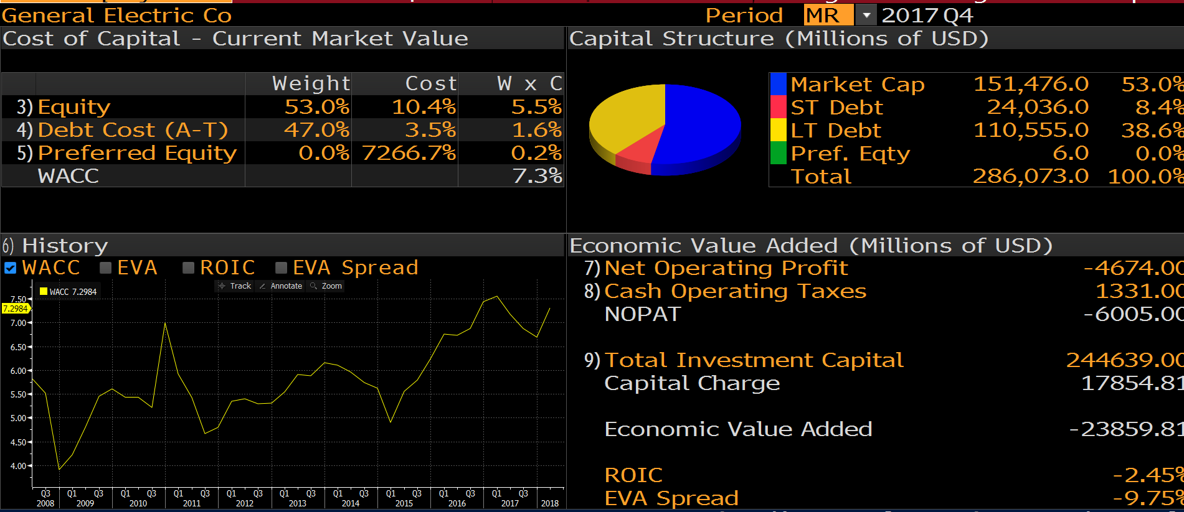
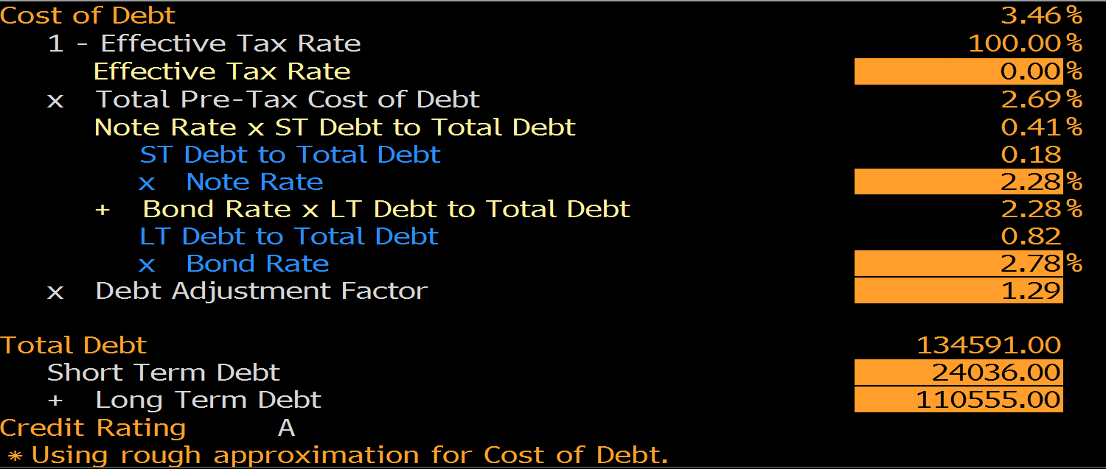
WACC using CAPM
Weighted Average Cost of Capital using the Capital Asset Pricing Model
Valuation Measures
Market Cap (intraday) | $115.3 | bil | Debt | Amt | Rate | Weights | Debt | $134.6 | 47% | 2.7%
Enterprise Value | $199.4 | bil | CP | 3.0 | 1.4% | 2.18% | Equity | $151.5 | 53% | 7.0%
Trailing P/E | 13.76 |  | LT Debt | 110.6 | 2.8% | 80.35% | Total Capital | $286.1 | 100%
Forward P/E 1 | 14.58 |  | ST Debt | 24.036 | 2.28% | 17.5%
PEG Ratio (5 yr expected) 1 | 2.47 |  | Total | 137.6 |  | 100.00% | WACC = | (we * re)+(wd * rd * (1 - t))
Price/Sales (ttm) | 0.92 |  | rd | 2.7% |  |  | WACC = | 4.7%
Price/Book (mrq) | 1.74
Enterprise Value/Revenue 3 | 1.89 |  | Cost of Equity |  |  |  | GuruFocus WACC: 4.87% |  | 21% is the corporate tax rate
Enterprise Value/EBITDA 6 | 12.21 |  | Capital Asset Pricing Model (CAPM)
 |  |  | re | rf + MRP (market risk premium) + individual issue premium
Income Statement |  |  | re | rf + B*(rm - rf)
Total Revenue | $120.5 | bil | re = | 7.0%
Gross Profit | 11.5 | bil | rf | 2.78%
EBITDA | 10.6 | bil | Rm | 8.00%
Net Income | (5.8) | bil | MRP | 5.22%
 |  |  | Beta | 0.8
Balance Sheet ($B)
Cash | 82.0 | bil | LT Debt | 110.6
Total Debt | 134.6 | bil | ST Debt | 24.0
Net Debt | 52.6 | bil | Total Debt | $134.6
Current Ratio | 2.3 | bil
A/R | 34.8 | bil | Cash | 82.0
Inventory | 21.9 | bil | ST Mkt Sec | 0.0
A/P | 15.2 | bil | LT Mkt Sec | 0.0
Long-Term Securities | 67.5 | bil | Total Cash | $82.0

Common Shares Outstanding | 8.7 | bil
Share Price | $12.83
Equity Value/Mkt Cap | $111.4 | bil

Enterprise Value ($B) | $164.0

