Лист1
Quick sort
2 | 1451 | quick | 2 | 405 | insert | 2 | 1378 | general
3 | 2401 |  | 3 | 989 |  | 3 | 2124
4 | 4507 |  | 4 | 2123 |  | 4 | 7298
5 | 5650 |  | 5 | 2613 |  | 5 | 5706
6 | 6595 |  | 6 | 3938 |  | 6 | 6028
7 | 6650 |  | 7 | 5586 |  | 7 | 6553
8 | 9257 |  | 8 | 7343 |  | 8 | 11045
9 | 11688 |  | 9 | 9355 |  | 9 | 10924
10 | 14361 |  | 10 | 11549 |  | 10 | 19588
11 | 14986 |  | 11 | 15369 |  | 11 | 16349
12 | 21519 |  | 12 | 17375 |  | 12 | 20930
13 | 20239 |  | 13 | 21875 |  | 13 | 21496
14 | 16513 |  | 14 | 30537 |  | 14 | 40839
15 | 33771 |  | 15 | 24317 |  | 15 | 16412
16 | 22582 |  | 16 | 33504 |  | 16 | 21360
INSERTION SORT
17 | 21783 |  | 17 | 36245 |  | 17 | 30611
18 | 24885 |  | 18 | 34823 |  | 18 | 31947
19 | 35597 |  | 19 | 48390 |  | 19 | 25628
20 | 30729 |  | 20 | 45335 |  | 20 | 28321
21 | 29356 |  | 21 | 46987 |  | 21 | 35859
22 | 40700 |  | 22 | 52513 |  | 22 | 33052
23 | 32865 |  | 23 | 74573 |  | 23 | 34371
24 | 37508 |  | 24 | 61631 |  | 24 | 36380
25 | 38020 |  | 25 | 65042 |  | 25 | 34005
26 | 34902 |  | 26 | 69468 |  | 26 | 34402
27 | 35768 |  | 27 | 74997 |  | 27 | 35107
28 | 37482 |  | 28 | 80588 |  | 28 | 37078
29 | 39405 |  | 29 | 85973 |  | 29 | 37794
30 | 39217 |  | 30 | 93491 |  | 30 | 39409
31 | 39683 |  | 31 | 97897 |  | 31 | 38985
GENERALIZED SORT
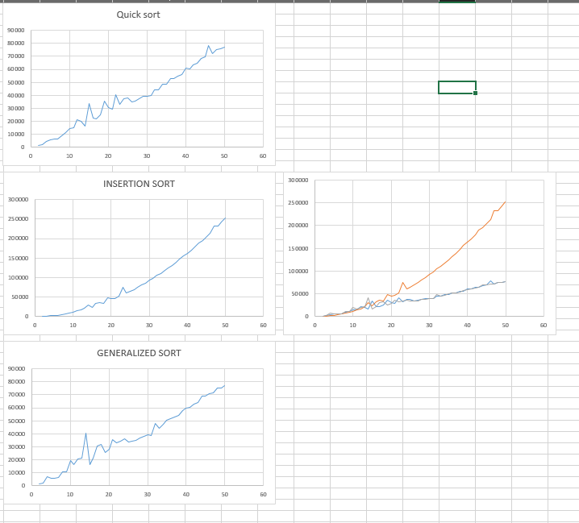
32 | 44237 |  | 32 | 105758 |  | 32 | 47694
33 | 44453 |  | 33 | 110955 |  | 33 | 44323
34 | 48483 |  | 34 | 118076 |  | 34 | 47499
35 | 48859 |  | 35 | 124613 |  | 35 | 50285
36 | 52635 |  | 36 | 131784 |  | 36 | 51770
37 | 52757 |  | 37 | 139248 |  | 37 | 52842
38 | 54963 |  | 38 | 146732 |  | 38 | 54221
39 | 55727 |  | 39 | 155513 |  | 39 | 57911
40 | 60787 |  | 40 | 162929 |  | 40 | 59545
41 | 60596 |  | 41 | 170606 |  | 41 | 60271
42 | 63619 |  | 42 | 178804 |  | 42 | 63129
43 | 64551 |  | 43 | 189589 |  | 43 | 64339
44 | 68534 |  | 44 | 195627 |  | 44 | 68903
45 | 69564 |  | 45 | 204780 |  | 45 | 68959
46 | 78260 |  | 46 | 213666 |  | 46 | 70726
47 | 71847 |  | 47 | 232566 |  | 47 | 71412
48 | 74923 |  | 48 | 232441 |  | 48 | 74996
49 | 75800 |  | 49 | 242160 |  | 49 | 74968
50 | 77313 |  | 50 | 251963 |  | 50 | 77292

