Druid
Mana | Name | Rarity | Collection | Normal | Gold
0 | Innervate | Basic | - | 2 | 0
0 | Moonfire | Basic | - | 2 | 0
1 | Claw | Basic | - | 2 | 0 | Type | Total |  | Classic |  | Naxx |  | GvG |  | BRM
2 | Mark of the Wild | Basic | - | 2 | 0 | Unique
2 | Wild Growth | Basic | - | 2 | 0 | Basic | 10 | 10 | 10 | 10
3 | Healing Touch | Basic | - | 2 | 0 | Common | 10 | 10 | 6 | 6 | 1 | 1 | 2 | 2 | 1 | 1
3 | Savage Roar | Basic | - | 2 | 0 | Rare | 6 | 9 | 4 | 5 | 0 | 0 | 1 | 3 | 1 | 1
4 | Swipe | Basic | - | 2 | 0 | Epic | 4 | 5 | 3 | 3 | 0 | 0 | 1 | 2 | 0 | 0
6 | Starfire | Basic | - | 2 | 0 | Legendary | 1 | 2 | 1 | 1 | 0 | 0 | 0 | 1 | 0 | 0
8 | Ironbark Protector | Basic | - | 2 | 0 | Playable
1 | Naturalize | Common | Classic | 2 | 0 | Basic | 20 | 20 | 20 | 20
2 | Anodized Robo Cub | Common | GvG | 2 | 0 | Common | 20 | 20 | 12 | 12 | 2 | 2 | 4 | 4 | 2 | 2
2 | Power of the Wild | Common | Classic | 2 | 0 | Rare | 12 | 18 | 8 | 10 | 0 | 0 | 2 | 6 | 2 | 2
2 | Wrath | Common | Classic | 2 | 0 | Epic | 7 | 10 | 6 | 6 | 0 | 0 | 1 | 4 | 0 | 0
3 | Druid of the Flame | Common | Blackrock | 2 | 0 | Legendary | 1 | 2 | 1 | 1 | 0 | 0 | 0 | 1 | 0 | 0
3 | Mark of Nature | Common | Classic | 2 | 0 | Total
4 | Poison Seeds | Common | Naxx | 2 | 0 | Unique | 31 | 36 | 24 | 25 | 1 | 1 | 4 | 8 | 2 | 2
4 | Soul of the Forest | Common | Classic | 2 | 0 | Playable | 60 | 70 | 47 | 49 | 2 | 2 | 7 | 15 | 4 | 4
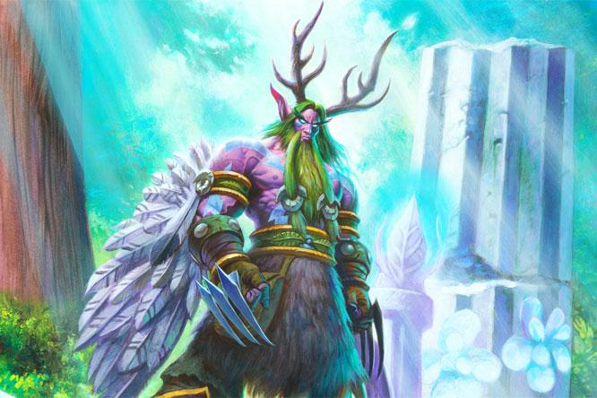
5 | Druid of the Claw | Common | Classic | 2 | 0
5 | Druid of the Fang | Common | GvG | 2 | 0
1 | Savagery | Rare | Classic | 2 | 0
3 | Grove Tender | Rare | GvG | 2 | 0
4 | Bite | Rare | Classic | 0 | 0
4 | Keeper of the Grove | Rare | Classic | 2 | 0
5 | Nourish | Rare | Classic | 2 | 0
5 | Starfall | Rare | Classic | 2 | 0
6 | Mech-Bear-Cat | Rare | GvG | 0 | 0
6 | Recycle | Rare | GvG | 0 | 0
9 | Volcanic Lumberer | Rare | Blackrock | 2 | 0
6 | Dark Wispers | Epic | GvG | 1 | 0
6 | Force of Nature | Epic | Classic | 2 | 0
7 | Ancient of Lore | Epic | Classic | 2 | 0
7 | Ancient of War | Epic | Classic | 2 | 0
9 | Tree of Life | Epic | GvG | 0 | 0
7 | Malorne | Legendary | GvG | 0 | 0
9 | Cenarius | Legendary | Classic | 1 | 0

Hunter
Mana | Name | Rarity | Collection | Normal | Gold
0 | Hunter's Mark | Basic | - | 2 | 0
1 | Arcane Shot | Basic | - | 2 | 0
1 | Timber Wolf | Basic | - | 2 | 0 | Type | Total |  | Classic |  | Naxx |  | GvG |  | BRM
1 | Tracking | Basic | - | 2 | 0 | Unique
3 | Animal Companion | Basic | - | 2 | 0 | Basic | 10 | 10 | 10 | 10
3 | Kill Command | Basic | - | 2 | 0 | Common | 10 | 10 | 6 | 6 | 1 | 1 | 2 | 2 | 1 | 1
4 | Houndmaster | Basic | - | 2 | 0 | Rare | 7 | 9 | 5 | 5 | 0 | 0 | 1 | 3 | 1 | 1
4 | Multi-Shot | Basic | - | 2 | 0 | Epic | 2 | 5 | 0 | 3 | 0 | 0 | 2 | 2 | 0 | 0
5 | Starving Buzzard | Basic | - | 2 | 0 | Legendary | 0 | 2 | 0 | 1 | 0 | 0 | 0 | 1 | 0 | 0
5 | Tundra Rhino | Basic | - | 2 | 0 | Playable
1 | Webspinner | Common | Naxx | 2 | 0 | Basic | 20 | 20 | 20 | 20
2 | Explosive Trap | Common | Classic | 2 | 0 | Common | 20 | 20 | 12 | 12 | 2 | 2 | 4 | 4 | 2 | 2
2 | Freezing Trap | Common | Classic | 2 | 0 | Rare | 10 | 18 | 7 | 10 | 0 | 0 | 1 | 6 | 2 | 2
2 | Glaivezooka | Common | GvG | 2 | 0 | Epic | 3 | 10 | 0 | 6 | 0 | 0 | 3 | 4 | 0 | 0
2 | Quick Shot | Common | Blackrock | 2 | 0 | Legendary | 0 | 2 | 0 | 1 | 0 | 0 | 0 | 1 | 0 | 0
2 | Scavenging Hyena | Common | Classic | 2 | 0 | Total
2 | Snipe | Common | Classic | 2 | 0 | Unique | 29 | 36 | 21 | 25 | 1 | 1 | 5 | 8 | 2 | 2
3 | Deadly Shot | Common | Classic | 2 | 0 | Playable | 53 | 70 | 39 | 49 | 2 | 2 | 8 | 15 | 4 | 4
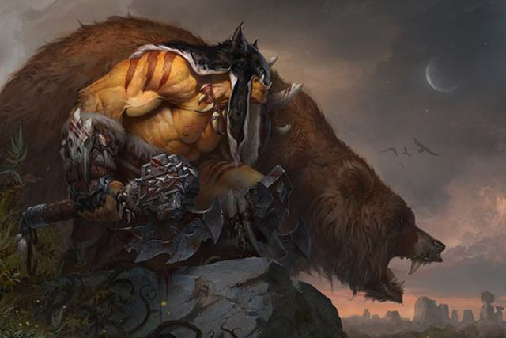
3 | Unleash the Hounds | Common | Classic | 2 | 0
5 | Cobra Shot | Common | GvG | 2 | 0
2 | Call Pet | Rare | GvG | 0 | 0
2 | Flare | Rare | Classic | 1 | 0
2 | Misdirection | Rare | Classic | 1 | 0
3 | Eaglehorn Bow | Rare | Classic | 2 | 0
3 | Metaltooth Leaper | Rare | GvG | 0 | 0
4 | Core Rager | Rare | Blackrock | 2 | 0
5 | Explosive Shot | Rare | Classic | 1 | 0
5 | King of Beasts | Rare | GvG | 1 | 0
6 | Savannah Highmane | Rare | Classic | 2 | 0
1 | Bestial Wrath | Epic | Classic | 0 | 0
2 | Feign Death | Epic | GvG | 2 | 0
2 | Snake Trap | Epic | Classic | 0 | 0
2 | Steamwheedle Sniper | Epic | GvG | 1 | 0
7 | Gladiator's Longbow | Epic | Classic | 0 | 0
7 | Gahz'rilla | Legendary | GvG | 0 | 0
8 | King Krush | Legendary | Classic | 0 | 0

Mage
Mana | Name | Rarity | Collection | Normal | Gold
1 | Arcane Missiles | Basic | - | 2 | 0
1 | Mirror Image | Basic | - | 2 | 0
2 | Arcane Explosion | Basic | - | 2 | 0 | Type | Total |  | Classic |  | Naxx |  | GvG |  | BRM
2 | Frostbolt | Basic | - | 2 | 0 | Unique
3 | Arcane Intellect | Basic | - | 2 | 0 | Basic | 10 | 10 | 10 | 10
3 | Frost Nova | Basic | - | 2 | 0 | Common | 10 | 10 | 6 | 6 | 1 | 1 | 2 | 2 | 1 | 1
4 | Fireball | Basic | - | 2 | 0 | Rare | 7 | 9 | 4 | 5 | 0 | 0 | 2 | 3 | 1 | 1
4 | Polymorph | Basic | - | 2 | 0 | Epic | 4 | 5 | 3 | 3 | 0 | 0 | 1 | 2 | 0 | 0
4 | Water Elemental | Basic | - | 2 | 0 | Legendary | 0 | 2 | 0 | 1 | 0 | 0 | 0 | 1 | 0 | 0
7 | Flamestrike | Basic | - | 2 | 0 | Playable
1 | Ice Lance | Common | Classic | 2 | 0 | Basic | 20 | 20 | 20 | 20
1 | Mana Wyrm | Common | Classic | 2 | 0 | Common | 20 | 20 | 12 | 12 | 2 | 2 | 4 | 4 | 2 | 2
2 | Flamecannon | Common | GvG | 2 | 0 | Rare | 13 | 18 | 7 | 10 | 0 | 0 | 4 | 6 | 2 | 2
2 | Snowchugger | Common | GvG | 2 | 0 | Epic | 6 | 10 | 5 | 6 | 0 | 0 | 1 | 4 | 0 | 0
2 | Sorcerer's Apprentice | Common | Classic | 2 | 0 | Legendary | 0 | 2 | 0 | 1 | 0 | 0 | 0 | 1 | 0 | 0
3 | Duplicate | Common | Naxx | 2 | 0 | Total
3 | Ice Barrier | Common | Classic | 2 | 0 | Unique | 31 | 36 | 23 | 25 | 1 | 1 | 5 | 8 | 2 | 2
3 | Mirror Entity | Common | Classic | 2 | 0 | Playable | 59 | 70 | 44 | 49 | 2 | 2 | 9 | 15 | 4 | 4

4 | Cone of Cold | Common | Classic | 2 | 0
5 | Dragon's Breath | Common | Blackrock | 2 | 0
2 | Unstable Portal | Rare | GvG | 2 | 0
3 | Counterspell | Rare | Classic | 0 | 0
3 | Flamewaker | Rare | Blackrock | 2 | 0
3 | Kirin Tor Mage | Rare | Classic | 2 | 0
3 | Soot Spewer | Rare | GvG | 0 | 0
3 | Vaporize | Rare | Classic | 2 | 0
4 | Ethereal Arcanist | Rare | Classic | 2 | 0
4 | Goblin Blastmage | Rare | GvG | 2 | 0
6 | Blizzard | Rare | Classic | 1 | 0
3 | Ice Block | Epic | Classic | 2 | 0
3 | Spellbender | Epic | Classic | 2 | 0
4 | Echo of Medivh | Epic | GvG | 1 | 0
4 | Wee Spellstopper | Epic | GvG | 0 | 0
10 | Pyroblast | Epic | Classic | 1 | 0
7 | Archmage Antonidas | Legendary | Classic | 0 | 0
7 | Flame Leviathan | Legendary | GvG | 0 | 0

Paladin
Mana | Name | Rarity | Collection | Normal | Gold
1 | Blessing of Might | Basic | - | 2 | 0
1 | Hand of Protection | Basic | - | 2 | 0
1 | Humility | Basic | - | 2 | 0 | Type | Total |  | Classic |  | Naxx |  | GvG |  | BRM
1 | Light's Justice | Basic | - | 2 | 0 | Unique
2 | Holy Light | Basic | - | 2 | 0 | Basic | 10 | 10 | 10 | 10
4 | Blessing of Kings | Basic | - | 2 | 0 | Common | 2 | 10 | 0 | 6 | 1 | 1 | 0 | 2 | 1 | 1
4 | Consecration | Basic | - | 2 | 0 | Rare | 1 | 9 | 0 | 5 | 0 | 0 | 0 | 3 | 1 | 1
4 | Hammer of Wrath | Basic | - | 2 | 0 | Epic | 0 | 5 | 0 | 3 | 0 | 0 | 0 | 2 | 0 | 0
4 | Truesilver Champion | Basic | - | 2 | 0 | Legendary | 0 | 2 | 0 | 1 | 0 | 0 | 0 | 1 | 0 | 0
7 | Guardian of Kings | Basic | - | 2 | 0 | Playable
1 | Avenge | Common | Naxx | 2 | 0 | Basic | 20 | 20 | 20 | 20
1 | Blessing of Wisdom | Common | Classic | 0 | 0 | Common | 4 | 20 | 0 | 12 | 2 | 2 | 0 | 4 | 2 | 2
1 | Eye for an Eye | Common | Classic | 0 | 0 | Rare | 2 | 18 | 0 | 10 | 0 | 0 | 0 | 6 | 2 | 2
1 | Noble Sacrifice | Common | Classic | 0 | 0 | Epic | 0 | 10 | 0 | 6 | 0 | 0 | 0 | 4 | 0 | 0
1 | Redemption | Common | Classic | 0 | 0 | Legendary | 0 | 2 | 0 | 1 | 0 | 0 | 0 | 1 | 0 | 0
1 | Repentance | Common | Classic | 0 | 0 | Total
2 | Argent Protector | Common | Classic | 0 | 0 | Unique | 13 | 36 | 10 | 25 | 1 | 1 | 0 | 8 | 2 | 2
2 | Seal of Light | Common | GvG | 0 | 0 | Playable | 26 | 70 | 20 | 49 | 2 | 2 | 0 | 15 | 4 | 4
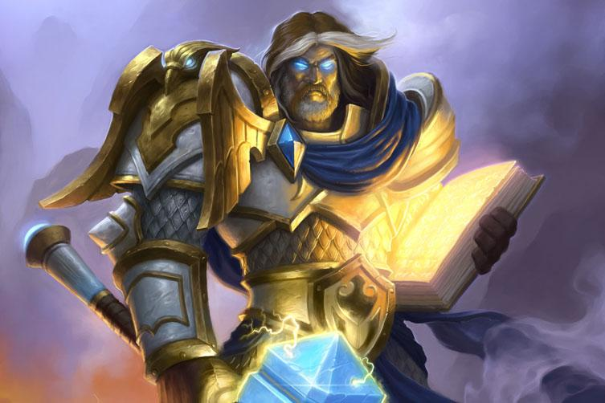
2 | Shielded Minibot | Common | GvG | 0 | 0
5 | Solemn Vigil | Common | Blackrock | 2 | 0
2 | Equality | Rare | Classic | 0 | 0
3 | Aldor Peacekeeper | Rare | Classic | 0 | 0
3 | Divine Favor | Rare | Classic | 0 | 0
3 | Muster for Battle | Rare | GvG | 0 | 0
3 | Scarlet Purifier | Rare | GvG | 0 | 0
5 | Blessed Champion | Rare | Classic | 0 | 0
5 | Cobalt Guardian | Rare | GvG | 0 | 0
5 | Dragon Consort | Rare | Blackrock | 2 | 0
5 | Holy Wrath | Rare | Classic | 0 | 0
3 | Coghammer | Epic | GvG | 0 | 0
3 | Sword of Justice | Epic | Classic | 0 | 0
5 | Quartermaster | Epic | GvG | 0 | 0
6 | Avenging Wrath | Epic | Classic | 0 | 0
8 | Lay on Hands | Epic | Classic | 0 | 0
5 | Bolvar Fordragon | Legendary | GvG | 0 | 0
8 | Tirion Fordring | Legendary | Classic | 0 | 0

Priest
Mana | Name | Rarity | Collection | Normal | Gold
1 | Holy Smite | Basic | - | 2 | 0
1 | Mind Vision | Basic | - | 2 | 0
1 | Northshire Cleric | Basic | - | 2 | 0 | Type | Total |  | Classic |  | Naxx |  | GvG |  | BRM
1 | Power Word: Shield | Basic | - | 2 | 0 | Unique
2 | Divine Spirit | Basic | - | 2 | 0 | Basic | 10 | 10 | 10 | 10
2 | Mind Blast | Basic | - | 2 | 0 | Common | 10 | 10 | 6 | 6 | 1 | 1 | 2 | 2 | 1 | 1
2 | Shadow Word: Pain | Basic | - | 2 | 0 | Rare | 9 | 9 | 5 | 5 | 0 | 0 | 3 | 3 | 1 | 1
3 | Shadow Word: Death | Basic | - | 2 | 0 | Epic | 3 | 5 | 2 | 3 | 0 | 0 | 1 | 2 | 0 | 0
5 | Holy Nova | Basic | - | 2 | 0 | Legendary | 0 | 2 | 0 | 1 | 0 | 0 | 0 | 1 | 0 | 0
10 | Mind Control | Basic | - | 2 | 0 | Playable
0 | Circle of Healing | Common | Classic | 2 | 0 | Basic | 20 | 20 | 20 | 20
0 | Silence | Common | Classic | 2 | 0 | Common | 20 | 20 | 12 | 12 | 2 | 2 | 4 | 4 | 2 | 2
1 | Inner Fire | Common | Classic | 2 | 0 | Rare | 18 | 18 | 10 | 10 | 0 | 0 | 6 | 6 | 2 | 2
1 | Twilight Whelp | Common | Blackrock | 2 | 0 | Epic | 3 | 10 | 2 | 6 | 0 | 0 | 1 | 4 | 0 | 0
2 | Shrinkmeister | Common | GvG | 2 | 0 | Legendary | 0 | 2 | 0 | 1 | 0 | 0 | 0 | 1 | 0 | 0
3 | Dark Cultist | Common | Naxx | 2 | 0 | Total
3 | Thoughtsteal | Common | Classic | 2 | 0 | Unique | 32 | 36 | 23 | 25 | 1 | 1 | 6 | 8 | 2 | 2
3 | Velen's Chosen | Common | GvG | 2 | 0 | Playable | 61 | 70 | 44 | 49 | 2 | 2 | 11 | 15 | 4 | 4
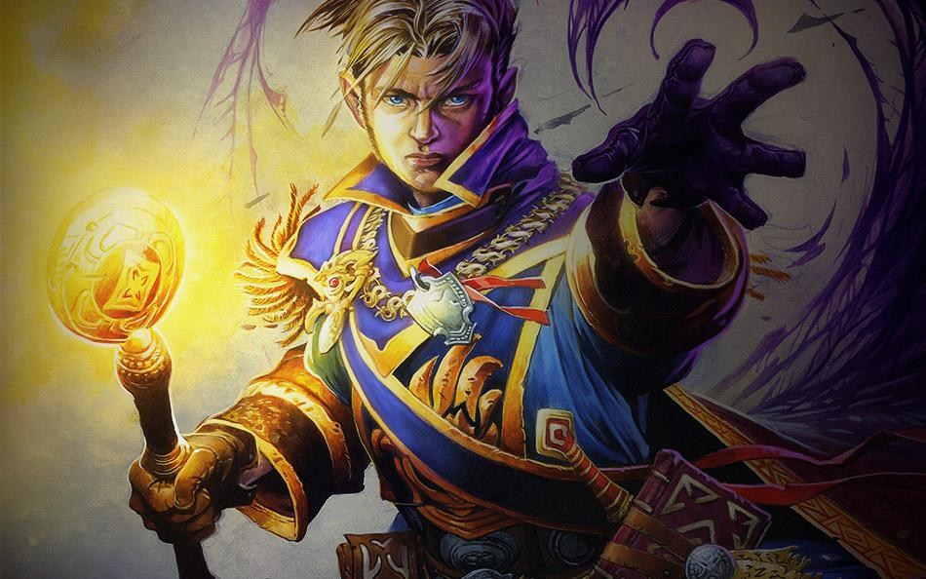
4 | Lightspawn | Common | Classic | 2 | 0
6 | Temple Enforcer | Common | Classic | 2 | 0
1 | Light of the Naaru | Rare | GvG | 2 | 0
2 | Lightwell | Rare | Classic | 2 | 0
2 | Resurrect | Rare | Blackrock | 2 | 0
2 | Shadowboxer | Rare | GvG | 2 | 0
4 | Auchenai Soulpriest | Rare | Classic | 2 | 0
4 | Mass Dispel | Rare | Classic | 2 | 0
4 | Shadow Madness | Rare | Classic | 2 | 0
5 | Upgraded Repair Bot | Rare | GvG | 2 | 0
6 | Holy Fire | Rare | Classic | 2 | 0
1 | Shadowbomber | Epic | GvG | 0 | 0
3 | Shadowform | Epic | Classic | 1 | 0
4 | Mindgames | Epic | Classic | 1 | 0
6 | Cabal Shadow Priest | Epic | Classic | 0 | 0
6 | Lightbomb | Epic | GvG | 1 | 0
5 | Vol'jin | Legendary | GvG | 0 | 0
7 | Prophet Velen | Legendary | Classic | 0 | 0

Rogue
Mana | Name | Rarity | Collection | Normal | Gold
0 | Backstab | Basic | - | 2 | 0
1 | Deadly Poison | Basic | - | 2 | 0
1 | Sinister Strike | Basic | - | 2 | 0 | Type | Total |  | Classic |  | Naxx |  | GvG |  | BRM
2 | Sap | Basic | - | 2 | 0 | Unique
2 | Shiv | Basic | - | 2 | 0 | Basic | 10 | 10 | 10 | 10
3 | Fan of Knives | Basic | - | 2 | 0 | Common | 10 | 10 | 6 | 6 | 1 | 1 | 2 | 2 | 1 | 1
5 | Assassin's Blade | Basic | - | 2 | 0 | Rare | 8 | 9 | 5 | 5 | 0 | 0 | 2 | 3 | 1 | 1
5 | Assassinate | Basic | - | 2 | 0 | Epic | 1 | 5 | 1 | 3 | 0 | 0 | 0 | 2 | 0 | 0
6 | Vanish | Basic | - | 2 | 0 | Legendary | 0 | 2 | 0 | 1 | 0 | 0 | 0 | 1 | 0 | 0
7 | Sprint | Basic | - | 2 | 0 | Playable
0 | Shadowstep | Common | Classic | 2 | 0 | Basic | 20 | 20 | 20 | 20
1 | Cold Blood | Common | Classic | 2 | 0 | Common | 20 | 20 | 12 | 12 | 2 | 2 | 4 | 4 | 2 | 2
1 | Conceal | Common | Classic | 2 | 0 | Rare | 14 | 18 | 9 | 10 | 0 | 0 | 3 | 6 | 2 | 2
2 | Betrayal | Common | Classic | 2 | 0 | Epic | 2 | 10 | 2 | 6 | 0 | 0 | 0 | 4 | 0 | 0
2 | Defias Ringleader | Common | Classic | 2 | 0 | Legendary | 0 | 2 | 0 | 1 | 0 | 0 | 0 | 1 | 0 | 0
2 | Eviscerate | Common | Classic | 2 | 0 | Total
2 | Gang Up | Common | Blackrock | 2 | 0 | Unique | 29 | 36 | 22 | 25 | 1 | 1 | 4 | 8 | 2 | 2
2 | Goblin Auto-Barber | Common | GvG | 2 | 0 | Playable | 56 | 70 | 43 | 49 | 2 | 2 | 7 | 15 | 4 | 4
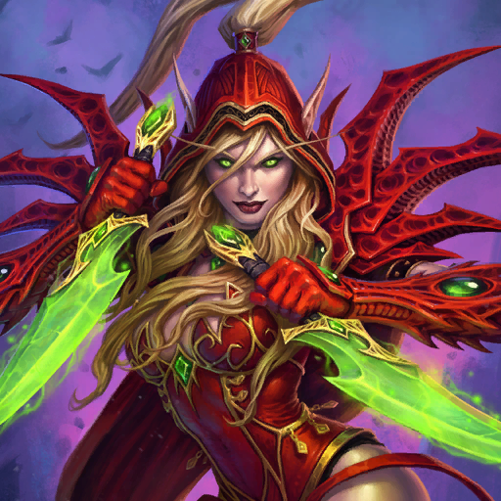
4 | Anub'ar Ambusher | Common | Naxx | 2 | 0
4 | Tinker's Sharpsword Oil | Common | GvG | 2 | 0
2 | Blade Flurry | Rare | Classic | 2 | 0
2 | One-Eyed Cheat | Rare | GvG | 2 | 0
3 | Headcrack | Rare | Classic | 2 | 0
3 | Iron Sensei | Rare | GvG | 0 | 0
3 | Perdition's Blade | Rare | Classic | 1 | 0
3 | SI:7 Agent | Rare | Classic | 2 | 0
4 | Master of Disguise | Rare | Classic | 2 | 0
5 | Dark Iron Skulker | Rare | Blackrock | 2 | 0
5 | Ogre Ninja | Rare | GvG | 1 | 0
0 | Preparation | Epic | Classic | 2 | 0
2 | Patient Assassin | Epic | Classic | 0 | 0
3 | Cogmaster's Wrench | Epic | GvG | 0 | 0
4 | Sabotage | Epic | GvG | 0 | 0
6 | Kidnapper | Epic | Classic | 0 | 0
3 | Edwin VanCleef | Legendary | Classic | 0 | 0
6 | Trade Prince Gallywix | Legendary | GvG | 0 | 0

Shaman
Mana | Name | Rarity | Collection | Normal | Gold
0 | Ancestral Healing | Basic | - | 2 | 0
0 | Totemic Might | Basic | - | 2 | 0
1 | Frost Shock | Basic | - | 2 | 0 | Type | Total |  | Classic |  | Naxx |  | GvG |  | BRM
1 | Rockbiter Weapon | Basic | - | 2 | 0 | Unique
2 | Flametongue Totem | Basic | - | 2 | 0 | Basic | 10 | 10 | 10 | 10
2 | Windfury | Basic | - | 2 | 0 | Common | 2 | 10 | 0 | 6 | 1 | 1 | 0 | 2 | 1 | 1
3 | Hex | Basic | - | 2 | 0 | Rare | 1 | 9 | 0 | 5 | 0 | 0 | 0 | 3 | 1 | 1
4 | Windspeaker | Basic | - | 2 | 0 | Epic | 0 | 5 | 0 | 3 | 0 | 0 | 0 | 2 | 0 | 0
5 | Bloodlust | Basic | - | 2 | 0 | Legendary | 0 | 2 | 0 | 1 | 0 | 0 | 0 | 1 | 0 | 0
6 | Fire Elemental | Basic | - | 2 | 0 | Playable
1 | Dust Devil | Common | Classic | 0 | 0 | Basic | 20 | 20 | 20 | 20
1 | Earth Shock | Common | Classic | 0 | 0 | Common | 4 | 20 | 0 | 12 | 2 | 2 | 0 | 4 | 2 | 2
1 | Forked Lightning | Common | Classic | 0 | 0 | Rare | 2 | 18 | 0 | 10 | 0 | 0 | 0 | 6 | 2 | 2
1 | Lightning Bolt | Common | Classic | 0 | 0 | Epic | 0 | 10 | 0 | 6 | 0 | 0 | 0 | 4 | 0 | 0
2 | Crackle | Common | GvG | 0 | 0 | Legendary | 0 | 2 | 0 | 1 | 0 | 0 | 0 | 1 | 0 | 0
2 | Reincarnate | Common | Naxx | 2 | 0 | Total
2 | Stormforged Axe | Common | Classic | 0 | 0 | Unique | 13 | 36 | 10 | 25 | 1 | 1 | 0 | 8 | 2 | 2
2 | Whirling Zap-o-matic | Common | GvG | 0 | 0 | Playable | 26 | 70 | 20 | 49 | 2 | 2 | 0 | 15 | 4 | 4
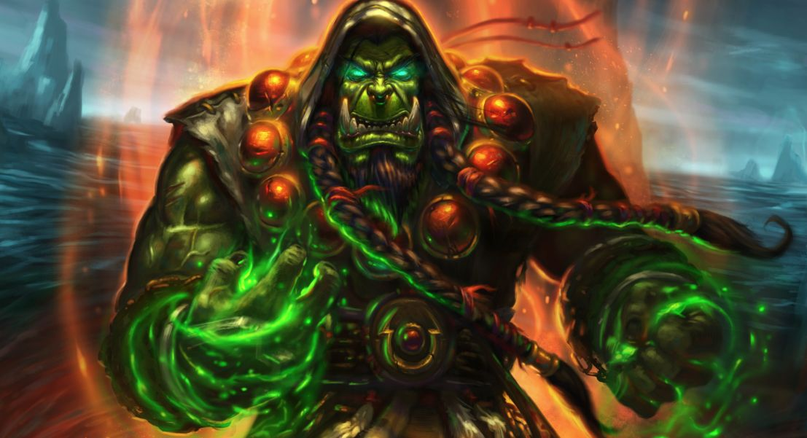
3 | Unbound Elemental | Common | Classic | 0 | 0
4 | Fireguard Destroyer | Common | Blackrock | 2 | 0
2 | Ancestral Spirit | Rare | Classic | 0 | 0
2 | Lava Shock | Rare | Blackrock | 2 | 0
2 | Vitality Totem | Rare | GvG | 0 | 0
3 | Feral Spirit | Rare | Classic | 0 | 0
3 | Lava Burst | Rare | Classic | 0 | 0
3 | Lightning Storm | Rare | Classic | 0 | 0
3 | Mana Tide Totem | Rare | Classic | 0 | 0
3 | Powermace | Rare | GvG | 0 | 0
4 | Dunemaul Shaman | Rare | GvG | 0 | 0
3 | Far Sight | Epic | Classic | 0 | 0
4 | Ancestor's Call | Epic | GvG | 0 | 0
4 | Siltfin Spiritwalker | Epic | GvG | 0 | 0
5 | Doomhammer | Epic | Classic | 0 | 0
5 | Earth Elemental | Epic | Classic | 0 | 0
7 | Neptulon | Legendary | GvG | 0 | 0
8 | Al'Akir the Windlord | Legendary | Classic | 0 | 0

Warlock
Mana | Name | Rarity | Collection | Normal | Gold
0 | Sacrificial Pact | Basic | - | 2 | 0
1 | Corruption | Basic | - | 2 | 0
1 | Mortal Coil | Basic | - | 2 | 0 | Type | Total |  | Classic |  | Naxx |  | GvG |  | BRM
1 | Soulfire | Basic | - | 2 | 0 | Unique
1 | Voidwalker | Basic | - | 2 | 0 | Basic | 10 | 10 | 10 | 10
2 | Succubus | Basic | - | 2 | 0 | Common | 10 | 10 | 6 | 6 | 1 | 1 | 2 | 2 | 1 | 1
3 | Drain Life | Basic | - | 2 | 0 | Rare | 7 | 9 | 3 | 5 | 0 | 0 | 3 | 3 | 1 | 1
3 | Shadow Bolt | Basic | - | 2 | 0 | Epic | 3 | 5 | 2 | 3 | 0 | 0 | 1 | 2 | 0 | 0
4 | Hellfire | Basic | - | 2 | 0 | Legendary | 0 | 2 | 0 | 1 | 0 | 0 | 0 | 1 | 0 | 0
6 | Dread Infernal | Basic | - | 2 | 0 | Playable
1 | Blood Imp | Common | Classic | 2 | 0 | Basic | 20 | 20 | 20 | 20
1 | Flame Imp | Common | Classic | 2 | 0 | Common | 19 | 20 | 12 | 12 | 2 | 2 | 3 | 4 | 2 | 2
1 | Power Overwhelming | Common | Classic | 2 | 0 | Rare | 14 | 18 | 6 | 10 | 0 | 0 | 6 | 6 | 2 | 2
2 | Darkbomb | Common | GvG | 2 | 0 | Epic | 4 | 10 | 3 | 6 | 0 | 0 | 1 | 4 | 0 | 0
2 | Demonfire | Common | Classic | 2 | 0 | Legendary | 0 | 2 | 0 | 1 | 0 | 0 | 0 | 1 | 0 | 0
3 | Imp Gang Boss | Common | Blackrock | 2 | 0 | Total
3 | Sense Demons | Common | Classic | 2 | 0 | Unique | 30 | 36 | 21 | 25 | 1 | 1 | 6 | 8 | 2 | 2
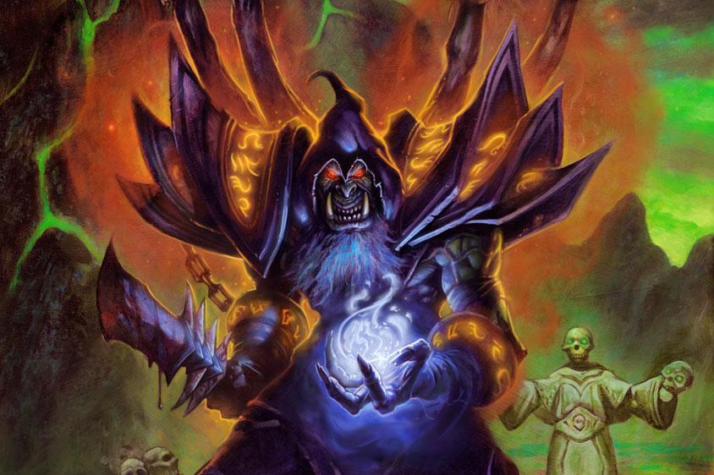
4 | Summoning Portal | Common | Classic | 2 | 0 | Playable | 57 | 70 | 41 | 49 | 2 | 2 | 10 | 15 | 4 | 4
4 | Voidcaller | Common | Naxx | 2 | 0
5 | Floating Watcher | Common | GvG | 1 | 0
2 | Mistress of Pain | Rare | GvG | 2 | 0
3 | Demonwrath | Rare | Blackrock | 2 | 0
3 | Felguard | Rare | Classic | 0 | 0
3 | Void Terror | Rare | Classic | 0 | 0
4 | Fel Cannon | Rare | GvG | 2 | 0
4 | Imp-losion | Rare | GvG | 2 | 0
4 | Shadowflame | Rare | Classic | 2 | 0
5 | Doomguard | Rare | Classic | 2 | 0
6 | Siphon Soul | Rare | Classic | 2 | 0
4 | Pit Lord | Epic | Classic | 0 | 0
5 | Bane of Doom | Epic | Classic | 2 | 0
5 | Demonheart | Epic | GvG | 1 | 0
6 | Anima Golem | Epic | GvG | 0 | 0
8 | Twisting Nether | Epic | Classic | 1 | 0
9 | Lord Jaraxxus | Legendary | Classic | 0 | 0
9 | Mal'Ganis | Legendary | GvG | 0 | 0

Warrior
Mana | Name | Rarity | Collection | Normal | Gold
1 | Execute | Basic | - | 2 | 0
1 | Whirlwind | Basic | - | 2 | 0
2 | Cleave | Basic | - | 2 | 0 | Type | Total |  | Classic |  | Naxx |  | GvG |  | BRM
2 | Fiery War Axe | Basic | - | 2 | 0 | Unique
2 | Heroic Strike | Basic | - | 2 | 0 | Basic | 10 | 10 | 10 | 10
3 | Charge | Basic | - | 2 | 0 | Common | 10 | 10 | 6 | 6 | 1 | 1 | 2 | 2 | 1 | 1
3 | Shield Block | Basic | - | 2 | 0 | Rare | 9 | 9 | 5 | 5 | 0 | 0 | 3 | 3 | 1 | 1
3 | Warsong Commander | Basic | - | 2 | 0 | Epic | 3 | 5 | 2 | 3 | 0 | 0 | 1 | 2 | 0 | 0
4 | Kor'kron Elite | Basic | - | 2 | 0 | Legendary | 0 | 2 | 0 | 1 | 0 | 0 | 0 | 1 | 0 | 0
5 | Arcanite Reaper | Basic | - | 2 | 0 | Playable
0 | Inner Rage | Common | Classic | 2 | 0 | Basic | 20 | 20 | 20 | 20
1 | Warbot | Common | GvG | 2 | 0 | Common | 20 | 20 | 12 | 12 | 2 | 2 | 4 | 4 | 2 | 2
2 | Battle Rage | Common | Classic | 2 | 0 | Rare | 16 | 18 | 10 | 10 | 0 | 0 | 4 | 6 | 2 | 2
2 | Cruel Taskmaster | Common | Classic | 2 | 0 | Epic | 5 | 10 | 3 | 6 | 0 | 0 | 2 | 4 | 0 | 0
2 | Rampage | Common | Classic | 2 | 0 | Legendary | 0 | 2 | 0 | 1 | 0 | 0 | 0 | 1 | 0 | 0
2 | Slam | Common | Classic | 2 | 0 | Total
3 | Ogre Warmaul | Common | GvG | 2 | 0 | Unique | 32 | 36 | 23 | 25 | 1 | 1 | 6 | 8 | 2 | 2
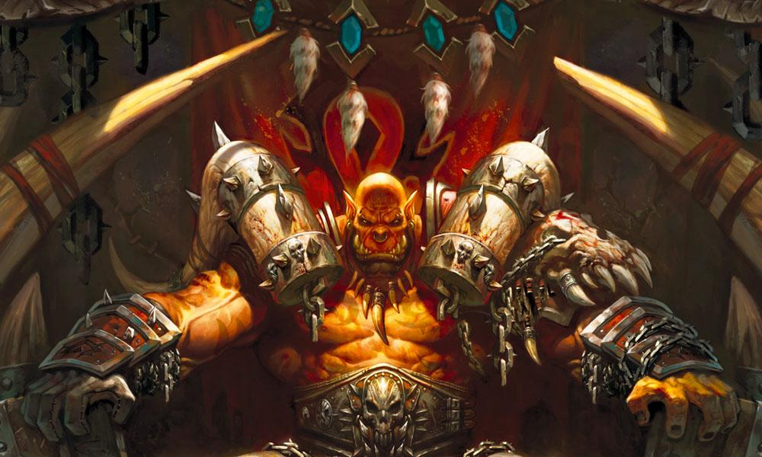
4 | Arathi Weaponsmith | Common | Classic | 2 | 0 | Playable | 61 | 70 | 45 | 49 | 2 | 2 | 10 | 15 | 4 | 4
4 | Axe Flinger | Common | Blackrock | 2 | 0
4 | Death's Bite | Common | Naxx | 2 | 0
1 | Upgrade! | Rare | Classic | 2 | 0
2 | Armorsmith | Rare | Classic | 2 | 0
2 | Commanding Shout | Rare | Classic | 2 | 0
2 | Revenge | Rare | Blackrock | 2 | 0
3 | Frothing Berserker | Rare | Classic | 2 | 0
4 | Mortal Strike | Rare | Classic | 2 | 0
4 | Screwjank Clunker | Rare | GvG | 1 | 0
5 | Siege Engine | Rare | GvG | 2 | 0
6 | Shieldmaiden | Rare | GvG | 1 | 0
1 | Shield Slam | Epic | Classic | 2 | 0
3 | Bouncing Blade | Epic | GvG | 2 | 0
5 | Brawl | Epic | Classic | 1 | 0
7 | Crush | Epic | GvG | 0 | 0
7 | Gorehowl | Epic | Classic | 0 | 0
5 | Iron Juggernaut | Legendary | GvG | 0 | 0
8 | Grommash Hellscream | Legendary | Classic | 0 | 0

