Data Usage (Mandatory)
No. | Scope | Data Usage Description |  |  |  |  | App Screenshot (If Any) | Screenshots of Selected Data Scopes (App ID Also Required) | Remarks
 |  | Requirement | Scenario | Support for iOS | Client Type | Development Completion Time
1 | Read step count data | Read daily step totals (classified by day) and show them as a daily ring and 14-day / 1-month trends. | After the user connects Huawei Health and authorises access, steps are shown in the user's own dashboard to track a personalised activity goal (e.g. 8,000 steps/day) next to their blood test results. | Not supported (Android only for now) | Android mobile app | 2026-11-30 | Today screen (see image). Sample data. | 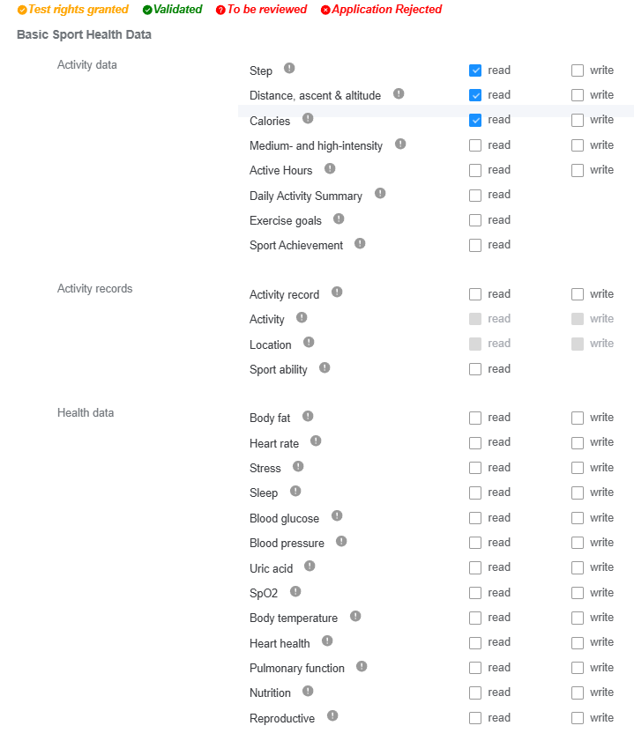 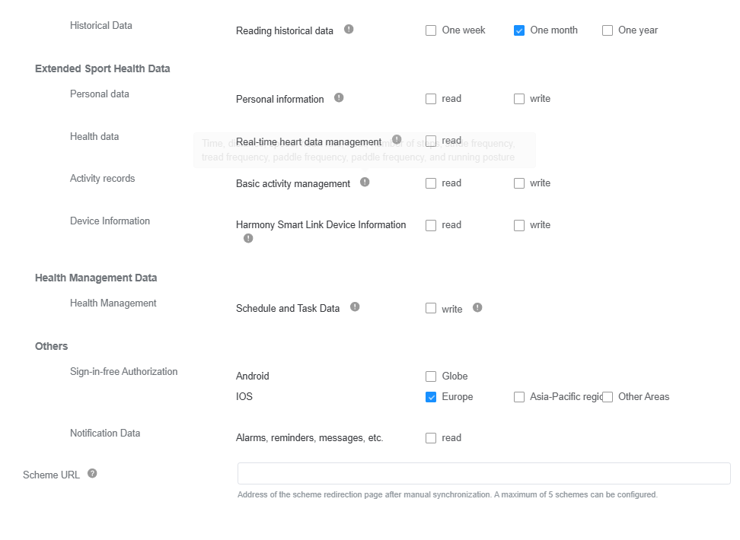 App ID: 119155453 Package: com.astoramor.apptestsmedicos Scopes selected in the console: Step, Calories, Distance (read) + one month of history. | 1. Provide data scopes to be applied for. Each scope occupies a row. 2. For any changes in the usage scenarios of the data read/write scopes you have applied for, update the application material (Sheet 1: Data Usage) before applying for verification. 3. For annual historical data, usage scenarios must be elaborated. 4. Please verify that you have completed all of the seven sheets before uploading the file. 5. Notes on special data scopes: a. Data synchronization is only available in iOS and Android mobile apps. b. Annual historical data is sensitive data. Its detailed usage scenarios and your reasons for scope application must be elaborated. c. HarmonyOS Connect device information is involved when hardware devices need to connect to the Huawei Health app or when purchasing of customized devices is required.
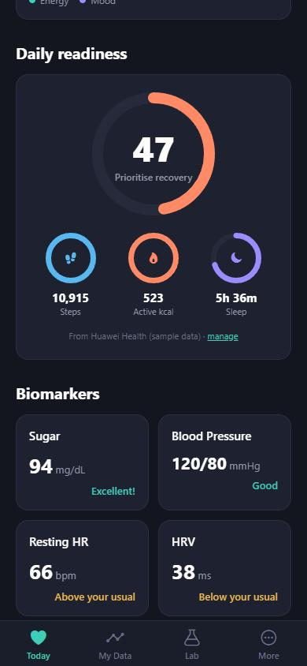
2 | Read calories burned (active energy) data | Read daily active calories (classified by day) and show them as a daily ring and 14-day / 1-month trends. | Give users a simple view of their daily energy expenditure alongside their other health indicators. | Not supported (Android only for now) |  | 2026-11-30
3 | Read distance data | Read daily distance (classified by day) to complete the activity summary. | Contextualise daily activity (steps vs. distance) for the user. | Not supported (Android only for now) |  | 2026-11-30
4 | Historical data: one month (read-only) | On first connection, read up to the previous month of steps, calories and distance. | So the user sees a baseline and recent trends from day one instead of empty charts. Not used for any other purpose. | Not supported (Android only for now) |  | 2026-11-30

App Info (Mandatory)
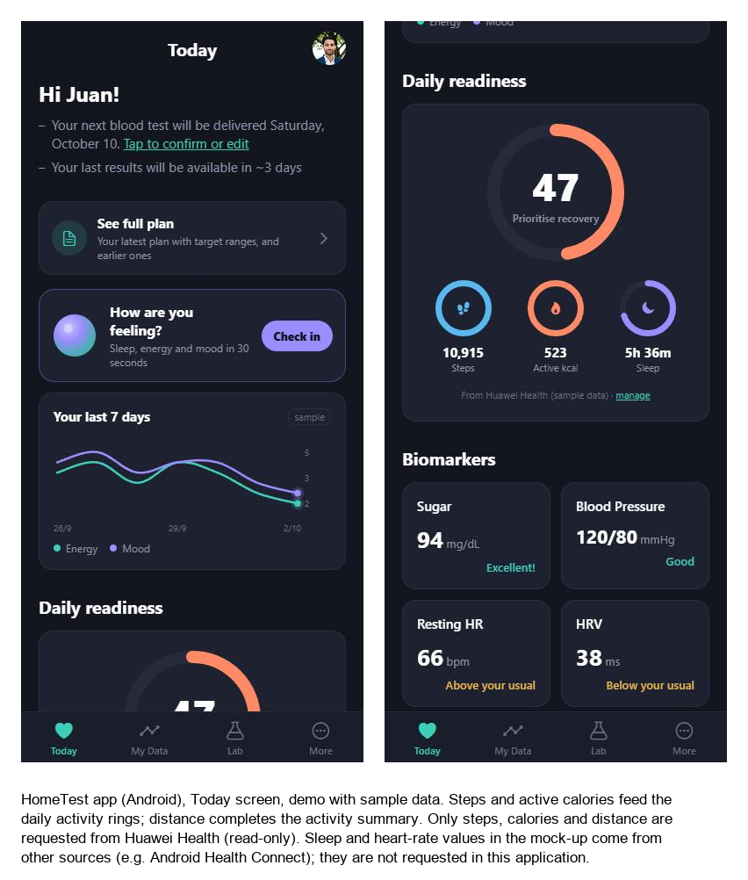
App Information
App introduction (mandatory) | HomeTest is a preventive-health membership app (Spain, EU). Users record and understand their blood test results, home measurements, wellbeing check-ins and daily activity from their wearables. It shows trends and informational wellbeing recommendations (it does not diagnose or treat) and lets users share selected data with the professionals they choose. Huawei Health data (steps, calories, distance) is shown only in the user's own dashboard. Data stored in the EU, never sold or used for advertising. Applicant: individual developer Astor García Amor.
Screenshots of main functions (mandatory) | Today screen of the HomeTest app (sample data): daily activity rings (steps, active calories).
App type (mandatory) | Health and fitness / preventive healthcare (consumer)
Background of scope application (optional) | Show users their daily activity next to their at-home blood test results, as part of a personalised preventive-health plan. Demo / pre-release; commercial release planned after the company is incorporated in Spain.
Purpose of scope application (mandatory) | Step count, active calories and distance (read-only, one month of history) are shown only to the user in their own dashboard: a daily ring on the Today screen and 14-day / 1-month trend charts, to track a personalised activity goal. No write scopes, no sharing with third parties without explicit consent.

