Data Usage (Mandatory)
No. | Scope | Data Usage Description |  |  |  |  | App Screenshot (If Any) | Screenshots of Selected Data Scopes (App ID Also Required) | Remarks
 |  | Requirement | Scenario | Support for iOS | Client Type | Development Completion Time
1 | Read step count data (Step – read) | Read the user's daily step totals, classified by day. Shown as the latest daily value and as 7-day, 14-day and 1-month charts with the average, lowest and highest day. | After the user connects Huawei Health in Kuova (More → Wearables) and authorises access on the HUAWEI ID screen, steps appear in My Data → Steps (see screenshot) and as the daily step value on the Today screen. The user follows a personal daily step goal (e.g. 8,000 steps) that is part of the health plan built from their blood test results. | Not supported (Android only for now) | Android mobile app | 2026-11-30 | 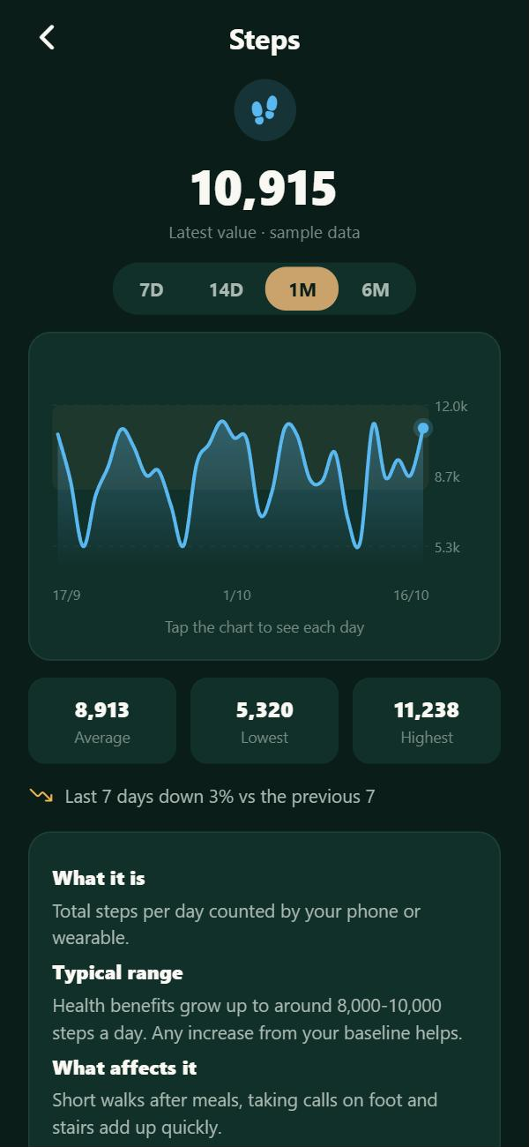 | App ID: 119155453 App name: Kuova Package: com.astoramor.apptestsmedicos Scopes selected in the console: Step (read), Calories (read), Reading historical data: One month. | All scopes are read-only; history is read once, on first connection, and limited to one month. Screenshots taken from the Kuova app with sample data: the Huawei Health connection is built once the test scopes are granted. The connection entry point will use only the official HUAWEI Health logo, following the Specifications for Using Logos, with no other Huawei text.
2 | Read calories data (Calories – read) | Read the user's daily active calories burned (kcal), classified by day. Shown as the latest daily value and as 7-day, 14-day and 1-month charts with the average, lowest and highest day. | Shown in My Data → Active calories (see screenshot) and as the daily active-calorie value on the Today screen, so the user sees their daily energy expenditure next to their other health indicators. | Not supported (Android only for now) |  | 2026-11-30 | 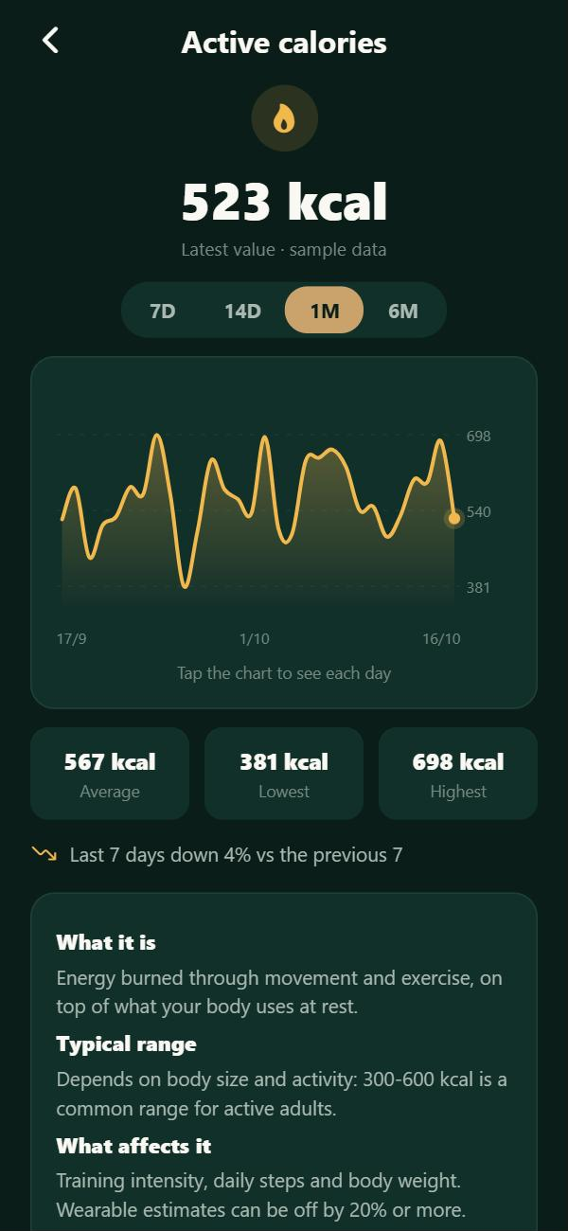
3 | Read historical data: one month (Reading historical data – One month) | Only once, when the user first connects Huawei Health: read up to the previous 30 days of steps and calories (the two scopes above). No other data types and no annual history. | Fills the 1-month (1M) charts of steps and active calories from day one (screenshot: 1M tab of the Steps chart; same chart for Active calories in row 2), so the user has a baseline instead of empty charts. After the first connection the app only reads new days; the 6M view fills up over time from those daily reads, never from extra history. | Not supported (Android only for now) |  | 2026-11-30 | 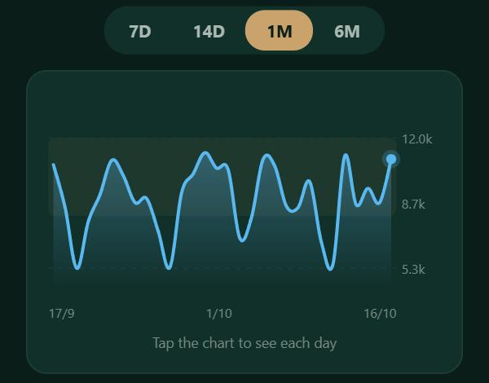

App Info (Mandatory)
App Information
App introduction (mandatory) | Kuova (Kuova Health) is a preventive-health app for adults in Spain (European Union). Users order blood tests, read and understand their results, log home measurements (glucose, blood pressure), do short wellbeing check-ins and see their daily activity from their phone or wearable. The app shows trends and informational wellbeing recommendations; it does not diagnose or treat. Users can share selected data categories with healthcare professionals they choose. From Huawei Health, Kuova only reads daily steps and active calories (plus up to one month of history on first connection), shown only to the user in their own dashboard. Data is stored in the EU and is never sold or used for advertising. Applicant: individual developer Astor García Amor, founder of Kuova. App name, developer and data types are the same in the app, on AppGallery and in the privacy policy: https://kuovahealth.com/privacy
Screenshots of main functions (mandatory) | Kuova app (Android): Lab tab (upcoming tests, personalised plan, test finder) and My Data → Steps with the 1-month chart. Sample data. | 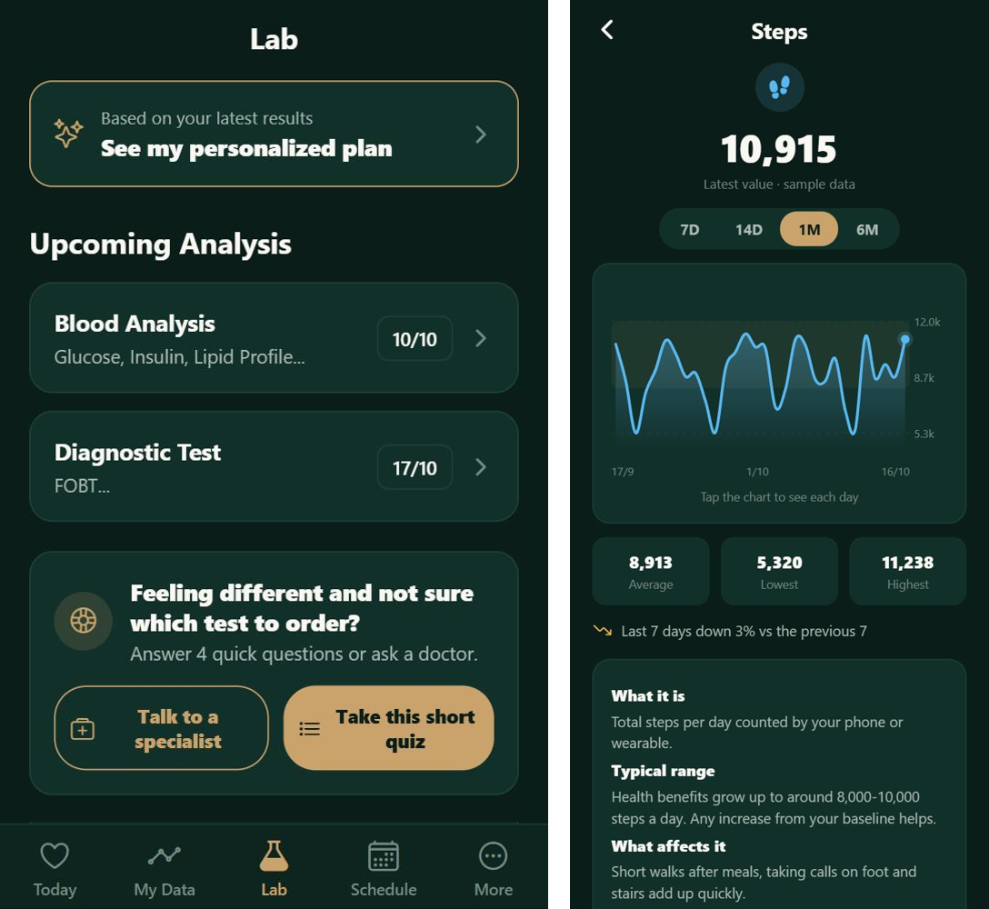
App type (mandatory) | Health and fitness – preventive health (consumer app). Industry selected in the console: Health.
Background of scope application (optional) | Kuova is released on AppGallery in Spain. Only basic-openness data is requested, as required for individual developers. The Huawei Health connection is built once the test scopes are granted, which is why the screenshots use sample data.
Purpose of scope application (mandatory) | Step count (read) and calories (read) are used only to show the user their own daily steps and active calories: the daily value on Today and 7-day / 14-day / 1-month charts in My Data, to track a personal activity goal that is part of their health plan. One month of history is read once, on first connection, to fill the 1-month charts. No write scopes, no other data types, no sharing with third parties without the user's explicit consent.

