Injector Configs
Updated 2 Feb 2019

 | Inter-tank Plumbing, starting from the RT
 |  |  |  |  | velocity (ft/s) |  | pressure drop (psi) |  | TOTAL ΔP (psi), plumbing |  | Injector Pressure Drop (psi)
 | Component | Component min ID (in) | Flow Cross Section Area (ft2) | k, loss coeff | START | END | START | END | START | END | START | END
 | 3-way Tee, 1/2" FNPT | 0.425 | 0.00098515655044 | 0.54 | 1.8427132135 | 1.134700648 | 10.556507688 | 4.6431828376 | 33.233450128 | 14.617427452 | 199.76654987 | 103.38257255
 | 3-way Tee, 1/2" FNPT | 0.425 | 0.00098515655044 | 0.54 | 1.8427132135 | 1.134700648 | 10.556507688 | 4.6431828376
 | Ball Valve, 1/2" FNPT | 0.425 | 0.00098515655044 | 0.08 | 1.8427132135 | 1.134700648 | 1.5639270649 | 0.68787893891
 | 3-way Tee, 1/2" FNPT | 0.425 | 0.00098515655044 | 0.54 | 1.8427132135 | 1.134700648 | 10.556507688 | 4.6431828376
 | Check Valve* | 0.425 | 0.00098515655044 | 0 | 1.8427132135 | 1.134700648 | 0 | 0

 | *Check valve has been removed from plumbing assembly

 | reference for nominal pipe size-specific loss coefficients
 | https://www.plumbingsupply.com/ed-frictionlosses.html

 | "Safe" Inj pressure drop
 | 20-40% of Chamber pressure -> 120psi

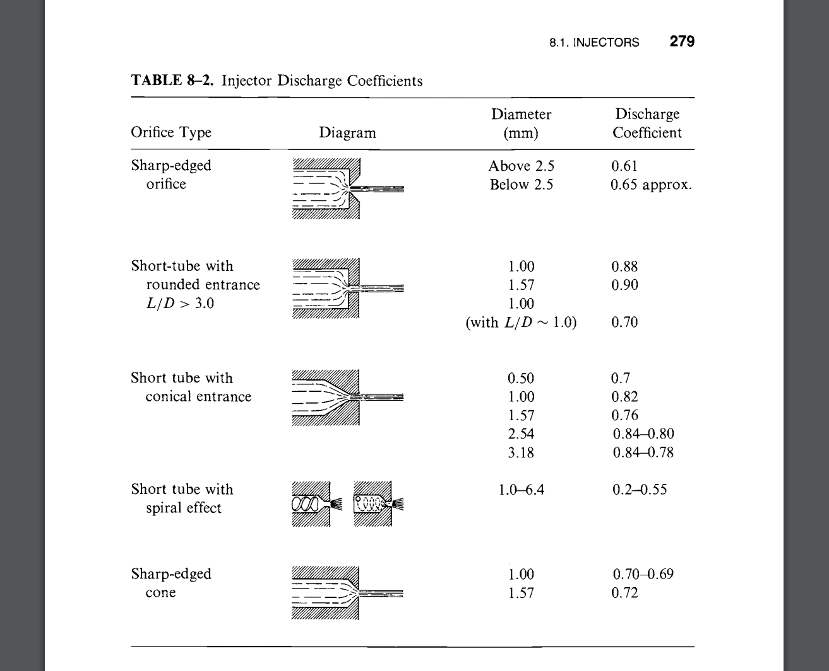
 |  | Injector Pressure Drop (psi) | CD | A, optimal (in2)
 | START | 199.76654987 | 0.9 | 0.17081174317
 | END | 103.38257255 | 0.9 | 0.15747194819

 | Assuming injector total orifice area between optimal START and END

 | A_inj (in2) | 0.16414184568
 | START, mfr (lbm/s) | 2.8924648056
 | END, mfr (lbm/s) | 2.2410656137

 | Orifice No. | 10 | 12 | 16 | 20 | 24
 | Orifice dia (in) | 0.14456551763 | 0.1319696584 | 0.1142890767 | 0.10222325784 | 0.093316640367
 | Min Velocity (ft/s) | 10.222234603 | 12.266681523 | 16.355575364 | 20.444469205 | 24.533363046
 | Min Reynolds No. | 5.035E+06 | 5.516E+06 | 6.369E+06 | 7.121E+06 | 7.801E+06

 | N2O Viscosity data
 | http://edge.rit.edu/edge/P07106/public/Nox.pdf

