(-)8HQ_X_Rot
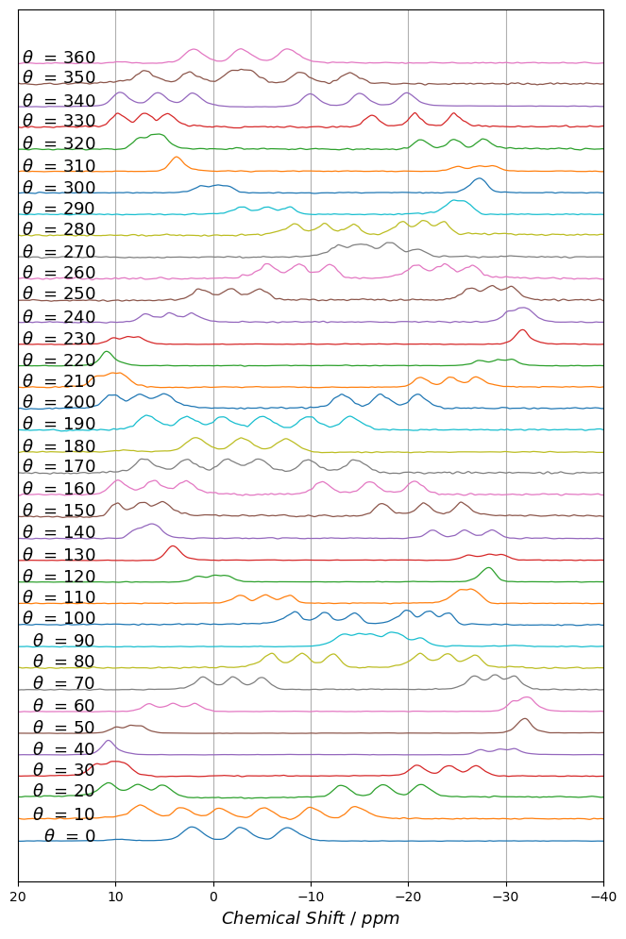
Angle | Cluster1Peak1 | Cluster1Peak2 | Cluster1Peak3 | Cluster2Peak1 | Cluster2Peak2 | Cluster2Peak3
 | ppm |  |  |  |  |  | Larmor frequency for 11B |  | 192.55 | MHz
2 | -5.906291162 | -1.1240251621 | 3.5387982849 | -9.1881666014 | -4.4719657747 | 0.75457966057 |  | 1 ppm | 192.55 | Hz
0 | -7.2711092356 | -2.4531491599 | 2.5903541666 | -8.257628192 | -3.3449892581 | 1.701991244
10 | -0.69872003578 | 3.2271157243 | 7.4586858457 | -14.792428969 | -10.123393634 | -5.246597066
20 | 5.1520402671 | 7.784535471 | 10.795092607 | -21.407896105 | -17.47989968 | -13.169141362
30 | 9.1302072869 | 10.336965894 | 11.926104768 | -26.990787679 | -24.199000144 | -20.905865396
40 | 10.848448637 | 10.848860084 | 10.313204695 | -30.962736494 | -29.484769911 | -27.436926655
50 | 9.8936190126 | 8.4363716745 | 7.3543380238 | -32.278887815 | -31.953700696 | -31.444429027
60 | 6.5281676189 | 4.0941875701 | 1.8629968619 | -30.837566852 | -31.951638407 | -32.586587469
70 | 1.0256908684 | -2.0572126227 | -5.0079544044 | -26.777257401 | -28.881626079 | -30.810459724
80 | -5.8722504575 | -9.0923152464 | -12.260468568 | -21.174793178 | -23.982056867 | -26.796598054
90 | -13.194095959 | -16.079746926 | -18.96721544 | -14.65311158 | -17.969769978 | -21.183759539
100 | -19.785328558 | -21.998525947 | -24.004931461 | -8.2544023415 | -11.394681347 | -14.445518602
110 | -25.02881622 | -25.991869845 | -26.868851186 | -2.7460298797 | -5.3633720927 | -7.7792114411
120 | -28.490961146 | -28.280599374 | -27.68820253 | 1.5177495316 | -0.16285296937 | -1.4420859533
130 | -29.63573715 | -28.207791504 | -26.225710956 | 4.3909308749 | 4.1371338122 | 3.6561575783
140 | -28.604167059 | -25.808222306 | -22.503047049 | 5.7424003007 | 6.4966675306 | 7.6809177365
150 | -25.547607449 | -21.621251308 | -17.347666379 | 5.0669760432 | 7.1676080546 | 9.8219878724
160 | -20.702786174 | -16.088808307 | -11.174158306 | 2.7579521243 | 6.092590287 | 9.7134776125
170 | -14.650893183 | -9.7979973397 | -4.670731257 | -1.5342944877 | 2.7170428771 | 7.0502927838
180 | -7.9913515586 | -3.446631423 | 1.3159253331 | -7.0340427064 | -2.5166973072 | 2.2073051806
190 | -0.97182668191 | 2.6903185556 | 6.7217610327 | -14.140007067 | -9.8108074331 | -5.1218841816
200 | 4.9074288218 | 7.4488231288 | 10.308571156 | -21.03754497 | -17.229903538 | -13.204448519
210.3 | 9.2490045169 | 10.351627302 | 11.8309692 | -27.080979768 | -24.40825651 | -21.279735182
220 | 11.014932673 | 10.413594984 | 11.014980346 | -30.64916805 | -29.263695272 | -27.325796652
230 | 10.179527757 | 8.722942571 | 7.5721260519 | -32.084935067 | -31.711403387 | -31.339588105
240 | 6.830556609 | 4.3897361159 | 2.1204021998 | -30.372510749 | -31.546752654 | -32.364529842
250 | 1.2789134355 | -1.8010079815 | -4.7931407802 | -26.397065089 | -28.58277572 | -30.560782309
260 | -5.5454122152 | -8.7706853132 | -11.926003311 | -20.814386015 | -23.674888676 | -26.546335948
270 | -12.677326806 | -15.59143268 | -18.467392802 | -14.340446699 | -17.734731352 | -21.000061442
280 | -19.391112618 | -21.586771214 | -23.57958021 | -8.260230355 | -11.377890834 | -14.370461608
290 | -24.27644356 | -25.089610549 | -25.963612948 | -2.8838841217 | -5.4884884109 | -7.7904285007
300 | -27.674796212 | -27.294771872 | -26.70190916 | 1.2558026953 | -0.24715366014 | -1.4756807845
310 | -28.750448501 | -27.227881073 | -25.043375262 | 3.8668496427 | 3.8653842518 | 3.3173373717
320 | -27.796086968 | -24.740603807 | -21.287436606 | 5.1394981586 | 6.0978812613 | 7.4656938952
330 | -24.787735783 | -20.693911126 | -16.264593748 | 4.6030755187 | 6.9620351891 | 9.7000063626
340.5 | -19.932319212 | -15.068155436 | -9.9727866436 | 2.032780856 | 5.6325444869 | 9.5053602927
350 | -14.061840063 | -8.9841298954 | -3.7133539167 | -2.0724580268 | 2.4236105339 | 7.0195015476
360 | -8.2403032868 | -3.4170721985 | 1.5218135378 | -7.2953958474 | -2.5141615077 | 2.4018341559
-X Rotation Plot

(-)8HQ_Y_Rot
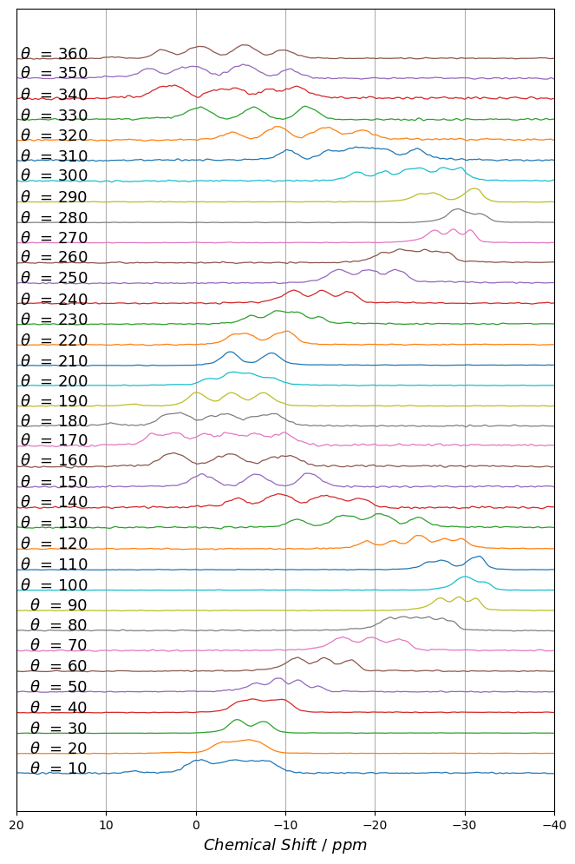
Angle | Cluster1Peak1 | Cluster1Peak2 | Cluster1Peak3 | Cluster2Peak1 | Cluster2Peak2 | Cluster2Peak3
ppm
-7 | -5.7810885107 | -0.40502818549 | 4.9822080725 | -10.280038105 | -4.7037793721 | 0.98728206102
10 | -8.3112077857 | -4.9662495938 | -0.95854119158 | -6.8241864823 | -3.4398364303 | 0.26412683512 | Larmor frequency for 11B |  | 192.55 | MHz
20 | -7.4048819547 | -6.4155163361 | -4.5537968393 | -5.5911187239 | -3.3719254115 | -2.3573962813 |  | 1 ppm | 192.55 | Hz
30 | -8.1327257035 | -7.5599351728 | -6.7626794649 | -5.0598126016 | -4.601465675 | -4.0029225786
40 | -8.1438002631 | -9.3384253036 | -10.220740824 | -4.5799810084 | -5.7744211024 | -6.7606462872
50 | -8.9789125072 | -10.860816865 | -13.634522377 | -6.547073311 | -8.9782167542 | -11.562172086
60 | -10.660158203 | -14.578702548 | -17.591255094 | -11.50428591 | -13.738091011 | -16.684637122
70 | -15.700502714 | -19.956462663 | -23.239845974 | -16.620243098 | -18.98513411 | -22.114494643
80 | -21.106389986 | -25.23458204 | -28.152998369 | -22.394117939 | -23.725294842 | -26.658521743
90 | -26.775526218 | -28.935698871 | -30.891700977 | -27.461585776 | -29.520701041 | -31.439345854
100 | -28.959497991 | -30.101891332 | -29.660369934 | -30.559298669 | -31.475286497 | -32.469434774
110 | -27.987735322 | -27.030596441 | -25.770580072 | -31.847309564 | -31.449266515 | -30.634662535
120 | -24.578935858 | -21.971629958 | -18.987547012 | -29.680132868 | -27.837829765 | -25.387395222
130 | -20.081928915 | -15.980431578 | -11.24029704 | -24.9085071 | -21.302622611 | -17.456561952
140 | -15.380447762 | -9.9497912423 | -4.5811662275 | -18.331945476 | -13.75542705 | -8.6242091769
150 | -12.260599543 | -6.2230460681 | -0.088383480048 | -13.265548011 | -7.3262020445 | -1.3092123432
160 | -8.823040211 | -2.9438940115 | 3.1601243402 | -10.737918519 | -4.3972575255 | 1.9085895925
170 | -6.8435200498 | -1.0944154286 | 4.6983147871 | -9.9078550743 | -3.8954679501 | 2.2931853439
180 | -7.2714289411 | -1.9569432806 | 3.1454433434 | -9.0457181366 | -3.8540454285 | 1.6142022885
190 | -8.0744600544 | -4.4897078038 | -0.54093895647 | -7.1662945657 | -3.5672068823 | 0.27679695975
200 | -8.6011399705 | -6.6457578935 | -4.2825692478 | -5.6073528298 | -3.7765714097 | -1.4251281954
210 | -9.1169725873 | -8.4726271644 | -7.7876957619 | -4.3334314096 | -3.8699800302 | -3.2439274656
220 | -8.9379203945 | -10.004745647 | -10.66519959 | -3.9557855088 | -5.0674365817 | -6.1243855164
230 | -9.3152752605 | -11.605918727 | -13.783217646 | -6.1022803218 | -8.498243676 | -10.588304056
240 | -10.745000962 | -14.138181268 | -17.05357645 | -10.723087901 | -13.836237974 | -17.054943176
250 | -15.397613119 | -19.804865495 | -22.925296376 | -16.324286147 | -18.682922736 | -22.020108656
260 | -20.676005725 | -25.241545682 | -28.092758069 | -22.3943502 | -23.524773845 | -26.605129144
270 | -26.15986971 | -28.891928899 | -30.78845691 | -26.810689534 | -28.361044171 | -30.431846494
280 | -28.348614051 | -28.994948543 | -29.368045401 | -30.067385507 | -31.242138709 | -32.119145305
290 | -26.95314322 | -25.899718958 | -24.663718706 | -31.486599887 | -31.08845179 | -30.338700124
300 | -23.795814578 | -21.05431882 | -17.949459076 | -29.492816322 | -27.759145067 | -25.362081436
310 | -19.275060262 | -14.983871052 | -10.216938346 | -24.765325897 | -21.26227367 | -17.487342675
320 | -15.297903771 | -9.5967012376 | -3.9828483049 | -18.699930102 | -13.994924117 | -8.6432729606
330 | -11.9888733 | -5.931516539 | 0.40330349585 | -12.995650561 | -6.9703847657 | -0.88988704384
340 | -8.6716607685 | -2.4771871531 | 3.8721398508 | -11.470836856 | -4.6895654824 | 2.2523245114
350 | -6.0226680927 | -0.24857434003 | 5.3086416919 | -10.529835065 | -4.6843898173 | 1.5400188683
360 | -6.0419765347 | -1.0647534584 | 3.741230685 | -9.8901231077 | -4.9974643693 | 0.26280444827

Y Rotation Plot

(-)8HQ_Z_Rot
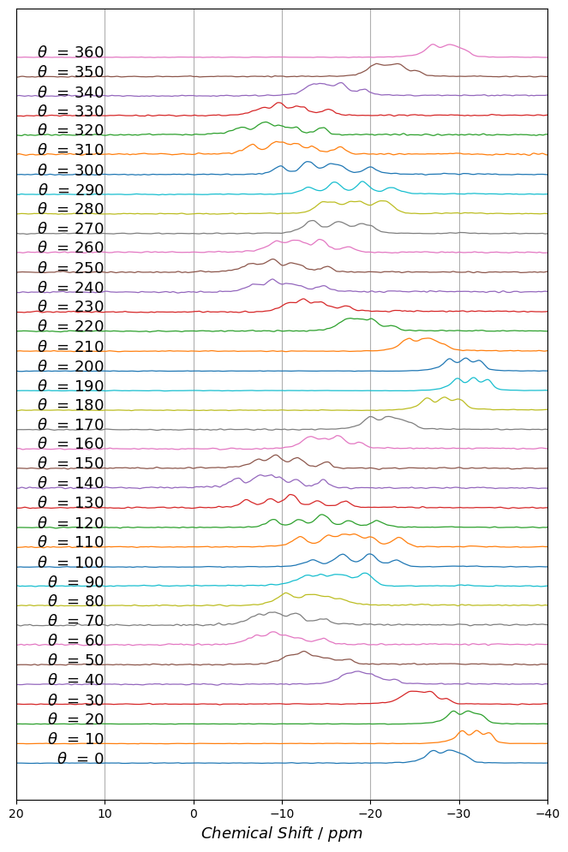
Angle | Cluster1Peak1 | Cluster1Peak2 | Cluster1Peak3 | Cluster2Peak1 | Cluster2Peak2 | Cluster2Peak3
 | ppm
0 | -26.733502244 | -28.212753672 | -29.576759462 | -30.542546054 | -28.999327537 | -27.099276524 | Larmor frequency for 11B |  | 192.55 | MHz
10 | -30.075545876 | -31.629264801 | -33.005181708 | -33.580183832 | -32.088084065 | -30.433470838 |  | 1 ppm | 192.55 | Hz
20 | -29.046028345 | -30.448157068 | -31.755175854 | -32.585759964 | -31.096631114 | -29.378412789
30 | -24.009696116 | -25.006656971 | -26.951165594 | -26.94956151 | -25.995044197 | -24.550959735
40 | -16.956398204 | -18.564119466 | -20.279621273 | -22.492385988 | -19.298624472 | -17.825324275
50 | -10.524451209 | -12.738018033 | -14.728885889 | -17.272635341 | -12.738220082 | -11.643230017
60 | -6.7846200619 | -9.0812551836 | -11.663959671 | -14.61611069 | -10.01234267 | -8.2788846643
70.1 | -6.9518688963 | -9.2204196753 | -11.817118739 | -14.73133346 | -10.962039079 | -8.3551450507
80 | -10.355180282 | -12.644875933 | -14.936762863 | -16.712783317 | -13.616741617 | -10.355325313
90 | -12.376529947 | -15.436165284 | -19.197783659 | -19.486636411 | -16.79599637 | -13.800785377
100 | -13.396799831 | -17.073865623 | -20.160950957 | -22.947575751 | -19.725983812 | -16.491418573
109.9 | -11.993171625 | -16.850850582 | -19.999154084 | -23.252260148 | -18.210331551 | -15.206005389
120 | -8.9762829551 | -14.284973226 | -17.605660468 | -20.809453592 | -14.862768949 | -11.921346068
130 | -6.0121437958 | -10.757433756 | -14.013392873 | -17.15375516 | -11.305267571 | -8.675840073
140 | -4.8427466082 | -8.2897810828 | -11.534040448 | -14.683566149 | -9.4669556088 | -7.1956324945
150 | -7.1943897305 | -9.4340832399 | -12.063366192 | -15.028495728 | -11.25204527 | -8.874574104
160 | -12.748874264 | -14.667340975 | -16.541661381 | -18.767174578 | -16.170145675 | -13.386296145
170 | -19.887224933 | -21.564095472 | -23.096333099 | -24.287223728 | -22.204145127 | -19.88741825
180 | -26.104340891 | -28.045342576 | -29.671178048 | -30.324291618 | -28.528169748 | -26.562737261
190 | -29.49974102 | -31.34249733 | -32.912346181 | -33.441422649 | -31.753575977 | -29.954875694
200 | -28.63620158 | -30.399224955 | -31.893175129 | -32.511372591 | -30.843077075 | -29.037901169
210 | -23.940435683 | -25.524109974 | -26.915480228 | -28.072495826 | -26.397907327 | -24.275612676
220 | -16.838194366 | -18.46282291 | -20.284854046 | -22.363725736 | -19.563218741 | -17.61949527
230 | -10.566056855 | -12.467102081 | -14.729156251 | -17.270111865 | -13.760931395 | -11.935433613
240 | -6.7432880016 | -8.8034240851 | -11.797985843 | -14.690190164 | -10.436483184 | -8.8040892002
250.2 | -6.3719223429 | -8.9565700307 | -11.822603063 | -15.09201379 | -10.623640097 | -8.314240883
260 | -9.1302767016 | -11.775960334 | -14.52627348 | -17.525135872 | -13.923764008 | -10.543920354
270 | -13.055823069 | -15.964944694 | -18.737008126 | -19.910102274 | -16.808798486 | -13.603816004
280 | -14.472345323 | -17.629025297 | -20.945437938 | -21.956352245 | -18.904967618 | -15.728625832
290 | -12.959708413 | -16.186074149 | -19.34294748 | -22.47202525 | -19.013758976 | -15.732958876
300 | -9.7422730834 | -13.315132683 | -16.539904614 | -20.04244247 | -15.408064861 | -12.643201855
310 | -6.5338841047 | -10.025287949 | -13.327343761 | -16.570363578 | -11.498867245 | -9.0604059131
320.1 | -5.2683619878 | -8.2877586825 | -11.368435633 | -14.537569982 | -9.6619488518 | -7.5978905062
330 | -7.6366300057 | -9.6196696348 | -12.409367275 | -15.269796393 | -11.390655402 | -9.5186770993
340 | -13.045443931 | -14.850448653 | -16.833129457 | -19.29254777 | -16.370188554 | -13.952541519
350 | -20.162640485 | -21.677801776 | -23.261846212 | -25.023217093 | -22.85436253 | -20.721532752
360 | -26.885588048 | -28.066160083 | -29.472660645 | -30.500865709 | -28.98436111 | -26.82289893

-Z Rotation Plot

(+)8HQ_X_Rot
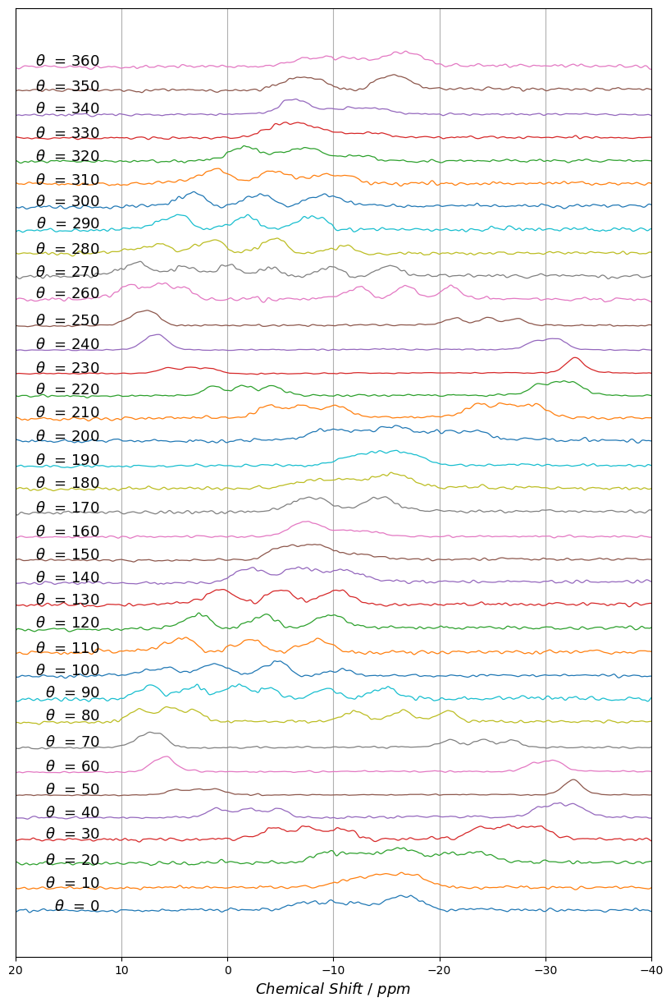
Angle | Cluster1Peak1 | Cluster1Peak2 | Cluster1Peak3 | Cluster2Peak1 | Cluster2Peak2 | Cluster2Peak3
 | ppm |  |  |  |  |  | Larmor frequency for 11B |  | 192.55 | MHz
0 | -6.9564769353 | -9.3407413469 | -11.98919415 | -15.715985414 | -16.748765349 | -17.568460082 |  | 1 ppm | 192.55 | Hz
10 | -11.246028637 | -14.519417005 | -17.187491517 | -13.250625173 | -15.816799421 | -17.857994542
20 | -17.020200881 | -21.126516168 | -23.956226779 | -9.2672093721 | -12.049582251 | -15.597173899
30 | -23.925019904 | -26.662753423 | -29.306740193 | -4.3238556396 | -7.4661006727 | -10.73273851
40 | -29.663042162 | -31.381717957 | -32.94227313 | 1.0406565742 | -1.9577296861 | -4.8200613835
50 | -32.117017989 | -32.749837304 | -32.872530451 | 4.9263379677 | 2.822799331 | 1.0246582814
60 | -31.226039291 | -30.221056843 | -28.835586071 | 6.8007196628 | 5.9100988047 | 5.4143607325
70 | -26.859026916 | -24.116879233 | -20.951219361 | 6.2953244059 | 7.1276547178 | 8.1150088239
80 | -20.801991507 | -16.516478379 | -11.959005343 | 3.3127083574 | 5.5879137689 | 8.3038608878
90 | -14.957548088 | -9.3742682983 | -3.7358602099 | -0.81115541599 | 3.1526834612 | 7.3257027957
100 | -10.890265877 | -4.6266583377 | 1.9591573731 | -4.6300243044 | 0.7393497699 | 6.1929636506
110 | -9.1192463879 | -1.5296706702 | 5.1382283092 | -7.9749928489 | -2.6404364739 | 3.8830939015
120 | -9.0872778048 | -2.8667122966 | 3.4360687373 | -10.455160888 | -3.9698800505 | 2.2944467009
130 | -9.7557310172 | -4.3660890843 | 1.3478538122 | -10.991159179 | -5.5855884775 | 0.17043815552
-X Rotation
140 | -10.173307422 | -6.1436734765 | -1.5140948973 | -11.948759573 | -7.5661542368 | -2.7327919123
150 | -8.3607989858 | -7.2455905906 | -4.7388462309 | -12.605352081 | -9.3697579474 | -5.8432575455
160 | -6.4354462973 | -7.7162008762 | -7.1366734659 | -13.493897717 | -11.072910222 | -8.6093589423
170 | -6.6461857016 | -7.7910895813 | -8.8748355341 | -15.305232741 | -14.544257772 | -13.460740369
180 | -7.443515605 | -9.641647788 | -12.071565975 | -14.849914658 | -15.822240006 | -16.37781357
190 | -11.266847757 | -14.19725493 | -16.532268511 | -12.980008108 | -15.558922024 | -17.942824563
200 | -16.410652632 | -20.489390154 | -23.559716861 | -8.8507238436 | -11.307482474 | -14.953977261
210 | -23.621655484 | -26.226046749 | -28.955768509 | -3.9575648291 | -7.0319656461 | -10.294885591
220 | -29.417475021 | -31.282747607 | -32.730873612 | 1.3627522384 | -1.5593915637 | -4.2984452145
230 | -32.403311941 | -32.848710793 | -33.150914437 | 5.6738087962 | 3.5590815179 | 1.7217455622
240 | -31.424958935 | -30.363275293 | -28.936774479 | 7.544953844 | 6.735229878 | 6.0795398096
250 | -27.302407137 | -24.570248107 | -21.384022088 | 7.0213961038 | 7.7308586354 | 8.7328158705
260 | -21.137857478 | -16.848599844 | -12.282872651 | 4.429505131 | 6.6174842881 | 9.2841609796
270 | -15.389735851 | -9.7518488876 | -3.9990331643 | 0.025793764719 | 4.2451857565 | 8.6213353933
280 | -11.018268656 | -3.968245748 | 2.3118943515 | -4.8590452962 | 0.97942295624 | 6.6566613043
290 | -7.3213205693 | -1.1436935609 | 5.7259899531 | -8.7304855902 | -2.2459729014 | 4.2975625832
300 | -8.5629894233 | -2.274431958 | 3.9273653114 | -10.144058913 | -3.6117076003 | 2.9126945245
310 | -8.9467927748 | -3.7908553913 | 1.7212566709 | -11.246415532 | -5.1147107606 | 0.84689490301
320.1 | -8.1537276913 | -4.9637375575 | -1.5121307379 | -12.389064014 | -7.1972884091 | -1.5130732903
330 | -6.937186081 | -6.7517446873 | -4.8607358166 | -13.579880439 | -9.0206529987 | -4.8605373865
340 | -5.8256496942 | -6.5950380797 | -5.8256689513 | -14.145896706 | -11.679337873 | -7.6796626608
350 | -5.8323519748 | -7.1779385211 | -8.6198073377 | -16.845766275 | -15.702689675 | -14.546052075
360 | -7.1534168778 | -9.3989103555 | -11.894734807 | -15.491333175 | -16.679743929 | -17.796062017

(+)8HQ_Y_Rot
Angle | Cluster1Peak1 | Cluster1Peak2 | Cluster1Peak3 | Cluster2Peak1 | Cluster2Peak2 | Cluster2Peak3
 | ppm |  |  |  |  |  | Larmor frequency for 11B |  | 192.55 | MHz
0 | -12.378741773 | -9.2934037847 | -7.2886466535 | -17.848377387 | -17.846725928 | -17.845071051 |  | 1 ppm | 192.55 | Hz
10 | -13.456622756 | -11.258012563 | -8.2125881492 | -13.456694613 | -11.553199703 | -10.29978747
20 | -15.592234063 | -12.099488465 | -9.4543749332 | -11.445886593 | -9.4555932903 | -9.4561712893
Y Rotation
30 | -16.290181763 | -13.423335366 | -10.808497949 | -13.42339579 | -10.808037641 | -10.807577497
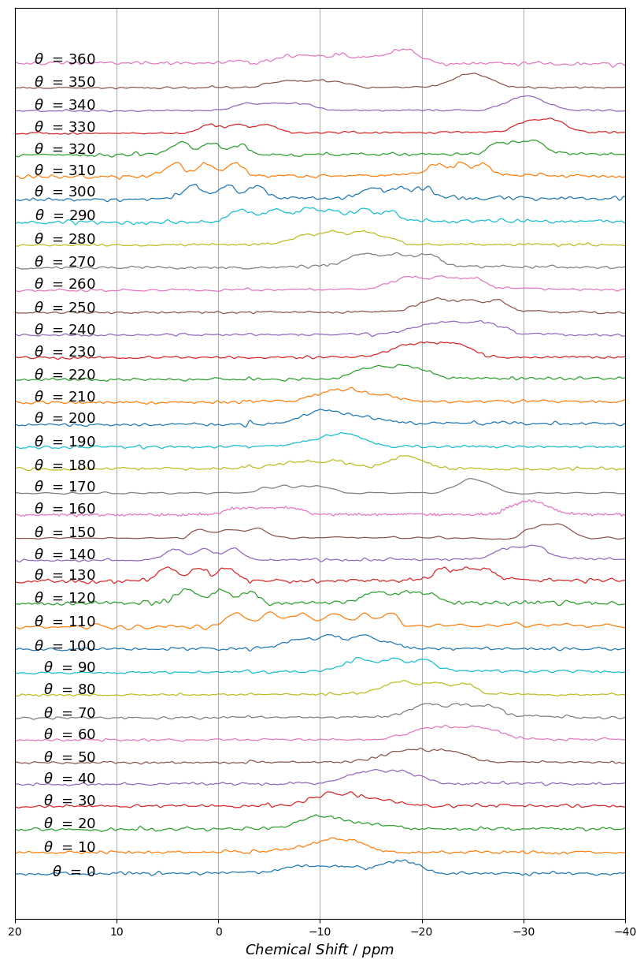
40 | -19.56438695 | -17.03829277 | -14.58336388 | -18.007658365 | -15.532968522 | -13.020381752
50.1 | -22.412127787 | -19.397222151 | -16.754005828 | -23.630184425 | -21.051127323 | -18.367865046
60 | -25.540200534 | -22.430045734 | -19.588387077 | -27.100189449 | -24.285921448 | -21.133388283
70 | -25.979547747 | -22.680376193 | -20.223263338 | -27.025050692 | -23.984747601 | -20.223797152
80 | -23.112249026 | -19.232432975 | -16.765133348 | -24.541698095 | -21.203666591 | -17.869962902
90 | -20.228061744 | -17.037607945 | -13.66448834 | -20.228061744 | -17.037607945 | -13.66448834
100 | -13.949065952 | -10.444427615 | -7.5775711243 | -15.835969678 | -13.950128701 | -10.443581085
110 | -8.1135965317 | -5.1119984137 | -1.7515863522 | -16.927399886 | -14.392375899 | -11.376931806
120 | -3.0161197396 | -0.1312879621 | 3.1613594815 | -20.601388991 | -18.224175971 | -15.337563205
130 | -0.87473362535 | 1.9541582296 | 5.0437587632 | -26.4147941 | -24.352462403 | -22.004464503
140 | -1.5172108823 | 1.3544112537 | 4.3255486788 | -31.632747319 | -30.106509012 | -28.093289357
150 | -3.8877958257 | -1.278690879 | 1.7252777193 | -33.909718946 | -32.684485809 | -31.1570744
160 | -7.1712095037 | -4.6090491115 | -1.8775080978 | -31.753923888 | -30.646282138 | -29.545986667
170 | -10.091641167 | -7.8543740083 | -5.3394967665 | -26.136453619 | -24.925961325 | -24.316992334
180 | -11.649672375 | -9.1197785734 | -6.6232127828 | -19.319746933 | -18.329647401 | -17.915923411
190 | -12.756133634 | -10.995185629 | -8.7205797048 | -13.434305948 | -12.756352975 | -11.217542247
200 | -15.212298665 | -13.089028643 | -10.426310185 | -11.576577134 | -10.047736691 | -8.7646045574
210 | -16.595857478 | -14.132342017 | -12.787764072 | -12.787381451 | -10.82374605 | -10.823966773
220 | -20.346373348 | -18.015220126 | -15.338792241 | -18.672042234 | -16.34463264 | -13.897828449
230 | -23.003393512 | -20.382733959 | -17.618865116 | -24.223521389 | -21.7392247 | -19.070287734
240 | -25.983627429 | -22.758398659 | -19.762855763 | -27.038599815 | -24.53575282 | -21.613981794
250 | -26.858921279 | -22.941957178 | -20.297651347 | -27.670739866 | -24.669846775 | -21.454397758
260.2 | -24.545042312 | -21.202886043 | -18.449821814 | -25.317737092 | -22.2041165 | -18.449733041
270 | -20.076198515 | -16.394979885 | -13.384395415 | -21.00560152 | -17.878633871 | -14.48035345
280.1 | -14.482029058 | -11.398991725 | -8.2241114622 | -16.188856124 | -13.425607267 | -10.2078124
290 | -8.6958934358 | -5.6027594971 | -2.2345674902 | -16.861058347 | -14.21730839 | -11.027797662
300 | -3.8220994277 | -0.88517793205 | 2.4998478528 | -20.37576274 | -17.840123562 | -15.037057746
310 | -1.6758019116 | 1.227363795 | 4.2819691932 | -26.05213433 | -23.80454673 | -21.348469295
320 | -2.1551323677 | 0.76907057891 | 3.7096685156 | -31.325188181 | -29.594487771 | -27.512803439
330 | -4.7701984237 | -1.9597169753 | 0.8530343907 | -33.288723064 | -31.918457444 | -30.22790519
340 | -8.2297654279 | -5.5478227234 | -2.7745749496 | -31.381932693 | -30.327631803 | -29.134180349
350 | -11.465406071 | -8.9692611836 | -6.2434114326 | -26.032273404 | -24.912911203 | -23.897673403
360 | -12.132918192 | -9.1998457117 | -6.7073185688 | -18.465621508 | -18.465666893 | -16.295176174

(+)8HQ_Z_Rot
Angle | Cluster1Peak1 | Cluster1Peak2 | Cluster1Peak3 | Cluster2Peak1 | Cluster2Peak2 | Cluster2Peak3
 | ppm |  |  |  |  |  | Larmor frequency for 11B |  | 192.55 | MHz
0 | -18.642193603 | -15.299513789 | -12.079564027 | -19.639675212 | -16.627719252 | -13.229769501 |  | 1 ppm | 192.55 | Hz
10 | -14.609698759 | -11.1660734 | -7.8411070645 | -14.610328511 | -11.701811405 | -9.4806762133
20 | -9.8981460225 | -8.0036578975 | -4.1783775031 | -12.998324405 | -9.3258759568 | -5.9308067497
30 | -9.2833521031 | -4.5873681873 | -2.059048284 | -9.9819754111 | -8.0234071929 | -3.2935779308
40 | -5.4380907209 | -3.9734224032 | -2.4737796718 | -6.4006041379 | -4.7293079894 | -3.3371349904
50 | -3.5464649616 | -4.7630706534 | -6.3810012046 | 0.12995060232 | -1.5532129164 | -2.6339607895
60 | -4.416196849 | -8.1727064888 | -10.778152397 | 6.1240092458 | 3.77422559 | 0.90897956382
70 | -4.8383472749 | -9.5754637749 | -13.884765148 | 9.8920828557 | 6.1699187935 | 2.5975722588
80 | -4.1799394621 | -9.7500919451 | -15.087046405 | 10.687223454 | 6.0565210662 | 1.8989884213
90 | -2.4144028547 | -8.8864397731 | -14.647626676 | 8.065417128 | 3.5121421885 | -0.9212184635
100 | -0.89042838211 | -6.8843166878 | -12.692983266 | 2.8526453693 | -1.9794178195 | -5.807704535
110 | -1.1018328892 | -6.0962398053 | -11.680885214 | -5.0839590641 | -8.7740410935 | -11.689984103
120.1 | -3.266530558 | -7.5374417683 | -11.510202139 | -13.224256351 | -16.051910915 | -18.051920992
130 | -8.4168989554 | -11.18012838 | -13.500869519 | -20.131702307 | -21.480750115 | -22.233713943
140 | -14.218339152 | -15.305015013 | -16.372377119 | -24.125357273 | -24.125297237 | -23.503683889
150 | -19.133617995 | -19.932456306 | -20.334896531 | -25.707447501 | -24.484270307 | -22.855611391
160 | -22.603132516 | -20.376181668 | -19.596275371 | -24.81518533 | -23.87519587 | -21.862831216
170 | -22.478338032 | -19.467274346 | -16.527731427 | -23.937945775 | -21.352774807 | -18.435986379
180 | -19.122441419 | -15.202548224 | -12.17642594 | -20.48369216 | -17.16465334 | -13.584992104
190 | -15.256364394 | -12.023371999 | -9.0986103865 | -16.66600212 | -13.676950707 | -10.39626865
200 | -11.274826634 | -9.2649728128 | -5.1762757028 | -13.759074923 | -9.4698069061 | -7.6205115472
210 | -8.7335418136 | -5.7130791866 | -3.1100845147 | -9.864891076 | -7.2253891778 | -4.4738460914
220 | -5.2085180508 | -4.3411894274 | -2.9768586872 | -5.9973576503 | -4.7541384112 | -3.6935152023
230 | -4.2643445134 | -6.1169744923 | -7.4367415122 | 0.76911060061 | -0.40107518232 | -1.7745914952
240 | -5.9086877413 | -9.7214848677 | -12.145276893 | 6.7694931399 | 4.655292352 | 1.9712529522
250 | -5.8011607917 | -10.249884965 | -14.475862859 | 10.215137672 | 7.0020652587 | 3.6657284266
260 | -5.468641312 | -10.88152231 | -15.995059217 | 10.712760319 | 6.4280173684 | 2.7102815729
270 | -3.7992572222 | -9.5729730523 | -15.207657957 | 8.6308061392 | 4.0211746521 | -0.34895574059
280 | -1.9532349091 | -7.3389597592 | -13.387018526 | 3.055853895 | -1.0653648723 | -5.3837393714
290 | -1.3996421278 | -6.8478495885 | -11.773293945 | -5.0935966355 | -8.934144306 | -11.773297999
300 | -3.4101702364 | -7.6114190447 | -11.490463256 | -13.208573249 | -15.749404272 | -17.495130568
310 | -8.0191294871 | -10.622228005 | -12.857231839 | -19.440789727 | -20.584036499 | -21.250072054
320 | -13.884125917 | -15.012174006 | -15.731334591 | -23.50560337 | -23.247480513 | -22.68346352
330 | -18.190598715 | -19.120879057 | -19.120926123 | -24.755234303 | -23.484450978 | -21.704861252
340.1 | -21.10268287 | -19.058153963 | -18.499065451 | -23.590829531 | -22.64546449 | -21.102783303
350 | -21.539815367 | -18.274835095 | -15.260274179 | -22.866023264 | -19.983020855 | -16.942806207
360 | -18.972419583 | -15.460146975 | -12.13878821 | -19.760762128 | -16.611712339 | -12.939763696

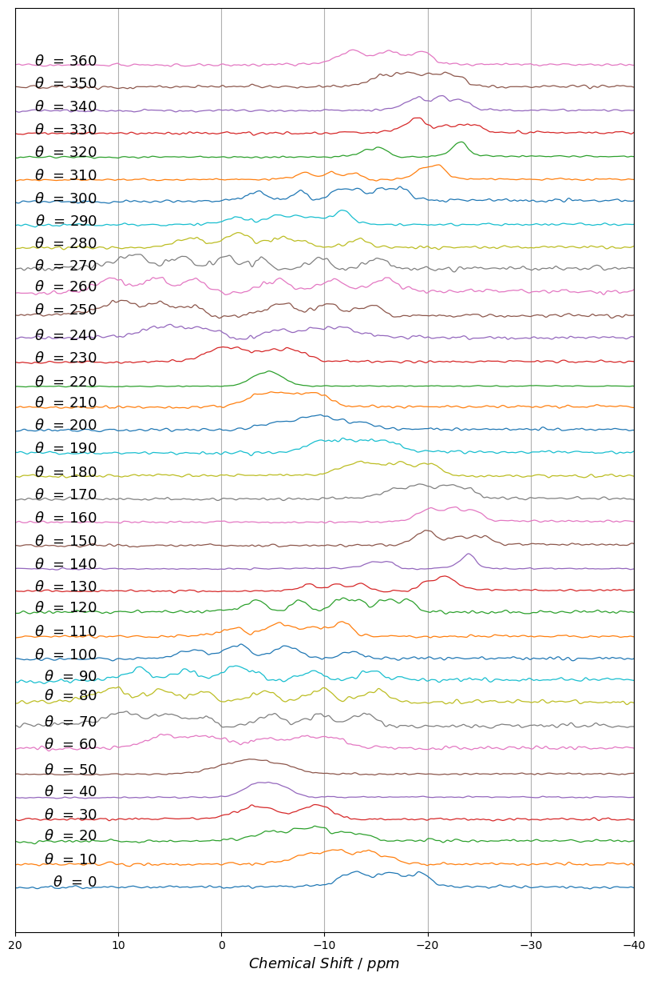
-Z Rotation

+8HQ_(ipc)2_B_Cluster1
 | X rot |  |  | Y rot |  |  | Z
0 | -6.9564769353 | -9.3407413469 | -11.98919415 | -12.378741773 | -9.2934037847 | -7.2886466535 | -18.642193603 | -15.299513789 | -12.079564027
10 | -11.246028637 | -14.519417005 | -17.187491517 | -13.456622756 | -11.258012563 | -8.2125881492 | -14.609698759 | -11.1660734 | -7.8411070645
20 | -17.020200881 | -21.126516168 | -23.956226779 | -15.592234063 | -12.099488465 | -9.4543749332 | -9.8981460225 | -8.0036578975 | -4.1783775031
30 | -23.925019904 | -26.662753423 | -29.306740193 | -16.290181763 | -13.423335366 | -10.808497949 | -9.2833521031 | -4.5873681873 | -2.059048284
Chart Title
40 | -29.663042162 | -31.381717957 | -32.94227313 | -19.56438695 | -17.03829277 | -14.58336388 | -5.4380907209 | -3.9734224032 | -2.4737796718
50 | -32.117017989 | -32.749837304 | -32.872530451 | -22.412127787 | -19.397222151 | -16.754005828 | -3.5464649616 | -4.7630706534 | -6.3810012046
60 | -31.226039291 | -30.221056843 | -28.835586071 | -25.540200534 | -22.430045734 | -19.588387077 | -4.416196849 | -8.1727064888 | -10.778152397
70 | -26.859026916 | -24.116879233 | -20.951219361 | -25.979547747 | -22.680376193 | -20.223263338 | -4.8383472749 | -9.5754637749 | -13.884765148
80 | -20.801991507 | -16.516478379 | -11.959005343 | -23.112249026 | -19.232432975 | -16.765133348 | -4.1799394621 | -9.7500919451 | -15.087046405
90 | -14.957548088 | -9.3742682983 | -3.7358602099 | -20.228061744 | -17.037607945 | -13.66448834 | -2.4144028547 | -8.8864397731 | -14.647626676
100 | -10.890265877 | -4.6266583377 | 1.9591573731 | -13.949065952 | -10.444427615 | -7.5775711243 | -0.89042838211 | -6.8843166878 | -12.692983266
110 | -9.1192463879 | -1.5296706702 | 5.1382283092 | -8.1135965317 | -5.1119984137 | -1.7515863522 | -1.1018328892 | -6.0962398053 | -11.680885214
120 | -9.0872778048 | -2.8667122966 | 3.4360687373 | -3.0161197396 | -0.1312879621 | 3.1613594815 | -3.266530558 | -7.5374417683 | -11.510202139
130 | -9.7557310172 | -4.3660890843 | 1.3478538122 | -0.87473362535 | 1.9541582296 | 5.0437587632 | -8.4168989554 | -11.18012838 | -13.500869519
140 | -10.173307422 | -6.1436734765 | -1.5140948973 | -1.5172108823 | 1.3544112537 | 4.3255486788 | -14.218339152 | -15.305015013 | -16.372377119
150 | -8.3607989858 | -7.2455905906 | -4.7388462309 | -3.8877958257 | -1.278690879 | 1.7252777193 | -19.133617995 | -19.932456306 | -20.334896531
160 | -6.4354462973 | -7.7162008762 | -7.1366734659 | -7.1712095037 | -4.6090491115 | -1.8775080978 | -22.603132516 | -20.376181668 | -19.596275371
170 | -6.6461857016 | -7.7910895813 | -8.8748355341 | -10.091641167 | -7.8543740083 | -5.3394967665 | -22.478338032 | -19.467274346 | -16.527731427
180 | -7.443515605 | -9.641647788 | -12.071565975 | -11.649672375 | -9.1197785734 | -6.6232127828 | -19.122441419 | -15.202548224 | -12.17642594
190 | -11.266847757 | -14.19725493 | -16.532268511 | -12.756133634 | -10.995185629 | -8.7205797048 | -15.256364394 | -12.023371999 | -9.0986103865
200 | -16.410652632 | -20.489390154 | -23.559716861 | -15.212298665 | -13.089028643 | -10.426310185 | -11.274826634 | -9.2649728128 | -5.1762757028
210 | -23.621655484 | -26.226046749 | -28.955768509 | -16.595857478 | -14.132342017 | -12.787764072 | -8.7335418136 | -5.7130791866 | -3.1100845147
220 | -29.417475021 | -31.282747607 | -32.730873612 | -20.346373348 | -18.015220126 | -15.338792241 | -5.2085180508 | -4.3411894274 | -2.9768586872
230 | -32.403311941 | -32.848710793 | -33.150914437 | -23.003393512 | -20.382733959 | -17.618865116 | -4.2643445134 | -6.1169744923 | -7.4367415122
240 | -31.424958935 | -30.363275293 | -28.936774479 | -25.983627429 | -22.758398659 | -19.762855763 | -5.9086877413 | -9.7214848677 | -12.145276893
250 | -27.302407137 | -24.570248107 | -21.384022088 | -26.858921279 | -22.941957178 | -20.297651347 | -5.8011607917 | -10.249884965 | -14.475862859
260 | -21.137857478 | -16.848599844 | -12.282872651 | -24.545042312 | -21.202886043 | -18.449821814 | -5.468641312 | -10.88152231 | -15.995059217
270 | -15.389735851 | -9.7518488876 | -3.9990331643 | -20.076198515 | -16.394979885 | -13.384395415 | -3.7992572222 | -9.5729730523 | -15.207657957
280 | -11.018268656 | -3.968245748 | 2.3118943515 | -14.482029058 | -11.398991725 | -8.2241114622 | -1.9532349091 | -7.3389597592 | -13.387018526
290 | -7.3213205693 | -1.1436935609 | 5.7259899531 | -8.6958934358 | -5.6027594971 | -2.2345674902 | -1.3996421278 | -6.8478495885 | -11.773293945
300 | -8.5629894233 | -2.274431958 | 3.9273653114 | -3.8220994277 | -0.88517793205 | 2.4998478528 | -3.4101702364 | -7.6114190447 | -11.490463256
310 | -8.9467927748 | -3.7908553913 | 1.7212566709 | -1.6758019116 | 1.227363795 | 4.2819691932 | -8.0191294871 | -10.622228005 | -12.857231839
320.1 | -8.1537276913 | -4.9637375575 | -1.5121307379 | -2.1551323677 | 0.76907057891 | 3.7096685156 | -13.884125917 | -15.012174006 | -15.731334591
330 | -6.937186081 | -6.7517446873 | -4.8607358166 | -4.7701984237 | -1.9597169753 | 0.8530343907 | -18.190598715 | -19.120879057 | -19.120926123
340 | -5.8256496942 | -6.5950380797 | -5.8256689513 | -8.2297654279 | -5.5478227234 | -2.7745749496 | -21.10268287 | -19.058153963 | -18.499065451
350 | -5.8323519748 | -7.1779385211 | -8.6198073377 | -11.465406071 | -8.9692611836 | -6.2434114326 | -21.539815367 | -18.274835095 | -15.260274179
360 | -7.1534168778 | -9.3989103555 | -11.894734807 | -12.132918192 | -9.1998457117 | -6.7073185688 | -18.972419583 | -15.460146975 | -12.13878821

+8HQ_(ipc)2_B_Cluster2
Chart Title
 | X rot |  |  | Y rot |  |  | Z rot
0 | -15.715985414 | -16.748765349 | -17.568460082 | -17.848377387 | -17.846725928 | -17.845071051 | -19.639675212 | -16.627719252 | -13.229769501
10 | -13.250625173 | -15.816799421 | -17.857994542 | -13.456694613 | -11.553199703 | -10.29978747 | -14.610328511 | -11.701811405 | -9.4806762133
20 | -9.2672093721 | -12.049582251 | -15.597173899 | -11.445886593 | -9.4555932903 | -9.4561712893 | -12.998324405 | -9.3258759568 | -5.9308067497
30 | -4.3238556396 | -7.4661006727 | -10.73273851 | -13.42339579 | -10.808037641 | -10.807577497 | -9.9819754111 | -8.0234071929 | -3.2935779308
40 | 1.0406565742 | -1.9577296861 | -4.8200613835 | -18.007658365 | -15.532968522 | -13.020381752 | -6.4006041379 | -4.7293079894 | -3.3371349904
50 | 4.9263379677 | 2.822799331 | 1.0246582814 | -23.630184425 | -21.051127323 | -18.367865046 | 0.12995060232 | -1.5532129164 | -2.6339607895
60 | 6.8007196628 | 5.9100988047 | 5.4143607325 | -27.100189449 | -24.285921448 | -21.133388283 | 6.1240092458 | 3.77422559 | 0.90897956382
70 | 6.2953244059 | 7.1276547178 | 8.1150088239 | -27.025050692 | -23.984747601 | -20.223797152 | 9.8920828557 | 6.1699187935 | 2.5975722588
80 | 3.3127083574 | 5.5879137689 | 8.3038608878 | -24.541698095 | -21.203666591 | -17.869962902 | 10.687223454 | 6.0565210662 | 1.8989884213
90 | -0.81115541599 | 3.1526834612 | 7.3257027957 | -20.228061744 | -17.037607945 | -13.66448834 | 8.065417128 | 3.5121421885 | -0.9212184635
100 | -4.6300243044 | 0.7393497699 | 6.1929636506 | -15.835969678 | -13.950128701 | -10.443581085 | 2.8526453693 | -1.9794178195 | -5.807704535
110 | -7.9749928489 | -2.6404364739 | 3.8830939015 | -16.927399886 | -14.392375899 | -11.376931806 | -5.0839590641 | -8.7740410935 | -11.689984103
120 | -10.455160888 | -3.9698800505 | 2.2944467009 | -20.601388991 | -18.224175971 | -15.337563205 | -13.224256351 | -16.051910915 | -18.051920992
130 | -10.991159179 | -5.5855884775 | 0.17043815552 | -26.4147941 | -24.352462403 | -22.004464503 | -20.131702307 | -21.480750115 | -22.233713943
140 | -11.948759573 | -7.5661542368 | -2.7327919123 | -31.632747319 | -30.106509012 | -28.093289357 | -24.125357273 | -24.125297237 | -23.503683889
150 | -12.605352081 | -9.3697579474 | -5.8432575455 | -33.909718946 | -32.684485809 | -31.1570744 | -25.707447501 | -24.484270307 | -22.855611391
160 | -13.493897717 | -11.072910222 | -8.6093589423 | -31.753923888 | -30.646282138 | -29.545986667 | -24.81518533 | -23.87519587 | -21.862831216
170 | -15.305232741 | -14.544257772 | -13.460740369 | -26.136453619 | -24.925961325 | -24.316992334 | -23.937945775 | -21.352774807 | -18.435986379
180 | -14.849914658 | -15.822240006 | -16.37781357 | -19.319746933 | -18.329647401 | -17.915923411 | -20.48369216 | -17.16465334 | -13.584992104
190 | -12.980008108 | -15.558922024 | -17.942824563 | -13.434305948 | -12.756352975 | -11.217542247 | -16.66600212 | -13.676950707 | -10.39626865
200 | -8.8507238436 | -11.307482474 | -14.953977261 | -11.576577134 | -10.047736691 | -8.7646045574 | -13.759074923 | -9.4698069061 | -7.6205115472
210 | -3.9575648291 | -7.0319656461 | -10.294885591 | -12.787381451 | -10.82374605 | -10.823966773 | -9.864891076 | -7.2253891778 | -4.4738460914
220 | 1.3627522384 | -1.5593915637 | -4.2984452145 | -18.672042234 | -16.34463264 | -13.897828449 | -5.9973576503 | -4.7541384112 | -3.6935152023
230 | 5.6738087962 | 3.5590815179 | 1.7217455622 | -24.223521389 | -21.7392247 | -19.070287734 | 0.76911060061 | -0.40107518232 | -1.7745914952
240 | 7.544953844 | 6.735229878 | 6.0795398096 | -27.038599815 | -24.53575282 | -21.613981794 | 6.7694931399 | 4.655292352 | 1.9712529522
250 | 7.0213961038 | 7.7308586354 | 8.7328158705 | -27.670739866 | -24.669846775 | -21.454397758 | 10.215137672 | 7.0020652587 | 3.6657284266
260 | 4.429505131 | 6.6174842881 | 9.2841609796 | -25.317737092 | -22.2041165 | -18.449733041 | 10.712760319 | 6.4280173684 | 2.7102815729
270 | 0.025793764719 | 4.2451857565 | 8.6213353933 | -21.00560152 | -17.878633871 | -14.48035345 | 8.6308061392 | 4.0211746521 | -0.34895574059
280 | -4.8590452962 | 0.97942295624 | 6.6566613043 | -16.188856124 | -13.425607267 | -10.2078124 | 3.055853895 | -1.0653648723 | -5.3837393714
290 | -8.7304855902 | -2.2459729014 | 4.2975625832 | -16.861058347 | -14.21730839 | -11.027797662 | -5.0935966355 | -8.934144306 | -11.773297999
300 | -10.144058913 | -3.6117076003 | 2.9126945245 | -20.37576274 | -17.840123562 | -15.037057746 | -13.208573249 | -15.749404272 | -17.495130568
310 | -11.246415532 | -5.1147107606 | 0.84689490301 | -26.05213433 | -23.80454673 | -21.348469295 | -19.440789727 | -20.584036499 | -21.250072054
320.1 | -12.389064014 | -7.1972884091 | -1.5130732903 | -31.325188181 | -29.594487771 | -27.512803439 | -23.50560337 | -23.247480513 | -22.68346352
330 | -13.579880439 | -9.0206529987 | -4.8605373865 | -33.288723064 | -31.918457444 | -30.22790519 | -24.755234303 | -23.484450978 | -21.704861252
340 | -14.145896706 | -11.679337873 | -7.6796626608 | -31.381932693 | -30.327631803 | -29.134180349 | -23.590829531 | -22.64546449 | -21.102783303
350 | -16.845766275 | -15.702689675 | -14.546052075 | -26.032273404 | -24.912911203 | -23.897673403 | -22.866023264 | -19.983020855 | -16.942806207
360 | -15.491333175 | -16.679743929 | -17.796062017 | -18.465621508 | -18.465666893 | -16.295176174 | -19.760762128 | -16.611712339 | -12.939763696

