Sheet1
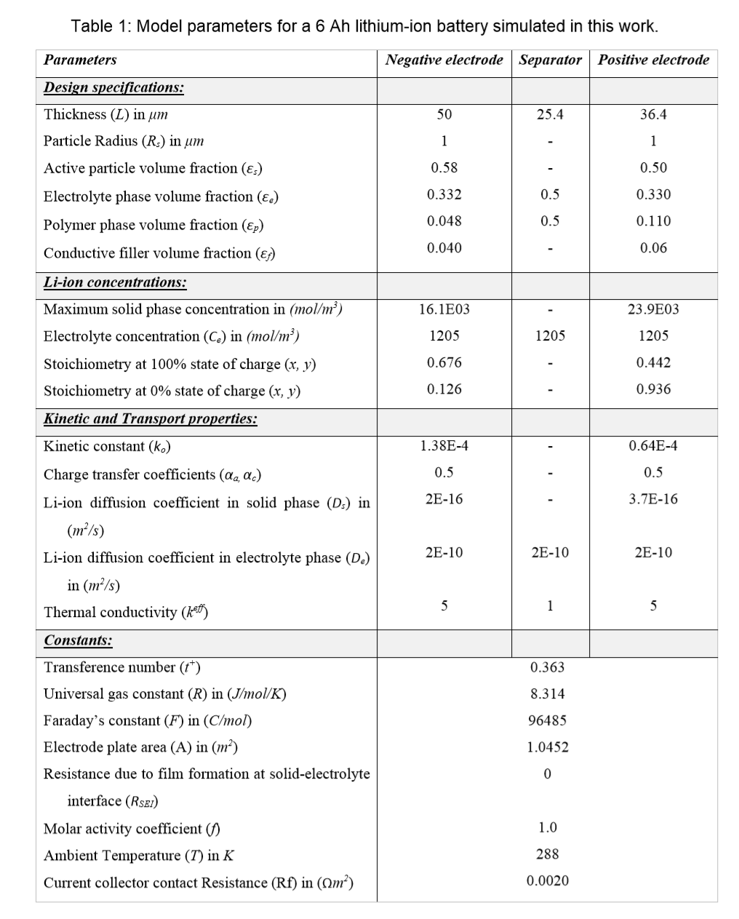
Parameters | Negative electrode | Separator | Positive electrode
Design specifications:
thickness(L) in um | 50 | 25.4 | 36.4
Particle Radius (Rs) in um | 1 | - | 1
Active particle volume fraction (εs) | 0.58 | - | 0.5
Electrolyte phase volume fraction (εe) | 0.332 | 0.5 | 0.33
Polymer phase volume fraction (εp) | 0.048 | 0.5 | 0.11
Condauctive filler volume fraction(εf) | 0.04 | - | 0.06
Li-ion concentrations:
Maximum solid phase concentration in (mol/m^3) | 1.61E+03 | - | 2.39E+04
Electrolyte concentration (Cs) in (mol/m^3) | 1205 | 1205 | 1205
Stoichiometry at 100% state of charge(x, y) | 0.676 | - | 0.442
Stoichiometry at 0% state of charge(x, y) | 0.126 | - | 0.936
Kinetic and Transport properties:
Kinetic constant(k0) | 1.38E-04 | - | 6.40E-05
Charge transfer coeffient(αa, αc) | 0.5 | - | 0.5
Li-ion diffusion coefficient in solid phase(Ds) in (m^2/s) | 2.00E-16 | - | 3.70E-04
Li-ion diffusion coefficient in electoryte(De) in (m^2/s) | 2.00E-10 | 2.00E-10 | 2.00E-10
Thermal conductivity(keff) | 5.00E+00 | 1 | 5.00E+00
Constants:
Transference number(t+) | 3.63E-01
Univerasl gas constant (R) in (J/mol/K) | 8.314
Faraday's constant(F) in (C/mol) | 9.65E+04
Electrode plate area (A) in (m^2) | 1.05E+00
Resistance due to film formation at solid-electolyte interface(RSEI) | 0.00E+00
Molar activity coefficient (f) | 1.00E+00
Ambient (T) in K | 2.88E+02
Current collector constant Resistance (Rf) in (ohm・m^2) | 2.00E-03

