PIM Test Cases
 | Test Scenario | Test Steps | Test Data | Expected Result | Actual Result | Status (Pass/Fail) | Screenshot
TC_PIM_01 | Login to OrangeHRM | 1. Open URL 2. Enter valid username & password 3. Click Login | Username: Admin Password: admin123 | User should login successfully and dashboard displayed | Dashboard displayed successfully | Pass | 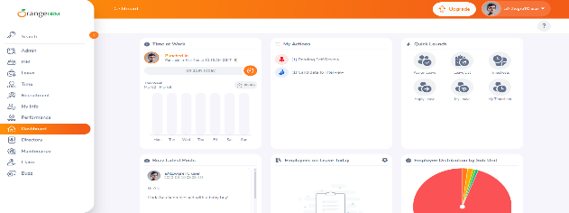
TC_PIM_02 | Navigate to PIM Module | 1. Login 2. Click on PIM from menu | N/A | PIM module page should open | PIM page opened successfully | Pass | 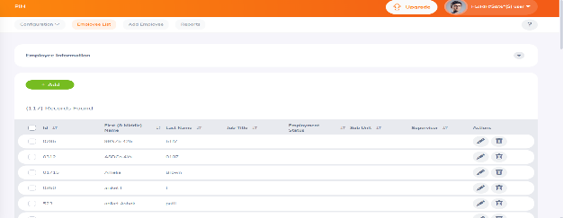
TC_PIM_03 | Add New Employee | 1. Click Add 2. Enter employee details 3. Click Save | First Name: John Last Name: Mathew | Employee should be added successfully | Employee added successfully | 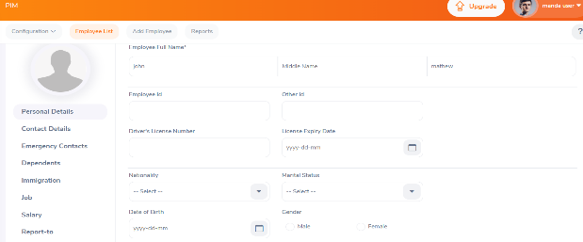 Pass
TC_PIM_04 | Search Employee by Name | 1. Enter employee name 2. Click Search | Employee Name: John Mathew | Employee details should be displayed | Employee record displayed | Pass | 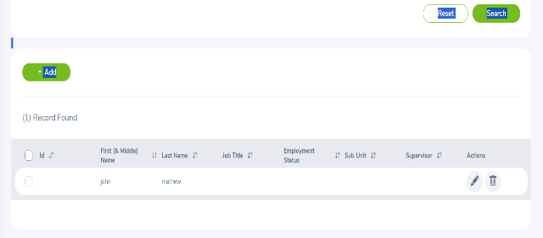
TC_PIM_05 | Edit Employee Details | 1. Open employee profile 2. Edit details 3. Save | Change Last Name to Joseph | Employee details should be updated | Employee details updated | 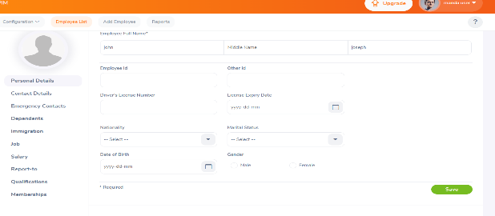 Pass
TC_PIM_06 | Delete Employee | 1. Select employee 2. Click Delete 3. Confirm | Employee: John Joseph | Employee should be deleted | Employee deleted successfully | 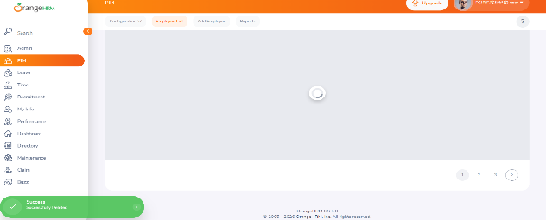 Pass
TC_PIM_07 | Upload Employee Photo | 1. Open employee profile 2. Upload photo 3. Save | Photo: valid .jpg file | Photo should upload successfully | Photo uploaded | 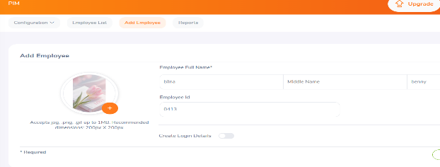 Pass
TC_PIM_08 | Add Employee with Middle Name | 1. Click Add 2. Enter first, middle, last name 3. Save | First: Anna Middle: Maria Last: Paul | Employee added successfully | Employee added | Pass | 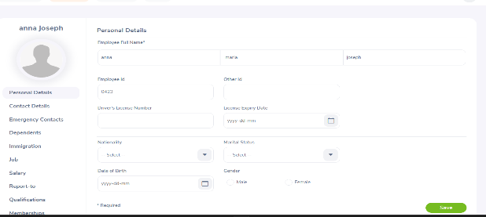
TC_PIM_09 | Verify Employee ID Auto-generation | 1. Click Add 2. Check Employee ID field | N/A | Employee ID should auto-generate | Employee ID auto-generated | Pass | 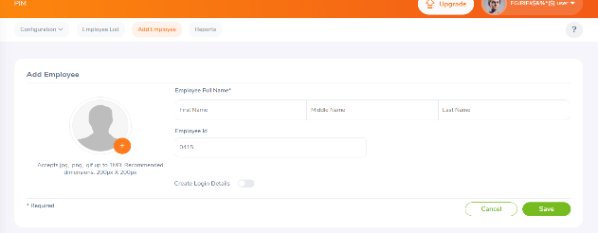
TC_PIM_10 | Logout from system | 1. Click profile icon 2. Click Logout | N/A | User should logout and login page displayed | Login page displayed | Pass
TC_PIM_11 | Login with Invalid Credentials | 1. Enter invalid username/password 2. Click Login | Username: Admin Password: wrong123 | Error message should be displayed | Invalid credentials error shown | Pass | 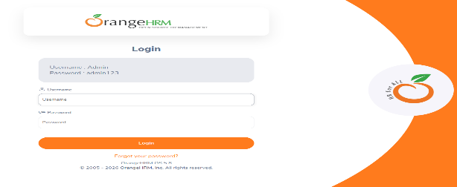
TC_PIM_12 | Add Employee without Mandatory Fields | 1. Click Add 2. Leave First Name blank 3. Save | Last Name: Thomas | Validation message should appear | Validation message displayed | 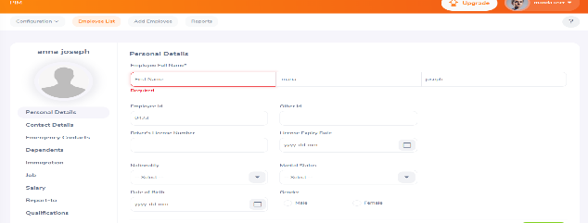 Pass
TC_PIM_13 | Upload Invalid File Format | 1. Open employee profile 2. Upload .txt file | File: test.txt | System should reject invalid format | Invalid file format error shown | Pass | 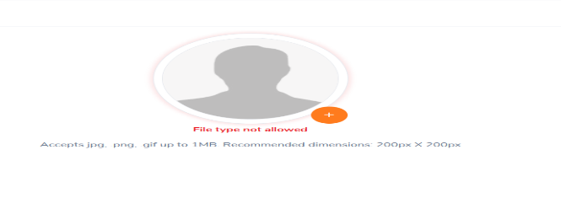
TC_PIM_14 | Search Non-existing Employee | 1. Enter random name 2. Click Search | Employee Name: XYZ123 | No records found message should display | No records found displayed | 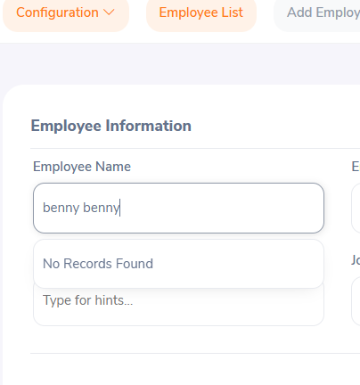 Pass
TC_PIM_15 | Delete Without Selecting Employee | 1. Click Delete without selecting employee | N/A | System should prompt to select employee | Selection warning displayed | Pass | 