Sheet1
Bug ID | Functionality | Bug Overview | Bug Details | Expected Result | Actual Result | Status | Severity | Browser | Date | Screenshot
1 | Login | Home page is not always displayed when the user login to the web application or Logout from the application. The previously opened page of the application is displayed instead | Scenario 1: 1. Navigate to Url : https://buggy.justtestit.org/ 2. Click Register Button 3. Enter Login, First Name, last Name, Password and Confirm Password 4. Click Register 5. While the Registration screen is shown, Enter Login ID and password and click Login Scenario 2a: 1. Login to the application 2. Now navigate to any other page in the application once logged in ( Eg: Profile updation page → Click on Profile link on top right 3. Click Logout button while in profile updation page User is successfully logged out of the application. Scenario 2b: 4. Login again to the application Expected : User should login successfully and home page should be visible Actual : The Profile updation page is shown to the user even after login instead of Home page | Scenario 1: User should login successfully and home page should be visible Scenario 2a: User is logged out successfully and Initial Login screen should be displayed after Logout from the application Scenario 2b: User should login successfully and home page should be visible | Scenario 1: The Registration page is shown to the user even after login. User has to refresh or click on ‘Buggy Rating’ link to navigate to homepage Scenario 2a: The Profile updation page is shown to the user along with Login details after successful Logout Scenario 2b: The Profile updation page is shown to the user even after login instead of Home page | Fail | High | Chrome | 2023-04-20 | 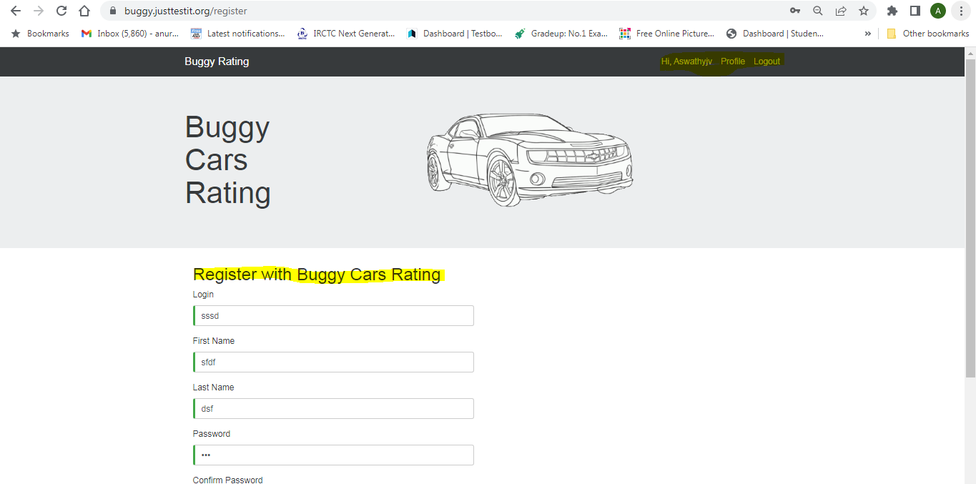 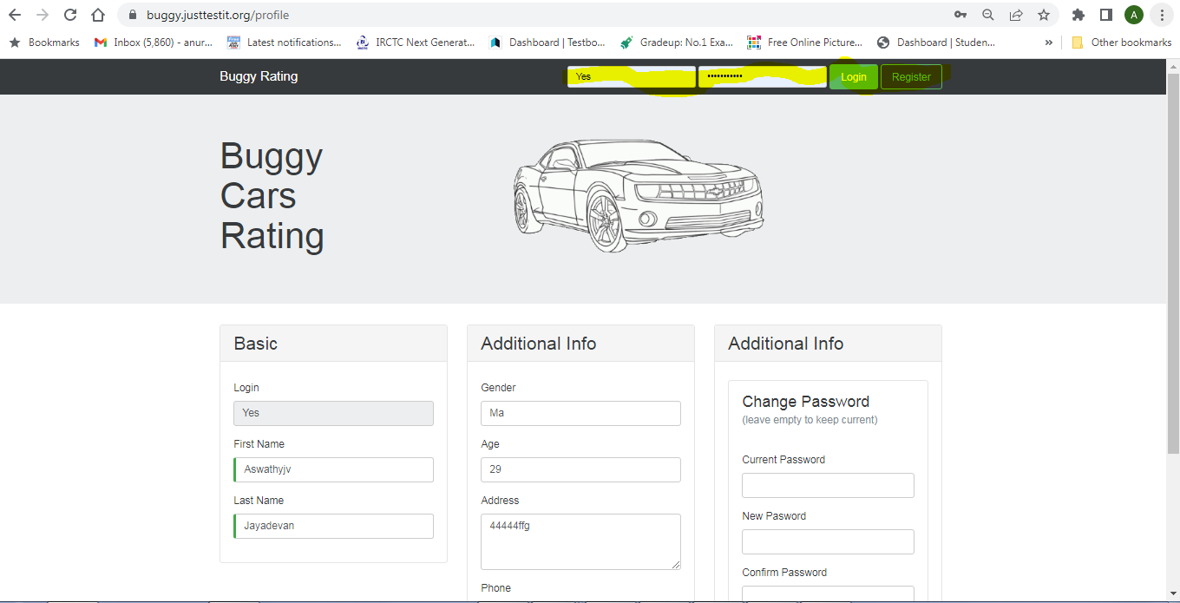 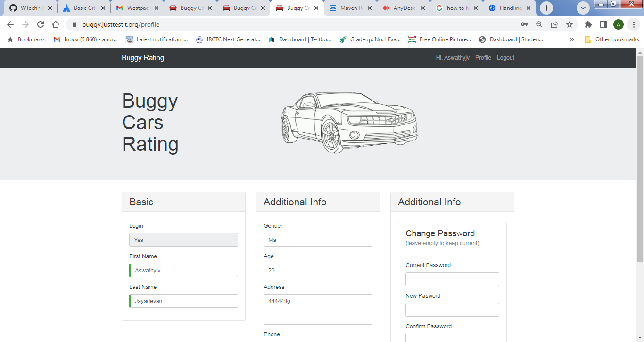
2 | Registration | User is able to perform new registration after Login | 1. Navigate to Url : https://buggy.justtestit.org/ 2. Click Register Button 3. Enter Login, First Name, last Name, Password and Confirm Password 4. Click Register 5. While the Registration screen is shown, Enter Login ID and password and click Login User successfully logs into the application, but the Registartion page is still shown to the user 6. Enter Login, First Name, last Name, Password and Confirm Password and click Registor | User should not be able to perform new Registration after Login | User is able to perform new Registration after login | Fail | High | Chrome | 2023-04-20 | 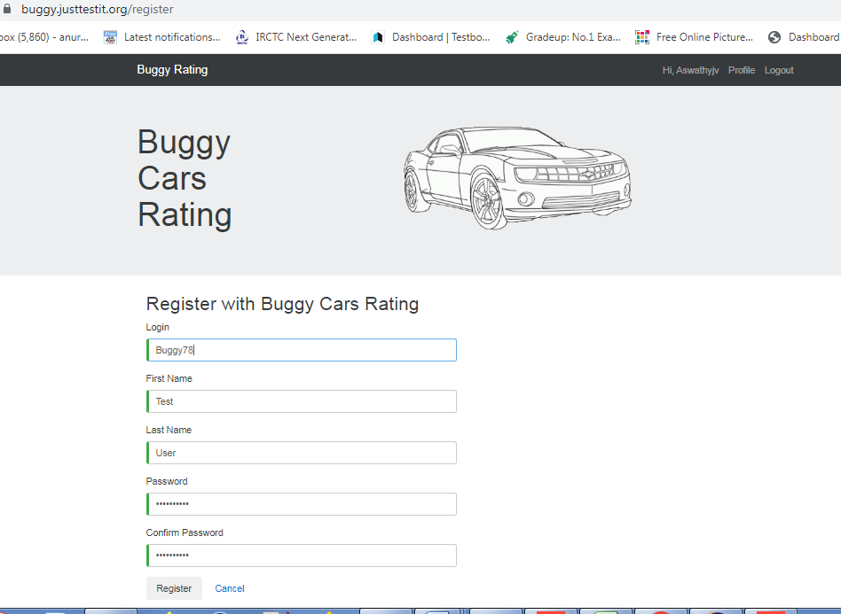 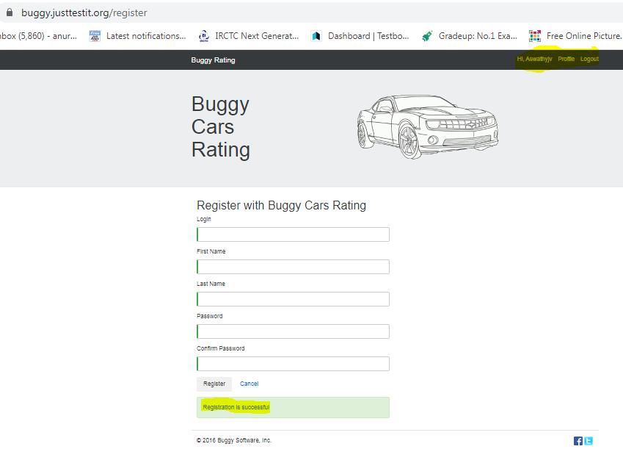
3 | Home Page Navigation | Buggy Rating' link not working when user is in 'Popular Make' screen | 1. Navigate to Url : https://buggy.justtestit.org/ 2. Login to the application 3. Click on 'Popular Make' link 4. Click on 'Buggy Rating' link | User should navigate back to home page | User remains in the same page and ‘Buggy Rating’ link is not working | Fail | High | Chrome | 2023-04-20
4 | Error Message Validation | Error message is not displayed properly when length of Password is less | Scenario 1: 1. Navigate to Url : https://buggy.justtestit.org/ 2. Click Register Button 3. Enter Login, First Name, last Name 4. Enter Password with less than 6 and Confirm Password 4. Click Register Scenario 2: 1. Login to the application 2. Click on 'Profile' link 3. Enter Current Password 4. Enter New Password with Length less than 6 and Confirm Password | Proper Error Message should be displayed indicating that Password length should be greater that 6 | Scenario 1: Error message "InvalidParameter: 1 validation error(s) found. - minimum field size of 6, SignUpInput.Password."is displayed Scenario 2: Error Message "InvalidParameter: 1 validation error(s) found. - minimum field size of 6, ChangePasswordInput.ProposedPassword." is displayed | Fail | High | Chrome | 2023-04-20 | 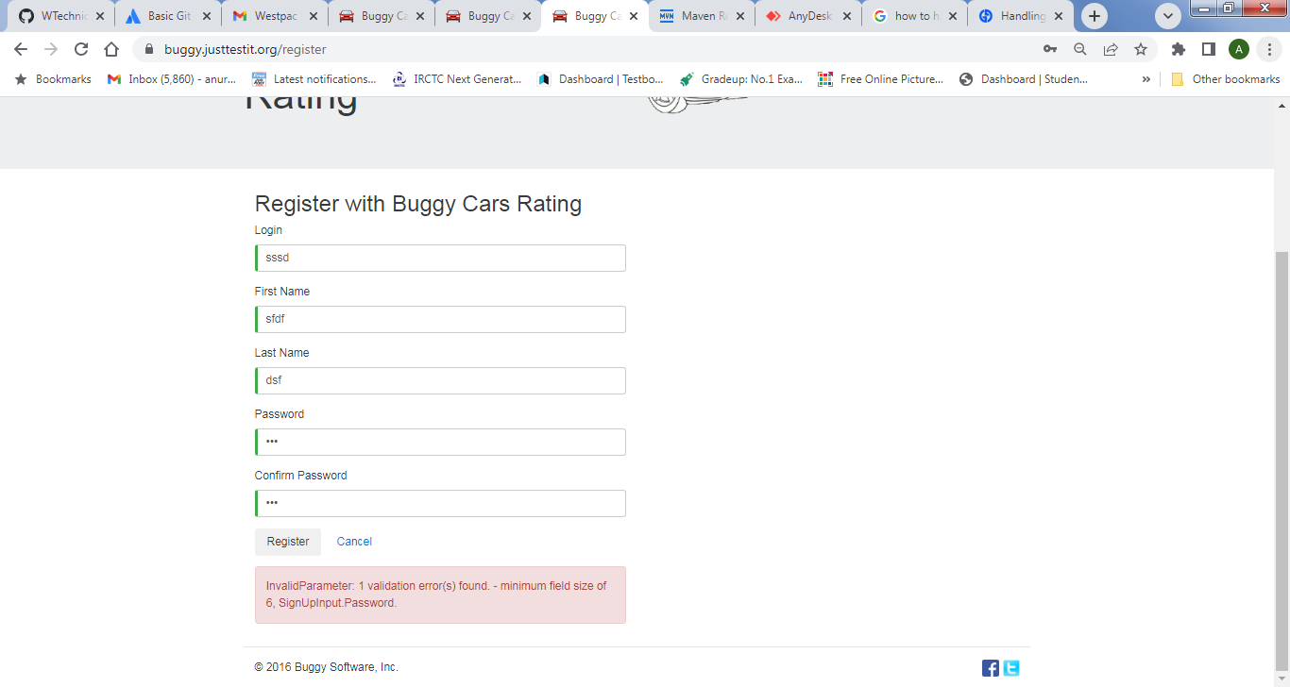 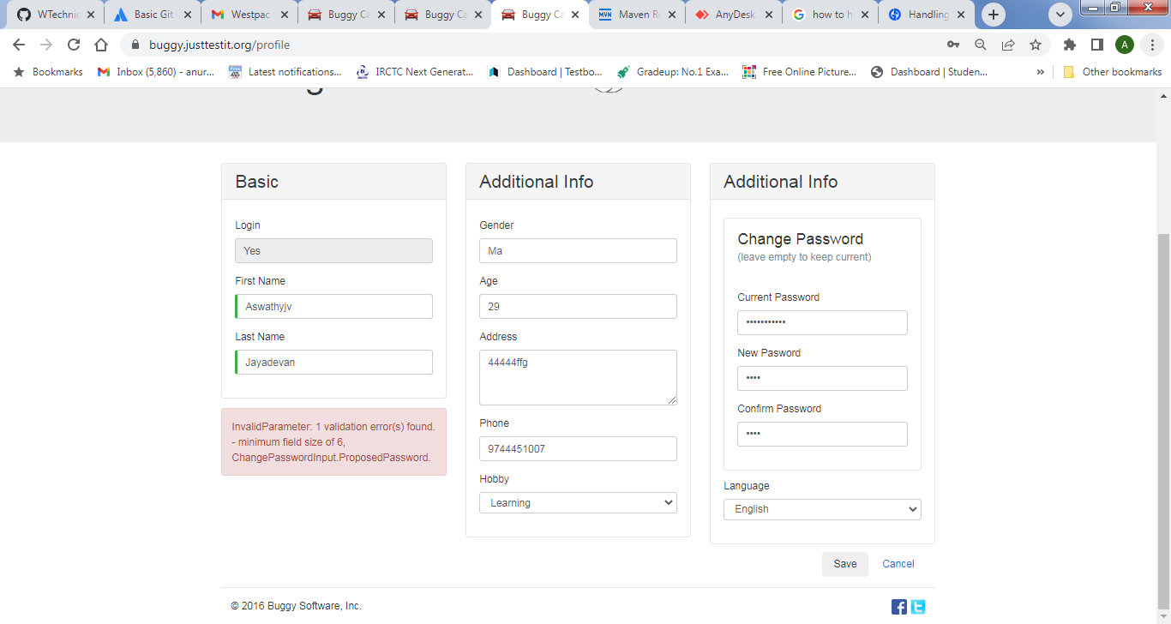
5 | User Access | Profile details of first logged in user is visible to next user , if the first user logged out while in Profile Updation page | 1. Login to the application as UserA 2. Now navigate to any other page in the application once logged in ( Eg: Profile updation page → Click on Profile link on top right 3. Click Logout button while in profile updation page User is successfully logged out of the application. 4.Login again as UserB | UserB should Login successfully and home page should be displayed | UserB is able to see the Profile Updation page of UserA | Fail | High | Chrome | 2023-04-20 | 