Automated Process Moritani
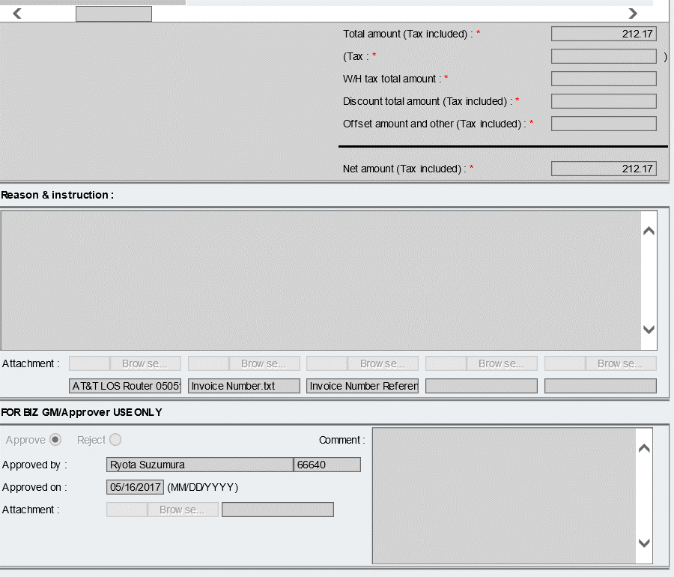
High Level Automated NT01 Process Flow

(1) PIC receives Invoice from vendor and reveiw
(Human process)
(2) PIC send Invoice to specific email box
(Human process)
(3) RPA picks up email and extract data from Invoice
(4)Manual Task to reveiw
(Human Process)
(5) RPA extracts ECC spesific info from "ECC Master" and combine with output of process (4)
(6) Initiate NT01 WorkFlow (Draft)
(7) Create output data

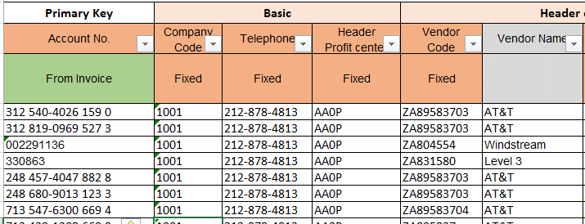
[3_Output Data]
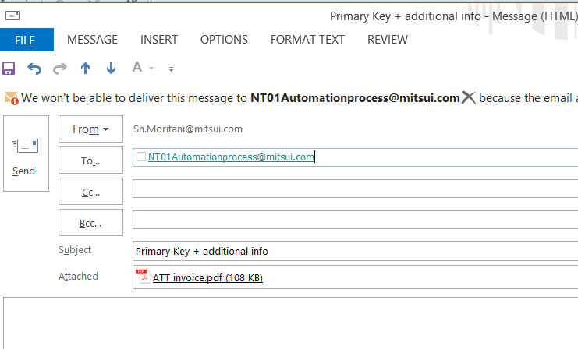

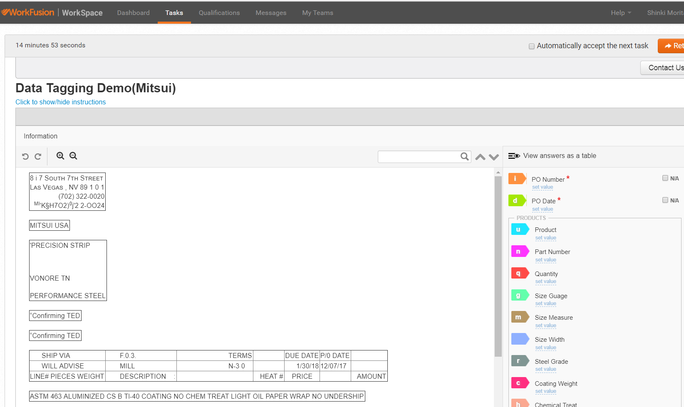

OCR
+
Machine Learning
Lookup
ECC master

1. Based on the result page, workfusion creates the output excel (keep adding the record as workflows is processed )
See "Output Data" sheet
Output
Output
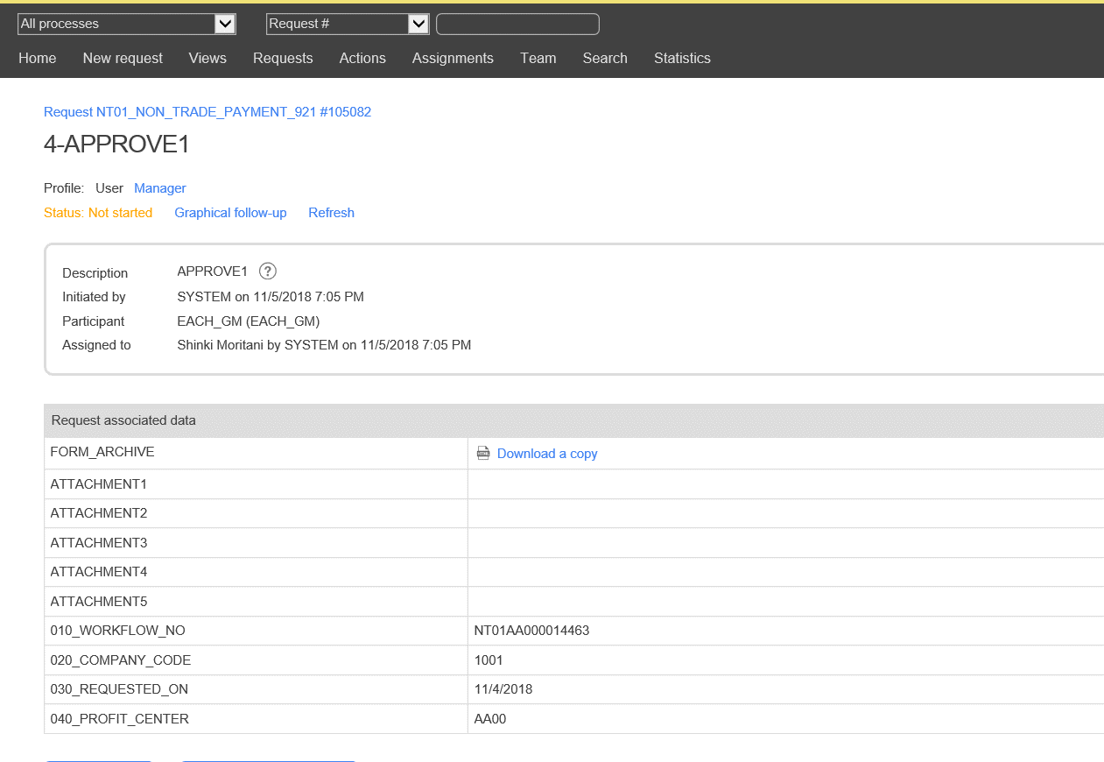

Primary Key should be included in email
[1_OCRed Data]
[1_OCRed Data]

+
1. Save as Draft

[2_ECC Master]
+

Sample mapping between Invoice and NT01 | **Detail needs to be difined

Invoice |  | NT01
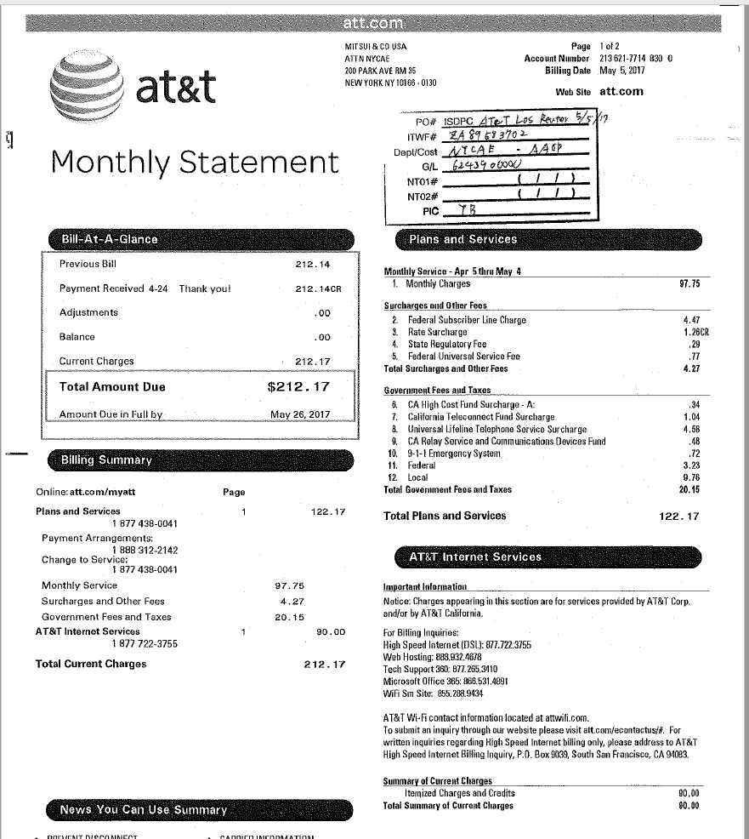
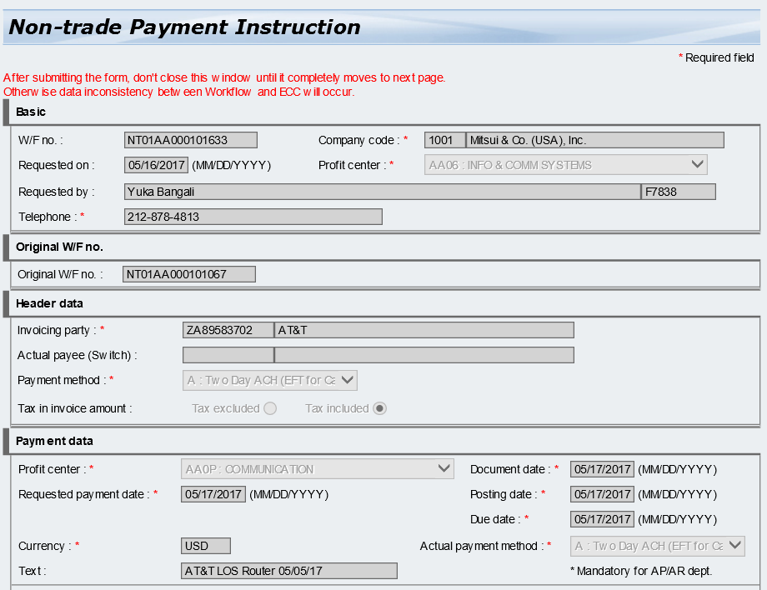

1

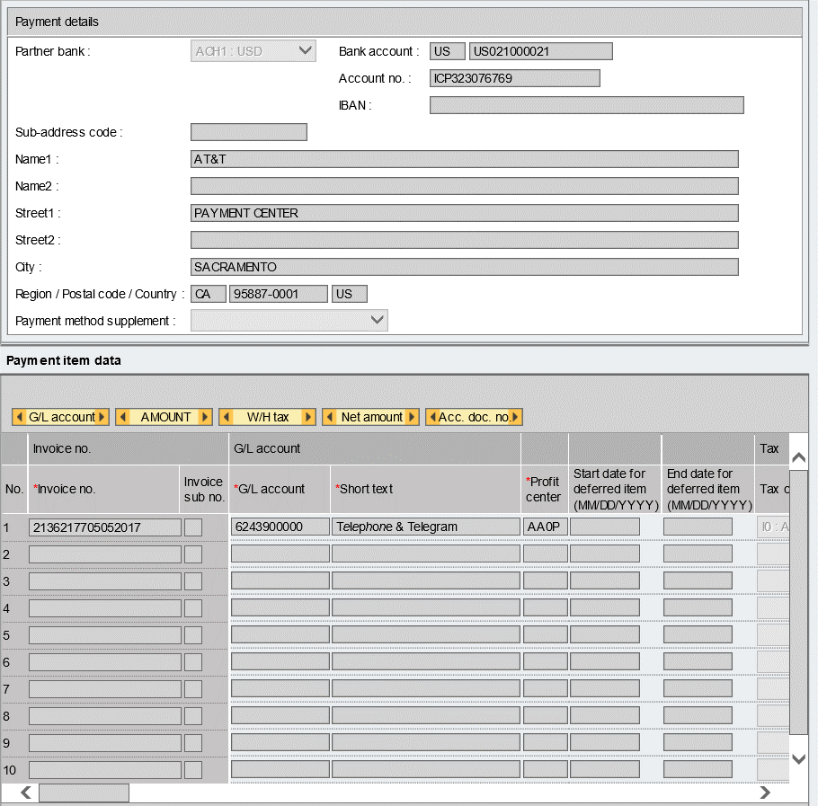

2

In this case, Invoice no = Account no + MM/YYYY
1

2

2_ECC Master
 | Mapping between Invoice and NT01 (Non-Trade Workflow) |  |  |  |  |  | NOT FINALIZED

From Mater Data = Fixed value
From Invoice

 |  | NT01 Input Fields
 |  | Basic |  |  | Header data |  |  |  | Payment data |  |  |  |  | Payment item data
Primary Key | Account No. | Company Code | Telephone | Header Profit center | Vendor Code | Vendor Name | Payment Method | Tax in invoice amount | Profit center payment | Requested payment date | Currency | Text Header (25) | Sub-Address | Invoice No. (16) | G/L Account | Profit center | Tax code | Amount(Tax Included) | Remark1 | Text | Assignment no | Partner Bank | Approver
0 | 1 | 2 | 3 | 4 | 5 | 6 | 7 | 8 | 10 | 11 | 12 | 13 | 14 | 15 | 16 | 17 | 18 | 19 | 21 | 22 | 23 | 24 | 25
ZA89583703-159 | 312 540-4026 159 | 1001 | 212-878-4813 | AA00 | ZA89583703 | AT&T | A | Tax included | AA00 |  |  | AT&T CGO mm/dd/yy |  |  | 6243900000 | AA0P | I0 : A/P Sales Tax, 0% |  | RMT*IV*31254040261590YYMMDD*AMOUNT\ |  | "Dept Code" + "-" + "Profit Center" | ACH | Chowdhury Adnan
ZA89583703-159 | 312 540-4026 159 | 1001 | 212-878-4814 | AA00 | ZA89583703 | AT&T | A | Tax included | AA00 |  |  | AT&T CGO mm/dd/yy |  |  | 6243900000 | AA0P | I0 : A/P Sales Tax, 0% |  | RMT*IV*31254040261590YYMMDD*AMOUNT\ |  | "Dept Code" + "-" + "Profit Center" | ACH | Chowdhury Adnan
ZA89583703-159 | 312 540-4026 159 | 1001 | 212-878-4815 | AA00 | ZA89583703 | AT&T | A | Tax included | AA00 |  |  | AT&T CGO mm/dd/yy |  |  | 6243900000 | AA0P | I0 : A/P Sales Tax, 0% |  | RMT*IV*31254040261590YYMMDD*AMOUNT\ |  | "Dept Code" + "-" + "Profit Center" | ACH | Chowdhury Adnan
ZA89583703-159 | 312 540-4026 159 | 1001 | 212-878-4816 | AA00 | ZA89583703 | AT&T | A | Tax included | AA00 |  |  | AT&T CGO mm/dd/yy |  |  | 6243900000 | AA0P | I0 : A/P Sales Tax, 0% |  | RMT*IV*31254040261590YYMMDD*AMOUNT\ |  | "Dept Code" + "-" + "Profit Center" | ACH | Chowdhury Adnan
ZA89583703-159 | 312 540-4026 159 | 1001 | 212-878-4817 | AA00 | ZA89583703 | AT&T | A | Tax excluded | AA00 |  |  | AT&T CGO mm/dd/yy |  |  | 6243900000 | AA0P | I0 : A/P Sales Tax, 0% |  | RMT*IV*31254040261590YYMMDD*AMOUNT\ |  | "Dept Code" + "-" + "Profit Center" | ACH | Chowdhury Adnan

