Angaben
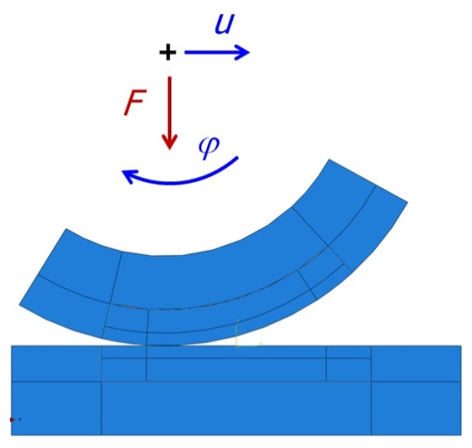
Rollmodell (2D & 3D) |  |  | adaptiert von Martin Pletz, 2019-02-08
 |  |  | Aus Standard Geometrie: F0=150 kN, R=460mm,300mm,E=210GPa,nu=0.3
Variantenname | rollingModel-2D-fast
run/evaluate | run (background)
model file | model_roll.py
evaluation file | -
measurement file | -
Anzahl Prozessoren | 2
Geometrievariante | 2D-fast | 333.26 | 18222.1 | PE
Material variant | R260
Rolllaenge (mm) | 60
Rolllaenge out (mm) | 25
Belastung (%/1) | slip | -0.015
uy0 (mm) | 0.03
Normal load (kN) | 150
Friction coefficient | 0.5
Number Cycles | 1
ob full Output | Yes
ob Rad starr | no
Radius Rad (mm) | 460
Radius Schiene (mm) | 300
Abmessungen |  | fein | mittel | grob | bias
 | length (mm) | 90 | 150 | 260
 | height (mm) | 25 | 40 | 80
 | depth (mm) | 14 | 22 | 35
 | element length (mm) | 2 | 4 | 10 | 2

