View - Nav bar, common elements


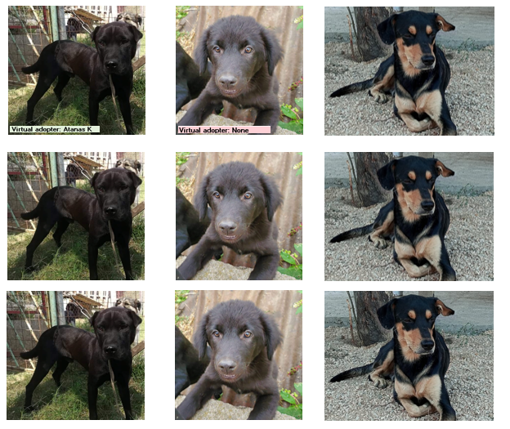
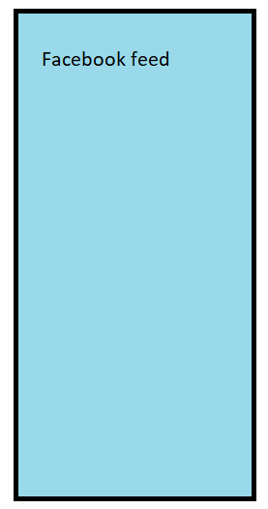
Navigation bar with links
Ads?
Bottom row has subscribe to newsletter



 | Gift a virtual adoption!

 |  | Info
 |  | Num dogs, Monthly expense

View - Dashboard


Have the number of dogs shown per row scalable: high res shows more dogs than low res. | Round corners of images a la AIRBNB
Infinite scroll | Add frame around images
Hover on image to enlarge and show additional photos (arrows pop up), details and share buttons. | Add thin lines separating the images
Randomise ads | Add a share to facebook button
Add filters: sort by time in the shelter, show only dogs without virtual adopters | A random success story

View - About
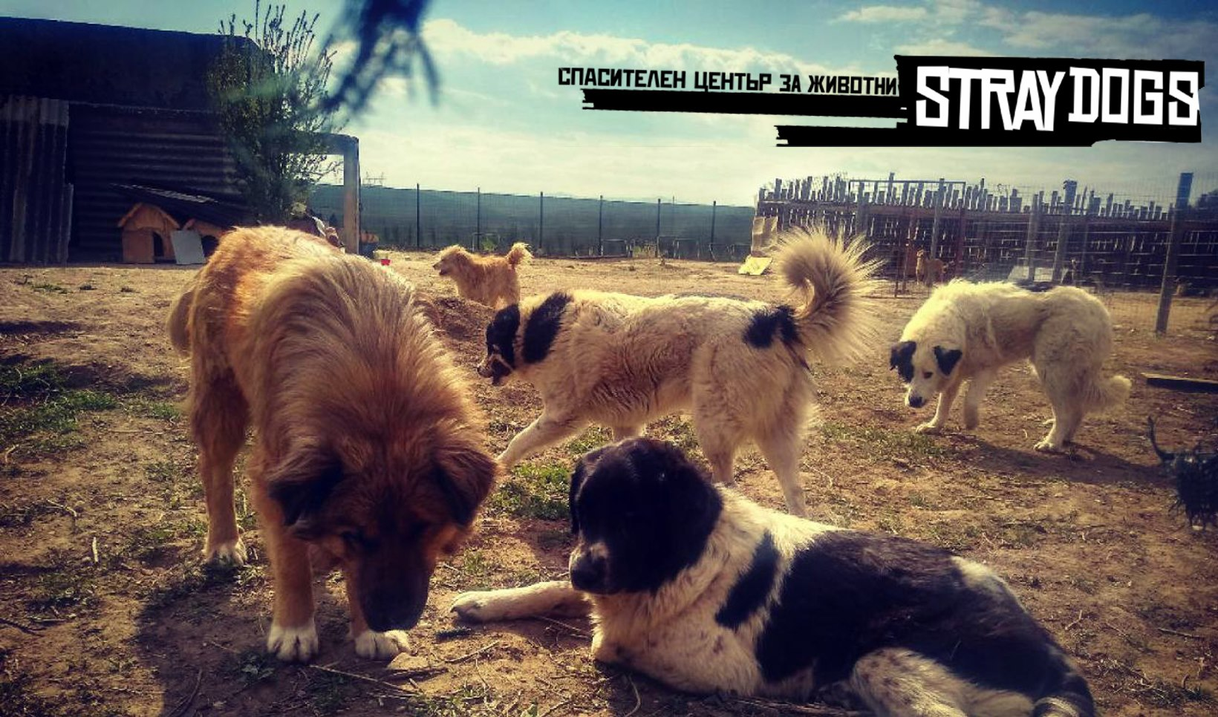
Information about origin
Foundation status
Number of volunteers etc
Location

