ANOVA Example
Link for theory |  | https://sphweb.bumc.bu.edu/otlt/mph-modules/bs/bs704_hypothesistesting-anova/bs704_hypothesistesting-anova_print.html

 | Calorie | Fat | Carbohydrate | Protin
 | 8 | 2 | 3 | 2 |  | Null | All Means are Equal
 | 9 | 4 | 5 | 2 |  | Alternate | All Means are not Equal
 | 6 | 3 | 4 | -1
 | 7 | 5 | 2 | 0
 | 3 | 1 | 3 | 3
 |  |  |  |  |  | Group Avg
Mean | 6.6 | 3 | 3.4 | 1.2 |  | 3.55 | 3.6
n | 5 | 5 | 5 | 5 |  | 20 | 20

SSB

SSE

 | Calorie | (X - 6.6) | (X - 6.6)2 |  | Fat | (X - 3.0) | (X - 3.0)2
 | 8 | 1.4 | 2 |  | 2 | -1 | 1
 | 9 | 2.4 | 5.8 |  | 4 | 1 | 1
 | 6 | -0.6 | 0.4 |  | 3 | 0 | 0
 | 7 | 0.4 | 0.2 |  | 5 | 2 | 4
 | 3 | -3.6 | 13 |  | 1 | -2 | 4
 | Totals | 0 | 21.4 |  | Totals | 0 | 10

 | Carbohydrate | (X - 3.4) | (X - 3.4)2 |  | Protin | (X - 1.2) | (X - 1.2)2
 | 3 | -0.4 | 0.2 |  | 2 | 0.8 | 0.6
 | 5 | 1.6 | 2.6 |  | 2 | 0.8 | 0.6
 | 4 | 0.6 | 0.4 |  | -1 | -2.2 | 4.8
 | 2 | -1.4 | 2 |  | 0 | -1.2 | 1.4
 | 3 | -0.4 | 0.2 |  | 3 | 1.8 | 3.2
 | Totals | 0 | 5.4 |  | Totals | 0 | 10.6

 | Source of Variation | Sums of Squares | Degrees of Freedom | Means Squares | F

 |  | (SS) | (df) | (MS)
 | Between Treatmenst | 75.8 | 4-1=3 | 75.8/3=25.3 | 25.3/3.0=8.43
 | Error (or Residual) | 47.4 | 20-4=16 | 47.4/16=3.0
 | Total

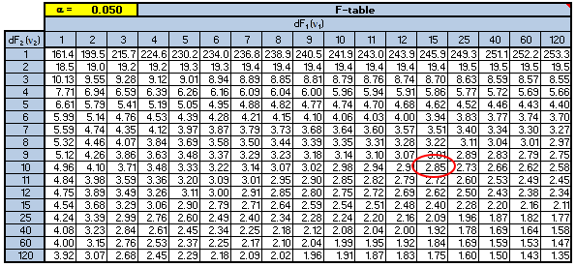
 |  |  |  |  |  |  | From Table | 3.29

 |  |  |  |  |  |  | 8.43 > 3.29

Calculate Value is More than table value, we reject null Hypothesis

