State Spend Summary
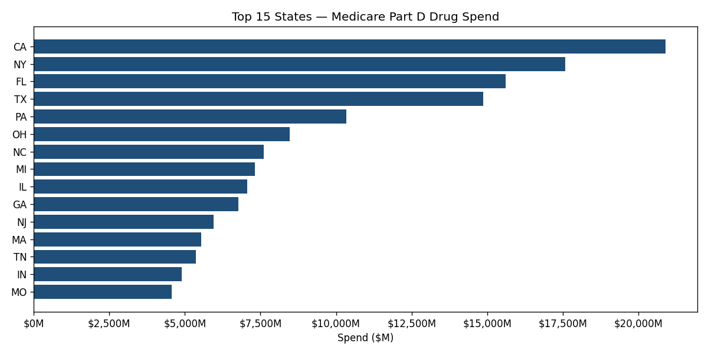
state | spend_millions | total_claims | provider_count
CA | 20904.14 | 124548116 | 110430
NY | 17570.75 | 90405692 | 77179
FL | 15598.88 | 108136489 | 75160
TX | 14874.33 | 92895224 | 72735
PA | 10338.56 | 69163628 | 50761
OH | 8464.95 | 58925738 | 43651
NC | 7610.47 | 49469545 | 36475
MI | 7315.84 | 47180639 | 37055
IL | 7059.06 | 47957448 | 41150
GA | 6772.48 | 44327388 | 29830
NJ | 5958.28 | 33933535 | 28842
MA | 5548.25 | 30885474 | 30824
TN | 5366.69 | 37046044 | 24056
IN | 4895.75 | 32845247 | 21835
MO | 4573.26 | 33385367 | 20971
VA | 4148.76 | 28576071 | 26000
AL | 4121.84 | 27334466 | 14704
KY | 3867.38 | 27714735 | 16245
SC | 3808.24 | 24518794 | 18069
AZ | 3698.85 | 24147310 | 23694

