金箍棒JGB-房東001_Postman設定
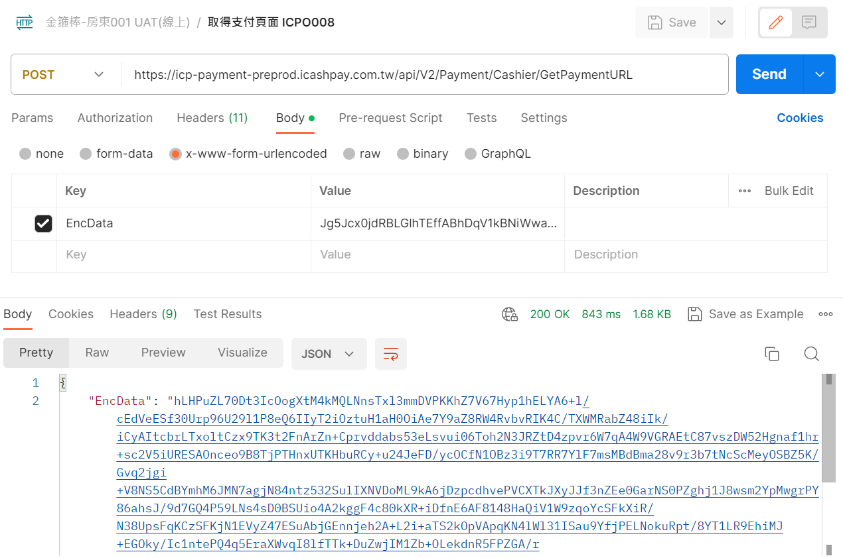
AES加密採用CBC 256Bits
RSA簽章採用RSA Key Size : 2048Bits, 演算法: SHA256WithRSA
PostMan Headers設定
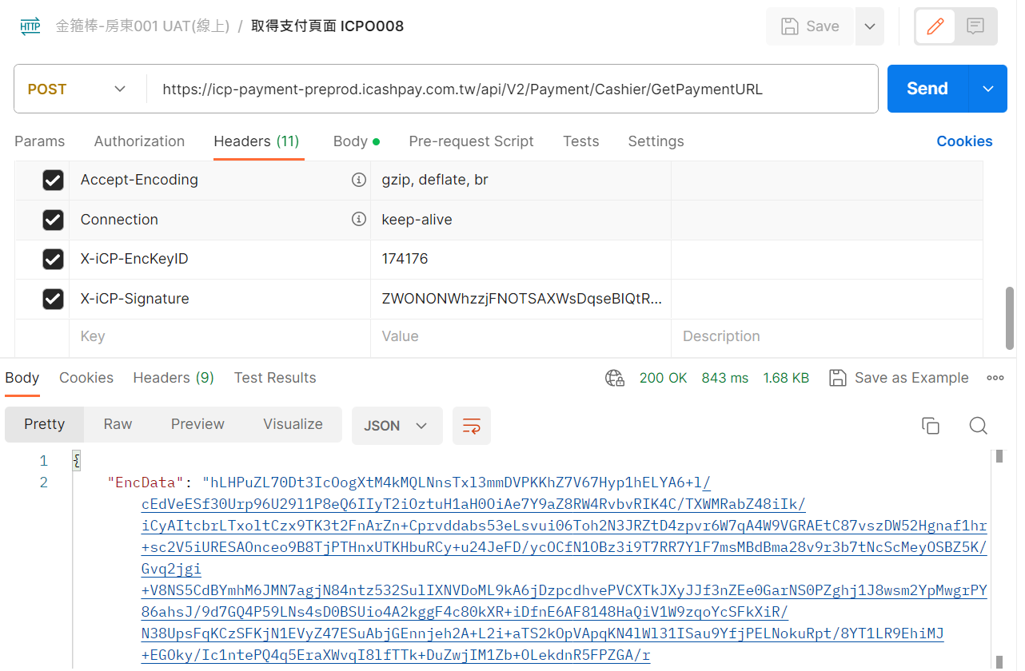

PostMan Body設定

