Result2

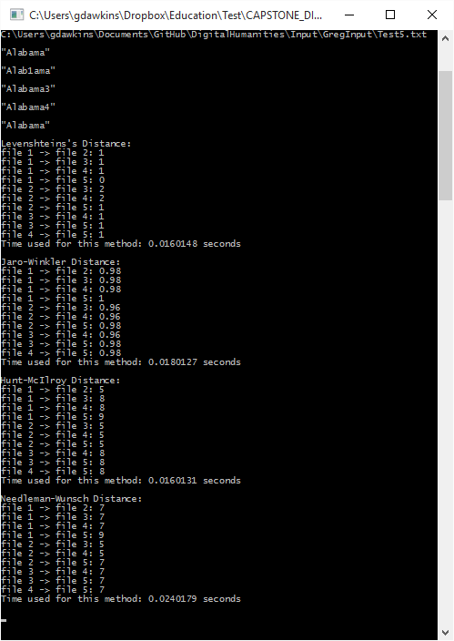
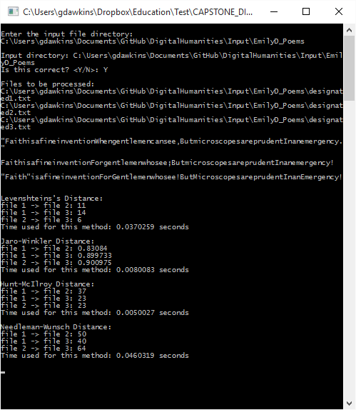
GREG |  |  | ***This is the output the I received when I ran on the Emily D Code
Method | 1 -> 2 | 1 -> 3 | 2 -> 3 | Time | Time2 | Time3 | Avg Time
Levenshtein's Distance | 11 | 14 | 6 | 0.0370259 | 0.0360256 | 0.0400271 | 0.037692866667
Jaro-Winkler Distance | 0.83084 | 0.899733 | 0.900975 | 0.0080083 | 0.0080639 | 0.0077196 | 0.0079306
Hunt-McIlroy Distance | 37 | 23 | 23 | 0.0050027 | 0.0055039 | 0.0055014 | 0.005336
Needleman-Wunsch Distance | 50 | 40 | 64 | 0.0460319 | 0.0460339 | 0.0445299 | 0.0455319

GREG |  |  | ***This is the output that I received when I ran on my test code with short string of "Alabama"
Method | 1 -> 2 | 1 -> 3 | 1 -> 4 | 1 -> 5 | 2 -> 3 | 2 -> 4 | 2 -> 5 | 3 -> 4 | 3 -> 5 | 4 -> 5 | Time
Levenshtein's Distance | 1 | 1 | 1 | 0 | 2 | 2 | 1 | 1 | 1 | 1 | 0.01160148
Jaro-Winkler Distance | 0.98 | 0.98 | 0.98 | 1 | 0.96 | 0.96 | 0.98 | 0.96 | 0.98 | 0.98 | 0.0180127
Hunt-McIlroy Distance | 5 | 8 | 8 | 9 | 5 | 5 | 5 | 8 | 8 | 8 | 0.0160131
Needleman-Wunsch Distance | 59 | 85 | 84 | 109 | 69 | 66 | 59 | 98 | 85 | 84 | 0.0240179

