Result2
Method | 1 -> 2 | 1 -> 3 | 2 -> 3 | Kevin's Time | Marlene's Time | Greg's Time | Avg Time
Levenshtein's Distance | 11 | 14 | 6 | 0.0673834 | 0.0621820 | 0.0323355 | 0.0539670
Jaro-Winkler Distance | 0.83084 | 0.899733 | 0.900975 | 0.0126963 | 0.0621820 | 0.0073338 | 0.0274040
Hunt-McIlroy Distance | 76 | 78 | 77 | 0.0136732 | 0.0485797 | 0.0086673 | 0.0236401
Needleman-Wunsch Distance | 50 | 40 | 64 | 0.0322292 | 0.0310910 | 0.0393360 | 0.0342187

Distance prediction | 1 -> 2 | 1 -> 3 | 2 -> 3
Levenshtein's Distance | 2 | 3 | 1
Jaro-Winkler Distance | 3 | 2 | 1
Hunt-McIlroy Distance | 3 | 1 | 2
Needleman-Wunsch Distance | 2 | 3 | 1

Greg's Computer Info |  |  |  | Marlene's Computer Info

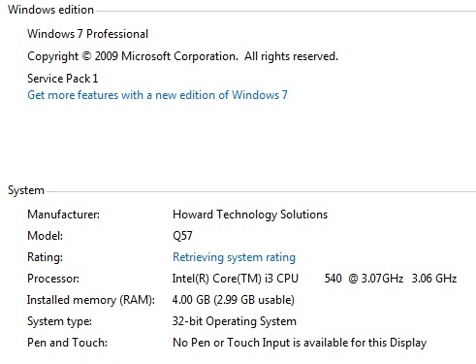

Kevin's Computer Info

Charts
 | Levenshtein's Distance
1 -> 2 | 11
1 -> 3 | 14
2 -> 3 | 6
 | Hunt-McIlroy Distance
1 -> 2 | 76
1 -> 3 | 78
2 -> 3 | 77

 | Jaro-Winkler Distance
1 -> 2 | 0.83084
1 -> 3 | 0.899733
2 -> 3 | 0.900975
 | Needleman-Wunsch Distance
1 -> 2 | 50
1 -> 3 | 40
2 -> 3 | 64

File 2 -> File 3 can be determined to be the closest match using Levenshtein's Distance Algorithm. As one can see, Needleman-Wunsch provides the closest result
in comparison to Levenshtein's Distance.

Distance Prediction
Distance Prediction
 | 1 -> 2 | 1 -> 3 | 2 -> 3
Levenshtein's Distance | 2 | 3 | 1
Jaro-Winkler Distance | 3 | 2 | 1
Hunt-McIlroy Distance | 3 | 1 | 2
Needleman-Wunsch Distance | 2 | 3 | 1

