Bug Report
MANGALORE TRAVELS CORPORATION
OS :Windows, Browser: Chrome |  |  |  | Tested by : Athira Varier M V
VERIFIED BY: Rakhy |  |  |  | Tested On: 16/04/2024
BUG REPORT
HOME PAGE
BUG ID | TEST CASE ID | BUG DESCRIPTION | STEPS TO REPRODUCE | SCREENSHOT | SEVERITY | PRIORITY | STATUS
DEF_MTC_HP_01 | MTC_HP_O10 | LearnMore button is not dislpaying moretaxi services in mangalore | 1. Open link 2.Click Learn More button |  | Major | High | New
DEF_MTC_HP_02 | MTC_HP_O22 | Blog page is named as updates | 1.Open link 2.Click Updates in the footer |  | Minor | Low | New
DEF_MTC_HP_03 | MTC_HP_O23 | Email is not clickable | 1.Open link 2.Click email address in the footer |  | Major | High | New
DEF_MTC_HP_04 | MTC_HP_O24 | Phone number is not clickable | 1.Open link 2.Click phone number in the footer |  | Major | High | New
TAXI SERVICES MANGALORE
DEF_MTC_TSM_01 | MTC_TSM_06 | Page not displays an error message | 1. Open link 2.Click Taxi services in Mangalore 3.Enter characters in the Name field |  | Major | High | New
DEF_MTC_TSM_02 | MTC_TSM_10 | Page have increment/decrement option | 1. Open link 2.Click Taxi services in Mangalore 3.Click Phone field |  | Major | High | New
DEF_MTC_TSM_03 | MTC_TSM_21 | Nature of trip field accepts only numbers | 1. Open link 2.Click Taxi services in Mangalore 3.Enter characters in Nature of trip field |  | Minor | Medium | New
DEF_MTC_TSM_04 | MTC_TSM_24 | Pickup and drop off field accepts numbers only | 1. Open link 2.Click Taxi services in Mangalore 3.Enter numbers in drop off field 4.Enter numbers in pickup field |  | Minor | Medium | New
DEF_MTC_TSM_05 | MTC_TSM_26 | Pickup and drop off field accepts special characters only | 1. Open link 2.Click Taxi services in Mangalore 3.Enter characters in drop off field 4.Enter characters in pickup field | 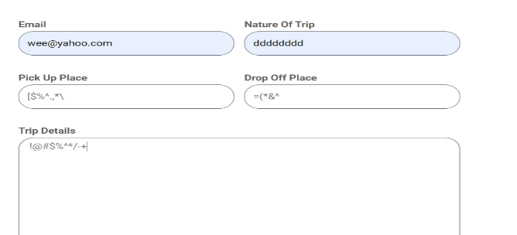 | Minor | Medium | New
DEF_MTC_TSM_06 | MTC_TSM_27 | Nature of trip field accepts special characters | 1. Open link 2.Click Taxi services in Mangalore 3.Enter characters in Nature of trip field |  | Minor | Medium | New
DEF_MTC_TSM_07 | MTC_TSM_29 | Trip details field accpets blank space only | 1. Open link 2.Click Taxi services in Mangalore 3.Enter characters in Trip details off field |  | Minor | Medium | New
DEF_MTC_TSM_08 | MTC_TSM_33 | An unexpected image is displayed with message | 1. Open link 2.Click Taxi services in Mangalore 3.Click Submit button |  | Trivial | Medium | New
BOOKING
DEF_MTC_BK_01 | MTC_BK_12 | Form accept the blank space only | 1. Open the link 2.Click Contact Us 3.Click Name field 4.Enter the characters in the field |  | Major | High | New
DEF_MTC_BK_02 | MTC_BK_13 | Form accept the special characters only | 1. Open the link 2.Click Contact Us 3.Click Name field 4.Enter the characters in the field |  | Major | High | New
DEF_MTC_BK_03 | MTC_BK_14 | Name field shout accept only numbers | 1. Open the link 2.Click Contact Us 3.Click Name field 4.Enter the characters in the field |  | Major | High | New
DEF_MTC_BK_04 | MTC_BK_24 | Error message is not displayed under the field | 1. Open the link 2.Click Contact Us 3.Click Pickup place 4.Enter numbers in the field |  | Minor | Medium | New
DEF_MTC_BK_05 | MTC_BK_25 | Error message is not displayed under the field | 1. Open the link 2.Click Contact Us 3.Click Pickup place 4.Enter special characters in the field |  | Minor | Medium | New
DEF_MTC_BK_06 | MTC_BK_28 | Error message is not displayed under the field | 1. Open the link 2.Click Contact Us 3.Click Dropoff place 4.Enter special characters in the field |  | Minor | Medium | New
DEF_MTC_BK_07 | MTC_BK_29 | Error message is not displayed under the field | 1. Open the link 2.Click Contact Us 3.Click Dropoff place 4.Enter numbers in the field |  | Minor | Medium | New
DEF_MTC_BK_08 | MTC_BK_38 | Error message is not displayed under the field | 1. Open the link 2.Click Contact Us 3.Click Nature of trip field 4.Enter special characters in the field |  | Minor | Medium | New
DEF_MTC_BK_09 | MTC_BK_39 | Error message is not displayed under the field | 1. Open the link 2.Click Contact Us 3.Click Nature of trip field 4.Enter numbers in the field |  | Minor | Medium | New
DEF_MTC_BK_10 | MTC_BK_41 | Error message is not displayed under the field | 1. Open the link 2.Click Contact Us 3.Click Nature of trip field 4.Enter characters in the field |  | Minor | Medium | New
DEF_MTC_BK_11 | MTC_BK_43 | Trip details field is expanding and collapsing while dragging | 1. Open the link 2.Click Contact Us 3.Click Trip details field 4.Drag the field |  | Major | High | New
DEF_MTC_BK_12 | MTC_BK_45 | Error message is not displayed under the field | 1. Open the link 2.Click Contact Us 3.Click Trip details field 5.Enter blank spaces in the field |  | Minor | Medium | New
DEF_MTC_BK_13 | MTC_BK_46 | Error message is not displayed under the field | 1. Open the link 2.Click Contact Us 3.Click Trip details field 5.Enter special in the field |  | Minor | Medium | New
DEF_MTC_BK_14 | MTC_BK_47 | Error message is not displayed under the field | 1. Open the link 2.Click Contact Us 3.Click Trip details field 5.Enter numbers in the field |  | Minor | Medium | New
DEF_MTC_BK_15 | MTC_BK_50 | Both email address and phone number are not clickable | 1. Open the link 2.Click Contact Us 3.Click Email address 5.Click phone number |  | Minor | Medium | New
 |  |  | OUR SERVICES
DEF_MTC_SRVC_01 | MTC_SP_07 | Some irrelavent datas are displayed in the page | 1.Open link 2.Click Our services 3.Click Mangalore Tample Tours |  | Minor | Low | New
DEF_MTC_SRVC_02 | MTC_SP_08 | Heading is miss spelled in 'Mangalore tample tours' | 1.Open link 2.Click Our services |  | Trivial | High | New
DEF_MTC_SRVC_03 | MTC_SP_09 | Contents not alligned propely | 1.Open link 2.Click Our services 3.Click Mangalore Tample Tours |  | Minor | High | New
DEF_MTC_SRVC_04 | MTC_SP_11 | Sub headings are redirect to home while clicking | 1.Open link 2.Click Our services 3.Click Mangalore Tample Tours 4.Click Mangaladevi temple 5.Click Someshwara temple and beach etc |  |  |  | New
DEF_MTC_SRVC_05 | MTC_SP_12 | Redirect to home page | 1.Open link 2.Click Our services 3.Click Mangalore Tample Tours 4.Click Mangalore to Temple trip cab service |  |  |  | New
DEF_MTC_SRVC_06 | MTC_SP_13 | Page is not found | 1.Open link 2.Click Our services 3.Click Mangalore Tample Tours 4.Click Mangalore to Kollur Mookambika taxi fare |  | Major | Medium | New
DEF_MTC_SRVC_07 | MTC_SP_15 | Page is redirect to Facebook page | 1.Open link 2.Click Our services 3.Click Mangalore Tample Tours 4.Click Mangalore Temple Trips Car Rental Options |  | Major | Medium | New
DEF_MTC_SRVC_08 | MTC_SP_16 | Page is not found | 1.Open link 2.Click Our services 3.Click Mangalore Tample Tours 4.Click Mangalore Temple Tour Taxi Fare 5.Click Mangalore Temple Tour Packages |  | Major | Medium | New
DEF_MTC_SRVC_09 | MTC_SP_18 | Redirect to worng page | 1.Open link 2.Click Our services 3.Click Mangalore Tample Tours 4.Click Next post 5.Click Mangalore to Purple Palms Resort & Spa Cab service and taxi charges |  | Major | Medium | New
DEF_MTC_SRVC_10 | MTC_SP_19 | Image is not visible | 1.Open link 2.Click Our services 3.Click Mangalore Tample Tours 4.Click Next post 5.Mangalore to Purple Palms Resort & Spa Cab service and taxi charges |  | Trivial | Medium | New
DEF_MTC_SRVC_11 | MTC_SP_20 | Error message like page not found is present | 1.Open link 2.Click Our services 3.Click Mangalore Tample Tours 4.Click Next post 5.Click Mangalore Airport to Purple Palms Resort & Spa Madikeri Cabs |  | Major | Medium | New
DEF_MTC_SRVC_12 | MTC_SP_22 | Page have magalore to resort tour package service is not redirect properly | 1.Open link 2.Click Our services 3.Click Mangalore Tample Tours 4.Click Next post 5.Click Mangalore to Purple Palms Resort & Spa Madikeri Tour Packages |  | Major | Medium | New
DEF_MTC_SRVC_13 | MTC_SP_26 | Book Now button is repeated | 1.Open link 2.Click Our services 3.Click Outstation taxi service |  | Minor | Low | New
DEF_MTC_SRVC_14 | MTC_SP_27 | Some datas are not alligned properly | 1.Open link 2.Click Our services 3.Click Outstation taxi service |  | Minor | High | New
DEF_MTC_SRVC_15 | MTC_SP_29 | Page is redirect to the same page | 1.Open link 2.Click Our services 3.Click Airport taxi services 4.Click BookNow |  | Major | High | New
DEF_MTC_SRVC_16 | MTC_SP_30 | Some contents in the page have diffent font | 1.Open link 2.Click Our services 3.Click Airport taxi services | 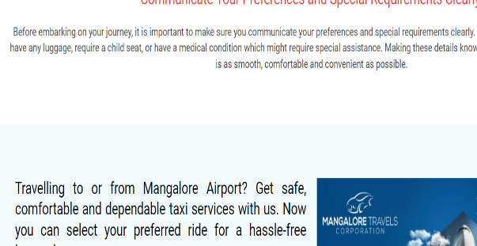 | Trivial | High | New
DEF_MTC_SRVC_17 | MTC_SP_36 | Some contents in the page have diffent font | 1.Open link 2.Click Our services 3.Click Wedding cars in mangalore | 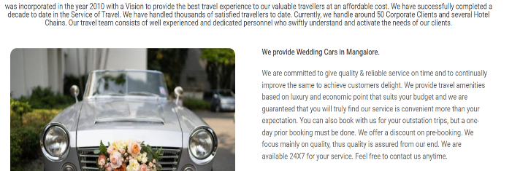 | Trivial | High | New
DEF_MTC_SRVC_18 | MTC_SP_37 | Contact us is repeated in the page | 1.Open link 2.Click Our services 3.Click Wedding cars in mangalore |  | Minor | Medium | New
DEF_MTC_SRVC_19 | MTC_SP_38 | Some contents are not alligned properly | 1.Open link 2.Click Our services 3.Click Wedding cars in mangalore |  | Minor | Medium | New
DEF_MTC_SRVC_20 | MTC_SP_41 | Contact us is repeated in the page | 1.Open link 2.Click Our services 3.Click Wedding cars in mangalore |  | Major | Medium | New
DEF_MTC_SRVC_21 | MTC_SP_42 | Some contents are not alligned properly | 1.Open link 2.Click Our services 3.Click Wedding cars in mangalore |  | Minor | Medium | New
DEF_MTC_SRVC_22 | MTC_SP_44 | Some contents are not alligned properly | 1.Open link 2.Click Our services 3.Click Wedding cars in mangalore 4.Click Luxury Cars for Local & Outstation |  | Minor | Medium | New
DEF_MTC_SRVC_23 | MTC_SP_45 | Some contents are not relevant | 1.Open link 2.Click Our services 3.Click Wedding cars in mangalore 4.Click Luxury Cars for Local & Outstation |  | Minor | Medium | New
DEF_MTC_SRVC_24 | MTC_SP_46 | Headings are given as links | 1.Open link 2.Click Our services 3.Click Wedding cars in mangalore 4.Click Luxury Cars for Local & Outstation |  | Minor | High | New
DEF_MTC_SRVC_25 | MTC_SP_47 | Font style is not same for the contents in the page | 1.Open link 2.Click Our services 3.Click Wedding cars in mangalore 4.Click Luxury Cars for Local & Outstation |  | Trivial | Medium | New
DEF_MTC_SRVC_26 | MTC_SP_55 | Contents not alligned propely | 1.Open link 2.Click Our services 3.Click Tour Plans from Drop down menu |  | Minor | Medium | New
DEF_MTC_SRVC_27 | MTC_SP_56 | Some contents are irrelevant | 1.Open link 2.Click Our services 3.Click Tour Plans from Drop down menu |  | Minor | High | New
DEF_MTC_SRVC_28 | MTC_SP_58 | Page doesn't have any information | 1.Open link 2.Click Our services 3.Click Chick mangaluru from Drop down menu |  | Major | High | New
DEF_MTC_SRVC_29 | MTC_SP_65 | Headings are given as links | 1.Open link 2.Click Our services 3.Click Coorg from Drop down menu 4.Click coorg day trip |  | Minor | Medium | New
DEF_MTC_SRVC_30 | MTC_SP_66 | Some datas are not relevant | 1.Open link 2.Click Our services 3.Click Coorg from Drop down menu 4.Click coorg day trip |  | Major | Low | New
DEF_MTC_SRVC_31 | MTC_SP_67 | Headings are given as links | 1.Open link 2.Click Our services 3.Click Coorg from Drop down menu 4.Click coorg 2 days trip |  | Minor | Medium | New
DEF_MTC_SRVC_32 | MTC_SP_68 | Some datas are not relevant | 1.Open link 2.Click Our services 3.Click Coorg from Drop down menu 4.Click coorg 2 days trip |  | Major | Low | New
DEF_MTC_SRVC_33 | MTC_SP_71 | Headings are given as links | 1.Open link 2.Click Our services 3.Click Coorg from Drop down menu 4.Click coorg 3 days trip |  | Minor | Medium | New
DEF_MTC_SRVC_34 | MTC_SP_72 | Some datas are not relevant | 1.Open link 2.Click Our services 3.Click Coorg from Drop down menu 4.Click coorg 3 days trip |  | Major | Low | New
DEF_MTC_SRVC_35 | MTC_SP_75 | Headings are given as links | 1.Open link 2.Click Our services 3.Click Coorg from Drop down menu 4.Click coorg 4 days trip |  | Minor | Medium | New
DEF_MTC_SRVC_36 | MTC_SP_76 | Some datas are not relevant | 1.Open link 2.Click Our services 3.Click Coorg from Drop down menu 4.Click coorg 4 days trip |  | Major | Low | New
DEF_MTC_SRVC_37 | MTC_SP_81 | Page not have next post link | 1.Open link 2.Click Our services 3.Click Coorg from Drop down menu 4.Click coorg 5 days trip |  | Minor | Low | New
DEF_MTC_SRVC_38 | MTC_SP_82 | Page not have previous post link | 1.Open link 2.Click Our services 3.Click Coorg from Drop down menu 4.Click coorg 5 days trip |  | Minor | Low | New
DEF_MTC_SRVC_39 | MTC_SP_83 | Headings are given as links | 1.Open link 2.Click Our services 3.Click Coorg from Drop down menu 4.Click coorg 6 days trip |  | Minor | Medium | New
DEF_MTC_SRVC_40 | MTC_SP_84 | Some datas are not relevant | 1.Open link 2.Click Our services 3.Click Coorg from Drop down menu 4.Click coorg 6 days trip |  | Major | Low | New
DEF_MTC_SRVC_41 | MTC_SP_89 | Some contents are in different style | 1.Open link 2.Click Our services 3.Click Coorg from Drop down menu 4.Click coorg 6 days trip |  | Major | Medium | New
DEF_MTC_SRVC_42 | MTC_SP_90 | Some contents are not relevant | 1.Open link 2.Click Our services 3.Click Coorg from Drop down menu 4.Click coorg 6 days trip |  | Major | Medium | New

Deffect Distribution
DEFFECT DISTRIBUTION GRAPH
MODULE NAME | DEFECT DISTRIBUTION
Home | 4
Taxi_Services_Mangalore | 8
Our Services | 42
Booking | 15

