figure step001_1
back

 | Source
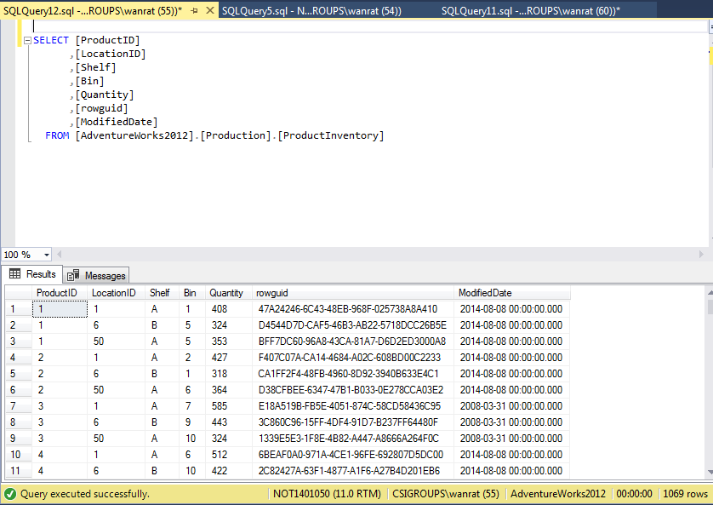
 |  | -- Source --
 |  | SELECT [ProductID]
 |  | ,[LocationID]
 |  | ,[Shelf]
 |  | ,[Bin]
 |  | ,[Quantity]
 |  | ,[rowguid]
 |  | ,[ModifiedDate]
 |  | FROM [AdventureWorks2012].[Production].[ProductInventory]

 | Target
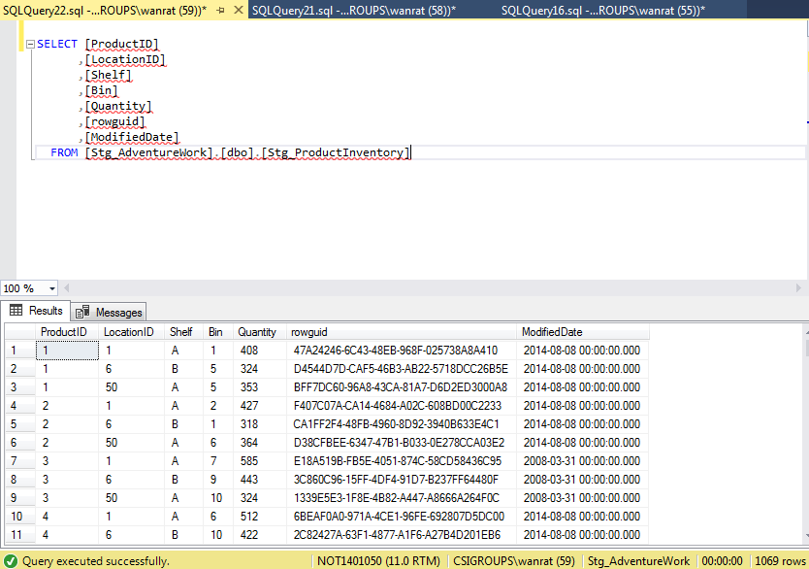
 |  | -- Target--
 |  | SELECT [ProductID]
 |  | ,[LocationID]
 |  | ,[Shelf]
 |  | ,[Bin]
 |  | ,[Quantity]
 |  | ,[rowguid]
 |  | ,[ModifiedDate]
 |  | FROM [Stg_AdventureWork].[dbo].[Stg_ProductInventory]

figure step001_2
back

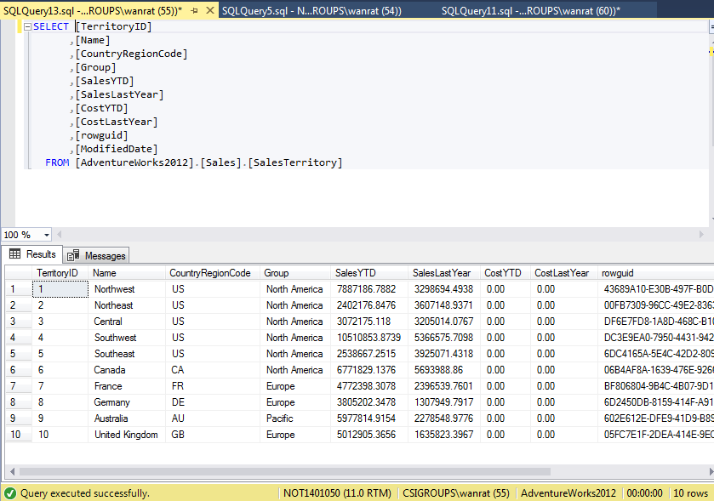
 | Source | -- Source --
 |  | SELECT [TerritoryID]
 |  | ,[Name]
 |  | ,[CountryRegionCode]
 |  | ,[Group]
 |  | ,[SalesYTD]
 |  | ,[SalesLastYear]
 |  | ,[CostYTD]
 |  | ,[CostLastYear]
 |  | ,[rowguid]
 |  | ,[ModifiedDate]
 |  | FROM [AdventureWorks2012].[Sales].[SalesTerritory]

 | Target
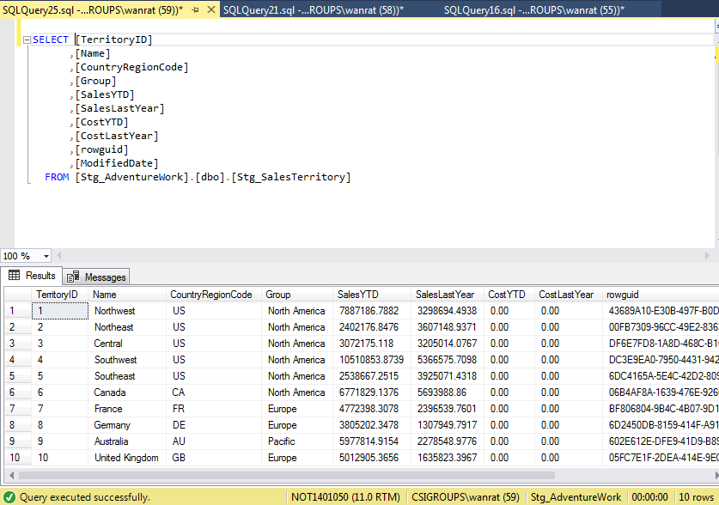

 |  | -- Target--
 |  | SELECT [TerritoryID]
 |  | ,[Name]
 |  | ,[CountryRegionCode]
 |  | ,[Group]
 |  | ,[SalesYTD]
 |  | ,[SalesLastYear]
 |  | ,[CostYTD]
 |  | ,[CostLastYear]
 |  | ,[rowguid]
 |  | ,[ModifiedDate]
 |  | FROM [Stg_AdventureWork].[dbo].[Stg_SalesTerritory]

figure step001_3
back

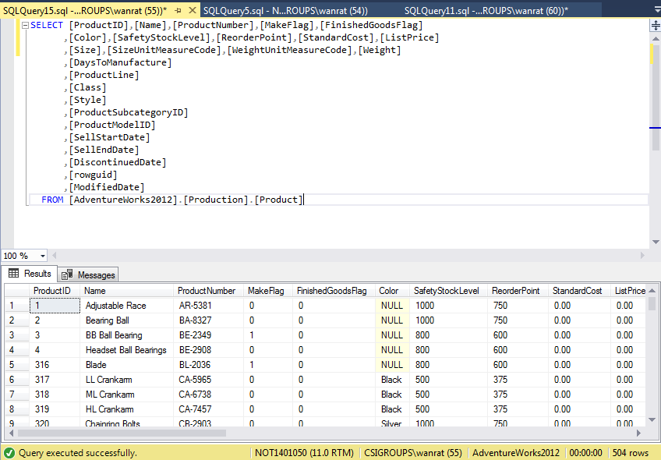
 | Source
 |  | -- Source --
 |  | SELECT [ProductID],[Name],[ProductNumber],[MakeFlag],[FinishedGoodsFlag]
 |  | ,[Color],[SafetyStockLevel],[ReorderPoint],[StandardCost],[ListPrice]
 |  | ,[Size],[SizeUnitMeasureCode],[WeightUnitMeasureCode],[Weight]
 |  | ,[DaysToManufacture]
 |  | ,[ProductLine]
 |  | ,[Class]
 |  | ,[Style]
 |  | ,[ProductSubcategoryID]
 |  | ,[ProductModelID]
 |  | ,[SellStartDate]
 |  | ,[SellEndDate]
 |  | ,[DiscontinuedDate]
 |  | ,[rowguid]
 |  | ,[ModifiedDate]
 |  | FROM [AdventureWorks2012].[Production].[Product]

 | Target

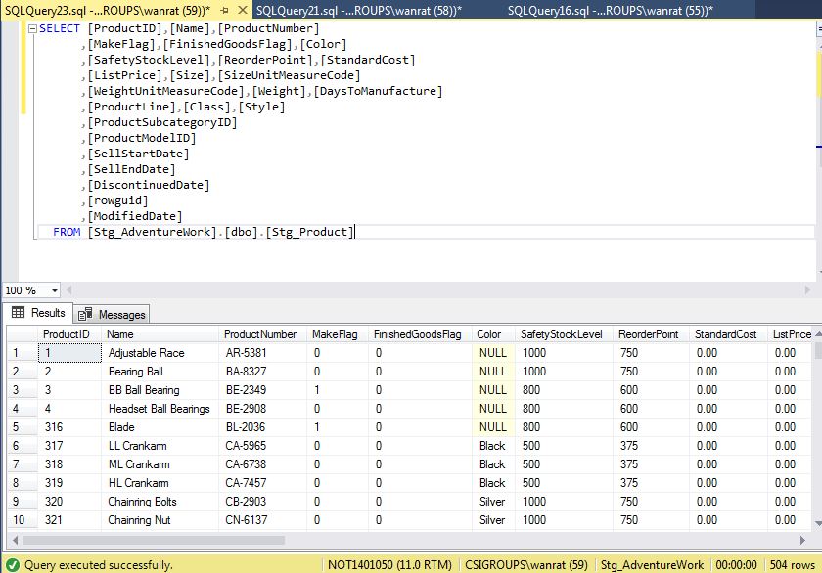
 |  |  | -- Target--
 |  |  | SELECT [ProductID],[Name],[ProductNumber]
 |  |  | ,[MakeFlag],[FinishedGoodsFlag],[Color]
 |  |  | ,[SafetyStockLevel],[ReorderPoint],[StandardCost]
 |  |  | ,[ListPrice],[Size],[SizeUnitMeasureCode]
 |  |  | ,[WeightUnitMeasureCode],[Weight],[DaysToManufacture]
 |  |  | ,[ProductLine],[Class],[Style]
 |  |  | ,[ProductSubcategoryID]
 |  |  | ,[ProductModelID]
 |  |  | ,[SellStartDate]
 |  |  | ,[SellEndDate]
 |  |  | ,[DiscontinuedDate]
 |  |  | ,[rowguid]
 |  |  | ,[ModifiedDate]
 |  |  | FROM [Stg_AdventureWork].[dbo].[Stg_Product]

figure step001_4
back

 | Source
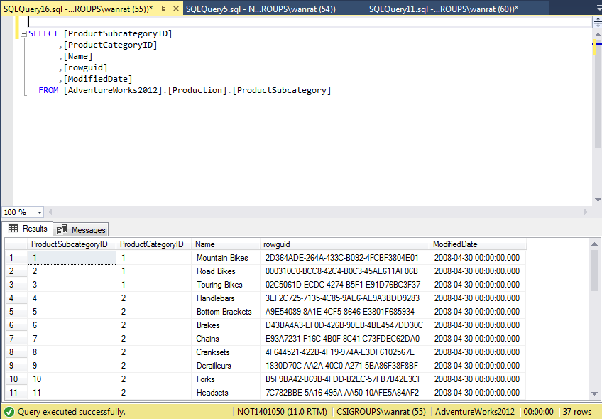
 |  | -- Source --
 |  | SELECT [ProductSubcategoryID]
 |  | ,[ProductCategoryID]
 |  | ,[Name]
 |  | ,[rowguid]
 |  | ,[ModifiedDate]
 |  | FROM [AdventureWorks2012].[Production].[ProductSubcategory]

 | Target

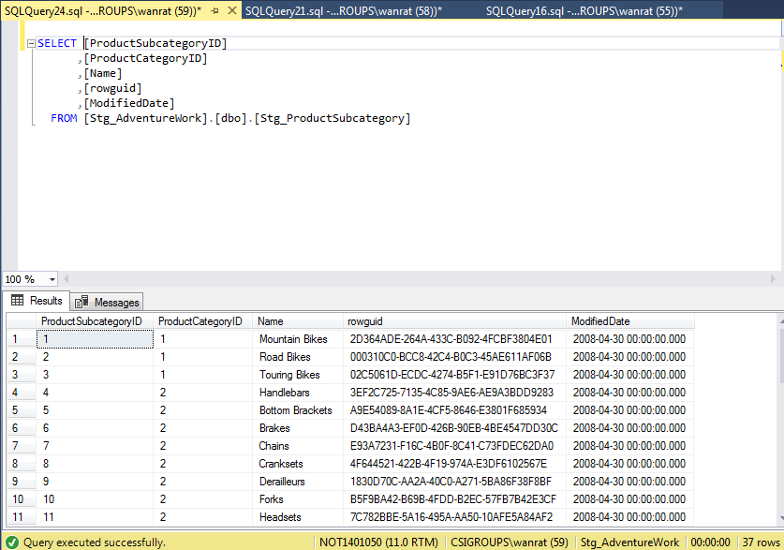
 |  | -- Target--
 |  | SELECT [ProductSubcategoryID]
 |  | ,[ProductCategoryID]
 |  | ,[Name]
 |  | ,[rowguid]
 |  | ,[ModifiedDate]
 |  | FROM [Stg_AdventureWork].[dbo].[Stg_ProductSubcategory]

figure step001_5
back

 | Source
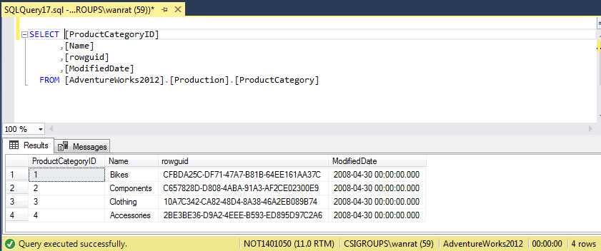
 |  | -- Source --
 |  | SELECT [ProductCategoryID]
 |  | ,[Name]
 |  | ,[rowguid]
 |  | ,[ModifiedDate]
 |  | FROM [AdventureWorks2012].[Production].[ProductCategory]

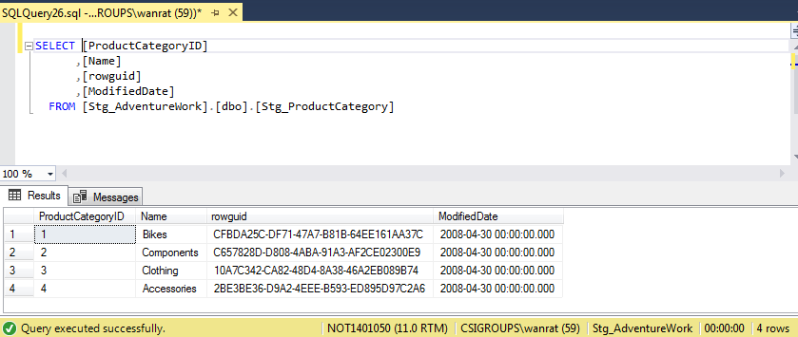
 | Target
 |  | -- Target--
 |  | SELECT [ProductCategoryID]
 |  | ,[Name]
 |  | ,[rowguid]
 |  | ,[ModifiedDate]
 |  | FROM [Stg_AdventureWork].[dbo].[Stg_ProductCategory]

figure step001_6
back

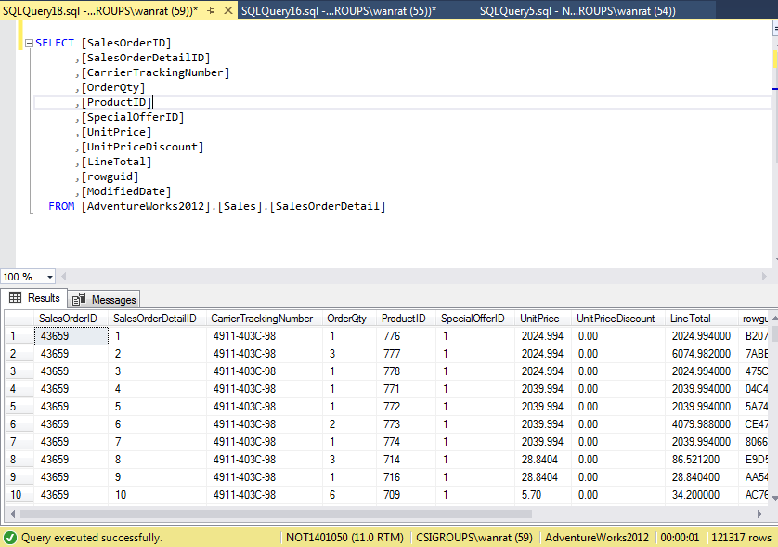
 | Source | -- Source --
 |  | SELECT [SalesOrderID]
 |  | ,[SalesOrderDetailID]
 |  | ,[CarrierTrackingNumber]
 |  | ,[OrderQty]
 |  | ,[ProductID]
 |  | ,[SpecialOfferID]
 |  | ,[UnitPrice]
 |  | ,[UnitPriceDiscount]
 |  | ,[LineTotal]
 |  | ,[rowguid]
 |  | ,[ModifiedDate]
 |  | FROM [AdventureWorks2012].[Sales].[SalesOrderDetail]

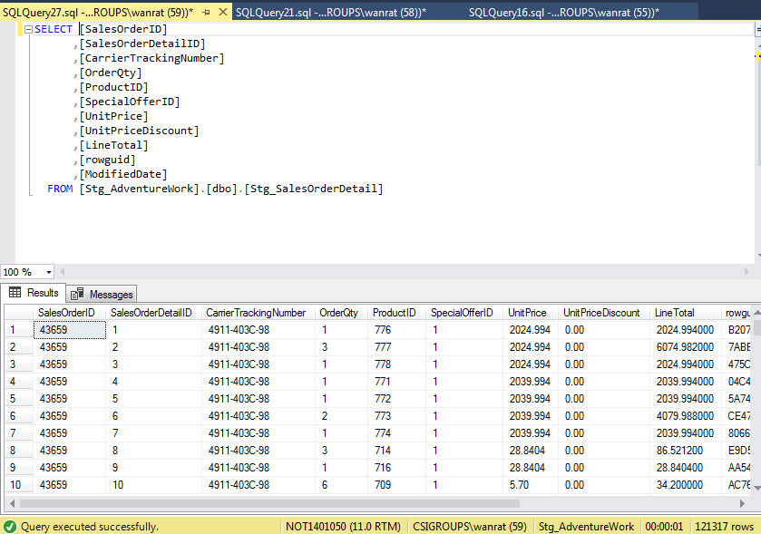
 | Target
 |  | -- Target--
 |  | SELECT [SalesOrderID]
 |  | ,[SalesOrderDetailID]
 |  | ,[CarrierTrackingNumber]
 |  | ,[OrderQty]
 |  | ,[ProductID]
 |  | ,[SpecialOfferID]
 |  | ,[UnitPrice]
 |  | ,[UnitPriceDiscount]
 |  | ,[LineTotal]
 |  | ,[rowguid]
 |  | ,[ModifiedDate]
 |  | FROM [Stg_AdventureWork].[dbo].[Stg_SalesOrderDetail]

figure step001_7
back

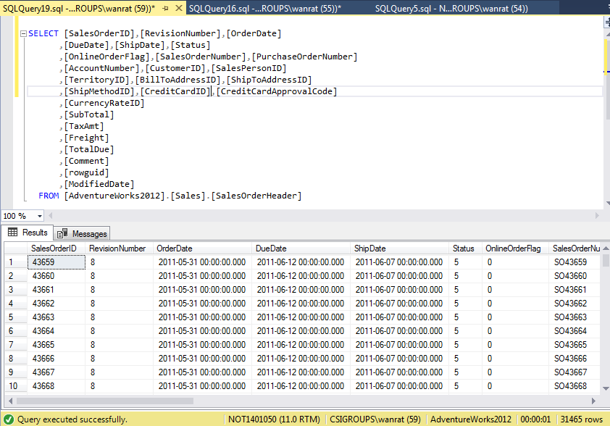
 | Source
 |  | -- Source --
 |  | SELECT [SalesOrderID],[RevisionNumber],[OrderDate]
 |  | ,[DueDate],[ShipDate],[Status]
 |  | ,[OnlineOrderFlag],[SalesOrderNumber],[PurchaseOrderNumber]
 |  | ,[AccountNumber],[CustomerID],[SalesPersonID]
 |  | ,[TerritoryID],[BillToAddressID],[ShipToAddressID]
 |  | ,[ShipMethodID],[CreditCardID],[CreditCardApprovalCode]
 |  | ,[CurrencyRateID]
 |  | ,[SubTotal]
 |  | ,[TaxAmt]
 |  | ,[Freight]
 |  | ,[TotalDue]
 |  | ,[Comment]
 |  | ,[rowguid]
 |  | ,[ModifiedDate]
 |  | FROM [AdventureWorks2012].[Sales].[SalesOrderHeader]

 | Target

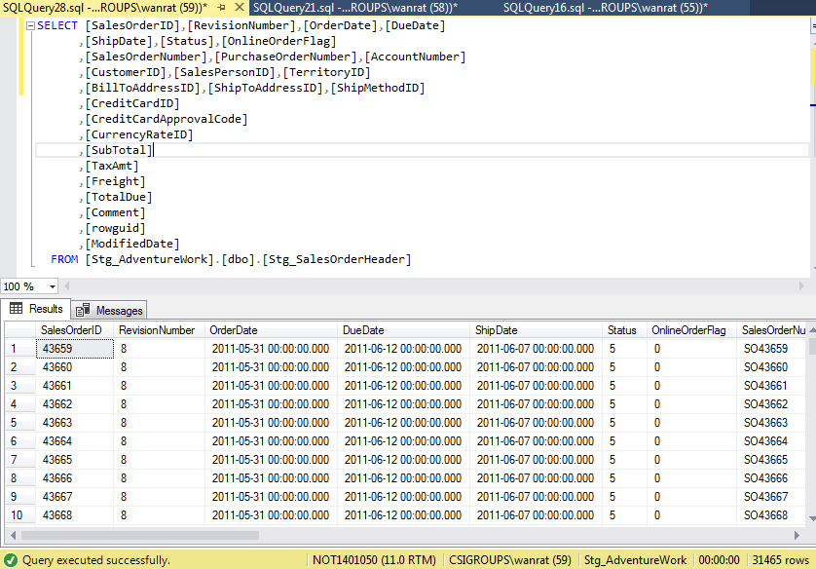

 |  | -- Target--
 |  | SELECT [SalesOrderID],[RevisionNumber],[OrderDate],[DueDate]
 |  | ,[ShipDate],[Status],[OnlineOrderFlag]
 |  | ,[SalesOrderNumber],[PurchaseOrderNumber],[AccountNumber]
 |  | ,[CustomerID],[SalesPersonID],[TerritoryID]
 |  | ,[BillToAddressID],[ShipToAddressID],[ShipMethodID]
 |  | ,[CreditCardID]
 |  | ,[CreditCardApprovalCode]
 |  | ,[CurrencyRateID]
 |  | ,[SubTotal]
 |  | ,[TaxAmt]
 |  | ,[Freight]
 |  | ,[TotalDue]
 |  | ,[Comment]
 |  | ,[rowguid]
 |  | ,[ModifiedDate]
 |  | FROM [Stg_AdventureWork].[dbo].[Stg_SalesOrderHeader]

figure step001_8
back

 | Source
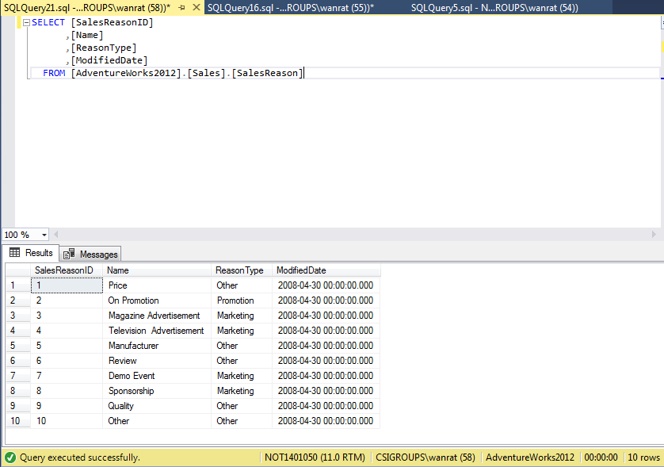

 |  | -- Source --
 |  | SELECT [SalesReasonID]
 |  | ,[Name]
 |  | ,[ReasonType]
 |  | ,[ModifiedDate]
 |  | FROM [AdventureWorks2012].[Sales].[SalesReason]

 | Target
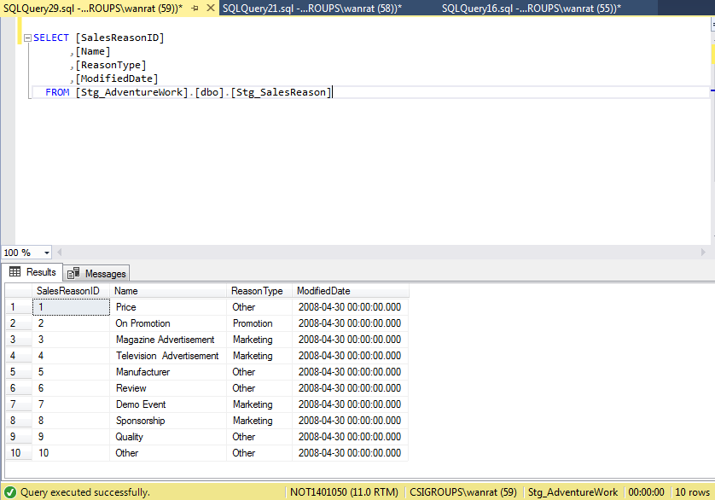

 |  | -- Target--
 |  | SELECT [SalesReasonID]
 |  | ,[Name]
 |  | ,[ReasonType]
 |  | ,[ModifiedDate]
 |  | FROM [Stg_AdventureWork].[dbo].[Stg_SalesReason]

figure step001_9
back

 | Source
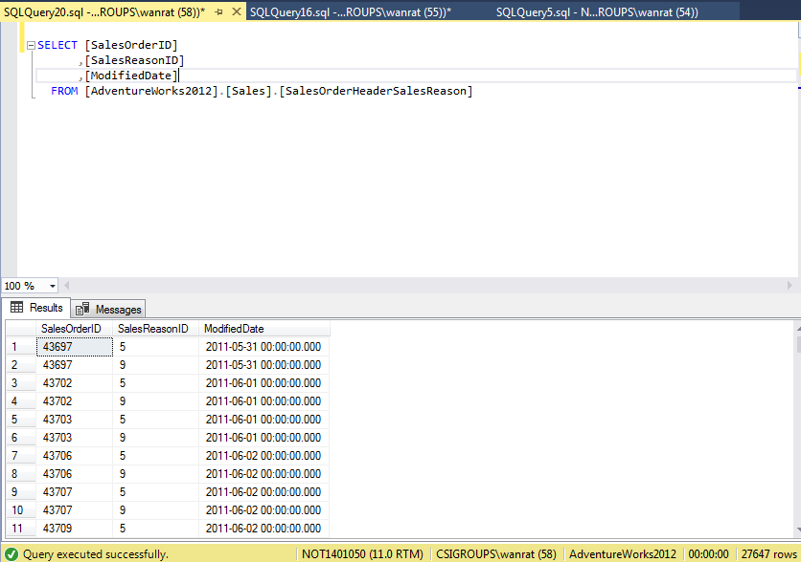
 |  | -- Source --
 |  | SELECT [SalesOrderID]
 |  | ,[SalesReasonID]
 |  | ,[ModifiedDate]
 |  | FROM [AdventureWorks2012].[Sales].[SalesOrderHeaderSalesReason]

 | Target
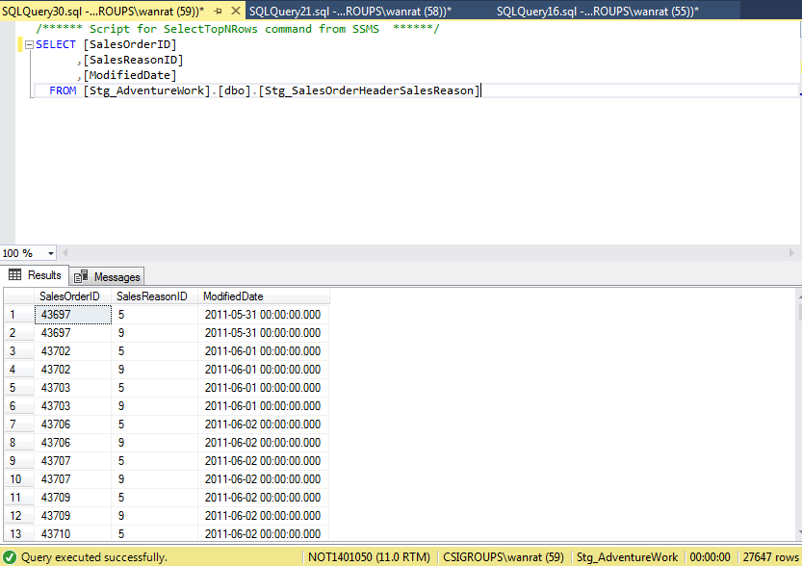
 |  | -- Target--
 |  | SELECT [SalesOrderID]
 |  | ,[SalesReasonID]
 |  | ,[ModifiedDate]
 |  | FROM [Stg_AdventureWork].[dbo].[Stg_SalesOrderHeaderSalesReason]

figure step002_1
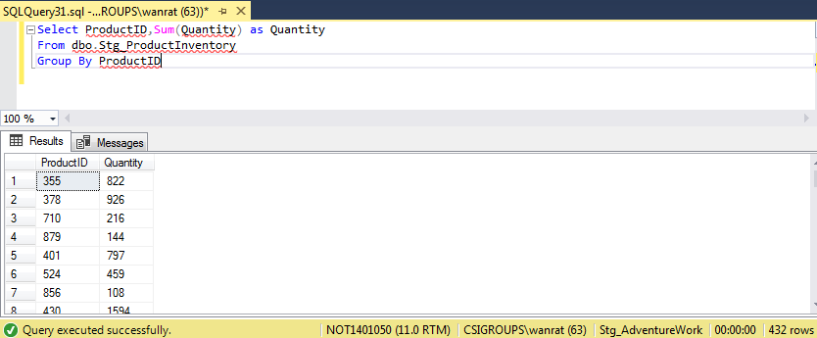
back
 | Source
 |  | -- Source --
 |  | Select ProductID,Sum(Quantity) as Quantity
 |  | From dbo.Stg_ProductInventory
 |  | Group By ProductID

 | Target

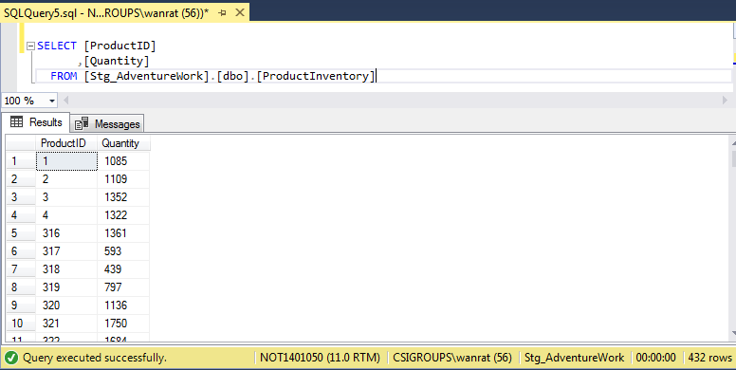
 |  | -- Target--
 |  | SELECT [ProductID],[Quantity]
 |  | FROM [Stg_AdventureWork].[dbo].[ProductInventory]

figure step002_2
back
 | Source
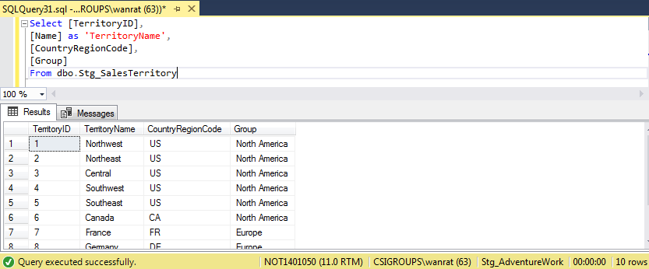
 |  | -- Source --
 |  | Select [TerritoryID],
 |  | [Name] as 'TerritoryName',
 |  | [CountryRegionCode],
 |  | [Group]
 |  | From [Sales].[SalesTerritory]

 | Target
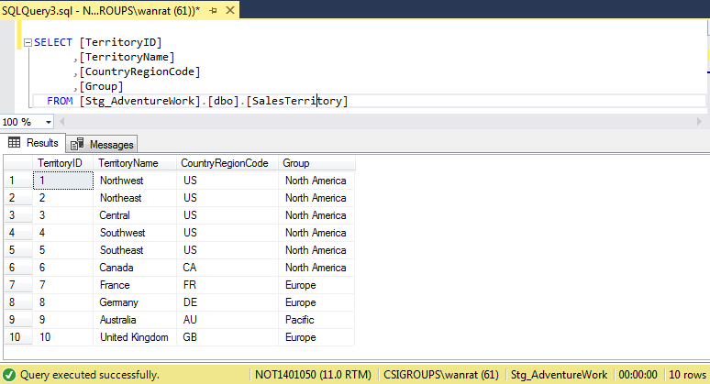
 |  | -- Target--
 |  | SELECT [TerritoryID]
 |  | ,[TerritoryName]
 |  | ,[CountryRegionCode]
 |  | ,[Group]
 |  | FROM [Stg_AdventureWork].[dbo].[SalesTerritory]

figure step002_3
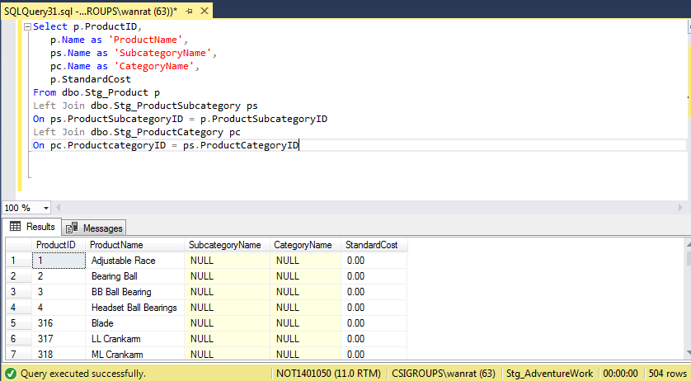
back
 | Source
 |  | -- Source --
 |  | Select p.ProductID,
 |  | p.Name as 'ProductName',
 |  | ps.Name as 'SubcategoryName',
 |  | pc.Name as 'CategoryName',
 |  | p.StandardCost
 |  | From dbo.Stg_Product p
 |  | Left Join dbo.Stg_ProductSubcategory ps
 |  | On ps.ProductSubcategoryID = p.ProductSubcategoryID
 |  | Left Join dbo.Stg_ProductCategory pc
 |  | On pc.ProductcategoryID = ps.ProductCategoryID

 | Target

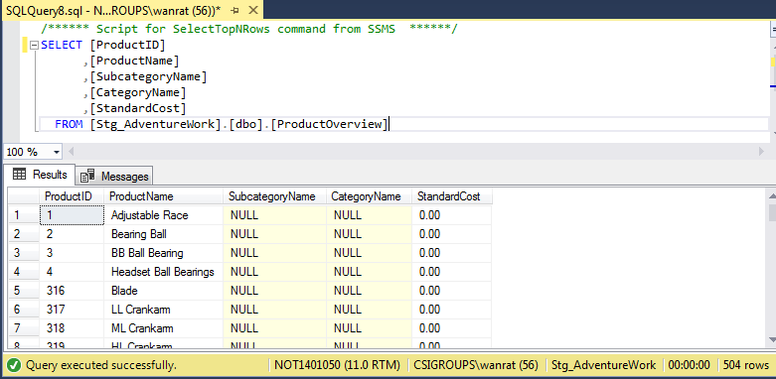
 |  | -- Target--
 |  | SELECT [ProductID]
 |  | ,[ProductName]
 |  | ,[SubcategoryName]
 |  | ,[CategoryName]
 |  | ,[StandardCost]
 |  | FROM [Stg_AdventureWork].[dbo].[ProductOverview]

figure step002_4
back
 | Source
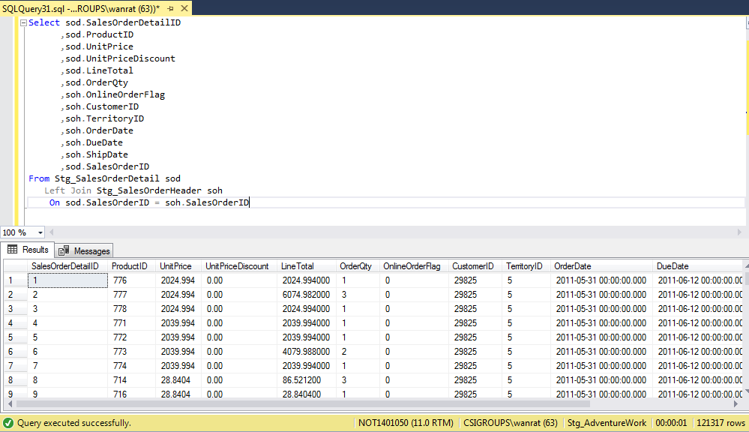
 |  | -- Source --
 |  | Select sod.SalesOrderDetailID
 |  | ,sod.ProductID
 |  | ,sod.UnitPrice
 |  | ,sod.UnitPriceDiscount
 |  | ,sod.LineTotal
 |  | ,sod.OrderQty
 |  | ,soh.OnlineOrderFlag
 |  | ,soh.CustomerID
 |  | ,soh.TerritoryID
 |  | ,soh.OrderDate
 |  | ,soh.DueDate
 |  | ,soh.ShipDate
 |  | ,sod.SalesOrderID
 |  | From Stg_SalesOrderDetail sod
 |  | Left Join Stg_SalesOrderHeader soh
 |  | On sod.SalesOrderID = soh.SalesOrderID

 | Target

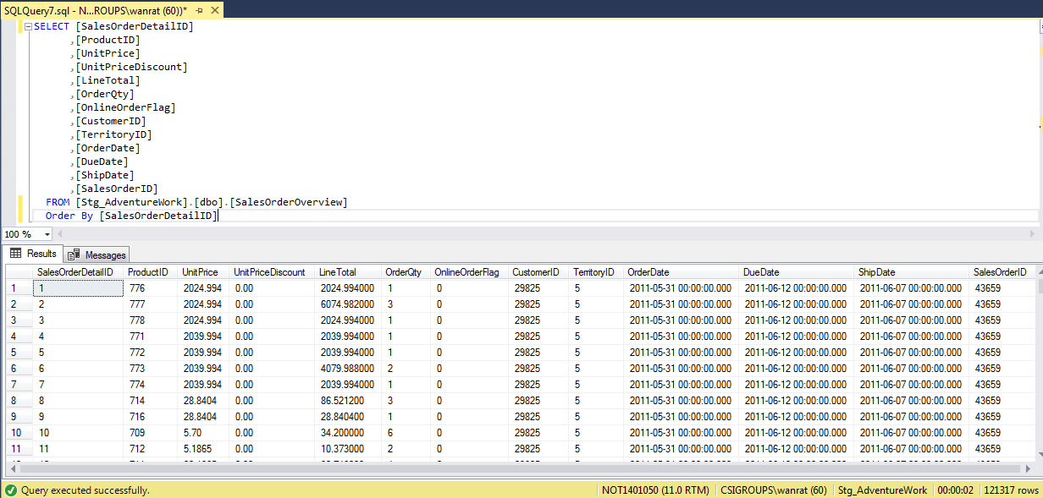
 |  | -- Target--
 |  | SELECT [SalesOrderDetailID]
 |  | ,[ProductID]
 |  | ,[UnitPrice]
 |  | ,[UnitPriceDiscount]
 |  | ,[LineTotal]
 |  | ,[OrderQty]
 |  | ,[OnlineOrderFlag]
 |  | ,[CustomerID]
 |  | ,[TerritoryID]
 |  | ,[OrderDate]
 |  | ,[DueDate]
 |  | ,[ShipDate]
 |  | ,[SalesOrderID]
 |  | FROM [Stg_AdventureWork].[dbo].[SalesOrderOverview]
 |  | Order By [SalesOrderDetailID]

figure step002_5
back
 | Source
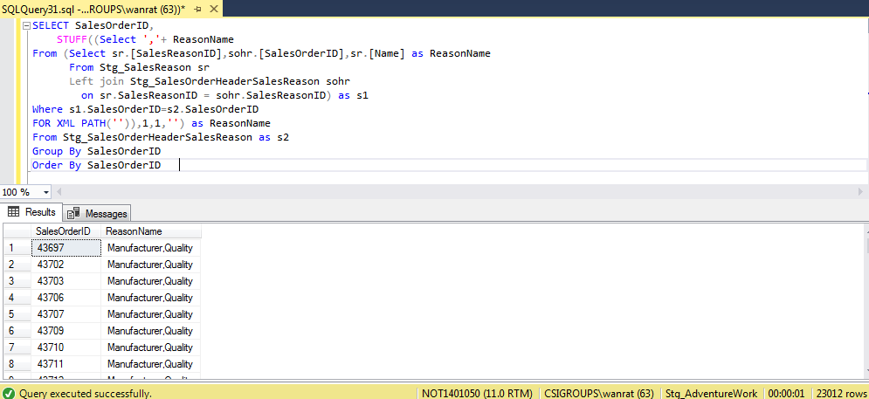

 |  | -- Source --
 |  | SELECT SalesOrderID,
 |  |  | STUFF((Select ','+ ReasonName
 |  | From (Select sr.[SalesReasonID],sohr.[SalesOrderID],sr.[Name] as ReasonName
 |  |  | From Stg_SalesReason sr
 |  |  | Left join [Sales].[SalesOrderHeaderSalesReason] sohr
 |  |  |  | on sr.SalesReasonID = sohr.SalesReasonID) as s1
 |  | Where s1.SalesOrderID=s2.SalesOrderID
 |  | FOR XML PATH('')),1,1,'') as ReasonName
 |  | From Stg_SalesOrderHeaderSalesReason as s2
 |  | Group By SalesOrderID
 |  | Order By SalesOrderID

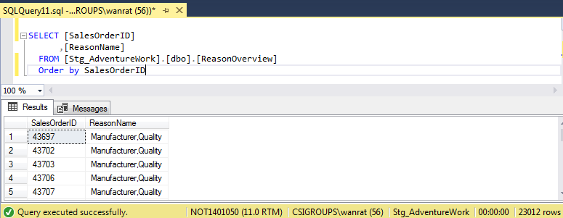
 | Target
 |  | -- Target--
 |  | SELECT [SalesOrderID]
 |  | ,[ReasonName]
 |  | FROM [Stg_AdventureWork].[dbo].[ReasonOverview]
 |  | Order by SalesOrderID

