Figure Step001_1
Back

 | -- Source --
Source | Select Count(*)
 | From [Production].[ProductInventory]
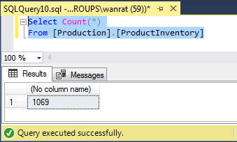

Target

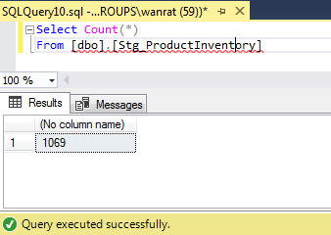
 | -- Target--
 | Select Count(*)
 | From [dbo].[Stg_ProductInventory]

Figure Step001_2
Back

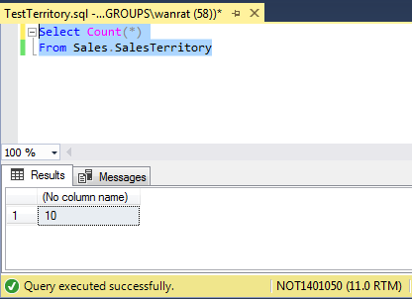
 | -- Source --
Source
 | Select Count(*)
 | From Sales.SalesTerritory

Target
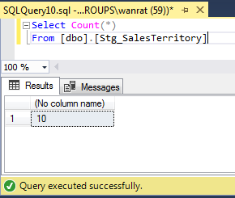

 | -- Target--

 | Select Count(*)
 | From [dbo].[Stg_SalesTerritory]

Figure Step001_3
Back

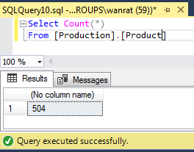
Source
 | -- Source --

 | Select Count(*)
 | From [Production].[Product]

Target

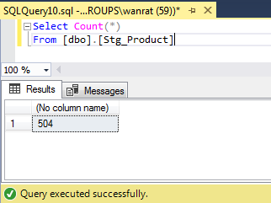
 | -- Target--
 | Select Count(*)
 | From [dbo].[Stg_Product]

Figure Step001_4
Back

Source
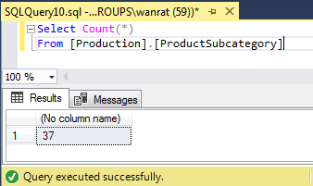
 | -- Source --
 | Select Count(*)
 | From [Production].[ProductSubcategory]

Target



 | -- Target--
 | Select Count(*)
 | From [dbo].[Stg_ProductSubcategory]

Figure Step001_5
Back

Source
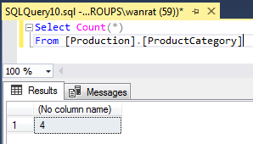

 | -- Source --
 | Select Count(*)
 | From [Production].[ProductCategory]

Target

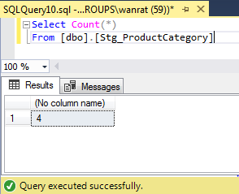
 | -- Target--
 | Select Count(*)
 | From [dbo].[Stg_ProductCategory]

Figure Step001_6
Back

Source
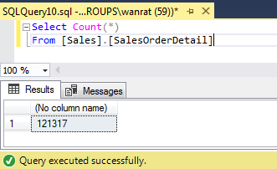
 | -- Source --
 | Select Count(*)
 | From [Sales].[SalesOrderDetail]

Target

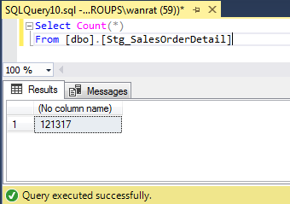
 | -- Target--
 | Select Count(*)
 | From [dbo].[Stg_SalesOrderDetail]

Figure Step001_7
Back

Source
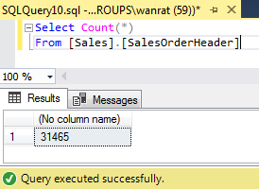
 | -- Source --
 | Select Count(*)
 | From [Sales].[SalesOrderHeader]

Target

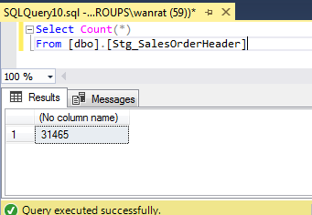
 | -- Target--
 | Select Count(*)
 | From [dbo].[Stg_SalesOrderHeader]

Figure Step001_8
Back

Source
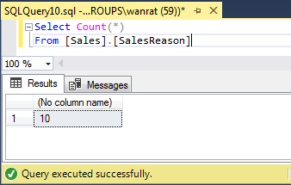
 | -- Source --
 | Select Count(*)
 | From [Sales].[SalesReason]

Target

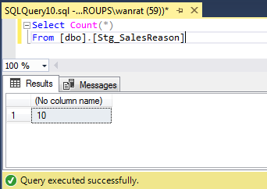
 | -- Target--
 | Select Count(*)
 | From [dbo].[Stg_SalesReason]

Figure Step001_9
Back

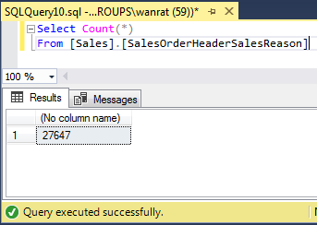
Source

 | -- Source --
 | Select Count(*)
 | From [Sales].[SalesOrderHeaderSalesReason]

Target
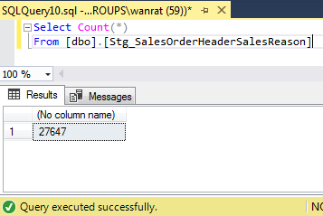

 | -- Target--
 | Select Count(*)
 | From [dbo].[Stg_SalesOrderHeaderSalesReason]

Figure Step002_1
Back

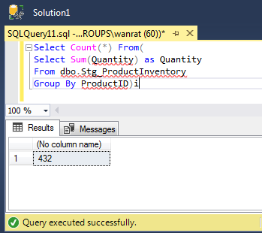
 | -- Source --
Source | Select Count(*) From(
 | Select Sum(Quantity) as Quantity
 | From dbo.Stg_ProductInventory
 | Group By ProductID)i

Target

 | -- Target--
 | Select Count(*)
 | From Stg_AdventureWork.dbo.ProductInventory

Figure Step002_2
Back

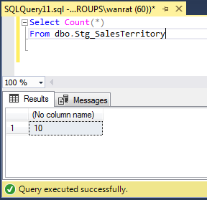
 | -- Source --
Source | Select Count(*)
 | Fromdbo.Stg_SalesTerritory

Target

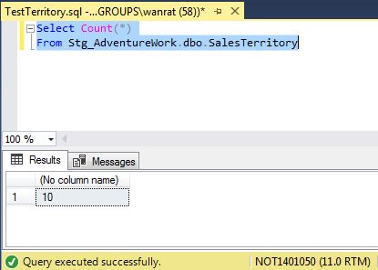
 | -- Target--
 | Select Count(*)
 | From Stg_AdventureWork.dbo.SalesTerritory

Figure Step002_3
Back
 | -- Source --
 | Select Count(*) From (
Source | Select p.ProductID,
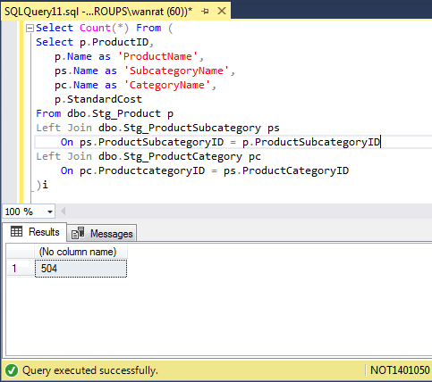
 |  | p.Name as 'ProductName',
 |  | ps.Name as 'SubcategoryName',
 |  | pc.Name as 'CategoryName',
 |  | p.StandardCost
 |  | From dbo.Stg_Product p
 |  | Left Join dbo.Stg_ProductSubcategory ps
 |  |  | On ps.ProductSubcategoryID = p.ProductSubcategoryID
 |  | Left Join dbo.Stg_ProductCategory pc
 |  |  | On pc.ProductcategoryID = ps.ProductCategoryID
 | )i

Target

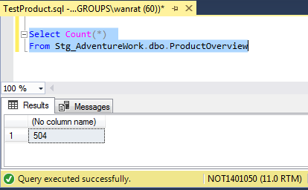
 | -- Target--
 | Select Count(*)
 | From Stg_AdventureWork.dbo.ProductOverview

Figure Step002_4
Back

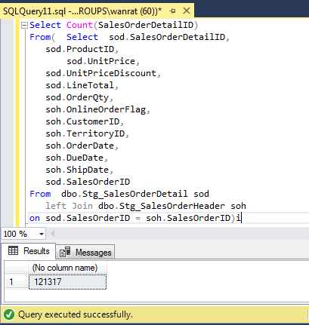
Source | -- Source --
 | Select Count(SalesOrderDetailID)
 | From( Select sod.SalesOrderDetailID,
 |  | sod.ProductID,
 | sod.UnitPrice,
 |  | sod.UnitPriceDiscount,
 |  | sod.LineTotal,
 |  | sod.OrderQty,
 |  | soh.OnlineOrderFlag,
 |  | soh.CustomerID,
 |  | soh.TerritoryID,
 |  | soh.OrderDate,
 |  | soh.DueDate,
 |  | soh.ShipDate,
 |  | sod.SalesOrderID
 | From [Sales].[SalesOrderDetail] sod
 |  | left Join [Sales].[SalesOrderHeader] soh
 |  |  | on sod.SalesOrderID = soh.SalesOrderID)i

Target
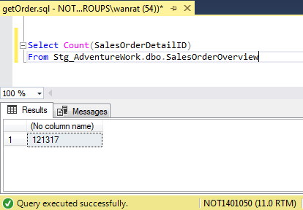
 | -- Target--
 | Select Count(SalesOrderDetailID)
 | From Stg_AdventureWork.dbo.SalesOrderOverview

Figure Step002_5
Back

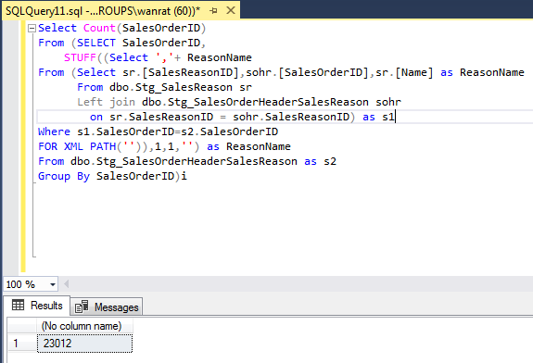
Source | -- Source --
 | Select Count(SalesOrderID)
 | From (SELECT SalesOrderID,
 |  | STUFF((Select ','+ ReasonName
 | From (Select sr.[SalesReasonID],sohr.[SalesOrderID],sr.[Name] as ReasonName
 |  | From [Sales].[SalesReason] sr
 |  | Left join [Sales].[SalesOrderHeaderSalesReason] sohr
 |  |  | on sr.SalesReasonID = sohr.SalesReasonID) as s1
 | Where s1.SalesOrderID=s2.SalesOrderID
 | FOR XML PATH('')),1,1,'') as ReasonName
 | From Sales.SalesOrderHeaderSalesReason as s2
 | Group By SalesOrderID)i

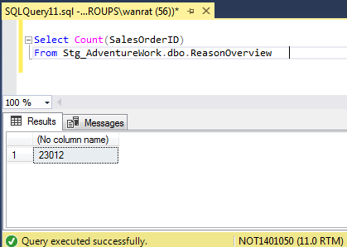
Target
 | -- Target--
 | Select Count(SalesOrderID)
 | From Stg_AdventureWork.dbo.ReasonOverview

