Sheet1
Reaction | Projectile (α) | Ejectile (n) | Target | Residual | Q-value (MeV)
45Sc(α,n)48V | Z=2, A=4, 4.002603254 amu | Z=0, A=1, 1.008664915 amu | Z=21, A=45, 44.95590828 amu | Z=23, A=48, 47.9522537 amu | -2.241
48Ti(α,n)51Cr | Z=2, A=4, 4.002603254 amu | Z=0, A=1, 1.008664915 amu | Z=22, A=48, 47.94794198 amu | Z=24, A=51, 50.944765 amu | -2.687
51V(α,n)54Mn | Z=2, A=4, 4.002603254 amu | Z=0, A=1, 1.008664915 amu | Z=23, A=51, 50.94395704 amu | Z=25, A=54, 53.940358 amu | -2.294
50Cr(α,n)53Fe | Z=2, A=4, 4.002603254 amu | Z=0, A=1, 1.008664915 amu | Z=24, A=50, 49.94604183 amu | Z=26, A=53, 52.940651 amu | -4.961
55Mn(α,n)58Co | Z=2, A=4, 4.002603254 amu | Z=0, A=1, 1.008664915 amu | Z=25, A=55, 54.93804391 amu | Z=27, A=58, 57.935753 amu | -3.512

Reaction | Projectile Spin | Ejectile Spin | Target Spin | Residual Spin | Entrance Total J | Exit Total J
45Sc(α,n)48V | 0 | 2025-01-02 | 7/2⁻ | 4⁺ | 2025-07-02 | 7/2 or 9/2
48Ti(α,n)51Cr | 0 | 2025-01-02 | 0⁺ | 7/2⁻ | 0 | 3 or 4
51V(α,n)54Mn | 0 | 2025-01-02 | 7/2⁻ | 3⁺ | 2025-07-02 | 5/2 or 7/2
50Cr(α,n)53Fe | 0 | 2025-01-02 | 0⁺ | 7/2⁻ | 0 | 3 or 4
55Mn(α,n)58Co | 0 | 2025-01-02 | 5/2⁻ | 2⁺ | 2025-05-02 | 3/2 or 5/2

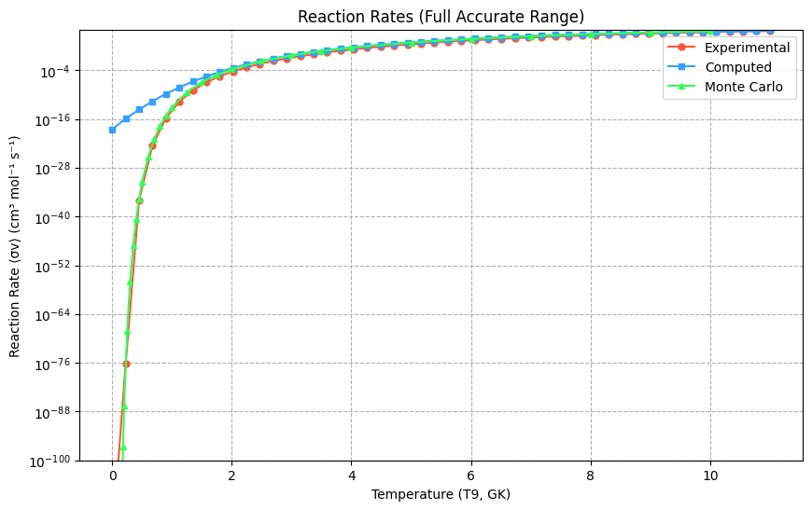
https://www-nds.iaea.org/EXFOR/F0527.004
45Sc(α,n)48V | Threshold energy(Mev)=2.44 | Gamow energy (E_G) = 6346.761 MeV
EN lab | DATA
MEV | MB | eta | S-factor(Mev-b) | ln(S-factor){Yexp} | ln[S(E)]{Ycomputed} | Center-of-Mass Energies (MeV): | S-factor values (keV·barn): | Converted S-factor values (keV·barn): |  |  | T9 (GK) | ⟨σv⟩ (cm³ mol⁻¹ s⁻¹) [exp] | ln(⟨σv⟩) [exp] | Reaction Rate ⟨σv⟩ (cm³ mol⁻¹ s⁻¹) [Computed] | Natural Log ln(⟨σv⟩) (cm³ mol⁻¹ s⁻¹) [Computed]
3.643 | 0.004947 | 6.9324 | 137000000000000 | 32.548249 | 31.955598 | 3.34524 | 1.3662341593E+17 | 7.5533546651E+16 |  |  | 0.001 | 0.00E+00 | -inf | 3.00E-19 | -42.455544
3.736 | 0.006803 | 6.8456 | 112000000000000 | 32.346487 | 31.931452 | 3.43064 | 1.1166083156E+17 | 7.3731556609E+16 |  |  | 0.225 | 5.75E-77 | -175.550522 | 1.20E-16 | -36.621959
3.818 | 0.007873 | 6.7716 | 83000000000000 | 32.049879 | 31.90818 | 3.50594 | 8.3001438601E+16 | 7.2035487827E+16 |  |  | 0.45 | 1.07E-36 | -82.820909 | 2.23E-14 | -31.405163
3.898 | 0.001975 | 6.7018 | 13700000000000 | 30.248873 | 31.883707 | 3.5794 | 1.3706252809E+16 | 7.0293960453E+16 |  |  | 0.674 | 3.02E-23 | -51.853996 | 2.32E-12 | -26.749117
3.977 | 0.01814 | 6.6349 | 8440000000000 | 29.763578 | 31.857844 | 3.65194 | 8.4364111037E+16 | 6.8499256012E+16 |  |  | 0.899 | 1.66E-16 | -36.335174 | 1.65E-10 | -22.601413
4.058 | 0.02375 | 6.5683 | 74200000000000 | 31.93763 | 31.829596 | 3.72632 | 7.4188515242E+16 | 6.6591362975E+16 |  |  | 1.123 | 1.93E-12 | -26.975422 | 5.39E-09 | -18.913146
4.141 | 0.03432 | 6.5022 | 72200000000000 | 31.910331 | 31.798853 | 3.80254 | 7.2190634056E+16 | 6.45752935E+16 |  |  | 1.348 | 1.05E-09 | -20.675075 | 1.62E-07 | -15.638795
4.217 | 0.056106 | 6.4433 | 83000000000000 | 32.050106 | 31.769126 | 3.87233 | 8.3029195881E+16 | 6.2683915528E+16 |  |  | 1.572 | 1.01E-07 | -16.109371 | 2.85E-06 | -12.736098
4.299 | 0.07527 | 6.3816 | 77000000000000 | 31.975346 | 31.735381 | 3.94762 | 7.7039996863E+16 | 6.0603938582E+16 |  |  | 1.797 | 3.31E-06 | -12.619461 | 3.89E-05 | -10.165927
4.381 | 0.07513 | 6.3216 | 53700000000000 | 31.615358 | 31.69992 | 4.02292 | 5.3749625615E+16 | 5.8492520074E+16 |  |  | 2.021 | 5.32E-05 | -9.841869 | 3.77E-04 | -7.892171
4.463 | 0.129 | 6.2632 | 65200000000000 | 31.807913 | 31.662765 | 4.09822 | 6.5162974937E+16 | 5.6359109352E+16 |  |  | 2.246 | 5.21E-04 | -7.560515 | 2.79E-03 | -5.881606
4.534 | 0.1531 | 6.214 | 57700000000000 | 31.685635 | 31.62924 | 4.16342 | 5.7662903438E+16 | 5.450099095E+16 |  |  | 2.47 | 3.55E-03 | -5.639562 | 1.64E-02 | -4.103775
4.605 | 0.2004 | 6.1659 | 56700000000000 | 31.66824 | 31.594475 | 4.22861 | 5.6668502482E+16 | 5.2638820722E+16 |  |  | 2.695 | 1.85E-02 | -3.9898 | 7.95E-02 | -2.530866
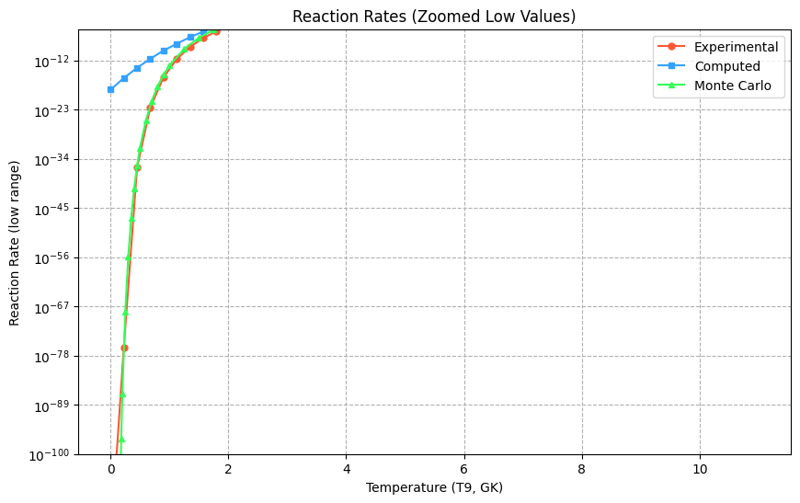
4.671 | 0.2691 | 6.1222 | 58600000000000 | 31.70256 | 31.561055 | 4.28922 | 5.8647150299E+16 | 5.0908702634E+16 |  |  | 2.919 | 7.80E-02 | -2.550483 | 3.22E-01 | -1.137586
4.747 | 0.3192 | 6.073 | 51900000000000 | 31.580263 | 31.521271 | 4.35901 | 5.189598582E+16 | 4.8923110102E+16 |  |  | 3.144 | 2.78E-01 | -1.278913 | 1.10E+00 | 0.098959
4.819 | 0.4284 | 6.0274 | 53100000000000 | 31.603428 | 31.48231 | 4.42512 | 5.3112231641E+16 | 4.7053670892E+16 |  |  | 3.368 | 8.66E-01 | -0.144192 | 3.31E+00 | 1.19939
4.89 | 0.521 | 5.9835 | 49700000000000 | 31.537805 | 31.442693 | 4.49032 | 4.9738718456E+16 | 4.5225988303E+16 |  |  | 3.593 | 2.40E+00 | 0.876663 | 8.85E+00 | 2.182174
4.916 | 0.6057 | 5.9677 | 52600000000000 | 31.594192 | 31.427891 | 4.51419 | 5.2623912464E+16 | 4.4561483358E+16 |  |  | 3.817 | 6.06E+00 | 1.801201 | 2.13E+01 | 3.063753
4.955 | 0.7719 | 5.9442 | 58300000000000 | 31.69671 | 31.405394 | 4.55001 | 5.83050358E+16 | 4.3570176195E+16 |  |  | 4.041 | 1.41E+01 | 2.64315 | 4.72E+01 | 3.858662
5.026 | 0.8505 | 5.902 | 50000000000000 | 31.543167 | 31.363539 | 4.6152 | 5.0006157056E+16 | 4.1784183555E+16 |  |  | 4.266 | 3.04E+01 | 3.41349 | 9.76E+01 | 4.579654
5.063 | 1.065 | 5.8804 | 55100000000000 | 31.639658 | 31.34127 | 4.64918 | 5.5071727447E+16 | 4.0863975654E+16 |  |  | 4.49 | 6.16E+01 | 4.121167 | 1.88E+02 | 5.237824
5.097 | 1.087 | 5.8608 | 50000000000000 | 31.543359 | 31.320533 | 4.6804 | 5.0015770991E+16 | 4.0025305199E+16 |  |  | 4.715 | 1.18E+02 | 4.77359 | 3.42E+02 | 5.84273
5.163 | 1.258 | 5.8232 | 46300000000000 | 31.466202 | 31.279538 | 4.74101 | 4.6301812078E+16 | 3.8417645953E+16 |  |  | 4.939 | 2.16E+02 | 5.376978 | 6.11E+02 | 6.402517
5.216 | 1.536 | 5.7935 | 47400000000000 | 31.489712 | 31.245913 | 4.78967 | 4.7403255934E+16 | 3.7147329491E+16 |  |  | 5.164 | 3.79E+02 | 5.936609 | 1.02E+03 | 6.924043
5.245 | 1.607 | 5.7775 | 45100000000000 | 31.43967 | 31.227252 | 4.8163 | 4.5089485644E+16 | 3.6460551091E+16 |  |  | 5.388 | 6.37E+02 | 6.457001 | 1.66E+03 | 7.412995
5.305 | 1.907 | 5.7447 | 44000000000000 | 31.416339 | 31.188056 | 4.8714 | 4.4049681782E+16 | 3.5059088612E+16 |  |  | 5.613 | 1.03E+03 | 6.942058 | 2.62E+03 | 7.87402
5.369 | 2.57 | 5.7104 | 48400000000000 | 31.510928 | 31.145384 | 4.93017 | 4.841972374E+16 | 3.3594517502E+16 |  |  | 5.837 | 1.63E+03 | 7.395167 | 4.07E+03 | 8.310844
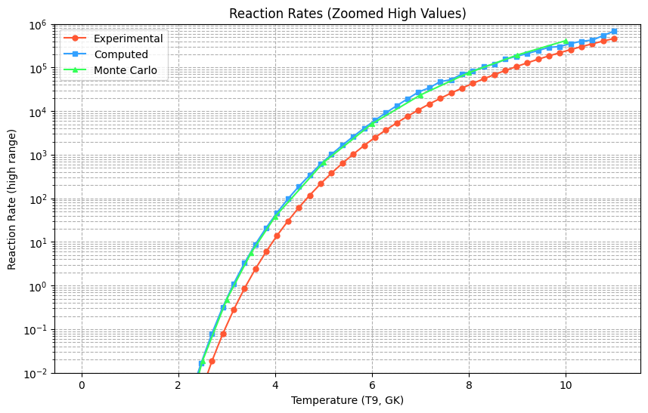
5.381 | 2.207 | 5.704 | 40000000000000 | 31.32086 | 31.137284 | 4.94119 | 4.0038397624E+16 | 3.3323501009E+16 |  |  | 6.062 | 2.49E+03 | 7.819292 | 6.17E+03 | 8.726394
5.447 | 2.82 | 5.6694 | 41700000000000 | 31.360363 | 31.092186 | 5.00179 | 4.1651698048E+16 | 3.1854061199E+16 |  |  | 6.286 | 3.70E+03 | 8.217033 | 9.18E+03 | 9.122925
5.522 | 2.625 | 5.6307 | 30800000000000 | 31.059649 | 31.039815 | 5.07066 | 3.0834291251E+16 | 3.0228762871E+16 |  |  | 6.511 | 5.38E+03 | 8.59069 | 1.33E+04 | 9.502139
5.523 | 3.346 | 5.6302 | 39200000000000 | 31.299311 | 31.039109 | 5.07158 | 3.9184850156E+16 | 3.0207428896E+16 |  |  | 6.735 | 7.65E+03 | 8.942296 | 1.92E+04 | 9.865312
5.589 | 3.97 | 5.5969 | 38200000000000 | 31.272697 | 30.992033 | 5.13219 | 3.8155718283E+16 | 2.8818336947E+16 |  |  | 6.96 | 1.07E+04 | 9.273664 | 2.74E+04 | 10.213413
5.675 | 4.079 | 5.5543 | 30500000000000 | 31.047578 | 30.92934 | 5.21116 | 3.0464350792E+16 | 2.7067097722E+16 |  |  | 7.184 | 1.46E+04 | 9.586413 | 3.44E+04 | 10.54723
5.709 | 5.193 | 5.5377 | 35200000000000 | 31.190936 | 30.904137 | 5.24238 | 3.5160219211E+16 | 2.6393450284E+16 |  |  | 7.408 | 1.96E+04 | 9.881993 | 4.75E+04 | 10.867493
5.823 | 7.349 | 5.4833 | 36000000000000 | 31.215681 | 30.817933 | 5.34706 | 3.6041095887E+16 | 2.4213537657E+16 |  |  | 7.633 | 2.59E+04 | 10.161708 | 5.26E+04 | 11.174995
5.829 | 6.792 | 5.4804 | 32800000000000 | 31.120156 | 30.813324 | 5.35257 | 3.2757594542E+16 | 2.410219425E+16 |  |  | 7.857 | 3.37E+04 | 10.426734 | 7.07E+04 | 11.470717
5.949 | 9.333 | 5.4249 | 32400000000000 | 31.109277 | 30.719657 | 5.46276 | 3.2403173918E+16 | 2.1947119132E+16 |  |  | 8.082 | 4.34E+04 | 10.678135 | 8.27E+04 | 11.755951
5.97 | 8.707 | 5.4153 | 28600000000000 | 30.98337 | 30.702977 | 5.48205 | 2.8569757792E+16 | 2.158407737E+16 |  |  | 8.306 | 5.51E+04 | 10.916875 | 1.04E+05 | 12.032423
6.069 | 12.21 | 5.371 | 30800000000000 | 31.059285 | 30.623201 | 5.57295 | 3.0823072057E+16 | 1.9929078256E+16 |  |  | 8.531 | 6.91E+04 | 11.143831 | 1.21E+05 | 12.302414
6.123 | 12.88 | 5.3472 | 28300000000000 | 30.972424 | 30.578902 | 5.62254 | 2.825873043E+16 | 1.9065508866E+16 |  |  | 8.755 | 8.58E+04 | 11.359801 | 1.55E+05 | 12.568886
6.189 | 15.58 | 5.3187 | 28900000000000 | 30.993833 | 30.524019 | 5.68315 | 2.887024692E+16 | 1.8047332394E+16 |  |  | 8.98 | 1.05E+05 | 11.565514 | 1.81E+05 | 12.835604
6.27 | 17.69 | 5.2842 | 26700000000000 | 30.917287 | 30.455564 | 5.75753 | 2.6742809866E+16 | 1.6853239341E+16 |  |  | 9.204 | 1.28E+05 | 11.761639 | 2.09E+05 | 13.107259
6.309 | 19.88 | 5.2678 | 27300000000000 | 30.937423 | 30.422177 | 5.79334 | 2.7286771748E+16 | 1.6299849654E+16 |  |  | 9.429 | 1.55E+05 | 11.948785 | 2.46E+05 | 13.389591
6.412 | 24.91 | 5.2253 | 26600000000000 | 30.912253 | 30.33269 | 5.88792 | 2.6608530341E+16 | 1.4904585005E+16 |  |  | 9.653 | 1.85E+05 | 12.127515 | 2.90E+05 | 13.689512
6.429 | 24.15 | 5.2184 | 24800000000000 | 30.840479 | 30.317739 | 5.90353 | 2.4765655928E+16 | 1.4683404112E+16 |  |  | 9.878 | 2.19E+05 | 12.298345 | 3.04E+05 | 14.015229
6.537 | 26.75 | 5.1751 | 21300000000000 | 30.687406 | 30.221578 | 6.0027 | 2.1250598913E+16 | 1.3337196808E+16 |  |  | 10.102 | 2.58E+05 | 12.461752 | 3.56E+05 | 14.376368
6.544 | 30.83 | 5.1724 | 24100000000000 | 30.813034 | 30.215275 | 6.00913 | 2.4095216456E+16 | 1.325339683E+16 |  |  | 10.327 | 3.02E+05 | 12.618176 | 4.01E+05 | 14.784097
6.658 | 34.99 | 5.1279 | 21000000000000 | 30.677449 | 30.111463 | 6.11381 | 2.1040061821E+16 | 1.1946542238E+16 |  |  | 10.551 | 3.51E+05 | 12.768023 | 4.26E+05 | 15.251247
6.664 | 37.44 | 5.1256 | 22200000000000 | 30.73152 | 30.105939 | 6.11932 | 2.2209020886E+16 | 1.1880731476E+16 |  |  | 10.776 | 4.05E+05 | 12.911668 | 5.44E+05 | 15.792438
6.783 | 44.66 | 5.0804 | 20300000000000 | 30.641807 | 29.995137 | 6.2286 | 2.0303351271E+16 | 1.0634632412E+16 |  |  | 11 | 4.65E+05 | 13.04946 | 6.88E+05 | 16.4242
6.784 | 44.38 | 5.0801 | 20100000000000 | 30.633312 | 29.994196 | 6.22951 | 2.0131611035E+16 | 1.062462993E+16
6.903 | 47.97 | 5.0361 | 16800000000000 | 30.452169 | 29.881071 | 6.33879 | 1.6796114263E+16 | 9.4882091351E+15
6.904 | 52.59 | 5.0357 | 18400000000000 | 30.541972 | 29.880111 | 6.33971 | 1.8374262183E+16 | 9.4791048251E+15
7.013 | 59.35 | 4.9964 | 16500000000000 | 30.431714 | 29.774508 | 6.4398 | 1.6456038467E+16 | 8.5291259123E+15
7.023 | 58.28 | 4.9929 | 15800000000000 | 30.392587 | 29.764727 | 6.44898 | 1.5824601572E+16 | 8.4461091869E+15
7.116 | 66.97 | 4.9601 | 15000000000000 | 30.339057 | 29.673035 | 6.53438 | 1.4999781193E+16 | 7.7061128002E+15
7.154 | 70.79 | 4.947 | 14700000000000 | 30.316974 | 29.635193 | 6.56927 | 1.4672180048E+16 | 7.4199467757E+15
7.22 | 77.47 | 4.9243 | 14100000000000 | 30.273937 | 29.568959 | 6.62988 | 1.4054126148E+16 | 6.9444160047E+15
7.268 | 70.62 | 4.908 | 11600000000000 | 30.085648 | 29.520387 | 6.67395 | 1.1642084227E+16 | 6.6151725645E+15
7.323 | 85.3 | 4.8895 | 12600000000000 | 30.166024 | 29.464322 | 6.72446 | 1.2616468658E+16 | 6.2544979948E+15
7.389 | 97.06 | 4.8676 | 12600000000000 | 30.166637 | 29.396476 | 6.78506 | 1.2624200321E+16 | 5.8442302008E+15
7.421 | 93.93 | 4.8571 | 11500000000000 | 30.072166 | 29.363361 | 6.81445 | 1.1486186204E+16 | 5.6538678382E+15
7.514 | 99.22 | 4.827 | 10200000000000 | 29.949961 | 29.266315 | 6.89985 | 1.0164892973E+16 | 5.1309656846E+15
7.519 | 103.4 | 4.8254 | 10500000000000 | 29.981806 | 29.261064 | 6.90444 | 1.0493801191E+16 | 5.1040935982E+15
7.623 | 111.1 | 4.7924 | 9290000000000 | 29.85984 | 29.151085 | 6.99994 | 9.2888854823E+15 | 4.5725172968E+15
7.634 | 109.2 | 4.7889 | 8950000000000 | 29.82233 | 29.139369 | 7.01004 | 8.946917773E+15 | 4.5192582847E+15
7.716 | 125.4 | 4.7634 | 8850000000000 | 29.81103 | 29.051533 | 7.08534 | 8.8463843131E+15 | 4.1392387084E+15
7.759 | 132.7 | 4.7502 | 8660000000000 | 29.790121 | 29.005127 | 7.12482 | 8.663337653E+15 | 3.9515420063E+15
7.819 | 134.7 | 4.7319 | 7900000000000 | 29.698049 | 28.939985 | 7.17992 | 7.9013034831E+15 | 3.7023356753E+15
7.874 | 146.1 | 4.7154 | 7780000000000 | 29.68228 | 28.879879 | 7.23042 | 7.7776885096E+15 | 3.4863588568E+15
7.923 | 141.2 | 4.7008 | 6900000000000 | 29.562612 | 28.826019 | 7.27542 | 6.9004800043E+15 | 3.3035507804E+15
7.999 | 111.1 | 4.6784 | 4760000000000 | 29.191765 | 28.741911 | 7.34521 | 4.762363232E+15 | 3.0370598234E+15
8.026 | 155.5 | 4.6705 | 6370000000000 | 29.481865 | 28.711867 | 7.37 | 6.3651875701E+15 | 2.9471714624E+15
8.114 | 177.1 | 4.6451 | 6250000000000 | 29.463272 | 28.613358 | 7.45081 | 6.2479316061E+15 | 2.6706900483E+15
8.124 | 167.1 | 4.6422 | 5800000000000 | 29.388413 | 28.602108 | 7.45999 | 5.797296479E+15 | 2.6408131579E+15
8.228 | 179.4 | 4.6128 | 5240000000000 | 29.287234 | 28.484446 | 7.55549 | 5.2394305752E+15 | 2.3476736087E+15
8.245 | 176.6 | 4.608 | 5020000000000 | 29.243672 | 28.465099 | 7.5711 | 5.0160925157E+15 | 2.3026897221E+15
8.326 | 188.1 | 4.5856 | 4680000000000 | 29.175354 | 28.372493 | 7.64548 | 4.6848466344E+15 | 2.0990227601E+15
8.359 | 163.6 | 4.5765 | 3860000000000 | 28.982832 | 28.334565 | 7.67578 | 3.8644162855E+15 | 2.020901874E+15
8.429 | 202.1 | 4.5575 | 4270000000000 | 29.08286 | 28.253739 | 7.74006 | 4.2709598217E+15 | 1.8639872648E+15
8.528 | 217.1 | 4.5309 | 3930000000000 | 28.999435 | 28.138582 | 7.83097 | 3.9291131546E+15 | 1.6612343063E+15
8.604 | 247.5 | 4.5109 | 3980000000000 | 29.013347 | 28.049526 | 7.90076 | 3.9841582072E+15 | 1.5196877469E+15
8.636 | 221.9 | 4.5025 | 3400000000000 | 28.855316 | 28.011864 | 7.93014 | 3.4017670291E+15 | 1.4635176454E+15
8.729 | 232.7 | 4.4785 | 3100000000000 | 28.762443 | 27.901869 | 8.01554 | 3.1000624057E+15 | 1.3110756197E+15
8.833 | 243.9 | 4.452 | 2780000000000 | 28.65515 | 27.777939 | 8.11104 | 2.7846683322E+15 | 1.1582588476E+15
8.936 | 255.6 | 4.4263 | 2510000000000 | 28.551918 | 27.654281 | 8.20562 | 2.5115412762E+15 | 1.0235325048E+15
9.034 | 267.9 | 4.4022 | 2290000000000 | 28.458567 | 27.53581 | 8.29561 | 2.2876970048E+15 | 909180971620696
9.127 | 280.8 | 4.3797 | 2100000000000 | 28.374555 | 27.422683 | 8.38101 | 2.1033560296E+15 | 811932462997036
9.203 | 294.5 | 4.3616 | 1980000000000 | 28.316621 | 27.329749 | 8.4508 | 1.984962993E+15 | 739876413194191
9.285 | 301.3 | 4.3423 | 1810000000000 | 28.227039 | 27.229008 | 8.5261 | 1.8148772285E+15 | 668971971444227
9.366 | 300.8 | 4.3235 | 1620000000000 | 28.11583 | 27.129036 | 8.60048 | 1.6238639699E+15 | 605327820321702
9.443 | 323.3 | 4.3058 | 1570000000000 | 28.08517 | 27.033595 | 8.67118 | 1.5748324788E+15 | 550226033088491
9.524 | 330.7 | 4.2875 | 1450000000000 | 28.00105 | 26.932789 | 8.74556 | 1.4477767525E+15 | 497463985514957
9.601 | 330.1 | 4.2703 | 1310000000000 | 27.899044 | 26.836592 | 8.81627 | 1.3073764756E+15 | 451839109057690
9.682 | 337.8 | 4.2524 | 1210000000000 | 27.818034 | 26.735027 | 8.89065 | 1.2056423769E+15 | 408201597158220
9.764 | 354.2 | 4.2345 | 1140000000000 | 27.761446 | 26.631842 | 8.96595 | 1.1393118321E+15 | 368181551526738
9.846 | 362.3 | 4.2168 | 1050000000000 | 27.681398 | 26.528309 | 9.04124 | 1.0516668719E+15 | 331969521852575
9.922 | 370.7 | 4.2006 | 980000000000 | 27.61034 | 26.432059 | 9.11103 | 979531431837211 | 301506978867003

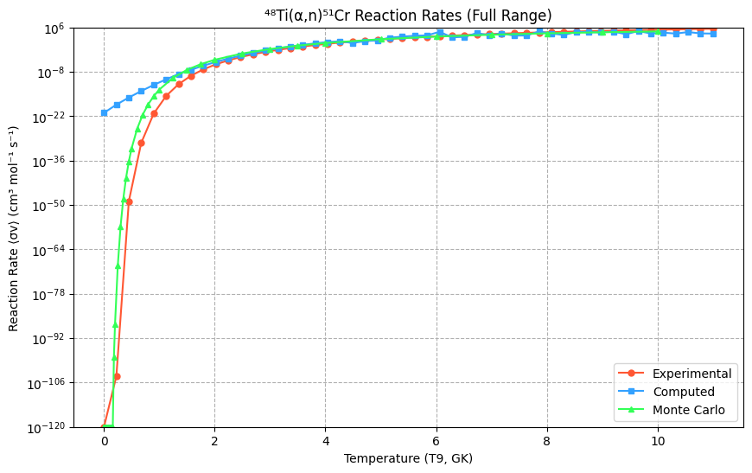
https://www-nds.iaea.org/EXFOR/D0061.002
⁴⁸Ti (α,n) ⁵¹Cr | 2.911 | Gamow energy (E_G) = 7001.316 MeV
EN lab | DATA
MEV | MB | eta | S-factor(Mev-b) | ln(S-factor){Yexp} | {Ycomp} | Center-of-Mass Energies (MeV): | S-factor values (keV·barn): | Converted S-factor values (keV·barn): | Error in cross section(mb) | Error in s-factor(Mev-barn) | T9 (GK) | Reaction Rate <σv> (cm³ mol⁻¹ s⁻¹)[exp] | ln(<σv>)[exp] | Reaction Rate ⟨σv⟩ (cm³ mol⁻¹ s⁻¹) [Computed] | Natural Log ln(⟨σv⟩) (cm³ mol⁻¹ s⁻¹) [Computed]
4.98617 | 0.347757 | 6.2077 | 1.39E+14 | 32.566742 | 31.739313 | 4.6021 | 1.3917348084E+17 | 6.0842702371E+16 | 0.252687 | 1.01E+14 | 0.001 | 0.00E+00 | -inf | 1.15E-21 | -48.301085
5.17875 | 0.936203 | 6.0912 | 1.87E+14 | 32.862879 | 32.146825 | 4.77985 | 1.8714013548E+17 | 9.1451052526E+16 | 0.36876 | 7.37E+13 | 0.225 | 1.06E-104 | -239.818321 | 4.42E-19 | -42.512569
5.37121 | 2.0693 | 5.9811 | 2.15E+14 | 33.000567 | 32.383009 | 4.95748 | 2.1476537399E+17 | 1.1581428121E+17 | 0.514438 | 5.34E+13 | 0.45 | 1.57E-49 | -112.121091 | 7.88E-17 | -37.207609
5.56353 | 1.93813 | 5.8768 | 1.08E+14 | 32.315012 | 32.479401 | 5.13499 | 1.0820097968E+17 | 1.2753360316E+17 | 1.0102 | 5.63E+13 | 0.674 | 3.90E-31 | -70.978708 | 8.69E-15 | -32.356529
5.74564 | 5.25512 | 5.7829 | 1.68E+14 | 32.754813 | 32.467718 | 5.30307 | 1.6797106815E+17 | 1.2605229797E+17 | 1.30868 | 4.18E+13 | 0.899 | 6.56E-22 | -48.326697 | 7.31E-13 | -27.930602
5.92767 | 3.85215 | 5.6934 | 7.24E+13 | 31.913183 | 32.378079 | 5.47108 | 7.2396778982E+16 | 1.1524472192E+17 | 1.31585 | 2.47E+13 | 1.123 | 2.38E-16 | -36.261032 | 4.07E-11 | -23.90205
6.09948 | 8.07177 | 5.6127 | 9.40E+13 | 32.174074 | 32.239454 | 5.62966 | 9.3977235202E+16 | 1.0032680265E+17 | 1.31189 | 1.53E+13 | 1.348 | 1.25E-12 | -27.405233 | 1.99E-09 | -20.244049
6.27125 | 14.0311 | 5.5353 | 1.03E+14 | 32.268435 | 32.063165 | 5.78819 | 1.0327693069E+17 | 8.411154916E+16 | 1.61721 | 1.19E+13 | 1.572 | 5.87E-10 | -21.256137 | 4.47E-08 | -16.930721
6.44293 | 15.8876 | 5.461 | 7.54E+13 | 31.95321 | 31.861909 | 5.94665 | 7.5353425542E+16 | 6.8778272204E+16 | 1.91893 | 9.11E+12 | 1.797 | 6.03E-08 | -16.623034 | 8.80E-07 | -13.937143
6.61455 | 27.6065 | 5.3897 | 8.59E+13 | 32.083951 | 31.646465 | 6.10505 | 8.5878215672E+16 | 5.5447902381E+16 | 2.84548 | 8.85E+12 | 2.021 | 2.25E-06 | -13.308428 | 1.32E-05 | -11.23934
6.77602 | 29.0917 | 5.3251 | 6.18E+13 | 31.754549 | 31.4388 | 6.25408 | 6.1776780787E+16 | 4.5050265797E+16 | 3.22815 | 6.86E+12 | 2.246 | 4.15E-05 | -10.090628 | 1.50E-04 | -8.814287
6.93744 | 42.0537 | 5.2628 | 6.18E+13 | 31.755038 | 31.232545 | 6.40307 | 6.1807037915E+16 | 3.6654048426E+16 | 3.52883 | 5.19E+12 | 2.47 | 4.58E-04 | -7.688307 | 1.31E-03 | -6.639913
7.09882 | 51.2937 | 5.2026 | 5.29E+13 | 31.598631 | 31.032278 | 6.55202 | 5.2858051354E+16 | 3.0001785125E+16 | 3.5296 | 3.64E+12 | 2.695 | 3.44E-03 | -5.674261 | 9.12E-03 | -4.695092
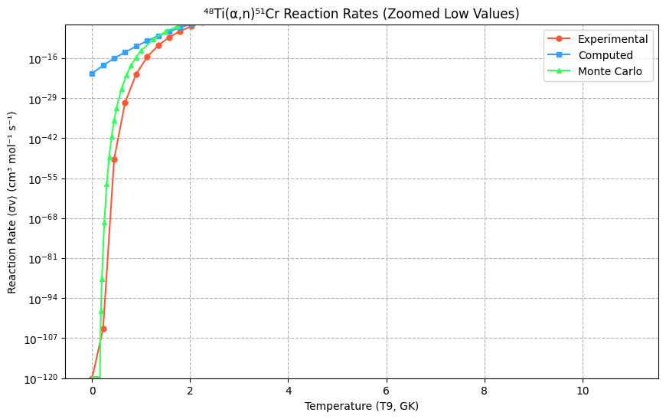
7.26014 | 64.6237 | 5.1445 | 4.73E+13 | 31.4869 | 30.841195 | 6.70091 | 4.7270154347E+16 | 2.4783395288E+16 | 5.13795 | 3.76E+12 | 2.919 | 1.92E-02 | -3.948179 | 5.19E-02 | -2.959654
7.41135 | 74.0625 | 5.0917 | 3.97E+13 | 31.312399 | 30.671945 | 6.84048 | 3.9701069231E+16 | 2.0924566181E+16 | 6.33975 | 3.40E+12 | 3.144 | 8.53E-02 | -2.462909 | 2.42E-01 | -1.414377
7.56253 | 90.8901 | 5.0406 | 3.61E+13 | 31.215945 | 30.51262 | 6.98001 | 3.6050625214E+16 | 1.784277892E+16 | 6.796 | 2.70E+12 | 3.368 | 3.15E-01 | -1.156042 | 9.99E-01 | -0.040988
7.71367 | 103.913 | 4.991 | 3.08E+13 | 31.057824 | 30.362465 | 7.11951 | 3.0778090227E+16 | 1.5355041922E+16 | 6.19682 | 1.84E+12 | 3.593 | 9.99E-01 | -1.417e-05 (≈0) | 3.23E+00 | 1.177832
7.86478 | 113.353 | 4.9428 | 2.53E+13 | 30.861456 | 30.219622 | 7.25898 | 2.5290663541E+16 | 1.3311134748E+16 | 6.94628 | 1.55E+12 | 3.817 | 2.80E+00 | 1.029601 | 9.55E+00 | 2.258454
8.01585 | 138.118 | 4.896 | 2.34E+13 | 30.784041 | 30.081168 | 7.39841 | 2.3406638038E+16 | 1.1590048988E+16 | 7.98071 | 1.35E+12 | 4.041 | 7.08E+00 | 1.956242 | 2.57E+01 | 3.216298
8.15682 | 170.594 | 4.8535 | 2.25E+13 | 30.745669 | 29.952376 | 7.52853 | 2.2525486471E+16 | 1.0189470509E+16 | 9.98331 | 1.32E+12 | 4.266 | 1.64E+01 | 2.796591 | 4.29E+01 | 4.065833
8.29778 | 171.574 | 4.8121 | 1.78E+13 | 30.508398 | 29.819792 | 7.65863 | 1.7767597057E+16 | 8.9242374485E+15 | 9.55977 | 9.92E+11 | 4.49 | 3.52E+01 | 3.558873 | 1.23E+01 | 4.820577
8.43871 | 200.528 | 4.7717 | 1.64E+13 | 30.427644 | 29.67851 | 7.7887 | 1.6389205958E+16 | 7.7484194767E+15 | 10.5049 | 8.59E+11 | 4.715 | 7.08E+01 | 4.258821 | 4.93E+01 | 5.493099
8.57962 | 215.255 | 4.7324 | 1.40E+13 | 30.267847 | 29.522779 | 7.91876 | 1.3968795152E+16 | 6.6310149972E+15 | 11.7761 | 7.66E+11 | 4.939 | 1.35E+02 | 4.904617 | 8.32E+01 | 6.095016
8.7205 | 216.556 | 4.694 | 1.12E+13 | 30.049001 | 29.346054 | 8.04879 | 1.1223158826E+16 | 5.5568582415E+15 | 13.4833 | 6.97E+11 | 5.164 | 2.43E+02 | 5.509267 | 5.94E+02 | 6.636996
8.86135 | 272.141 | 4.6566 | 1.13E+13 | 30.058159 | 29.140971 | 8.17879 | 1.1326412958E+16 | 4.5265039387E+15 | 16.7446 | 6.95E+11 | 5.388 | 4.21E+02 | 6.073243 | 1.24E+03 | 7.128755
8.99214 | 262.933 | 4.6226 | 8.97E+12 | 29.824832 | 28.917961 | 8.2995 | 8.9693270035E+15 | 3.6216867997E+15 | 15.3122 | 5.22E+11 | 5.613 | 7.01E+02 | 6.604066 | 2.39E+03 | 7.579058
9.12291 | 284.163 | 4.5893 | 7.98E+12 | 29.708002 | 28.65626 | 8.4202 | 7.9803368922E+15 | 2.7877613328E+15 | 15.0646 | 4.23E+11 | 5.837 | 1.13E+03 | 7.105741 | 3.01E+03 | 7.995722
9.25366 | 330.481 | 4.5568 | 7.67E+12 | 29.668792 | 28.348089 | 8.54088 | 7.6734827698E+15 | 2.048418197E+15 | 14.3421 | 3.33E+11 | 6.062 | 1.75E+03 | 7.581142 | 4.34E+04 | 8.385612
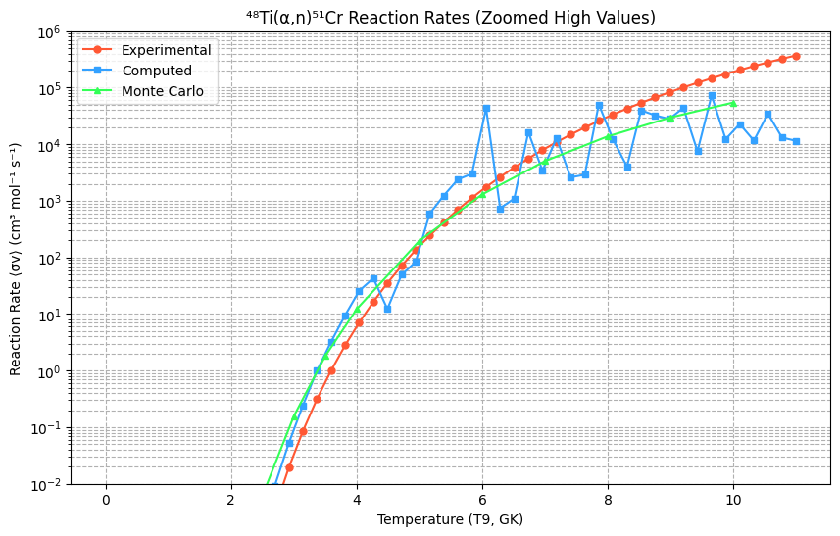
9.38439 | 293.646 | 4.5249 | 5.66E+12 | 29.364522 | 27.985068 | 8.66154 | 5.6604383791E+15 | 1.4248219864E+15 | 17.4466 | 3.36E+11 | 6.286 | 2.65E+03 | 8.033135 | 7.40E+02 | 8.754641
9.5151 | 355.789 | 4.4937 | 5.72E+12 | 29.374362 | 27.558216 | 8.78218 | 5.7164117524E+15 | 929782012074548 | 17.9622 | 2.89E+11 | 6.511 | 3.90E+03 | 8.464003 | 1.10E+03 | 9.107775
 |  |  |  |  |  |  |  |  |  |  | 6.735 | 5.62E+03 | 8.875555 | 1.64E+04 | 9.449025
 |  |  |  |  |  |  |  |  |  |  | 6.96 | 7.91E+03 | 9.269275 | 3.42E+03 | 9.781456
 |  |  |  |  |  |  |  |  |  |  | 7.184 | 1.09E+04 | 9.646379 | 1.29E+04 | 10.107179
 |  |  |  |  |  |  |  |  |  |  | 7.408 | 1.48E+04 | 10.007853 | 2.60E+03 | 10.427357
 |  |  |  |  |  |  |  |  |  |  | 7.633 | 1.97E+04 | 10.354467 | 2.89E+03 | 10.742201
 |  |  |  |  |  |  |  |  |  |  | 7.857 | 2.59E+04 | 10.68683 | 5.06E+04 | 11.05097
 |  |  |  |  |  |  |  |  |  |  | 8.082 | 3.35E+04 | 11.005417 | 1.23E+04 | 11.351977
 |  |  |  |  |  |  |  |  |  |  | 8.306 | 4.27E+04 | 11.310598 | 4.04E+03 | 11.64258
 |  |  |  |  |  |  |  |  |  |  | 8.531 | 5.39E+04 | 11.602654 | 3.98E+04 | 11.919188
 |  |  |  |  |  |  |  |  |  |  | 8.755 | 6.71E+04 | 11.881783 | 3.24E+04 | 12.177261
 |  |  |  |  |  |  |  |  |  |  | 8.98 | 8.28E+04 | 12.148112 | 2.80E+04 | 12.411306
 |  |  |  |  |  |  |  |  |  |  | 9.204 | 1.01E+05 | 12.401697 | 4.41E+04 | 12.614881
 |  |  |  |  |  |  |  |  |  |  | 9.429 | 1.22E+05 | 12.642535 | 7.54E+03 | 12.780593
 |  |  |  |  |  |  |  |  |  |  | 9.653 | 1.46E+05 | 12.870564 | 7.27E+04 | 12.900099
 |  |  |  |  |  |  |  |  |  |  | 9.878 | 1.74E+05 | 13.085672 | 1.23E+04 | 12.964104
 |  |  |  |  |  |  |  |  |  |  | 10.102 | 2.05E+05 | 13.287708 | 2.28E+04 | 12.962364
 |  |  |  |  |  |  |  |  |  |  | 10.327 | 2.41E+05 | 13.476469 | 1.16E+04 | 12.883685
 |  |  |  |  |  |  |  |  |  |  | 10.551 | 2.80E+05 | 13.651726 | 3.48E+04 | 12.71592
 |  |  |  |  |  |  |  |  |  |  | 10.776 | 3.24E+05 | 13.813221 | 1.31E+04 | 12.445974
 |  |  |  |  |  |  |  |  |  |  | 11 | 3.72E+05 | 13.960666 | 1.15E+04 | 12.0598

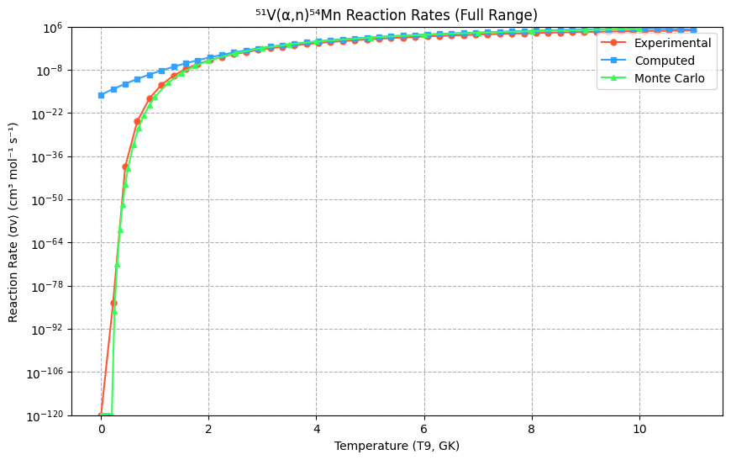
https://www-nds.iaea.org/EXFOR/F0323.003
⁵¹V (α,n) ⁵⁴Mn | 2.474 | Gamow energy (E_G) = 7687.087 MeV
EN lab | DATA
MEV | MB | eta | S-factor(Mev-b) | ln(S-factor){Yexp} | {Ycomp} | Center-of-Mass Energies (MeV): | S-factor values (keV·barn): | Converted S-factor values (keV·barn): |  |  | T9 (GK) | Reaction Rate ⟨σv⟩ (cm³ mol⁻¹ s⁻¹)[exp] | ln(⟨σv⟩)[exp] | Computed Nₐ⟨σv⟩ (cm³ mol⁻¹ s⁻¹) | Computed ln(Nₐ⟨σv⟩)
3.975 | 0.00807 | 7.2686 | 2.03E+15 | 35.247147 | 34.639735 | 3.68551 | 2.0306792038E+18 | 1.1062308485E+18 |  |  | 0.001 | 0.00E+00 | −∞ | 8.61E-17 | -36.99134
4.069 | 0.01768 | 7.1842 | 2.68E+15 | 35.524194 | 34.558878 | 3.77267 | 2.6789294134E+18 | 1.0203050029E+18 |  |  | 0.225 | 3.95E-84 | −192.316 | 5.98E-15 | -32.750271
4.159 | 0.01524 | 7.106 | 1.44E+15 | 34.906484 | 34.483604 | 3.85611 | 1.4444198628E+18 | 9.4632199279E+17 |  |  | 0.45 | 4.12E-40 | −91.903 | 2.99E-13 | -28.838217
4.249 | 0.02328 | 7.0304 | 1.40E+15 | 34.876174 | 34.410308 | 3.93956 | 1.4012964608E+18 | 8.794413568E+17 |  |  | 0.674 | 2.19E-25 | −56.985 | 1.10E-11 | -25.235803
4.337 | 0.04895 | 6.9587 | 1.92E+15 | 35.189435 | 34.340445 | 4.02115 | 1.916802235E+18 | 8.2009803179E+17 |  |  | 0.899 | 5.29E-18 | −39.667 | 3.01E-10 | -21.924265
4.433 | 0.02992 | 6.8829 | 7.44E+14 | 34.243042 | 34.266139 | 4.11016 | 7.4398503844E+17 | 7.6136881379E+17 |  |  | 1.123 | 1.46E-13 | −29.662 | 6.28E-09 | -18.885448
4.523 | 0.06138 | 6.8141 | 1.01E+15 | 34.549269 | 34.198165 | 4.1936 | 1.0105482666E+18 | 7.1133528301E+17 |  |  | 1.348 | 1.38E-10 | −22.404 | 1.02E-07 | -16.101807
4.611 | 0.0722 | 6.7487 | 8.04E+14 | 34.320377 | 34.13317 | 4.2752 | 8.0380436876E+17 | 6.6657248212E+17 |  |  | 1.572 | 1.89E-08 | −17.787 | 1.30E-06 | -13.556403
4.69 | 0.09761 | 6.6917 | 7.72E+14 | 34.280257 | 34.075969 | 4.34844 | 7.7219434104E+17 | 6.2951386841E+17 |  |  | 1.797 | 7.80E-07 | −14.063 | 1.32E-05 | -11.232911
4.769 | 0.1177 | 6.636 | 6.67E+14 | 34.134422 | 34.019774 | 4.42169 | 6.6740761083E+17 | 5.9511394063E+17 |  |  | 2.021 | 1.46E-05 | −11.139 | 1.10E-04 | -9.115612
4.854 | 0.1698 | 6.5776 | 6.79E+14 | 34.151889 | 33.960346 | 4.5005 | 6.79167296E+17 | 5.6077787595E+17 |  |  | 2.246 | 1.59E-04 | −8.745 | 7.55E-04 | -7.189397
4.928 | 0.2353 | 6.5281 | 7.00E+14 | 34.181785 | 33.909409 | 4.56911 | 6.9977862047E+17 | 5.3292882788E+17 |  |  | 2.47 | 1.16E-03 | −6.759 | 4.34E-03 | -5.439768
5.008 | 0.286 | 6.4757 | 6.22E+14 | 34.064087 | 33.855103 | 4.64328 | 6.2207849914E+17 | 5.04759402E+17 |  |  | 2.695 | 6.31E-03 | −5.067 | 2.12E-02 | -3.852833
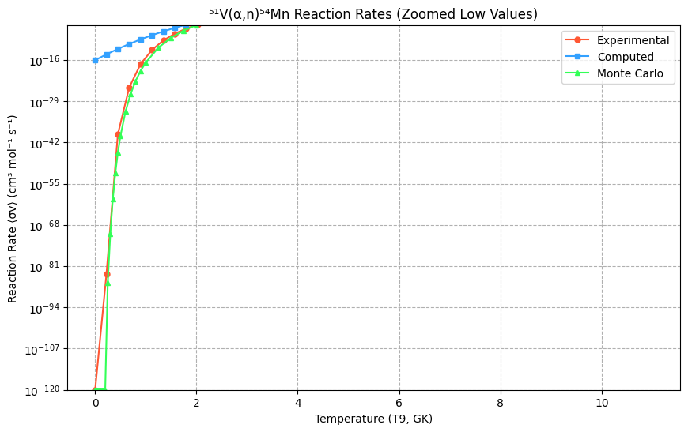
5.084 | 0.3712 | 6.4271 | 6.04E+14 | 34.034632 | 33.804173 | 4.71375 | 6.0402228217E+17 | 4.79695671E+17 |  |  | 2.919 | 2.75E-02 | −3.595 | 8.93E-02 | -2.415312
5.172 | 0.4439 | 6.3722 | 5.20E+14 | 33.885626 | 33.745916 | 4.79534 | 5.2040381369E+17 | 4.5254847482E+17 |  |  | 3.144 | 9.99E-02 | −2.303 | 3.28E-01 | -1.114535
5.249 | 0.5667 | 6.3253 | 5.02E+14 | 33.849883 | 33.695488 | 4.86673 | 5.0213140025E+17 | 4.3029322034E+17 |  |  | 3.368 | 3.15E-01 | −1.156 | 1.06E+00 | 0.061562
5.331 | 0.7724 | 6.2765 | 5.11E+14 | 33.868213 | 33.642264 | 4.94276 | 5.1142039449E+17 | 4.0799008966E+17 |  |  | 3.593 | 8.77E-01 | −0.131 | 3.08E+00 | 1.124431
5.407 | 0.9161 | 6.2322 | 4.66E+14 | 33.774855 | 33.593301 | 5.01323 | 4.6583629081E+17 | 3.8849483853E+17 |  |  | 3.817 | 2.21E+00 | 0.792 | 8.04E+00 | 2.084916
5.487 | 1.189 | 6.1866 | 4.61E+14 | 33.763775 | 33.542064 | 5.0874 | 4.6070336351E+17 | 3.6909087376E+17 |  |  | 4.041 | 5.09E+00 | 1.629 | 1.92E+01 | 2.95325
5.654 | 1.785 | 6.0946 | 4.00E+14 | 33.621692 | 33.435764 | 5.24224 | 3.9968252745E+17 | 3.3186985335E+17 |  |  | 4.266 | 1.09E+01 | 2.388 | 4.21E+01 | 3.73906
5.722 | 2.083 | 6.0582 | 3.76E+14 | 33.55982 | 33.392603 | 5.30528 | 3.7570284771E+17 | 3.1785073445E+17 |  |  | 4.49 | 2.17E+01 | 3.078 | 8.57E+01 | 4.451359
5.788 | 2.533 | 6.0236 | 3.72E+14 | 33.549235 | 33.35071 | 5.36648 | 3.717471141E+17 | 3.0481007693E+17 |  |  | 4.715 | 4.07E+01 | 3.707 | 1.64E+02 | 5.098555
5.859 | 2.98 | 5.987 | 3.52E+14 | 33.493927 | 33.305589 | 5.43231 | 3.5174496092E+17 | 2.91362409E+17 |  |  | 4.939 | 7.27E+01 | 4.286 | 2.95E+02 | 5.688445
5.93 | 3.564 | 5.951 | 3.40E+14 | 33.459058 | 33.260357 | 5.49814 | 3.3969115166E+17 | 2.7847711512E+17 |  |  | 5.164 | 1.24E+02 | 4.82 | 5.07E+02 | 6.228215
5.999 | 4.297 | 5.9167 | 3.34E+14 | 33.442001 | 33.216241 | 5.56211 | 3.3394623252E+17 | 2.6645886636E+17 |  |  | 5.388 | 2.02E+02 | 5.312 | 8.33E+02 | 6.724445
6.07 | 4.853 | 5.882 | 3.07E+14 | 33.357387 | 33.170627 | 5.62794 | 3.068520299E+17 | 2.5457764658E+17 |  |  | 5.613 | 3.17E+02 | 5.759 | 1.32E+03 | 7.183103
6.139 | 5.71 | 5.8489 | 2.96E+14 | 33.323029 | 33.126034 | 5.69192 | 2.9648843334E+17 | 2.4347466309E+17 |  |  | 5.837 | 4.83E+02 | 6.179 | 2.02E+03 | 7.60955
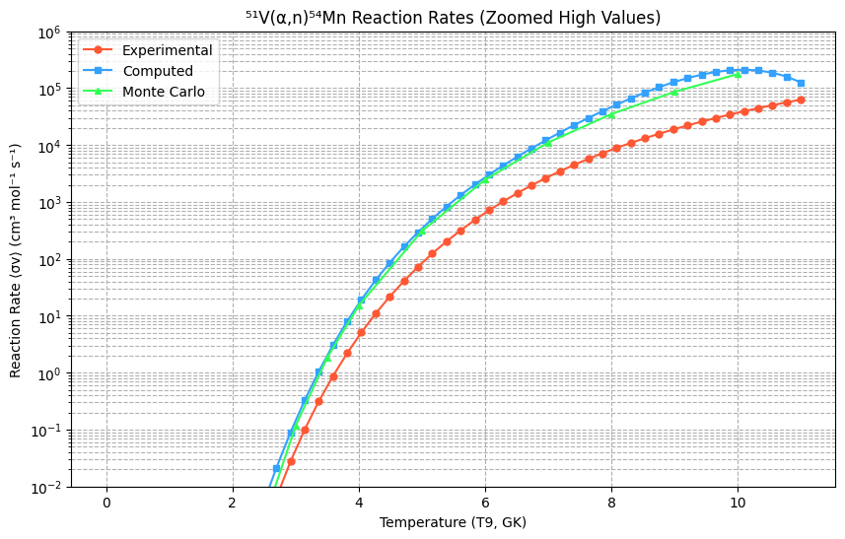
6.207 | 6.664 | 5.8167 | 2.86E+14 | 33.286689 | 33.08178 | 5.75496 | 2.8590746086E+17 | 2.3293486941E+17 |  |  | 6.062 | 7.12E+02 | 6.569 | 3.01E+03 | 8.008534
6.281 | 7.713 | 5.7824 | 2.70E+14 | 33.228796 | 33.033219 | 5.82357 | 2.6982533304E+17 | 2.2189357701E+17 |  |  | 6.286 | 1.02E+03 | 6.927 | 4.38E+03 | 8.384199
6.347 | 8.64 | 5.7522 | 2.53E+14 | 33.163351 | 32.989503 | 5.88477 | 2.5273204216E+17 | 2.1240225033E+17 |  |  | 6.511 | 1.43E+03 | 7.267 | 6.25E+03 | 8.740074
6.415 | 9.679 | 5.7217 | 2.36E+14 | 33.095496 | 32.944014 | 5.94782 | 2.3615184488E+17 | 2.0295674633E+17 |  |  | 6.735 | 1.96E+03 | 7.579 | 8.77E+03 | 9.079084
6.489 | 11.2 | 5.6889 | 2.25E+14 | 33.047346 | 32.893936 | 6.01643 | 2.2505053398E+17 | 1.9304337104E+17 |  |  | 6.96 | 2.63E+03 | 7.875 | 1.21E+04 | 9.40354
6.563 | 12.97 | 5.6568 | 2.15E+14 | 33.003323 | 32.843199 | 6.08504 | 2.1535798057E+17 | 1.8349325037E+17 |  |  | 7.184 | 3.46E+03 | 8.148 | 1.66E+04 | 9.715147
6.631 | 15.76 | 5.6277 | 2.20E+14 | 33.025755 | 32.795938 | 6.14809 | 2.2024347654E+17 | 1.7502291078E+17 |  |  | 7.408 | 4.48E+03 | 8.408 | 2.24E+04 | 10.014999
6.703 | 16.81 | 5.5974 | 1.96E+14 | 32.910632 | 32.745177 | 6.21484 | 1.962934856E+17 | 1.6636029432E+17 |  |  | 7.633 | 5.71E+03 | 8.647 | 2.98E+04 | 10.303581
6.774 | 19.78 | 5.568 | 1.94E+14 | 32.89907 | 32.694339 | 6.28067 | 1.9403708688E+17 | 1.5811425175E+17 |  |  | 7.857 | 7.18E+03 | 8.877 | 3.94E+04 | 10.58077
6.845 | 22.34 | 5.539 | 1.85E+14 | 32.849292 | 32.642668 | 6.3465 | 1.8461464213E+17 | 1.5015181527E+17 |  |  | 8.082 | 8.90E+03 | 9.091 | 5.13E+04 | 10.845831
6.911 | 25.02 | 5.5125 | 1.77E+14 | 32.805603 | 32.59384 | 6.40769 | 1.7672263885E+17 | 1.4299631834E+17 |  |  | 8.306 | 1.09E+04 | 9.296 | 6.60E+04 | 11.097423
6.971 | 28.26 | 5.4887 | 1.73E+14 | 32.786638 | 32.548746 | 6.46332 | 1.7340280942E+17 | 1.3669127066E+17 |  |  | 8.531 | 1.32E+04 | 9.489 | 8.36E+04 | 11.333592
7.034 | 30.9 | 5.4641 | 1.64E+14 | 32.730156 | 32.500638 | 6.52174 | 1.6388010273E+17 | 1.3027099844E+17 |  |  | 8.755 | 1.58E+04 | 9.663 | 1.04E+05 | 11.551779
7.091 | 31.9 | 5.4421 | 1.49E+14 | 32.631812 | 32.456408 | 6.57458 | 1.485305719E+17 | 1.2463467823E+17 |  |  | 8.98 | 1.88E+04 | 9.842 | 1.27E+05 | 11.748811
 |  |  |  |  |  |  |  |  |  |  | 9.204 | 2.21E+04 | 10 | 1.50E+05 | 11.920909
 |  |  |  |  |  |  |  |  |  |  | 9.429 | 2.58E+04 | 10.16 | 1.73E+05 | 12.063684
 |  |  |  |  |  |  |  |  |  |  | 9.653 | 2.99E+04 | 10.31 | 1.93E+05 | 12.172137
 |  |  |  |  |  |  |  |  |  |  | 9.878 | 3.44E+04 | 10.45 | 2.07E+05 | 12.240661
 |  |  |  |  |  |  |  |  |  |  | 10.102 | 3.93E+04 | 10.58 | 2.12E+05 | 12.263037
 |  |  |  |  |  |  |  |  |  |  | 10.327 | 4.46E+04 | 10.71 | 2.05E+05 | 12.232439
 |  |  |  |  |  |  |  |  |  |  | 10.551 | 5.03E+04 | 10.83 | 1.87E+05 | 12.141432
 |  |  |  |  |  |  |  |  |  |  | 10.776 | 5.64E+04 | 10.94 | 1.60E+05 | 11.981971
 |  |  |  |  |  |  |  |  |  |  | 11 | 6.30E+04 | 11.05 | 1.26E+05 | 11.7454

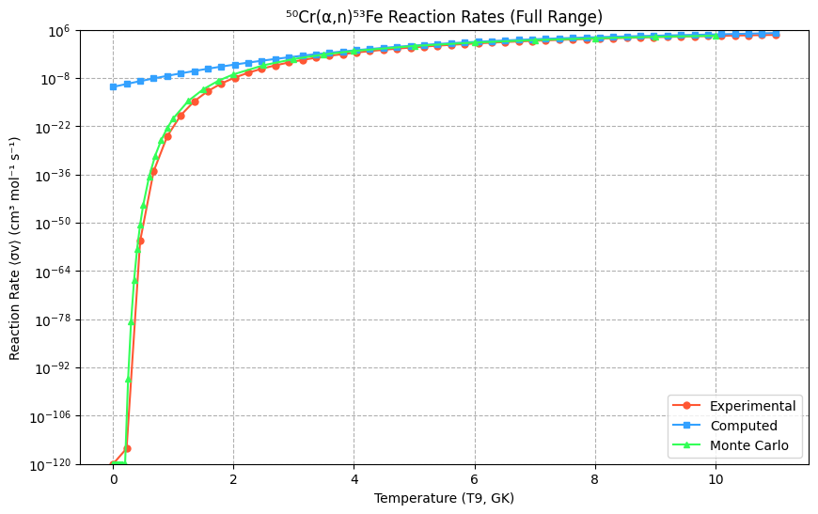
https://www-nds.iaea.org/EXFOR/F0315.002
⁵⁰Cr(α,n)⁵³Fe | 5.359 | Gamow energy (E_G) = 8357.899 MeV
EN lab | DATA
MEV | MB | eta | S-factor(Mev-b) | ln(S-factor){Yexp} | {Ycomp} | Center-of-Mass Energies (MeV): | S-factor values (keV·barn): | Converted S-factor values (keV·barn): | Error in cross section(mb) | S-factor error(Mev-b) | T9 (GK) | ⟨σv⟩ (cm³ mol⁻¹ s⁻¹)[exp] | ln(⟨σv⟩)[exp] | Computed N<sub>A</sub>⟨σv⟩ (cm³ mol⁻¹ s⁻¹) | Computed ln(N<sub>A</sub>⟨σv⟩)
5.4087 | 0.006158 | 6.5022 | 1.71E+13 | 30.467449 | 31.844415 | 5.00752 | 1.7054735902E+16 | 6.7585528458E+16 | 3.11E-03 | 8.61E+12 | 0.001 | 0.00E+00 | -inf | 2.70E-11 | -24.33505
5.4786 | 0.018046 | 6.4605 | 3.90E+13 | 31.294001 | 31.911597 | 5.07223 | 3.8977312184E+16 | 7.2282054107E+16 | 2.67E-03 | 5.77E+12 | 0.225 | 3.12E-116 | -265.337511 | 1.93E-10 | -22.367389
5.5523 | 0.06262 | 6.4175 | 1.05E+14 | 32.281214 | 31.975285 | 5.14046 | 1.0460518249E+17 | 7.7035309684E+16 | 3.80E-03 | 6.35E+12 | 0.45 | 5.14E-56 | -127.764525 | 1.27E-09 | -20.480981
5.6278 | 0.059344 | 6.3743 | 7.66E+13 | 31.969599 | 32.033113 | 5.21036 | 7.6598565605E+16 | 8.1621432778E+16 | 3.99E-03 | 5.15E+12 | 0.674 | 8.52E-36 | -81.824622 | 7.76E-09 | -18.673919
5.7032 | 0.07858 | 6.3321 | 7.88E+13 | 31.998043 | 32.083567 | 5.28017 | 7.8808564332E+16 | 8.5845218007E+16 | 4.61E-03 | 4.62E+12 | 0.899 | 1.19E-25 | -57.04837 | 4.38E-08 | -16.944296
5.7786 | 0.11513 | 6.2906 | 9.02E+13 | 32.132706 | 32.126925 | 5.34998 | 9.0168922304E+16 | 8.9649164826E+16 | 3.60E-03 | 2.82E+12 | 1.123 | 1.52E-19 | -42.022073 | 2.29E-07 | -15.290204
5.849 | 0.12292 | 6.2526 | 7.68E+13 | 31.9717 | 32.161176 | 5.41516 | 7.6759651767E+16 | 9.2772929018E+16 | 3.58E-03 | 2.24E+12 | 1.348 | 1.83E-15 | -33.126523 | 1.11E-06 | -13.709737
5.9194 | 0.18079 | 6.2153 | 9.04E+13 | 32.135149 | 32.189573 | 5.48033 | 9.0389508909E+16 | 9.5445164043E+16 | 4.99E-03 | 2.49E+12 | 1.572 | 1.56E-12 | -27.283267 | 5.03E-06 | -12.200989
5.9897 | 0.19346 | 6.1788 | 7.78E+13 | 31.98484 | 32.212245 | 5.54542 | 7.7774894728E+16 | 9.7633813584E+16 | 4.98E-03 | 2.00E+12 | 1.797 | 2.55E-10 | -21.792235 | 2.12E-05 | -10.762051
6.0601 | 0.16101 | 6.1428 | 5.22E+13 | 31.586763 | 32.229419 | 5.6106 | 5.2234429212E+16 | 9.9325057844E+16 | 4.74E-03 | 1.54E+12 | 2.021 | 1.38E-08 | -17.093962 | 8.35E-05 | -9.391018
6.1304 | 0.21659 | 6.1074 | 5.69E+13 | 31.672899 | 32.241204 | 5.67568 | 5.6933140058E+16 | 1.0050252827E+17 | 7.21E-03 | 1.90E+12 | 2.246 | 3.50E-07 | -14.868501 | 3.08E-04 | -8.085982
6.2008 | 0.42286 | 6.0727 | 9.04E+13 | 32.134892 | 32.247793 | 5.74086 | 9.0366234132E+16 | 1.0116692588E+17 | 8.87E-03 | 1.90E+12 | 2.47 | 5.06E-06 | -12.497618 | 1.06E-03 | -6.845037
6.2712 | 0.71402 | 6.0385 | 1.24E+14 | 32.45528 | 32.249325 | 5.80604 | 1.2449414843E+17 | 1.0132203239E+17 | 1.20E-02 | 2.09E+12 | 2.695 | 4.82E-05 | -9.94094 | 3.46E-03 | -5.666275
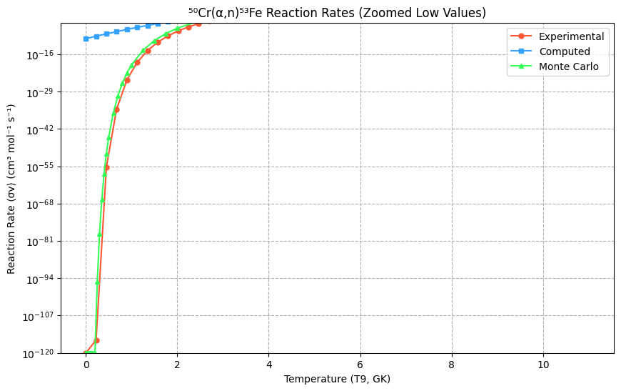
6.3415 | 0.8856 | 6.0049 | 1.26E+14 | 32.470894 | 32.245968 | 5.87113 | 1.2645333916E+17 | 1.0098246461E+17 | 1.32E-02 | 1.88E+12 | 2.919 | 3.33E-04 | -8.009268 | 1.06E-02 | -4.54779
6.4118 | 0.86419 | 5.9719 | 1.01E+14 | 32.250037 | 32.237888 | 5.93621 | 1.0139419979E+17 | 1.0016981383E+17 | 1.35E-02 | 1.58E+12 | 3.144 | 1.78E-03 | -6.329893 | 3.06E-02 | -3.487674
6.4822 | 1.1231 | 5.9394 | 1.09E+14 | 32.318698 | 32.225221 | 6.00139 | 1.0860062361E+17 | 9.8908965241E+16 | 1.22E-02 | 1.18E+12 | 3.368 | 7.77E-03 | -4.857525 | 8.34E-02 | -2.484021
6.5525 | 1.359 | 5.9075 | 1.09E+14 | 32.319412 | 32.208164 | 6.06647 | 1.0867818364E+17 | 9.723618191E+16 | 1.62E-02 | 1.30E+12 | 3.593 | 2.86E-02 | -3.551603 | 2.15E-01 | -1.534924
6.6228 | 1.8271 | 5.876 | 1.21E+14 | 32.42854 | 32.18686 | 6.13156 | 1.2120931732E+17 | 9.5186572252E+16 | 1.13E-02 | 7.50E+11 | 3.817 | 9.17E-02 | -2.389314 | 5.28E-01 | -0.638476
6.6881 | 1.4422 | 5.8473 | 8.06E+13 | 32.021112 | 32.163406 | 6.19202 | 8.0647784966E+16 | 9.2980043497E+16 | 1.10E-02 | 6.15E+11 | 4.041 | 2.61E-01 | -1.342627 | 1.23E+00 | 0.207229
6.7534 | 2.0112 | 5.8189 | 9.50E+13 | 32.185339 | 32.136553 | 6.25247 | 9.5041859973E+16 | 9.0516475519E+16 | 1.31E-02 | 6.19E+11 | 4.266 | 6.71E-01 | -0.398438 | 2.73E+00 | 1.0041
6.8187 | 2.6969 | 5.791 | 1.08E+14 | 32.312845 | 32.106428 | 6.31293 | 1.079667653E+17 | 8.7830329903E+16 | 2.05E-02 | 8.21E+11 | 4.49 | 1.58E+00 | 0.458421 | 5.78E+00 | 1.754042
6.8839 | 2.9628 | 5.7635 | 1.01E+14 | 32.243671 | 32.073212 | 6.37329 | 1.0075074272E+17 | 8.4960877351E+16 | 2.09E-02 | 7.11E+11 | 4.715 | 3.46E+00 | 1.244946 | 1.17E+01 | 2.458963
6.9492 | 3.209 | 5.7364 | 9.29E+13 | 32.162392 | 32.03693 | 6.43375 | 9.2885766788E+16 | 8.1933577135E+16 | 2.08E-02 | 6.02E+11 | 4.939 | 7.09E+00 | 1.957013 | 2.27E+01 | 3.12077
7.0145 | 3.169 | 5.7096 | 7.83E+13 | 31.991043 | 31.997759 | 6.49421 | 7.825886791E+16 | 7.878620232E+16 | 2.15E-02 | 5.31E+11 | 5.164 | 1.37E+01 | 2.617789 | 4.22E+01 | 3.741368
7.0798 | 3.883 | 5.6832 | 8.20E+13 | 32.037675 | 31.955826 | 6.55466 | 8.1994678415E+16 | 7.5550770263E+16 | 2.46E-02 | 5.19E+11 | 5.388 | 2.51E+01 | 3.223763 | 7.54E+01 | 4.322667
7.145 | 5.404 | 5.6572 | 9.78E+13 | 32.214075 | 31.911328 | 6.61503 | 9.7812667892E+16 | 7.226261285E+16 | 2.89E-02 | 5.23E+11 | 5.613 | 4.40E+01 | 3.782619 | 1.30E+02 | 4.866571
7.2103 | 5.4759 | 5.6315 | 8.51E+13 | 32.075066 | 31.864256 | 6.67548 | 8.5118547892E+16 | 6.8939884387E+16 | 3.12E-02 | 4.85E+11 | 5.837 | 7.39E+01 | 4.304873 | 2.16E+02 | 5.374989
7.2755 | 5.8995 | 5.6063 | 7.89E+13 | 31.999674 | 31.814882 | 6.73585 | 7.8937204186E+16 | 6.5618711009E+16 | 3.14E-02 | 4.20E+11 | 6.062 | 1.20E+02 | 4.791175 | 3.47E+02 | 5.849826
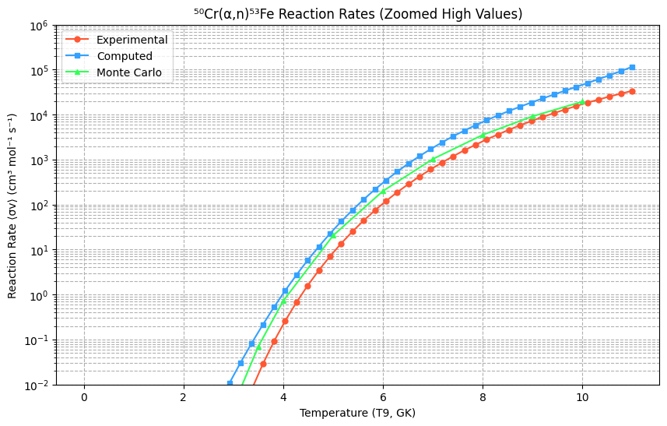
7.3408 | 6.3111 | 5.5813 | 7.28E+13 | 31.919029 | 31.763182 | 6.7963 | 7.2821266873E+16 | 6.231242749E+16 | 3.40E-02 | 3.92E+11 | 6.286 | 1.88E+02 | 5.246476 | 5.41E+02 | 6.292991
7.406 | 6.7483 | 5.5566 | 6.73E+13 | 31.840147 | 31.709441 | 6.85667 | 6.7297700163E+16 | 5.9052086948E+16 | 7.87E-02 | 7.85E+11 | 6.511 | 2.85E+02 | 5.676298 | 8.18E+02 | 6.706389
7.4713 | 8.5355 | 5.5323 | 7.37E+13 | 31.930961 | 31.65362 | 6.91712 | 7.3695341902E+16 | 5.5846054815E+16 | 7.47E-02 | 6.45E+11 | 6.735 | 4.22E+02 | 6.082735 | 1.20E+03 | 7.091929
7.5315 | 9.6727 | 5.5101 | 7.32E+13 | 31.924859 | 31.6005 | 6.97286 | 7.3247030291E+16 | 5.295692695E+16 | 5.42E-02 | 4.10E+11 | 6.96 | 6.09E+02 | 6.468584 | 1.72E+03 | 7.451515
7.5917 | 10.19 | 5.4883 | 6.78E+13 | 31.847378 | 31.545889 | 7.02859 | 6.7786073698E+16 | 5.0142446458E+16 | 7.68E-02 | 5.11E+11 | 7.184 | 8.59E+02 | 6.836321 | 2.41E+03 | 7.787057
7.652 | 11.932 | 5.4666 | 6.98E+13 | 31.876967 | 31.489795 | 7.08442 | 6.9821750944E+16 | 4.740718901E+16 | 8.42E-02 | 4.93E+11 | 7.408 | 1.19E+03 | 7.188147 | 3.30E+03 | 8.10046
7.7041 | 14.126 | 5.4481 | 7.41E+13 | 31.936208 | 31.440283 | 7.13266 | 7.4083087105E+16 | 4.5117124905E+16 | 0.21294 | 1.12E+12 | 7.633 | 1.61E+03 | 7.526036 | 4.42E+03 | 8.393631
7.7122 | 14.17 | 5.4452 | 7.31E+13 | 31.922388 | 31.432503 | 7.14016 | 7.306628807E+16 | 4.4767475572E+16 | 9.16E-02 | 4.72E+11 | 7.857 | 2.14E+03 | 7.851772 | 5.82E+03 | 8.668477
7.7724 | 13.163 | 5.4241 | 5.99E+13 | 31.723692 | 31.374021 | 7.19589 | 5.9899660077E+16 | 4.2224468871E+16 | 0.10181 | 4.63E+11 | 8.082 | 2.81E+03 | 8.167004 | 7.53E+03 | 8.926906
7.8326 | 14.4 | 5.4032 | 5.79E+13 | 31.690005 | 31.314448 | 7.25162 | 5.7915413926E+16 | 3.9782490729E+16 | 0.1183 | 4.76E+11 | 8.306 | 3.63E+03 | 8.47317 | 9.61E+03 | 9.170824
7.8928 | 15.717 | 5.3826 | 5.59E+13 | 31.655459 | 31.253886 | 7.30736 | 5.5948843216E+16 | 3.7444688997E+16 | 0.11092 | 3.95E+11 | 8.531 | 4.62E+03 | 8.771542 | 1.21E+04 | 9.402138
7.953 | 17.206 | 5.3621 | 5.43E+13 | 31.625331 | 31.192433 | 7.36309 | 5.4288364386E+16 | 3.5212878567E+16 | 0.12855 | 4.06E+11 | 8.755 | 5.82E+03 | 9.063259 | 1.51E+04 | 9.622755
8.0132 | 17.449 | 5.342 | 4.89E+13 | 31.520103 | 31.130189 | 7.41883 | 4.8865987341E+16 | 3.3087907525E+16 | 0.11105 | 3.11E+11 | 8.98 | 7.23E+03 | 9.349343 | 1.87E+04 | 9.834581
8.0734 | 20.241 | 5.322 | 5.04E+13 | 31.550643 | 31.067255 | 7.47456 | 5.0381366447E+16 | 3.1069725363E+16 | 0.17116 | 4.26E+11 | 9.204 | 8.89E+03 | 9.630712 | 2.29E+04 | 10.039524
8.1336 | 22.224 | 5.3023 | 4.92E+13 | 31.527556 | 31.003731 | 7.5303 | 4.9231551003E+16 | 2.915743336E+16 | 0.19388 | 4.29E+11 | 9.429 | 1.08E+04 | 9.90818 | 2.80E+04 | 10.239491
8.1938 | 25.484 | 5.2828 | 5.03E+13 | 31.549199 | 30.939715 | 7.58603 | 5.0308675162E+16 | 2.7349380672E+16 | 0.17528 | 3.46E+11 | 9.653 | 1.30E+04 | 10.182478 | 3.41E+04 | 10.436388
8.254 | 26.458 | 5.2635 | 4.66E+13 | 31.472761 | 30.875309 | 7.64177 | 4.660649702E+16 | 2.5643442453E+16 | 0.17541 | 3.09E+11 | 9.878 | 1.56E+04 | 10.454265 | 4.14E+04 | 10.632123
8.3142 | 28.441 | 5.2444 | 4.48E+13 | 31.432355 | 30.810611 | 7.6975 | 4.4760858419E+16 | 2.4036893617E+16 | 0.19623 | 3.09E+11 | 10.102 | 1.85E+04 | 10.724143 | 5.04E+04 | 10.828602
8.3744 | 29.302 | 5.2255 | 4.13E+13 | 31.350743 | 30.745723 | 7.75324 | 4.1252934551E+16 | 2.252671378E+16 | 0.16269 | 2.29E+11 | 10.327 | 2.17E+04 | 10.992657 | 6.16E+04 | 11.027733
8.4346 | 31.505 | 5.2068 | 3.97E+13 | 31.313019 | 30.680742 | 7.80897 | 3.9725678138E+16 | 2.1109451616E+16 | 0.17314 | 2.18E+11 | 10.551 | 2.54E+04 | 11.260309 | 7.55E+04 | 11.231421
8.4948 | 32.838 | 5.1883 | 3.71E+13 | 31.245443 | 30.615771 | 7.86471 | 3.7129876876E+16 | 1.9781553936E+16 | 0.17897 | 2.02E+11 | 10.776 | 2.94E+04 | 11.527572 | 9.31E+04 | 11.441575
8.55 | 35.52 | 5.1716 | 3.64E+13 | 31.225027 | 30.556289 | 7.91581 | 3.637950509E+16 | 1.8639218531E+16 | 0.17984 | 1.84E+11 | 11 | 3.39E+04 | 11.794905 | 1.16E+05 | 11.6601
8.6051 | 36.4 | 5.155 | 3.38E+13 | 31.151724 | 30.497082 | 7.96683 | 3.3808195084E+16 | 1.7567680595E+16 | 0.19028 | 1.77E+11
8.6603 | 38.885 | 5.1385 | 3.28E+13 | 31.120769 | 30.438012 | 8.01793 | 3.2777686766E+16 | 1.6560012173E+16 | 0.20234 | 1.71E+11
8.7155 | 35.161 | 5.1222 | 2.69E+13 | 30.924046 | 30.379265 | 8.06904 | 2.6924188501E+16 | 1.5615185716E+16 | 0.17996 | 1.38E+11
8.7706 | 41.706 | 5.1061 | 2.90E+13 | 30.999802 | 30.321022 | 8.12005 | 2.9043083989E+16 | 1.4731688944E+16 | 0.20054 | 1.40E+11
8.8258 | 43.439 | 5.0901 | 2.75E+13 | 30.946302 | 30.263148 | 8.17116 | 2.7530134946E+16 | 1.3903309205E+16 | 0.21068 | 1.34E+11
8.8809 | 43.755 | 5.0743 | 2.53E+13 | 30.860406 | 30.205931 | 8.22217 | 2.5264116923E+16 | 1.3130133871E+16 | 0.18399 | 1.06E+11

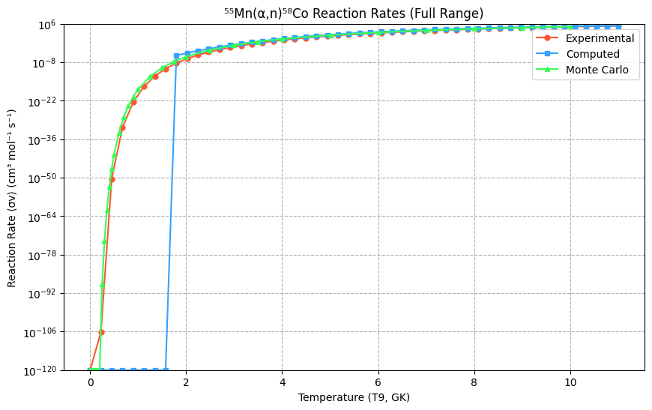
https://www-nds.iaea.org/EXFOR/D0063.005
⁵⁵Mn(α,n)⁵⁸Co | 3.767 | Gamow energy (E_G) = 9130.439 MeV
EN lab | DATA
MEV | MB | eta | S-factor(Mev-b) | ln(S-factor){Yexp} | {Ycomp} | Center-of-Mass Energies (MeV): | S-factor values (keV·barn): | Converted S-factor values (keV·barn): | Error in cross section(mb) | S-factor error(Mev-b) | T9 (GK) | ⟨σv⟩ (cm³ mol⁻¹ s⁻¹)[exp] | ln(⟨σv⟩)[exp] | Reaction Rate NA⟨σv⟩NA⟨σv⟩ (cm³ mol⁻¹ s⁻¹) [Computed] | ln⁡(NA⟨σv⟩)ln(NA⟨σv⟩) (cm³ mol⁻¹ s⁻¹) [Computed]
5.025 | 0.04 | 7.0269 | 2.80E+15 | 35.568902 | 35.585806 | 4.68384 | 2.8014164423E+18 | 2.8491753601E+18 | 0.028 | 1.96E+15 | 0.001 | 0.00E+00 | -inf | 0.00E+00 | -34.71388
5.105 | 0.057 | 6.9716 | 2.87E+15 | 35.591556 | 35.578539 | 4.75841 | 2.8656049842E+18 | 2.8285454523E+18 | 0.032 | 1.61E+15 | 0.225 | 7.19E-107 | -244.013661 | 0.00E+00 | -31.215741
5.185 | 0.077 | 6.9176 | 2.80E+15 | 35.568616 | 35.568492 | 4.83298 | 2.8006176269E+18 | 2.8002693391E+18 | 0.03 | 1.09E+15 | 0.45 | 3.84E-51 | -115.420529 | 0.00E+00 | -27.948973
5.265 | 0.113 | 6.8649 | 3.00E+15 | 35.636029 | 35.555712 | 4.90755 | 2.9959228735E+18 | 2.7647096076E+18 | 0.031 | 8.22E+14 | 0.674 | 1.67E-32 | -72.413528 | 0.00E+00 | -24.90186
5.317 | 0.141 | 6.8312 | 3.06E+15 | 35.655789 | 35.545961 | 4.95602 | 3.0557134148E+18 | 2.7378819351E+18 | 0.036 | 7.80E+14 | 0.899 | 3.70E-23 | -51.955913 | 0.00E+00 | -22.063011
5.344 | 0.152 | 6.814 | 2.97E+15 | 35.627409 | 35.540455 | 4.98119 | 2.9702090049E+18 | 2.722848582E+18 | 0.036 | 7.03E+14 | 1.123 | 1.57E-17 | -38.080357 | 0.00E+00 | -19.421355
5.423 | 0.169 | 6.7641 | 2.45E+15 | 35.435114 | 35.522625 | 5.05482 | 2.4506113972E+18 | 2.6747304398E+18 | 0.061 | 8.85E+14 | 1.348 | 9.19E-14 | -30.114973 | 0.00E+00 | -16.966145
5.493 | 0.267 | 6.7209 | 2.99E+15 | 35.633619 | 35.504712 | 5.12007 | 2.9887132805E+18 | 2.6272445703E+18 | 0.057 | 6.38E+14 | 1.572 | 4.70E-11 | -23.483725 | 0.00E+00 | -14.686958
5.568 | 0.324 | 6.6755 | 2.76E+15 | 35.555305 | 35.483352 | 5.18998 | 2.7635834971E+18 | 2.5717217213E+18 | 0.038 | 3.24E+14 | 1.797 | 5.23E-09 | -18.367197 | 2.77E-06 | -12.573693
5.643 | 0.426 | 6.631 | 2.78E+15 | 35.562718 | 35.459787 | 5.25989 | 2.7841462296E+18 | 2.5118275734E+18 | 0.031 | 2.03E+14 | 2.021 | 2.12E-07 | -15.065434 | 2.48E-05 | -10.616571
5.718 | 0.541 | 6.5873 | 2.72E+15 | 35.540759 | 35.434057 | 5.3298 | 2.7236754932E+18 | 2.4480226207E+18 | 0.042 | 2.11E+14 | 2.246 | 4.24E-06 | -12.368632 | 1.50E-04 | -8.806137
5.793 | 0.677 | 6.5446 | 2.64E+15 | 35.509241 | 35.406201 | 5.3997 | 2.6391699753E+18 | 2.3807715245E+18 | 0.045 | 1.75E+14 | 2.47 | 5.08E-05 | -9.886195 | 7.98E-04 | -7.13326
5.865 | 0.875 | 6.5043 | 2.68E+15 | 35.524963 | 35.377493 | 5.46682 | 2.6809905678E+18 | 2.31339607E+18 | 0.046 | 1.41E+14 | 2.695 | 4.15E-04 | -7.785027 | 3.74E-03 | -5.58913
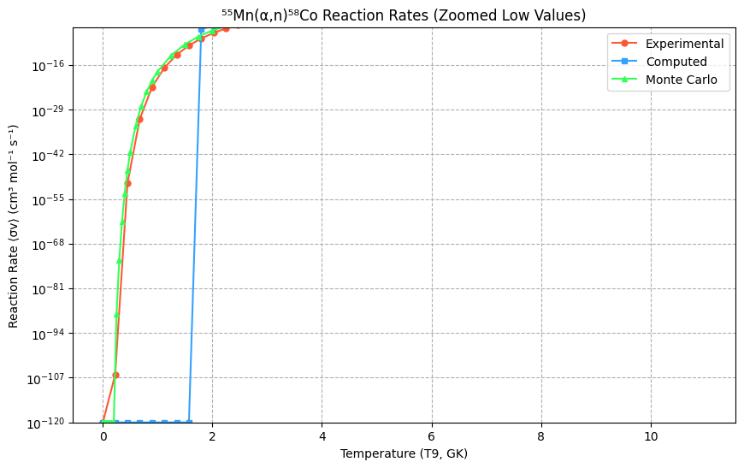
5.935 | 1.051 | 6.4658 | 2.56E+15 | 35.478381 | 35.347771 | 5.53206 | 2.5589693324E+18 | 2.2456490872E+18 | 0.065 | 1.58E+14 | 2.919 | 2.52E-03 | -5.984195 | 1.55E-02 | -4.165261
6.005 | 1.394 | 6.428 | 2.71E+15 | 35.535061 | 35.316294 | 5.59731 | 2.70820055E+18 | 2.1760637057E+18 | 0.042 | 8.16E+13 | 3.144 | 1.21E-02 | -4.415859 | 5.76E-02 | -2.853489
6.075 | 1.592 | 6.3909 | 2.48E+15 | 35.4461 | 35.283093 | 5.66256 | 2.4776819655E+18 | 2.1050023954E+18 | 0.077 | 1.20E+14 | 3.368 | 4.82E-02 | -3.032079 | 1.93E-01 | -1.645975
6.145 | 1.969 | 6.3544 | 2.46E+15 | 35.440726 | 35.248201 | 5.72781 | 2.4644029406E+18 | 2.0328212471E+18 | 0.071 | 8.89E+13 | 3.593 | 1.65E-01 | -1.802426 | 5.86E-01 | -0.5352
6.215 | 2.444 | 6.3185 | 2.47E+15 | 35.442684 | 35.211647 | 5.79305 | 2.4692327738E+18 | 1.9598552238E+18 | 0.05 | 5.05E+13 | 3.817 | 4.96E-01 | -0.698065 | 1.63E+00 | 0.48603
6.285 | 2.939 | 6.2832 | 2.41E+15 | 35.416616 | 35.173465 | 5.8583 | 2.4056957867E+18 | 1.8864346238E+18 | 0.058 | 4.75E+13 | 4.041 | 1.34E+00 | 0.293776 | 4.16E+00 | 1.424587
6.355 | 3.245 | 6.2485 | 2.16E+15 | 35.308709 | 35.133685 | 5.92355 | 2.1596207561E+18 | 1.8128652507E+18 | 0.061 | 4.06E+13 | 4.266 | 3.31E+00 | 1.197206 | 9.85E+00 | 2.287018
6.425 | 3.999 | 6.2144 | 2.17E+15 | 35.314137 | 35.092339 | 5.9888 | 2.1713751147E+18 | 1.7394389263E+18 | 0.053 | 2.88E+13 | 4.49 | 7.55E+00 | 2.02244 | 2.17E+01 | 3.079551
6.495 | 4.805 | 6.1808 | 2.14E+15 | 35.297606 | 35.049458 | 6.05404 | 2.1357760631E+18 | 1.6664266528E+18 | 0.052 | 2.31E+13 | 4.715 | 1.61E+01 | 2.777402 | 4.51E+01 | 3.808087
6.565 | 5.652 | 6.1477 | 2.06E+15 | 35.263083 | 35.005075 | 6.11929 | 2.0632996712E+18 | 1.5940829296E+18 | 0.034 | 1.24E+13 | 4.939 | 3.22E+01 | 3.472145 | 8.81E+01 | 4.478207
6.635 | 6.467 | 6.1152 | 1.95E+15 | 35.20409 | 34.959219 | 6.18454 | 1.945100399E+18 | 1.5226353326E+18 | 0.036 | 1.08E+13 | 5.164 | 6.13E+01 | 4.11285 | 1.63E+02 | 5.095167
6.703 | 7.526 | 6.0841 | 1.88E+15 | 35.170546 | 34.913295 | 6.24792 | 1.8809352772E+18 | 1.4542911577E+18 | 0.037 | 9.25E+12 | 5.388 | 1.11E+02 | 4.704898 | 2.88E+02 | 5.663902
6.768 | 8.567 | 6.0548 | 1.80E+15 | 35.125737 | 34.868152 | 6.30851 | 1.7985142286E+18 | 1.3900998861E+18 | 0.078 | 1.64E+13 | 5.613 | 1.93E+02 | 5.252985 | 4.87E+02 | 6.189022
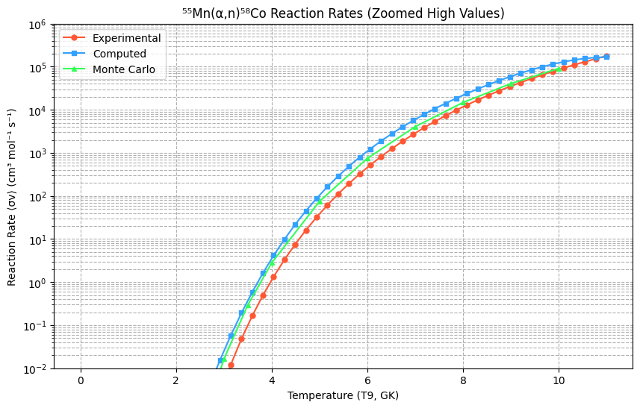
6.833 | 9.94 | 6.026 | 1.76E+15 | 35.102564 | 34.82182 | 6.3691 | 1.7573163662E+18 | 1.3271630316E+18 | 0.082 | 1.45E+13 | 5.837 | 3.24E+02 | 5.761231 | 7.92E+02 | 6.674816
6.898 | 11.199 | 5.9975 | 1.67E+15 | 35.052479 | 34.774322 | 6.42968 | 1.6714678378E+18 | 1.2655990977E+18 | 0.077 | 1.15E+13 | 6.062 | 5.23E+02 | 6.233275 | 1.24E+03 | 7.125249
6.963 | 12.81 | 5.9695 | 1.62E+15 | 35.019958 | 34.725685 | 6.49027 | 1.6179850406E+18 | 1.2055171019E+18 | 0.087 | 1.10E+13 | 6.286 | 8.21E+02 | 6.672298 | 1.89E+03 | 7.543963
7.028 | 13.93 | 5.9418 | 1.49E+15 | 34.939219 | 34.675933 | 6.55086 | 1.4924848095E+18 | 1.1470077617E+18 | 0.1 | 1.07E+13 | 6.511 | 1.25E+03 | 7.081111 | 2.79E+03 | 7.934277
7.093 | 16.091 | 5.9145 | 1.47E+15 | 34.921186 | 34.625092 | 6.61144 | 1.4658122814E+18 | 1.090150331E+18 | 0.086 | 7.83E+12 | 6.735 | 1.86E+03 | 7.46222 | 4.02E+03 | 8.299188
7.158 | 18.104 | 5.8876 | 1.41E+15 | 34.879067 | 34.573187 | 6.67203 | 1.4053564009E+18 | 1.0350094997E+18 | 0.085 | 6.60E+12 | 6.96 | 2.70E+03 | 7.817845 | 5.66E+03 | 8.64137
7.223 | 20.75 | 5.861 | 1.38E+15 | 34.857695 | 34.520243 | 6.73262 | 1.3756390097E+18 | 9.8163729235E+17 | 0.095 | 6.30E+12 | 7.184 | 3.83E+03 | 8.150927 | 7.81E+03 | 8.963172
7.288 | 23.644 | 5.8348 | 1.34E+15 | 34.832628 | 34.466285 | 6.79321 | 1.3415845515E+18 | 9.3007374999E+17 | 0.095 | 5.39E+12 | 7.408 | 5.34E+03 | 8.464139 | 1.06E+04 | 9.266622
7.353 | 24.828 | 5.809 | 1.21E+15 | 34.727968 | 34.411339 | 6.85379 | 1.2082726042E+18 | 8.8034852841E+17 | 0.086 | 4.19E+12 | 7.633 | 7.30E+03 | 8.75993 | 1.41E+04 | 9.553426
7.418 | 28.141 | 5.7835 | 1.18E+15 | 34.701762 | 34.35543 | 6.91438 | 1.1770202715E+18 | 8.3247973904E+17 | 0.092 | 3.85E+12 | 7.857 | 9.81E+03 | 9.04053 | 1.85E+04 | 9.824964
7.473 | 32.15 | 5.7622 | 1.18E+15 | 34.708364 | 34.307388 | 6.96565 | 1.1848163097E+18 | 7.9343124153E+17 | 0.11 | 4.05E+12 | 8.082 | 1.30E+04 | 9.307965 | 2.39E+04 | 10.082295
7.545 | 35.06 | 5.7346 | 1.10E+15 | 34.631441 | 34.243507 | 7.03276 | 1.0970935835E+18 | 7.4433104146E+17 | 0.11 | 3.44E+12 | 8.306 | 1.69E+04 | 9.564082 | 3.05E+04 | 10.326156
7.605 | 35.5 | 5.7119 | 9.71E+14 | 34.509416 | 34.189439 | 7.08868 | 9.7106619621E+17 | 7.0515517436E+17 | 0.12 | 3.28E+12 | 8.531 | 2.18E+04 | 9.810546 | 3.84E+04 | 10.556959
7.665 | 41.325 | 5.6895 | 9.90E+14 | 34.528467 | 34.134633 | 7.14461 | 9.89743591E+17 | 6.6754839136E+17 | 0.071 | 1.70E+12 | 8.755 | 2.77E+04 | 10.048862 | 4.78E+04 | 10.774793
7.725 | 43.984 | 5.6674 | 9.24E+14 | 34.459523 | 34.079109 | 7.20054 | 9.2380606434E+17 | 6.3149364858E+17 | 0.081 | 1.70E+12 | 8.98 | 3.47E+04 | 10.28038 | 5.87E+04 | 10.979427
7.785 | 48.095 | 5.6455 | 8.87E+14 | 34.419124 | 34.022888 | 7.25646 | 8.8722914709E+17 | 5.9697001385E+17 | 0.07 | 1.29E+12 | 9.204 | 4.31E+04 | 10.506329 | 7.10E+04 | 11.170305
7.845 | 52.749 | 5.6239 | 8.56E+14 | 34.383261 | 33.965988 | 7.31239 | 8.5597369792E+17 | 5.6395072692E+17 | 0.084 | 1.36E+12 | 9.429 | 5.30E+04 | 10.727841 | 8.47E+04 | 11.346546
7.905 | 55.01 | 5.6025 | 7.86E+14 | 34.298492 | 33.908431 | 7.36832 | 7.8640457033E+17 | 5.3240787827E+17 | 0.16 | 2.29E+12 | 9.653 | 6.46E+04 | 10.945954 | 9.94E+04 | 11.50695
7.965 | 59.18 | 5.5814 | 7.46E+14 | 34.246286 | 33.850235 | 7.42424 | 7.4640252022E+17 | 5.0230820429E+17 | 0.16 | 2.02E+12 | 9.878 | 7.80E+04 | 11.161627 | 1.15E+05 | 11.649992
8.025 | 64.83 | 5.5605 | 7.22E+14 | 34.213632 | 33.79142 | 7.48017 | 7.2242284849E+17 | 4.7361695542E+17 | 0.16 | 1.78E+12 | 10.102 | 9.33E+04 | 11.375754 | 1.30E+05 | 11.773825
8.085 | 68.17 | 5.5398 | 6.72E+14 | 34.141438 | 33.732007 | 7.5361 | 6.7210626294E+17 | 4.4629755091E+17 | 0.16 | 1.58E+12 | 10.327 | 1.11E+05 | 11.589174 | 1.44E+05 | 11.876277
8.145 | 74.38 | 5.5193 | 6.50E+14 | 34.107572 | 33.672015 | 7.59202 | 6.4972641288E+17 | 4.2031056734E+17 | 0.16 | 1.40E+12 | 10.551 | 1.31E+05 | 11.802671 | 1.56E+05 | 11.954855
8.205 | 81.07 | 5.4991 | 6.28E+14 | 34.074008 | 33.611464 | 7.64795 | 6.2828058413E+17 | 3.9561554118E+17 | 0.2 | 1.55E+12 | 10.776 | 1.53E+05 | 12.016991 | 1.64E+05 | 12.006742
8.265 | 86.86 | 5.4791 | 5.98E+14 | 34.024635 | 33.550373 | 7.70388 | 5.9801354997E+17 | 3.7217042611E+17 | 0.22 | 1.51E+12 | 11 | 1.78E+05 | 12.232844 | 1.68E+05 | 12.0288
8.325 | 89.97 | 5.4593 | 5.51E+14 | 33.942763 | 33.488764 | 7.7598 | 5.5100398764E+17 | 3.4993341169E+17 | 0.21 | 1.29E+12
8.385 | 96.95 | 5.4398 | 5.29E+14 | 33.901717 | 33.426654 | 7.81573 | 5.2884509756E+17 | 3.2886024855E+17 | 0.23 | 1.25E+12
8.445 | 104.41 | 5.4204 | 5.08E+14 | 33.861343 | 33.364065 | 7.87165 | 5.0791873631E+17 | 3.0890811928E+17 | 0.21 | 1.02E+12
8.505 | 111.83 | 5.4013 | 4.86E+14 | 33.816732 | 33.301016 | 7.92758 | 4.8575803687E+17 | 2.900330506E+17 | 0.19 | 8.25E+11
8.563 | 115.88 | 5.3829 | 4.52E+14 | 33.743974 | 33.239651 | 7.98164 | 4.5167066294E+17 | 2.7277025499E+17 | 0.19 | 7.41E+11
8.618 | 121.94 | 5.3657 | 4.29E+14 | 33.693252 | 33.181095 | 8.03291 | 4.2933220364E+17 | 2.5725656237E+17 | 0.21 | 7.39E+11
8.673 | 126.93 | 5.3487 | 4.04E+14 | 33.632652 | 33.122202 | 8.08418 | 4.0408713599E+17 | 2.4254345351E+17 | 0.22 | 7.00E+11
8.728 | 132.5 | 5.3318 | 3.82E+14 | 33.575865 | 33.062985 | 8.13544 | 3.8177971649E+17 | 2.2859774435E+17 | 0.22 | 6.34E+11
8.782 | 138.41 | 5.3154 | 3.62E+14 | 33.522514 | 33.004545 | 8.18578 | 3.6194537134E+17 | 2.1562135517E+17 | 0.22 | 5.75E+11
8.837 | 147.23 | 5.2988 | 3.49E+14 | 33.48644 | 32.944733 | 8.23704 | 3.4912128081E+17 | 2.031027247E+17 | 0.22 | 5.22E+11
8.892 | 152.92 | 5.2824 | 3.29E+14 | 33.427438 | 32.884643 | 8.28831 | 3.291182837E+17 | 1.9125772883E+17 | 0.23 | 4.95E+11
8.947 | 160.33 | 5.2662 | 3.13E+14 | 33.378751 | 32.824291 | 8.33957 | 3.1347811236E+17 | 1.8005635479E+17 | 0.23 | 4.50E+11
9.002 | 165.58 | 5.25 | 2.94E+14 | 33.315864 | 32.763692 | 8.39084 | 2.9437159098E+17 | 1.6946914656E+17 | 0.24 | 4.27E+11
9.057 | 175.12 | 5.2341 | 2.83E+14 | 33.27766 | 32.702861 | 8.4421 | 2.8333761592E+17 | 1.5946745923E+17 | 0.23 | 3.72E+11
9.112 | 178.79 | 5.2183 | 2.63E+14 | 33.205053 | 32.641814 | 8.49337 | 2.634942844E+17 | 1.5002364036E+17 | 0.23 | 3.39E+11
9.167 | 189.63 | 5.2026 | 2.55E+14 | 33.171427 | 32.580566 | 8.54464 | 2.5478143797E+17 | 1.4111072757E+17 | 0.24 | 3.22E+11
9.222 | 196.72 | 5.187 | 2.41E+14 | 33.116492 | 32.519131 | 8.5959 | 2.4116244344E+17 | 1.3270251372E+17 | 0.26 | 3.19E+11
9.277 | 201.17 | 5.1716 | 2.25E+14 | 33.048053 | 32.457526 | 8.64717 | 2.2520962543E+17 | 1.2477409772E+17 | 0.32 | 3.58E+11
9.332 | 208.59 | 5.1564 | 2.13E+14 | 32.994286 | 32.395766 | 8.69843 | 2.1342070592E+17 | 1.1730118807E+17 | 0.37 | 3.79E+11
9.387 | 213.97 | 5.1413 | 2.00E+14 | 32.930574 | 32.333865 | 8.7497 | 2.0024734893E+17 | 1.1026029449E+17 | 0.29 | 2.71E+11
9.442 | 221.61 | 5.1263 | 1.90E+14 | 32.877278 | 32.27184 | 8.80097 | 1.898542738E+17 | 1.0362917313E+17 | 0.27 | 2.31E+11
9.497 | 230.19 | 5.1114 | 1.81E+14 | 32.82767 | 32.209705 | 8.85223 | 1.8066576475E+17 | 9.7386138378E+16 | 0.3 | 2.35E+11
9.552 | 239.86 | 5.0967 | 1.73E+14 | 32.782 | 32.147475 | 8.9035 | 1.7260044695E+17 | 9.1510515033E+16 | 0.28 | 2.01E+11
9.607 | 247.11 | 5.082 | 1.63E+14 | 32.725722 | 32.085167 | 8.95476 | 1.631550463E+17 | 8.5982680297E+16 | 0.27 | 1.78E+11
9.662 | 254.36 | 5.0676 | 1.54E+14 | 32.669335 | 32.022795 | 9.00603 | 1.5420972884E+17 | 8.0783592684E+16 | 0.32 | 1.94E+11
9.717 | 262.96 | 5.0532 | 1.46E+14 | 32.618023 | 31.960374 | 9.0573 | 1.4649655425E+17 | 7.5895157709E+16 | 0.29 | 1.62E+11
9.768 | 269.52 | 5.04 | 1.39E+14 | 32.564904 | 31.902463 | 9.10483 | 1.3891787528E+17 | 7.162483591E+16 | 0.33 | 1.70E+11
9.82 | 271.67 | 5.0266 | 1.29E+14 | 32.494204 | 31.8434 | 9.1533 | 1.294354866E+17 | 6.7516963949E+16 | 0.38 | 1.81E+11
9.87 | 274.56 | 5.0139 | 1.21E+14 | 32.429764 | 31.786604 | 9.19991 | 1.2135781726E+17 | 6.3789135385E+16 | 0.41 | 1.81E+11
9.92 | 285.87 | 5.0012 | 1.17E+14 | 32.395692 | 31.729816 | 9.24651 | 1.1729245521E+17 | 6.0267614354E+16 | 0.41 | 1.68E+11
9.97 | 291.32 | 4.9887 | 1.11E+14 | 32.34071 | 31.673047 | 9.29312 | 1.1101759139E+17 | 5.6941583081E+16 | 0.39 | 1.49E+11

