1_4 B.E ECE
B.E. First Year (ECE) Acad Year (2018 - 2019) List of Students
Name of the College: Vasavi College of Engineering (Autonomous) |  |  |  |  |  |  | IETE Center Affiliatted to: Hyderabad
S.No. | Membership No. (By IETE HQ) | Name of the Student | Father's Name | Date of Birth (dd-mm-yyyy) | Address | E-mail ID | Contact No. | Study Year | Course / Branch | Photo
1 | 1602-18-735-001 | BAJJURI.ACHUTA GOPI KRISHNA | B PRABHAKAR | 23-06-2001 | Department of ECE Vasavi College of Engineering (Autonomous) Ibrahimbagh, Hyderabad - 500031, Telangana State, India | gopibajjuri2001@gmail.com | 8309636900 | B.E. 1st Year | ECE | 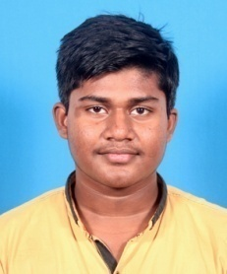
2 | 1602-18-735-002 | P.AISHWARYA | P MURALI KRISHNA | 21-07-2000 | Department of ECE Vasavi College of Engineering (Autonomous) Ibrahimbagh, Hyderabad - 500031, Telangana State, India | aishwarya.pam@gmail.com | 9490759643 | B.E. 1st Year | ECE
3 | 1602-18-735-003 | ANNARAM.AKANKSHA | A SURESH KUMAR | 04-09-2000 | Department of ECE Vasavi College of Engineering (Autonomous) Ibrahimbagh, Hyderabad - 500031, Telangana State, India | annaramakanksha@gmail.com | 6309586180 | B.E. 1st Year | ECE
4 | 1602-18-735-004 | AKASH.PUJARI | PRANESH PUJARI | 01-03-2001 | Department of ECE Vasavi College of Engineering (Autonomous) Ibrahimbagh, Hyderabad - 500031, Telangana State, India | akashpujari1301@gmail.com | 9676460117 | B.E. 1st Year | ECE | 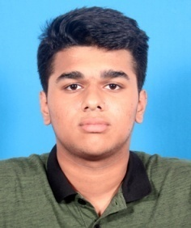
5 | 1602-18-735-005 | MEDISHETTY.AKHILKUMAR | M SRINIVASULU | 13-07-2001 | Department of ECE Vasavi College of Engineering (Autonomous) Ibrahimbagh, Hyderabad - 500031, Telangana State, India | akhilmedishetty666@gmail.com | 6281651883 | B.E. 1st Year | ECE | 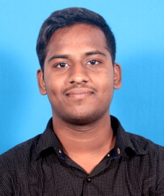
6 | 1602-18-735-006 | BANDI.ANUDEEP | BANDI RAJANNA | 29-07-2000 | Department of ECE Vasavi College of Engineering (Autonomous) Ibrahimbagh, Hyderabad - 500031, Telangana State, India | anudeepanup7@gmail.com | 9550164223 | B.E. 1st Year | ECE | 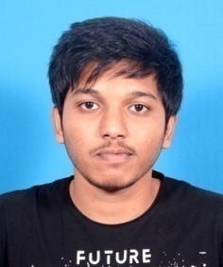
7 | 1602-18-735-007 | ASMITA.D | GOUTAM RAJ | 13-08-2000 | Department of ECE Vasavi College of Engineering (Autonomous) Ibrahimbagh, Hyderabad - 500031, Telangana State, India | deshpandeasmita9@gmail.com | 8639917888 | B.E. 1st Year | ECE | 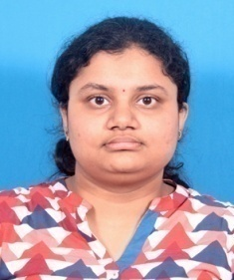
8 | 1602-18-735-008 | MADAGONI.BHARADWAJ | MADAGONI SEENAIAH | 18-03-2001 | Department of ECE Vasavi College of Engineering (Autonomous) Ibrahimbagh, Hyderabad - 500031, Telangana State, India | Bharadwaj.Madagoni888@gmail.com | 8186908919 | B.E. 1st Year | ECE | 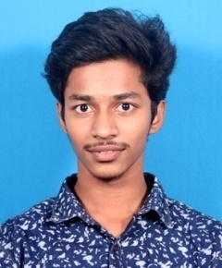
9 | 1602-18-735-009 | B BHUVANA.CHANDRIKA | B BALA CHANDRUDU | 01-03-2001 | Department of ECE Vasavi College of Engineering (Autonomous) Ibrahimbagh, Hyderabad - 500031, Telangana State, India | bbc01032001@gmail.com | 9381578337 | B.E. 1st Year | ECE | 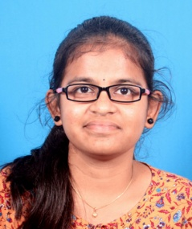
10 | 1602-18-735-010 | GANDAM.CHANDU | GANDAM LAXMAN | 31-12-2000 | Department of ECE Vasavi College of Engineering (Autonomous) Ibrahimbagh, Hyderabad - 500031, Telangana State, India | chandu.gandham1@gmail.com | 9676118633 | B.E. 1st Year | ECE | 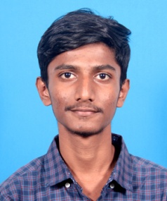
11 | 1602-18-735-011 | MEDURI.CHARAN | MEDURI SRINIVAS | 04-03-2001 | Department of ECE Vasavi College of Engineering (Autonomous) Ibrahimbagh, Hyderabad - 500031, Telangana State, India | charanm939@gmail.com | 9652381683 | B.E. 1st Year | ECE | 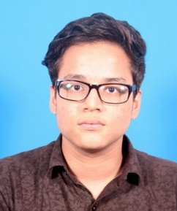
12 | 1602-18-735-012 | GANGAM.DINESH REDDY | GANGAM DAYAKAR REDDY | 13-03-2000 | Department of ECE Vasavi College of Engineering (Autonomous) Ibrahimbagh, Hyderabad - 500031, Telangana State, India | gdineshreddy4@gmail.com | 6301995904 | B.E. 1st Year | ECE | 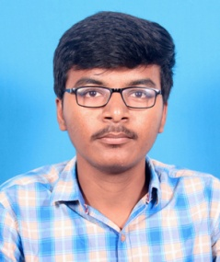
13 | 1602-18-735-013 | RAJPUT.HANUMANTH SINGH | RAJPUT NARAYAN SINGH | 10-08-1999 | Department of ECE Vasavi College of Engineering (Autonomous) Ibrahimbagh, Hyderabad - 500031, Telangana State, India | RAJPUTNARAYANASINGH@GMAIL.COM | 9849352004 | B.E. 1st Year | ECE | 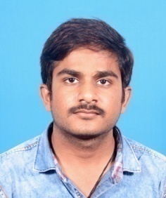
14 | 1602-18-735-014 | R.HARI KRISHNA | R RAGHAVENDRA | 03-06-2001 | Department of ECE Vasavi College of Engineering (Autonomous) Ibrahimbagh, Hyderabad - 500031, Telangana State, India | rajharikrishna143@gmail.com | 9110577345 | B.E. 1st Year | ECE | 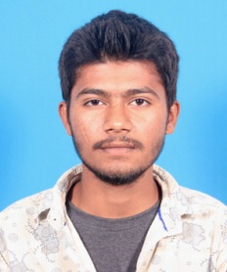
15 | 1602-18-735-015 | MODALA.HARIKRISHNA | MODALA KURUMURTHY | 09-05-2000 | Department of ECE Vasavi College of Engineering (Autonomous) Ibrahimbagh, Hyderabad - 500031, Telangana State, India | modalaharikrishna@gmail. com | 7093200886 | B.E. 1st Year | ECE | 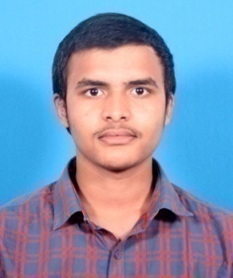
16 | 1602-18-735-016 | LINGALA.HARSHA VARDHAN REDDY | LINGALA CHANDRASEKHAR REDDY | 17-08-2000 | Department of ECE Vasavi College of Engineering (Autonomous) Ibrahimbagh, Hyderabad - 500031, Telangana State, India | harshachinna367@gmail.com | 9110368922 | B.E. 1st Year | ECE | 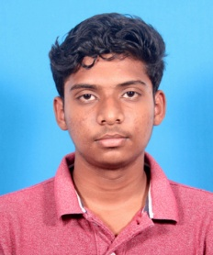
17 | 1602-18-735-017 | HARSHITHA.CHALLA | VENU GOPAL REDDY CHALLA | 22-05-2001 | Department of ECE Vasavi College of Engineering (Autonomous) Ibrahimbagh, Hyderabad - 500031, Telangana State, India | harshithachalla22@gmail.com | 9550009092 | B.E. 1st Year | ECE
18 | 1602-18-735-018 | YEDDULA.HARSHITHA | YEDDULA SUBRAMANYAM | 17-02-2000 | Department of ECE Vasavi College of Engineering (Autonomous) Ibrahimbagh, Hyderabad - 500031, Telangana State, India | SUBBUYEDDULA@GMAIL.COM | 9985309038 | B.E. 1st Year | ECE | 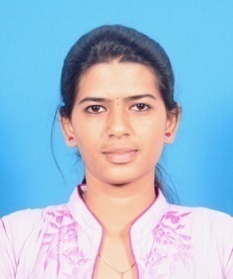
19 | 1602-18-735-019 | BOJJANNAGARI.JEEVAN REDDY | BOJJANNAGARI NARSIMHA REDDY | 03-06-1999 | Department of ECE Vasavi College of Engineering (Autonomous) Ibrahimbagh, Hyderabad - 500031, Telangana State, India | jeevanreddyb1999@gmail.com | 8309460083 | B.E. 1st Year | ECE | 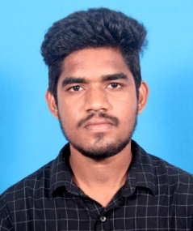
20 | 1602-18-735-020 | KEERTHANA.PUTTA | DEVIDAS PUTTA | 29-12-2000 | Department of ECE Vasavi College of Engineering (Autonomous) Ibrahimbagh, Hyderabad - 500031, Telangana State, India | keerthanaputta2000@gmail.com | 8179970045 | B.E. 1st Year | ECE | 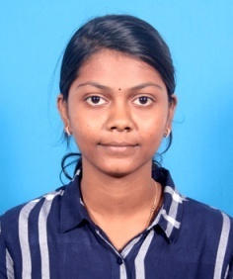
21 | 1602-18-735-021 | BHEEMI REDDY.LOHITH REDDY | B VENKATA PRASADA REDDY | 15-07-2001 | Department of ECE Vasavi College of Engineering (Autonomous) Ibrahimbagh, Hyderabad - 500031, Telangana State, India | lohithreddy1975@gmail.com | 9701577031 | B.E. 1st Year | ECE | 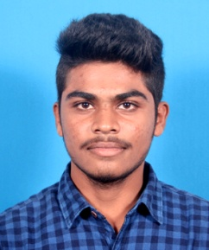
22 | 1602-18-735-022 | G S V.MANEESH | G A DAS | 02-08-2000 | Department of ECE Vasavi College of Engineering (Autonomous) Ibrahimbagh, Hyderabad - 500031, Telangana State, India | hasinam2000@gmail.com | 6304854729 | B.E. 1st Year | ECE | 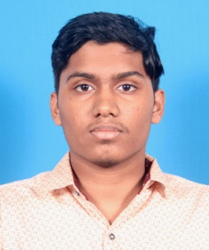
23 | 1602-18-735-023 | KANDULA.MANOJ | KANDULA SADAIAH | 02-09-2000 | Department of ECE Vasavi College of Engineering (Autonomous) Ibrahimbagh, Hyderabad - 500031, Telangana State, India | kandulamanoj2244@gmail.com | 7893162732 | B.E. 1st Year | ECE | 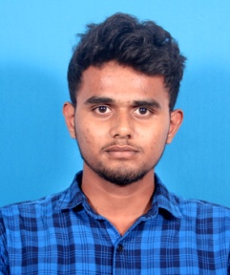
24 | 1602-18-735-024 | ESLAVATH.MOHITH | ESLAVATH LALU | 06-07-2000 | Department of ECE Vasavi College of Engineering (Autonomous) Ibrahimbagh, Hyderabad - 500031, Telangana State, India | mohithphamar1945@gmail.com | 9381151169 | B.E. 1st Year | ECE | 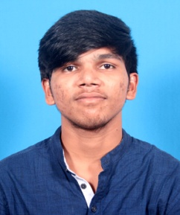
25 | 1602-18-735-025 | NAGA SAI.TEJESH AVADANAM | AMARNATH A | 07-08-2000 | Department of ECE Vasavi College of Engineering (Autonomous) Ibrahimbagh, Hyderabad - 500031, Telangana State, India | tejeshavadanam782k@gmail.com | 9246309040 | B.E. 1st Year | ECE | 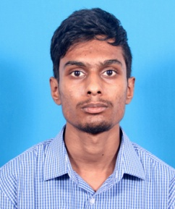
26 | 1602-18-735-026 | BANDARU.POOJITHA | BANDARU ASHOK KUMAR | 23-02-2000 | Department of ECE Vasavi College of Engineering (Autonomous) Ibrahimbagh, Hyderabad - 500031, Telangana State, India | bandarupoojitha23@gmail.com | 6304685302 | B.E. 1st Year | ECE | 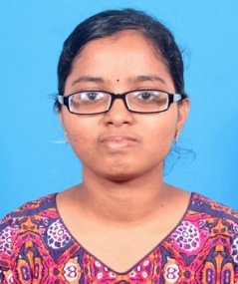
27 | 1602-18-735-027 | GOLLAPUDI.PRAVALIKA | GOLLAPUDI SRINIVASULU | 06-12-2000 | Department of ECE Vasavi College of Engineering (Autonomous) Ibrahimbagh, Hyderabad - 500031, Telangana State, India | pravalikagollapudi@gmail.com | 9640136267 | B.E. 1st Year | ECE | 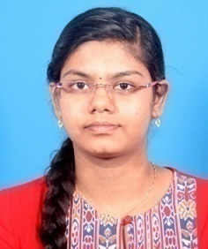
28 | 1602-18-735-028 | GUDIKANDULA.PRIYANKA | GUDIKANDULA JAYARAJU | 01-06-2001 | Department of ECE Vasavi College of Engineering (Autonomous) Ibrahimbagh, Hyderabad - 500031, Telangana State, India | honeypriya669@gmail.com | 7093865370 | B.E. 1st Year | ECE | 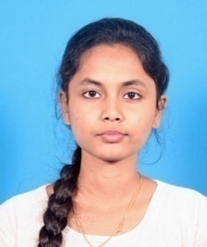
29 | 1602-18-735-029 | ORUGANTI.RAHUL REDDY | SUBBA REDDY O | 20-08-2000 | Department of ECE Vasavi College of Engineering (Autonomous) Ibrahimbagh, Hyderabad - 500031, Telangana State, India | orahul169@gmail.com | 7093260267 | B.E. 1st Year | ECE | 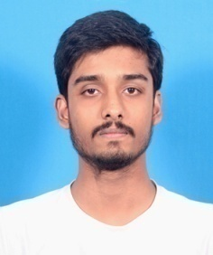
30 | 1602-18-735-030 | M.RAKESH REDDY | M VITTAL REDDY | 21-09-2001 | Department of ECE Vasavi College of Engineering (Autonomous) Ibrahimbagh, Hyderabad - 500031, Telangana State, India | rakeshreddymamidi9@gmail.com | 8106883473 | B.E. 1st Year | ECE | 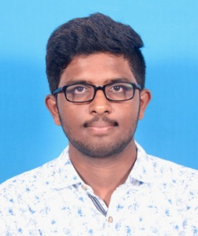
31 | 1602-18-735-031 | LINGALA.ROHIT | LINGALA SUNIL KUMAR | 17-01-2001 | Department of ECE Vasavi College of Engineering (Autonomous) Ibrahimbagh, Hyderabad - 500031, Telangana State, India | swamivivekananda1217@gmail.com | 6309382289 | B.E. 1st Year | ECE | 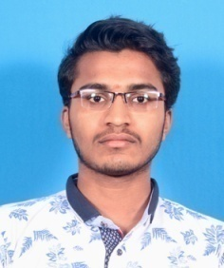
32 | 1602-18-735-032 | THAKKALLAPALLY.SAI ABHINAV | THAKKALLAPALLY SAMPATH RAO | 15-06-2001 | Department of ECE Vasavi College of Engineering (Autonomous) Ibrahimbagh, Hyderabad - 500031, Telangana State, India | abhinavvce06@gmail.com | 9676696166 | B.E. 1st Year | ECE | 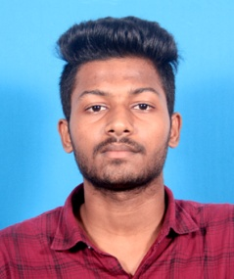
33 | 1602-18-735-033 | BHONAGIRI.SAI DINESH | B SHYAM PRASAD | 17-08-2000 | Department of ECE Vasavi College of Engineering (Autonomous) Ibrahimbagh, Hyderabad - 500031, Telangana State, India | saidinesh1708@gmail.com | 6303999793 | B.E. 1st Year | ECE | 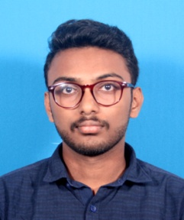
34 | 1602-18-735-034 | BRAHMADEVARA.SAI SHANMUK | BRAHMADEVARA MADHU KUMAR | 05-08-2000 | Department of ECE Vasavi College of Engineering (Autonomous) Ibrahimbagh, Hyderabad - 500031, Telangana State, India | saishanmuk369@gmail.com | 8019790990 | B.E. 1st Year | ECE | 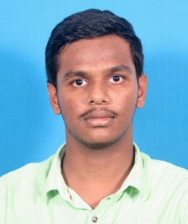
35 | 1602-18-735-035 | ARUTLA.SAMARA SIMHA REDDY | ARUTLA VIDYA SAGAR REDDY | 03-07-2001 | Department of ECE Vasavi College of Engineering (Autonomous) Ibrahimbagh, Hyderabad - 500031, Telangana State, India | arutlasamara03@gmail.com | 9515081709 | B.E. 1st Year | ECE
36 | 1602-18-735-036 | G.SATHVIKA | G VENKATESHAM | 01-01-2001 | Department of ECE Vasavi College of Engineering (Autonomous) Ibrahimbagh, Hyderabad - 500031, Telangana State, India | VENKATESHAMG969@GMAIL.COM | 9951558490 | B.E. 1st Year | ECE | 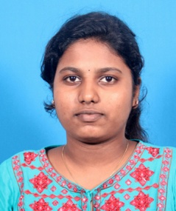
37 | 1602-18-735-037 | THUMMALAPALLI.SATHWIKA | THUMMALAPALLI MOHAN RAO | 16-06-2001 | Department of ECE Vasavi College of Engineering (Autonomous) Ibrahimbagh, Hyderabad - 500031, Telangana State, India | sathwikathummalapalli428@gmail.com | 6303872071 | B.E. 1st Year | ECE | 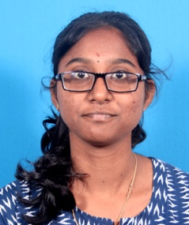
38 | 1602-18-735-038 | SATYA SIVA PAVAN KUMAR.KOTIPALLI | SWAMI NAIDU KOTIPALLI | 17-11-2000 | Department of ECE Vasavi College of Engineering (Autonomous) Ibrahimbagh, Hyderabad - 500031, Telangana State, India | satyasivapavan14@gmail.com | 9949703345 | B.E. 1st Year | ECE | 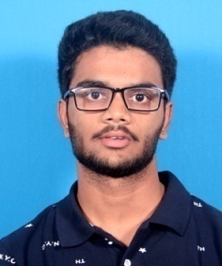
39 | 1602-18-735-039 | SHAIK.ARSHIYA ROOFI | SHAIK MANSOOR ALI | 24-05-2000 | Department of ECE Vasavi College of Engineering (Autonomous) Ibrahimbagh, Hyderabad - 500031, Telangana State, India | arshiyaroofi@gmail.com | 9381543986 | B.E. 1st Year | ECE | 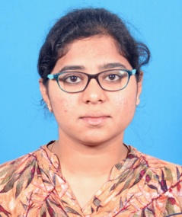
40 | 1602-18-735-040 | ARAVAPALLI.SHANMUKHA NAADH | ARAVAPALLI SRINIVASA RAO | 01-06-2001 | Department of ECE Vasavi College of Engineering (Autonomous) Ibrahimbagh, Hyderabad - 500031, Telangana State, India | shanmukhanaadh@gmail.com | 9182239840 | B.E. 1st Year | ECE | 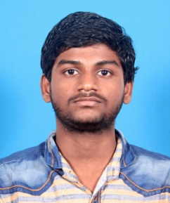
41 | 1602-18-735-041 | AJMEERA.SHEKAR | AJMEERA RAJU | 05-04-1999 | Department of ECE Vasavi College of Engineering (Autonomous) Ibrahimbagh, Hyderabad - 500031, Telangana State, India | shekarajmeera444@gmail.com | 6309262792 | B.E. 1st Year | ECE | 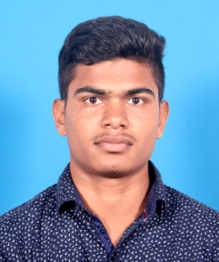
42 | 1602-18-735-042 | SHIVVA.REVANTH | S RAJENDER | 02-09-2000 | Department of ECE Vasavi College of Engineering (Autonomous) Ibrahimbagh, Hyderabad - 500031, Telangana State, India | shivvarevanth@gmail.com | 7032425411 | B.E. 1st Year | ECE | 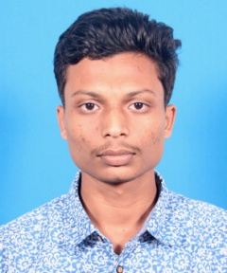
43 | 1602-18-735-043 | BAROOR.SHRESHTA REDDY | BAROOR SUBASH REDDY | 03-02-2001 | Department of ECE Vasavi College of Engineering (Autonomous) Ibrahimbagh, Hyderabad - 500031, Telangana State, India | shreshta.baroor321@gmail.com | 6309592296 | B.E. 1st Year | ECE | 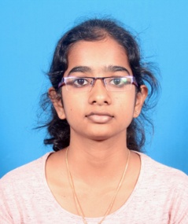
44 | 1602-18-735-044 | AKARAPU.SIDDHARTHA | AKARAPU VENKATESHWARLU | 09-07-2001 | Department of ECE Vasavi College of Engineering (Autonomous) Ibrahimbagh, Hyderabad - 500031, Telangana State, India | siddharth143umissme@gmail.com | 9912484395 | B.E. 1st Year | ECE | 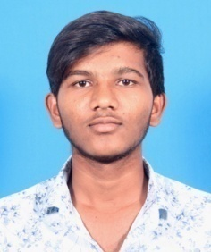
45 | 1602-18-735-045 | EMMIDI.SOWMYA | EMMIDI VENKATESH | 20-06-2001 | Department of ECE Vasavi College of Engineering (Autonomous) Ibrahimbagh, Hyderabad - 500031, Telangana State, India | sowmyaemmidi123@gmail.com | 9502421956 | B.E. 1st Year | ECE | 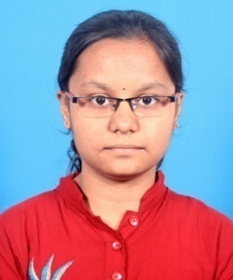
46 | 1602-18-735-046 | REGATTI.SPANDANA | REGATTI RAGHU | 17-08-2001 | Department of ECE Vasavi College of Engineering (Autonomous) Ibrahimbagh, Hyderabad - 500031, Telangana State, India | spandanaregatti@gmail.com | 7330771421 | B.E. 1st Year | ECE | 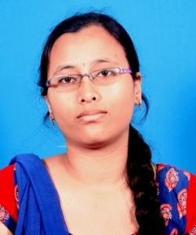
47 | 1602-18-735-047 | PRODDATOORI.SRAVANTHI | PRODDATOORI NAVEEN KUMAR | 05-05-2001 | Department of ECE Vasavi College of Engineering (Autonomous) Ibrahimbagh, Hyderabad - 500031, Telangana State, India | proddatoorisravanthi@gmail.com | 9640628628 | B.E. 1st Year | ECE | 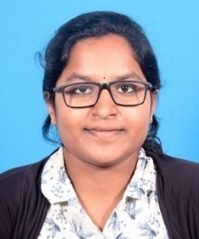
48 | 1602-18-735-048 | A S R S.SRI HARSHA | A S R KUMAR | 30-01-2001 | Department of ECE Vasavi College of Engineering (Autonomous) Ibrahimbagh, Hyderabad - 500031, Telangana State, India | adabala.harsha@gmail.com | 6281462502 | B.E. 1st Year | ECE | 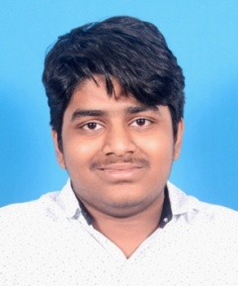
49 | 1602-18-735-049 | PULLURU.SUMANTH | PULLURU SRINIVASULU | 03-08-2001 | Department of ECE Vasavi College of Engineering (Autonomous) Ibrahimbagh, Hyderabad - 500031, Telangana State, India | sumanthnani311@gmail.com | 8897157670 | B.E. 1st Year | ECE
50 | 1602-18-735-050 | SUMAYA.SULTANA | ABDUL MAJEED | 28-07-2000 | Department of ECE Vasavi College of Engineering (Autonomous) Ibrahimbagh, Hyderabad - 500031, Telangana State, India | sumaya.sultana2800@gmail.com | 6303943202 | B.E. 1st Year | ECE | 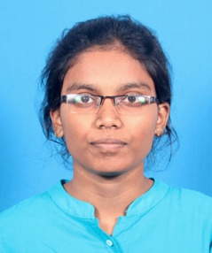
51 | 1602-18-735-051 | SUMEK.AGARWAL | MANISH AGARWAL | 14-02-2001 | Department of ECE Vasavi College of Engineering (Autonomous) Ibrahimbagh, Hyderabad - 500031, Telangana State, India | SUMEKAGARWAL123@GMAIL.COM | 9985807976 | B.E. 1st Year | ECE | 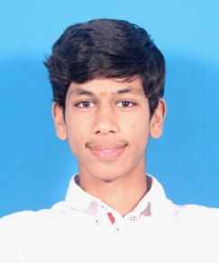
52 | 1602-18-735-052 | SYED.ADIL FYJAAN | SYED ABDUL RAHAMAN | 06-05-2000 | Department of ECE Vasavi College of Engineering (Autonomous) Ibrahimbagh, Hyderabad - 500031, Telangana State, India | fyjaan786@gmail.com | 6304047458 | B.E. 1st Year | ECE | 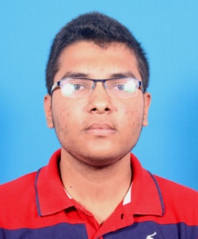
53 | 1602-18-735-053 | PANUGANTI.TEJ KUMAR | PANUGANTI VEERESH | 08-11-2000 | Department of ECE Vasavi College of Engineering (Autonomous) Ibrahimbagh, Hyderabad - 500031, Telangana State, India | 729tej@gmail.com | 8074931474 | B.E. 1st Year | ECE | 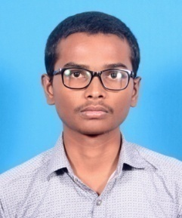
54 | 1602-18-735-054 | YARAMADA.TEJASWI | YARAMADA JANAKI REDDY | 16-10-2000 | Department of ECE Vasavi College of Engineering (Autonomous) Ibrahimbagh, Hyderabad - 500031, Telangana State, India | tejaswi16102000@gmail.com | 9381871642 | B.E. 1st Year | ECE | 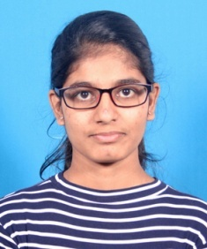
55 | 1602-18-735-055 | BODA.THANUJ SAI | B VENKATESHWARLU | 14-03-2001 | Department of ECE Vasavi College of Engineering (Autonomous) Ibrahimbagh, Hyderabad - 500031, Telangana State, India | thanuj.sai14301@gmail.com | 9492765791 | B.E. 1st Year | ECE | 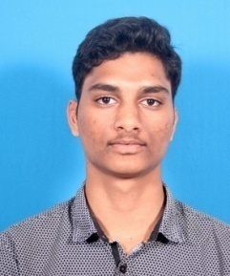
56 | 1602-18-735-056 | CHINTI REDDY.VARSHA | CH LAXMA REDDY | 26-05-2001 | Department of ECE Vasavi College of Engineering (Autonomous) Ibrahimbagh, Hyderabad - 500031, Telangana State, India | varshach26@gmail.com | 9949967788 | B.E. 1st Year | ECE | 
57 | 1602-18-735-057 | LANKA.VENKATA SUBHASH JAHNAV | L RAVI | 27-12-2000 | Department of ECE Vasavi College of Engineering (Autonomous) Ibrahimbagh, Hyderabad - 500031, Telangana State, India | lvsj27@gmail.com | 9000983169 | B.E. 1st Year | ECE | 
58 | 1602-18-735-058 | PANDIRI.VISHISTA REDDY | PANDIRI NARSIMHA REDDY | 28-02-2001 | Department of ECE Vasavi College of Engineering (Autonomous) Ibrahimbagh, Hyderabad - 500031, Telangana State, India | vishistareddy2001@gmail.com | 9381804506 | B.E. 1st Year | ECE | 
59 | 1602-18-735-059 | MADDURI.VISHNU KAUSHIK | M S SRINIVASU | 23-11-2000 | Department of ECE Vasavi College of Engineering (Autonomous) Ibrahimbagh, Hyderabad - 500031, Telangana State, India | vishnukoushik23@gmail.com | 9666172077 | B.E. 1st Year | ECE | 
60 | 1602-18-735-060 | PALLIKONDA.VISHNU VARDHAN | PALLIKONDA RAVINDER | 14-01-2001 | Department of ECE Vasavi College of Engineering (Autonomous) Ibrahimbagh, Hyderabad - 500031, Telangana State, India | PALLIKONDAVISHNUVARDHAN@GMAIL.COM | 9391119526 | B.E. 1st Year | ECE | 
61 | 1602-18-735-061 | GIRKALA.AISHWARYA | G TIRUMALESHWAR RAO | 19-08-1999 | Department of ECE Vasavi College of Engineering (Autonomous) Ibrahimbagh, Hyderabad - 500031, Telangana State, India | aishwaryagirkala@gmail.com | 9381439492 | B.E. 1st Year | ECE | 
62 | 1602-18-735-062 | CHITTURI.AKHILA | CHITTURI HANUMANTHA RAO | 27-04-2001 | Department of ECE Vasavi College of Engineering (Autonomous) Ibrahimbagh, Hyderabad - 500031, Telangana State, India | cakhila09@gmail.com | 9849591802 | B.E. 1st Year | ECE | 
63 | 1602-18-735-063 | THOTA.ALEKHYA | THOTA VENKATA NAGA AUDITYA KRISHNA KUMAR | 01-01-2001 | Department of ECE Vasavi College of Engineering (Autonomous) Ibrahimbagh, Hyderabad - 500031, Telangana State, India | thotaalekhya1@gmail.com | 9381357900 | B.E. 1st Year | ECE | 
64 | 1602-18-735-064 | NAGIREDDYPALLI.AMRUTHREDDY | NAGIREDDYPALLI RAGHAVENDRA REDDY | 02-08-2001 | Department of ECE Vasavi College of Engineering (Autonomous) Ibrahimbagh, Hyderabad - 500031, Telangana State, India | amruthreddy.2000@gmail.com | 6300203182 | B.E. 1st Year | ECE | 
65 | 1602-18-735-065 | BHOGISETTI.ANISH SAI VARDHAN | BHOGISETTI MOHAN KUMAR | 19-09-2000 | Department of ECE Vasavi College of Engineering (Autonomous) Ibrahimbagh, Hyderabad - 500031, Telangana State, India | anishsaivardhan555@gmail.com | 8374071462 | B.E. 1st Year | ECE | 
66 | 1602-18-735-066 | PITTA.ASHIKA SHARON | PITTA STANLEY JONES | 14-07-2000 | Department of ECE Vasavi College of Engineering (Autonomous) Ibrahimbagh, Hyderabad - 500031, Telangana State, India | ashikasharonpitta@gmail.com | 7330659128 | B.E. 1st Year | ECE | 
67 | 1602-18-735-067 | KOTHA.ASHRITH | KOTHA SURESH | 18-02-2001 | Department of ECE Vasavi College of Engineering (Autonomous) Ibrahimbagh, Hyderabad - 500031, Telangana State, India | kothaashrith07@gmail.com | 9502199713 | B.E. 1st Year | ECE | 
68 | 1602-18-735-068 | PASPULA.BHARATH KUMAR | PASPULA KRISHNA RAO | 30-06-2001 | Department of ECE Vasavi College of Engineering (Autonomous) Ibrahimbagh, Hyderabad - 500031, Telangana State, India | bharath22180@gmail.com | 7396122180 | B.E. 1st Year | ECE | 
69 | 1602-18-735-069 | KACHAM.CHAKRADHAR | KACHAM VENKATESHWARLU | 02-10-2001 | Department of ECE Vasavi College of Engineering (Autonomous) Ibrahimbagh, Hyderabad - 500031, Telangana State, India | kachamchakri.80968.kc@gmail.com | 8096879888 | B.E. 1st Year | ECE | 
70 | 1602-18-735-070 | MORAMPUDI.DHARANI | MORAMPUDI SRINIVASA RAO | 11-08-2000 | Department of ECE Vasavi College of Engineering (Autonomous) Ibrahimbagh, Hyderabad - 500031, Telangana State, India | dharanimorampudi11@gmail.com | 9701421367 | B.E. 1st Year | ECE | 
71 | 1602-18-735-071 | AVULA.HEMAVENKATA SAINATH | AVULA SEKHAR BABU | 14-12-2000 | Department of ECE Vasavi College of Engineering (Autonomous) Ibrahimbagh, Hyderabad - 500031, Telangana State, India | sainathahv049@gmail.com | 6303313727 | B.E. 1st Year | ECE | 
72 | 1602-18-735-072 | N.JAYA PRAKASH | N SAYAPPA | 28-02-2001 | Department of ECE Vasavi College of Engineering (Autonomous) Ibrahimbagh, Hyderabad - 500031, Telangana State, India | CHANAKYACHANDRAGUPTA007@gmail | 9491548810 | B.E. 1st Year | ECE | 
73 | 1602-18-735-073 | KALAVENA.KARTHIK | KALAVENA SRINIVAS | 24-11-1999 | Department of ECE Vasavi College of Engineering (Autonomous) Ibrahimbagh, Hyderabad - 500031, Telangana State, India | kalavenakarthik@gmail.com | 9866081362 | B.E. 1st Year | ECE | 
74 | 1602-18-735-074 | PAKKIR.KEERTHIKA REDDY | PAKKIR CHANDRA SHEKAR REDDY | 01-12-2000 | Department of ECE Vasavi College of Engineering (Autonomous) Ibrahimbagh, Hyderabad - 500031, Telangana State, India | KEERTHIKAREDDY2000@GMAIL.COM | 6303807717 | B.E. 1st Year | ECE | 
75 | 1602-18-735-075 | KONDETI.KHYATHI | KONDETI SREENAIAH | 10-09-2000 | Department of ECE Vasavi College of Engineering (Autonomous) Ibrahimbagh, Hyderabad - 500031, Telangana State, India | khyathikondeti5266@gmail.com | 8074018298 | B.E. 1st Year | ECE | 
76 | 1602-18-735-076 | CHENCHALA.LAASYA | CHENCHALA RAMIREDDY | 24-08-2000 | Department of ECE Vasavi College of Engineering (Autonomous) Ibrahimbagh, Hyderabad - 500031, Telangana State, India | chlasya1971@gmail.com | 9494203355 | B.E. 1st Year | ECE | 
77 | 1602-18-735-077 | DUBASI.LAKSHMI SINDHURA | DUBASI LAKSHMI NARAYANA | 01-06-2001 | Department of ECE Vasavi College of Engineering (Autonomous) Ibrahimbagh, Hyderabad - 500031, Telangana State, India | sindhuradubasi@gmail.com | 9553369379 | B.E. 1st Year | ECE | 
78 | 1602-18-735-078 | KARKADA.MAHALAKSHMI | K R NAGARAJA RAO | 11-08-2000 | Department of ECE Vasavi College of Engineering (Autonomous) Ibrahimbagh, Hyderabad - 500031, Telangana State, India | mahalakshmi.karkada@gmail.com | 9492054085 | B.E. 1st Year | ECE | 
79 | 1602-18-735-079 | PALURU.MANIKANTA | P ADI SESHAIAH | 22-07-1999 | Department of ECE Vasavi College of Engineering (Autonomous) Ibrahimbagh, Hyderabad - 500031, Telangana State, India | palurumani123@gmail.com | 6302878985 | B.E. 1st Year | ECE | 
80 | 1602-18-735-080 | .NAZEEMA | MOHAMMED ABDULNABI | 07-03-2000 | Department of ECE Vasavi College of Engineering (Autonomous) Ibrahimbagh, Hyderabad - 500031, Telangana State, India | mohammadnazeema7@gmail.com | 9573057537 | B.E. 1st Year | ECE | 
81 | 1602-18-735-081 | CHERYALA.NEERAJ KUMAR | CHERYALA SANGAMESWAR | 19-01-2001 | Department of ECE Vasavi College of Engineering (Autonomous) Ibrahimbagh, Hyderabad - 500031, Telangana State, India | neerajcher@gmail.com | 6304610420 | B.E. 1st Year | ECE | 
82 | 1602-18-735-082 | THALLA.NIKHIL KUMAR | THALLA MARKANDEYA | 07-08-2001 | Department of ECE Vasavi College of Engineering (Autonomous) Ibrahimbagh, Hyderabad - 500031, Telangana State, India | nikhilthalla2000@gmail.com | 9491825895 | B.E. 1st Year | ECE
83 | 1602-18-735-083 | MADAVANENI.NIKHIL | MADAVANENI RANGARAO | 09-05-2001 | Department of ECE Vasavi College of Engineering (Autonomous) Ibrahimbagh, Hyderabad - 500031, Telangana State, India | nikhil.madhavaneni@gmail.com | 8639445304 | B.E. 1st Year | ECE
84 | 1602-18-735-084 | VELMA.PRABHAS REDDY | VELMA KAMALAKAR REDDY | 27-02-2001 | Department of ECE Vasavi College of Engineering (Autonomous) Ibrahimbagh, Hyderabad - 500031, Telangana State, India | prabhasreddy88@gmail.com | 7989598361 | B.E. 1st Year | ECE
85 | 1602-18-735-085 | JUPAKA.PRABHATH | JUPAKA SADANANDAM | 22-11-2000 | Department of ECE Vasavi College of Engineering (Autonomous) Ibrahimbagh, Hyderabad - 500031, Telangana State, India | jupakaprabhath@gmail.com | 8309700885 | B.E. 1st Year | ECE
86 | 1602-18-735-086 | ANCHURI.PRANEETH | A PRABHAKAR | 10-07-2000 | Department of ECE Vasavi College of Engineering (Autonomous) Ibrahimbagh, Hyderabad - 500031, Telangana State, India | bunny.july10@gmail.com | 9959607272 | B.E. 1st Year | ECE
87 | 1602-18-735-087 | PRASHANTH.KEMSARAM | NARSIMLU E | 14-10-2000 | Department of ECE Vasavi College of Engineering (Autonomous) Ibrahimbagh, Hyderabad - 500031, Telangana State, India | prashanthkemsaram997@gmail.com | 7989656749 | B.E. 1st Year | ECE
88 | 1602-18-735-088 | PRATHIMA.CHEEDELLA | SURIBABU CHEEDELLA | 05-08-2000 | Department of ECE Vasavi College of Engineering (Autonomous) Ibrahimbagh, Hyderabad - 500031, Telangana State, India | prathi9898@gmail.com | 9704085898 | B.E. 1st Year | ECE
89 | 1602-18-735-089 | CHINNA.PRAVALIKA | CHINNA SRINIVAS | 21-08-2001 | Department of ECE Vasavi College of Engineering (Autonomous) Ibrahimbagh, Hyderabad - 500031, Telangana State, India | pravalikachinna1666@gmail.com | 9701411318 | B.E. 1st Year | ECE
90 | 1602-18-735-090 | JILLALA.PRUDHVI RANJAN REDDY | JILLALA RAVINDER REDDY | 21-08-2001 | Department of ECE Vasavi College of Engineering (Autonomous) Ibrahimbagh, Hyderabad - 500031, Telangana State, India | prudhviranjan213@gmail.com | 7981166594 | B.E. 1st Year | ECE
91 | 1602-18-735-091 | PANYALA.ROHITH REDDY | PANYALA MADHUSUDHAN REDDY | 28-07-2001 | Department of ECE Vasavi College of Engineering (Autonomous) Ibrahimbagh, Hyderabad - 500031, Telangana State, India | panyalarohithreddy1923@gmail.com | 9381640697 | B.E. 1st Year | ECE
92 | 1602-18-735-092 | SAHAJA.PULIGADDA | SIVA SANKARA RAO PULIGADDA | 24-12-1999 | Department of ECE Vasavi College of Engineering (Autonomous) Ibrahimbagh, Hyderabad - 500031, Telangana State, India | sahaja.2412@gmail.com | 8801148911 | B.E. 1st Year | ECE
93 | 1602-18-735-093 | KATUKAM.SAI AKHIL | KATUKAM SRINIVAS | 27-11-2000 | Department of ECE Vasavi College of Engineering (Autonomous) Ibrahimbagh, Hyderabad - 500031, Telangana State, India | saiakhilk.katukam@gmail.com | 6309714680 | B.E. 1st Year | ECE
94 | 1602-18-735-094 | PALVAI.SAI CHARAN | PALVAI SHANKAR | 19-01-2001 | Department of ECE Vasavi College of Engineering (Autonomous) Ibrahimbagh, Hyderabad - 500031, Telangana State, India | palvaisaicharan@gmail.com | 9032523410 | B.E. 1st Year | ECE
95 | 1602-18-735-095 | C.SAI KISHORE REDDY | C ANANTHA REDDY | 08-11-2000 | Department of ECE Vasavi College of Engineering (Autonomous) Ibrahimbagh, Hyderabad - 500031, Telangana State, India | kchintalapally@gmail.com | 8106469877 | B.E. 1st Year | ECE
96 | 1602-18-735-096 | C.SAI SUJITH REDDY | C MURALI KRISHNA | 20-07-2000 | Department of ECE Vasavi College of Engineering (Autonomous) Ibrahimbagh, Hyderabad - 500031, Telangana State, India | cssreddy20@gmail.com | 9676432659 | B.E. 1st Year | ECE
97 | 1602-18-735-097 | ADDALA.SAI TEJA | A BHEEMA RAO | 23-06-2001 | Department of ECE Vasavi College of Engineering (Autonomous) Ibrahimbagh, Hyderabad - 500031, Telangana State, India | addalasaiteja123@gmail.com | 9676033679 | B.E. 1st Year | ECE
98 | 1602-18-735-098 | JAGARAPU.SAIVAMSHI | JAGARAPU RAMBABU | 12-07-2000 | Department of ECE Vasavi College of Engineering (Autonomous) Ibrahimbagh, Hyderabad - 500031, Telangana State, India | jsaivamshi12@gmail.com | 8247294131 | B.E. 1st Year | ECE
99 | 1602-18-735-099 | PONNURU.SAI VINUTHNA | PONNURU SRINIVASA RAO | 25-08-2001 | Department of ECE Vasavi College of Engineering (Autonomous) Ibrahimbagh, Hyderabad - 500031, Telangana State, India | saivinuthna9@gmail.com | 6303220821 | B.E. 1st Year | ECE
100 | 1602-18-735-100 | KOTHA.SAIVRUN | KOTHA VIJAYKUMAR | 02-06-2001 | Department of ECE Vasavi College of Engineering (Autonomous) Ibrahimbagh, Hyderabad - 500031, Telangana State, India | kothasaivarun2601@gmail.com | 7207816914 | B.E. 1st Year | ECE
101 | 1602-18-735-101 | ALLISETTY.SHIRISHA | A SREENIVASULU | 24-03-2000 | Department of ECE Vasavi College of Engineering (Autonomous) Ibrahimbagh, Hyderabad - 500031, Telangana State, India | allisettyshirisha@gmail.com | 6301962146 | B.E. 1st Year | ECE
102 | 1602-18-735-102 | VADALI DGNANA.SHIVA SAI CHAITANYA | VADALI PITCHI RAJU | 19-07-2001 | Department of ECE Vasavi College of Engineering (Autonomous) Ibrahimbagh, Hyderabad - 500031, Telangana State, India | satyashekarvarma@gmail.com | 9666665578 | B.E. 1st Year | ECE
103 | 1602-18-735-103 | SHYAMALA.MARLAPUDI | RAJU M | 01-10-2000 | Department of ECE Vasavi College of Engineering (Autonomous) Ibrahimbagh, Hyderabad - 500031, Telangana State, India | shyamala31marlapudi@gmail.com | 8500851686 | B.E. 1st Year | ECE
104 | 1602-18-735-104 | JENNELA.SRAVYA SRI | JENNELA NARAYANA RAO | 14-09-2000 | Department of ECE Vasavi College of Engineering (Autonomous) Ibrahimbagh, Hyderabad - 500031, Telangana State, India | jennelasravyasri@gmail.com | 6303276728 | B.E. 1st Year | ECE
105 | 1602-18-735-105 | GOLLA.SRI NEHA | GOLLA SATYANARAYANA | 15-06-2000 | Department of ECE Vasavi College of Engineering (Autonomous) Ibrahimbagh, Hyderabad - 500031, Telangana State, India | srineha.golla@gmail.com | 9705301273 | B.E. 1st Year | ECE
106 | 1602-18-735-106 | PANYALA.SRILEKHA | PANYALA MALLIKARJUNA REDDY | 15-06-2000 | Department of ECE Vasavi College of Engineering (Autonomous) Ibrahimbagh, Hyderabad - 500031, Telangana State, India | srilekha2639@gmail.com | 7095821307 | B.E. 1st Year | ECE
107 | 1602-18-735-107 | PANNATI.SUCHITH | PANNATI SRINIVAS | 29-06-2000 | Department of ECE Vasavi College of Engineering (Autonomous) Ibrahimbagh, Hyderabad - 500031, Telangana State, India | suchith2eknath@gmail.com | 8555885820 | B.E. 1st Year | ECE
108 | 1602-18-735-108 | BOORLA.SUNANDA | BOORLA MALLESHAM | 10-02-2001 | Department of ECE Vasavi College of Engineering (Autonomous) Ibrahimbagh, Hyderabad - 500031, Telangana State, India | boorlasuna1002@gmail.com | 7330735658 | B.E. 1st Year | ECE
109 | 1602-18-735-109 | ADUSUMALLI.SUPRAJA | ADUSUMALLI THIRUPATHAIAH | 06-08-2001 | Department of ECE Vasavi College of Engineering (Autonomous) Ibrahimbagh, Hyderabad - 500031, Telangana State, India | adusumallisupraja@gmail.com | 9381416341 | B.E. 1st Year | ECE
110 | 1602-18-735-110 | MANNAVA.SUPRAJA | MANNAVA BHAVANI PRASAD | 17-08-2000 | Department of ECE Vasavi College of Engineering (Autonomous) Ibrahimbagh, Hyderabad - 500031, Telangana State, India | supritham13@gmail.com | 7287077142 | B.E. 1st Year | ECE
111 | 1602-18-735-111 | DHARAVATH.SUSHEEL NAIK | DHARAVATH SREENU NAIK | 19-06-2000 | Department of ECE Vasavi College of Engineering (Autonomous) Ibrahimbagh, Hyderabad - 500031, Telangana State, India | susheelnk3@gmail.com | 9030101081 | B.E. 1st Year | ECE
112 | 1602-18-735-112 | TATINENI.SWETHA SRI SAI | TATINENI SRINIVASA RAO | 16-08-2000 | Department of ECE Vasavi College of Engineering (Autonomous) Ibrahimbagh, Hyderabad - 500031, Telangana State, India | TATINENISWETHASRISAI@GMAIL.COM | 9848072399 | B.E. 1st Year | ECE
113 | 1602-18-735-113 | CHINTA.TEJA SAI | CHINTA NARASIMHA MURTHY | 18-05-2000 | Department of ECE Vasavi College of Engineering (Autonomous) Ibrahimbagh, Hyderabad - 500031, Telangana State, India | teja709303@gmail.com | 7093034898 | B.E. 1st Year | ECE
114 | 1602-18-735-114 | DODLA.THARUN REDDY | D SUBHASH REDDY | 05-06-2001 | Department of ECE Vasavi College of Engineering (Autonomous) Ibrahimbagh, Hyderabad - 500031, Telangana State, India | tharunreddydodla@gmail.com | 9550100358 | B.E. 1st Year | ECE
115 | 1602-18-735-115 | AWARU.VAMSHI SAI | AWARU MADHU | 06-10-2001 | Department of ECE Vasavi College of Engineering (Autonomous) Ibrahimbagh, Hyderabad - 500031, Telangana State, India | vamshiawaru@gmail.com | 8885426468 | B.E. 1st Year | ECE
116 | 1602-18-735-116 | MODELA.VARUN | MODELA SATYA NARAYANA | 06-07-2001 | Department of ECE Vasavi College of Engineering (Autonomous) Ibrahimbagh, Hyderabad - 500031, Telangana State, India | varunmodela@gmail.com | 9492960114 | B.E. 1st Year | ECE
117 | 1602-18-735-117 | JAJULA.VENKATA SAI AVINASH | JAJULA SRINIVASULU | 20-02-2001 | Department of ECE Vasavi College of Engineering (Autonomous) Ibrahimbagh, Hyderabad - 500031, Telangana State, India | jvsavinash20@gmail.com | 9381475236 | B.E. 1st Year | ECE
118 | 1602-18-735-118 | SINGAM.VENKATA SAI SIDDARTHA | S ANJANEYULU | 18-08-2001 | Department of ECE Vasavi College of Engineering (Autonomous) Ibrahimbagh, Hyderabad - 500031, Telangana State, India | siddusingam01@gmail.com | 8501922469 | B.E. 1st Year | ECE
119 | 1602-18-735-119 | AVULA.VIKRAMADITHYA | AVULA RAJARAM | 22-04-2001 | Department of ECE Vasavi College of Engineering (Autonomous) Ibrahimbagh, Hyderabad - 500031, Telangana State, India | vikramadithya906@gmail.com | 9110347236 | B.E. 1st Year | ECE
120 | 1602-18-735-120 | SAMUGARI.VISHNU PRIYA | SAMUGARI YADAGIRI | 20-09-2000 | Department of ECE Vasavi College of Engineering (Autonomous) Ibrahimbagh, Hyderabad - 500031, Telangana State, India | samugarivishnupriya@gmail.com | 6304499104 | B.E. 1st Year | ECE
121 | 1602-17-735-302 | ANKURU. SAI TEJA | ANKURU SHIVA PRAKASH | 09-08-1999 | Department of ECE Vasavi College of Engineering (Autonomous) Ibrahimbagh, Hyderabad - 500031, Telangana State, India | ANKURUSAITEJA555@GMAIL.COM | 8522868422 | BE. 2nd Year | ECE | 
122 | 1602-17-735-304 | NAGARJUNAKONDA. BHARGAVI | NAGARJUNAKONDA NAGABRAHMACHARY | 15-06-2000 | Department of ECE Vasavi College of Engineering (Autonomous) Ibrahimbagh, Hyderabad - 500031, Telangana State, India | NNLAXMI20@GMAIL.COM | 7287030288 | BE. 2nd Year | ECE | 
123 | 1602-17-735-309 | AHSAN SHADAB. PATEL | AKMAL PASHA | 13-06-1999 | Department of ECE Vasavi College of Engineering (Autonomous) Ibrahimbagh, Hyderabad - 500031, Telangana State, India | AHSANPATEL137@GMAIL.COM | 8801058225 | BE. 2nd Year | ECE | 
124 | 1602-17-735-312 | KATHA. MUKESH | KATHA SATYA NARAYANA | 22-05-1999 | Department of ECE Vasavi College of Engineering (Autonomous) Ibrahimbagh, Hyderabad - 500031, Telangana State, India | MUKESHKATHA22@GMAIL.COM | 9290514579 | BE. 2nd Year | ECE | 
125 | 1602-17-735-315 | SRIPADI. SRIMANTH | SRIPADI PRABHAKAR | 28-07-1999 | Department of ECE Vasavi College of Engineering (Autonomous) Ibrahimbagh, Hyderabad - 500031, Telangana State, India | SRIPADI.SRIMANTH@GMAIL.COM | 9441070036 | BE. 2nd Year | ECE | 
126 | 1602-17-735-318 | GANGARAPU. KARTHIK | GANGARAPU RAMESH | 08-08-1999 | Department of ECE Vasavi College of Engineering (Autonomous) Ibrahimbagh, Hyderabad - 500031, Telangana State, India | KARTHIKGANGA321@GMAIL.COM | 8978495662 | BE. 2nd Year | ECE | 

