Inspection photos
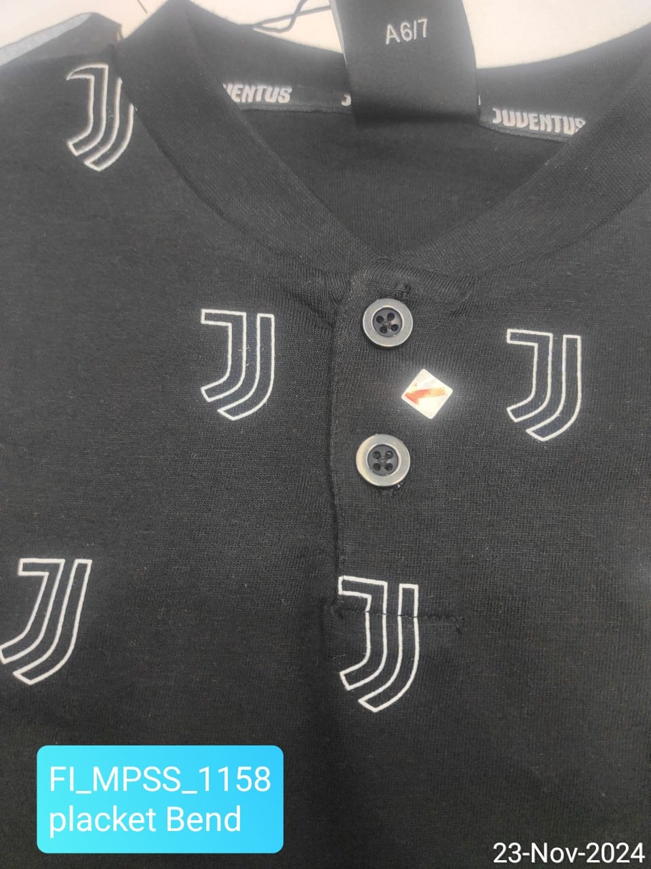


Photo #1 | Photo #2




Photo #3 | Photo #4

Defects photos
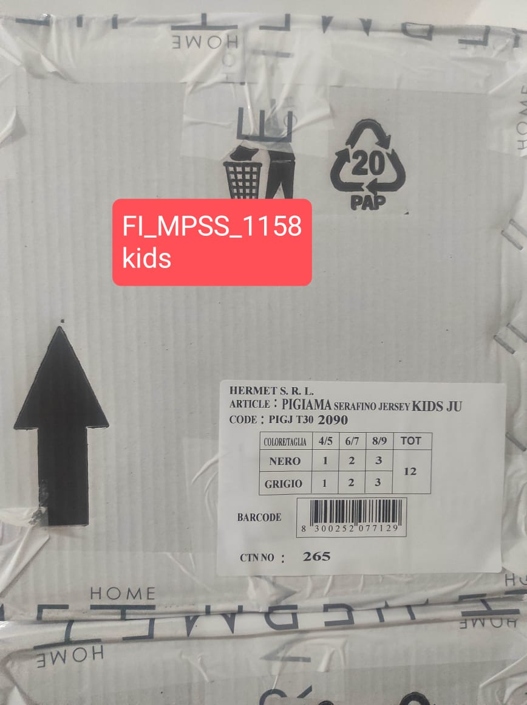


Defect DEF-009 | Defect DEF-007

