26032024
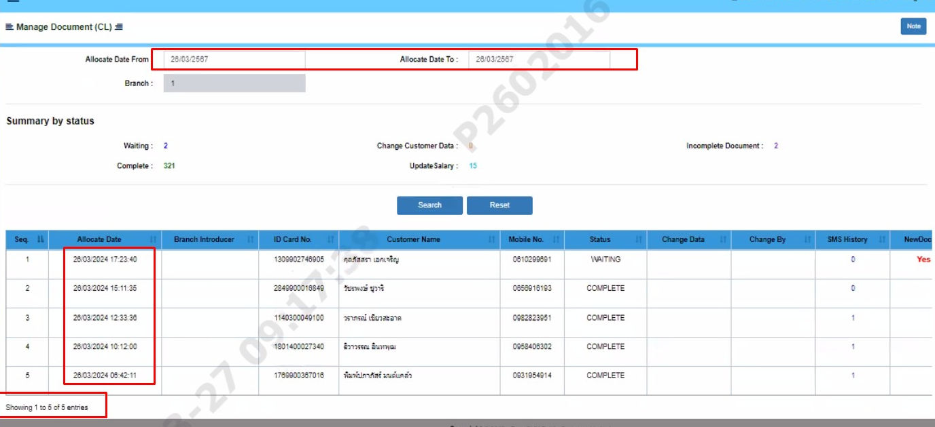
Recheck Case Update Salary Online 26/03/2024

 | 1. Summary Case at 9.20 AM

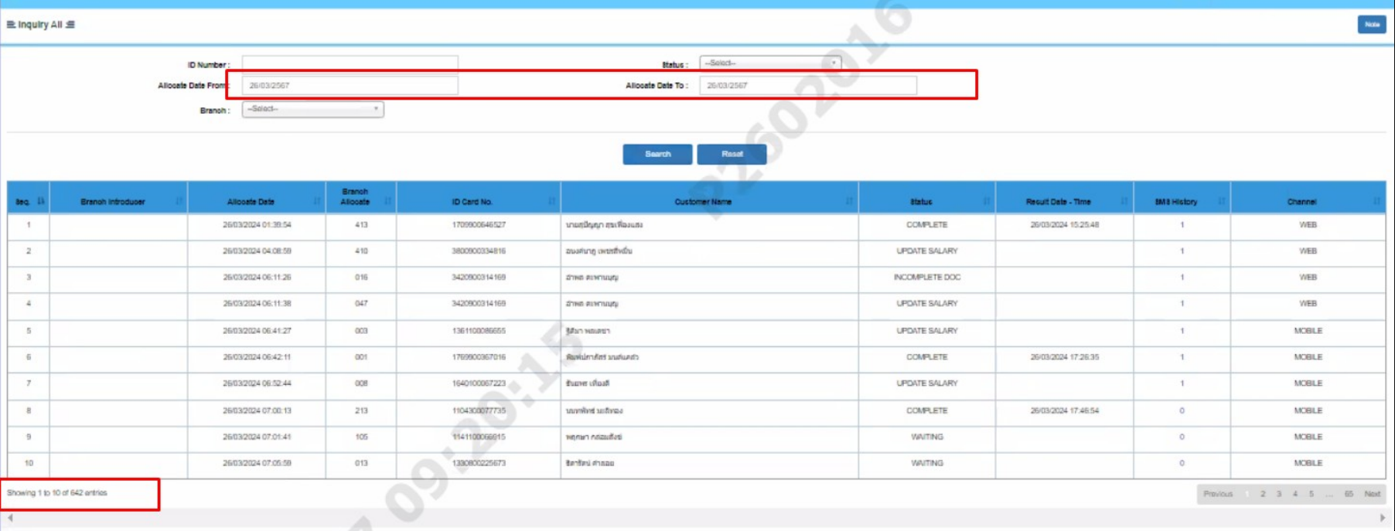

 | 2.Query Summary Case at 9.08 AM
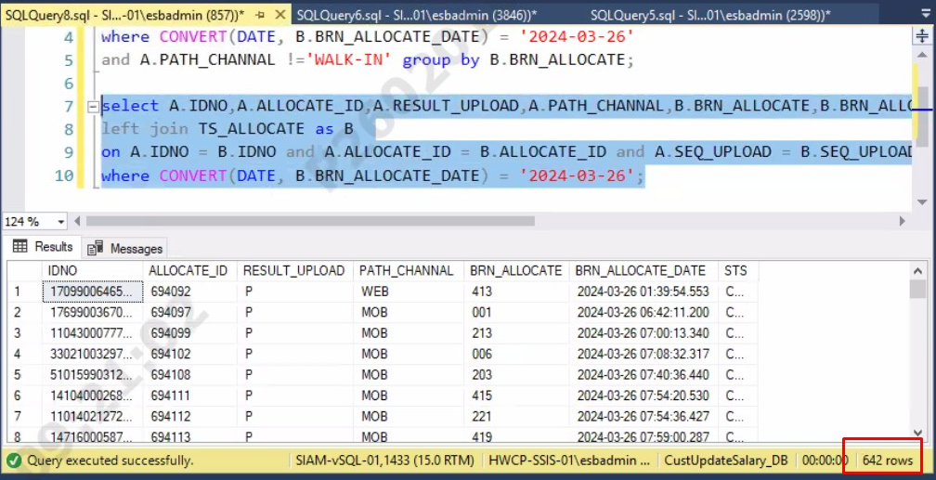

 | 3.Query Case Allowcate To Branch at 9.16 AM

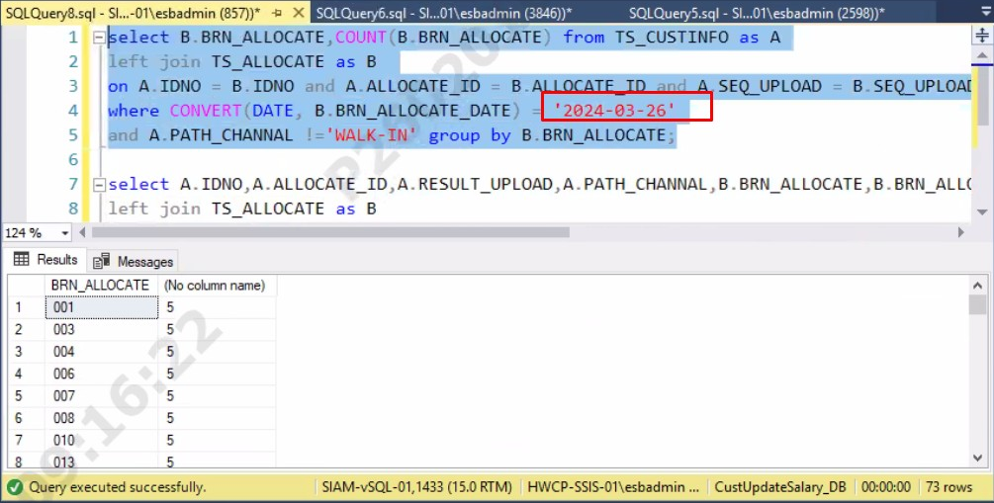

 | 4.Recheck Case Allowcate To Branch 001 at 9.17 AM

27032024
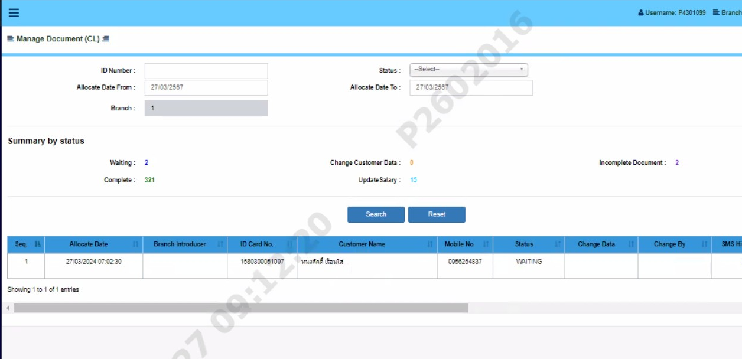
Recheck Case Update Salary Online 27/03/2024

 | 1. Summary Case at 9.06 AM | 1. Summary Case at 9.10 AM
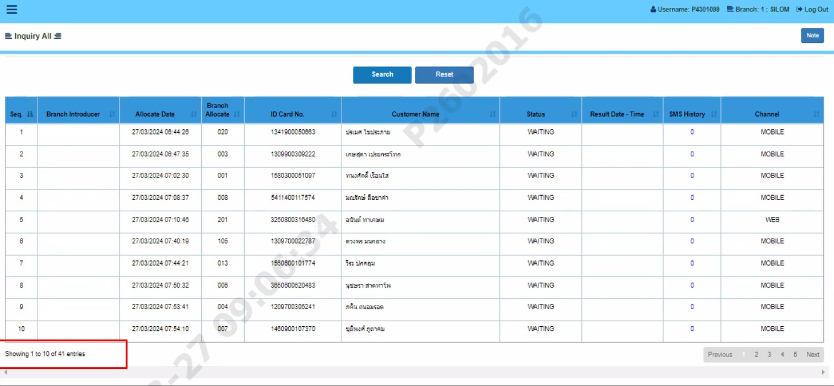
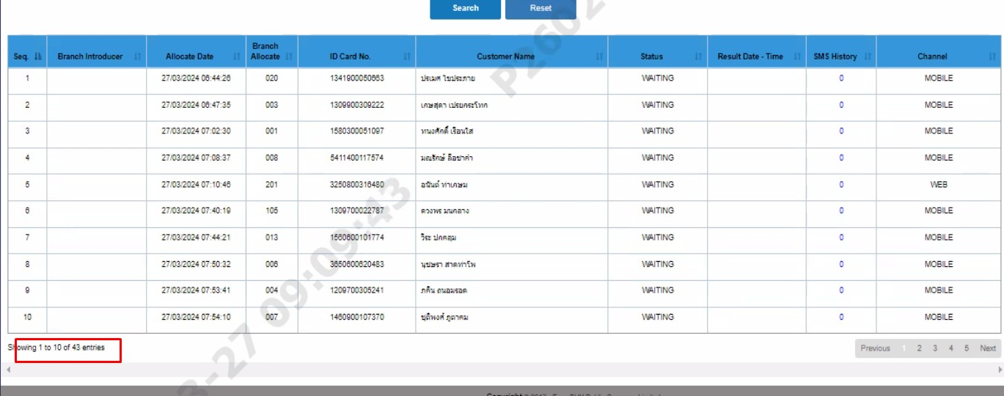

 | 2.Query Summary Case at 9.08 AM

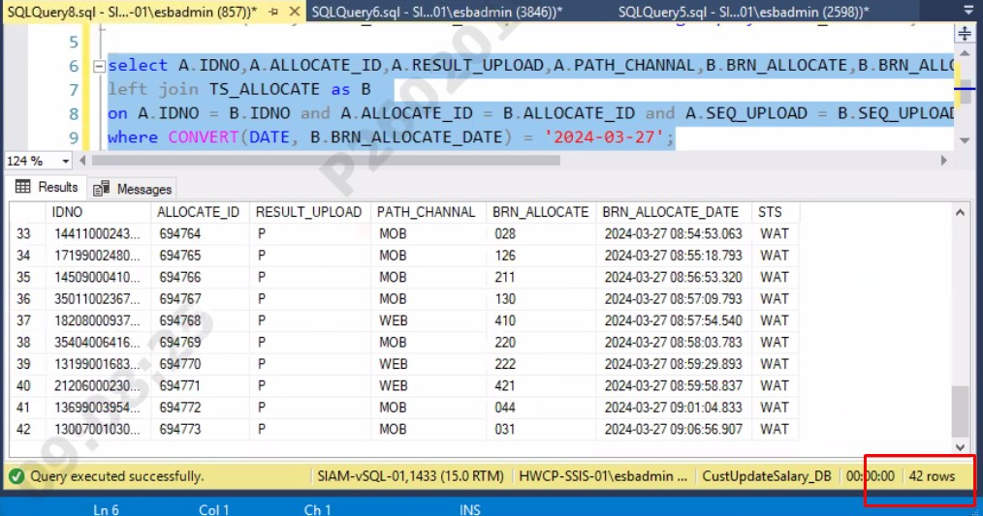

 | 3.Query Case Allowcate To Branch at 9.09 AM

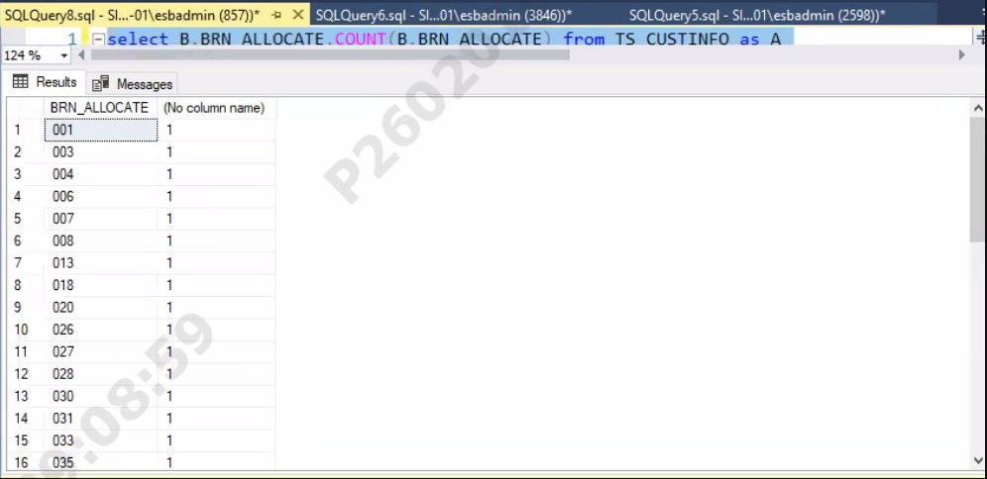


 | 4.Recheck Case Allowcate To Branch 001 at 9.12 AM

