Daily Meeting
 |  | Daily Meeting

We communicate with each other by Phone calls, Team Messages and Team Meetings whenever we need any help or when our team member stuck somewhere . |  |  |  | Most of the works we done in the class time. We always sit together and Do works.

 |  |  |  |  | 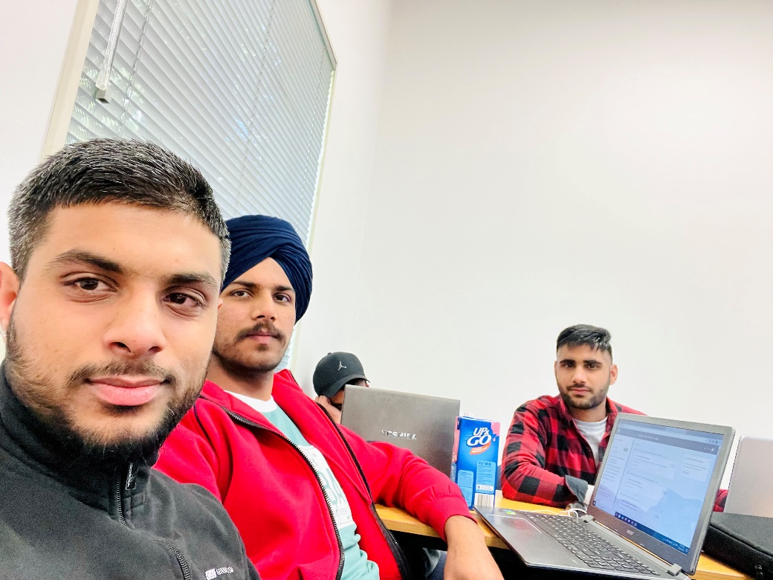 | Class Work

Communication | 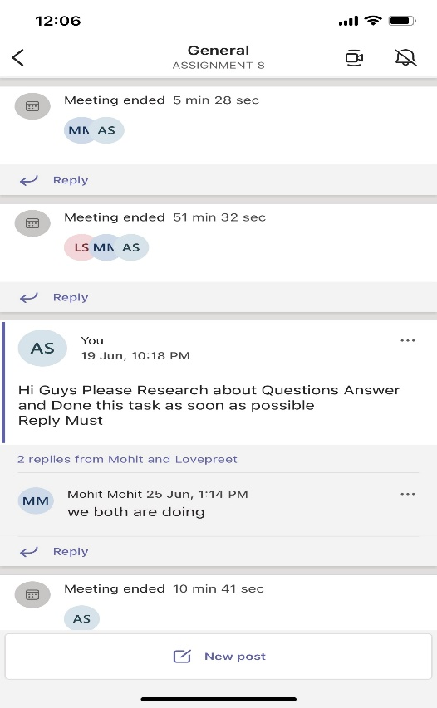 |  | 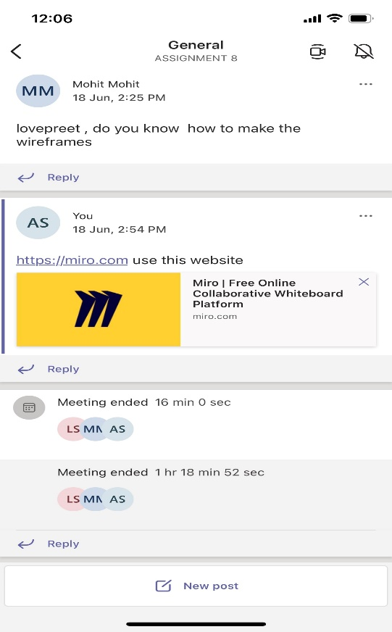 | 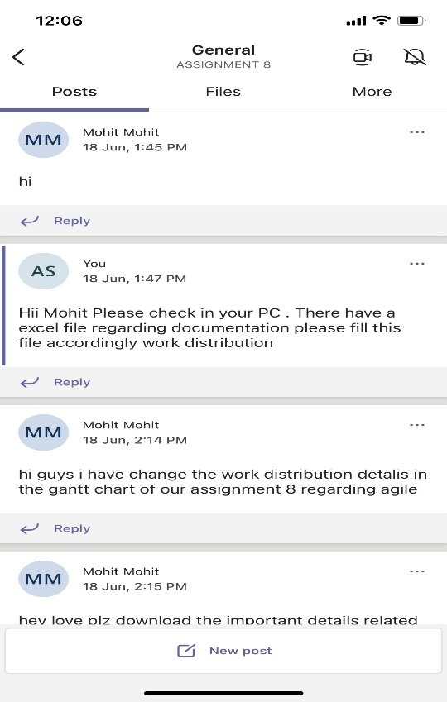

Wirefarmes
 | Wire Farmes

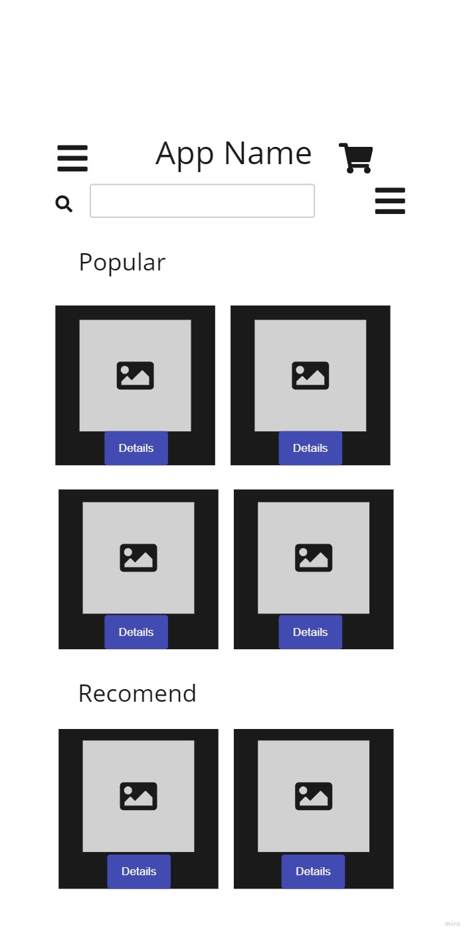

 |  | 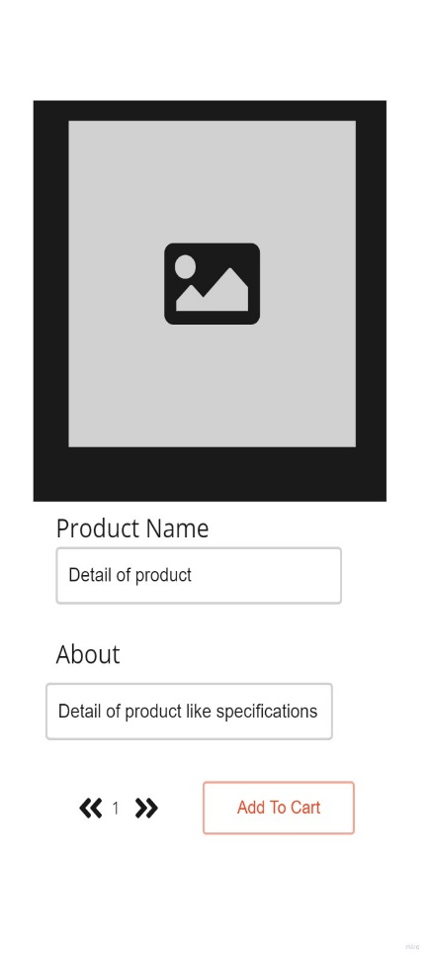 | 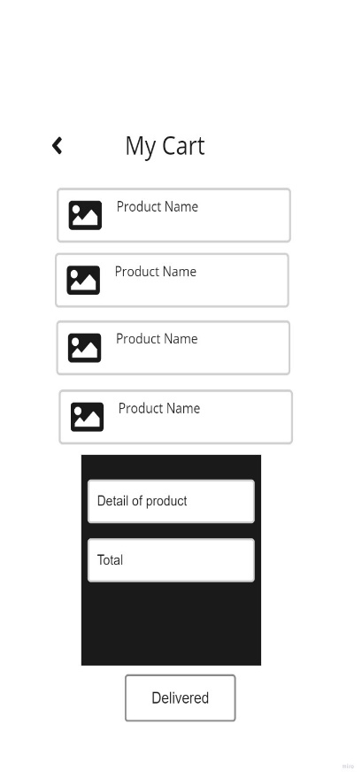

First Picture
First Wirefarame shows main page of the application . Where all the products shows in the cards and details of the product.There are some icons also describe some functionailty like add to cart icon shows whichlist. If someone click on product , full infomation like specifications of the product show in next page.

Second Picture
Second wireframe shows the product detail page in the application .in this page user can see detail of particular product like price , specifications and about product. And there have add to cart button in the bottom this page from where user can choose this product and add into cart for further process.

Third Picture
Third wireframe shows about wishlists .All the products appers in the add to cart section which was selected by users. After adding user can proccess their order by doing payment method .

UI Prototype
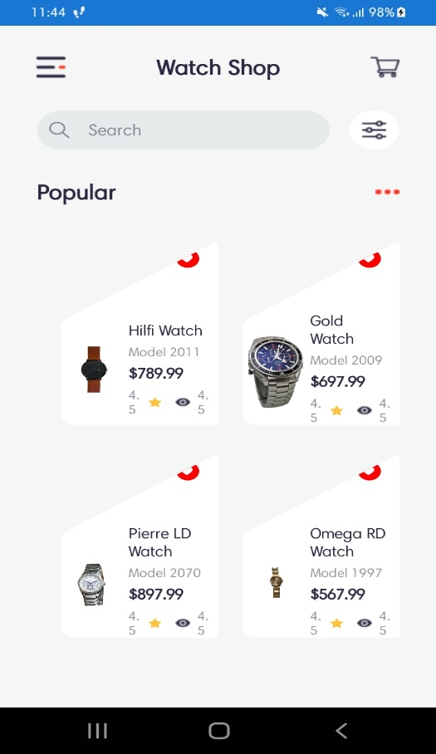
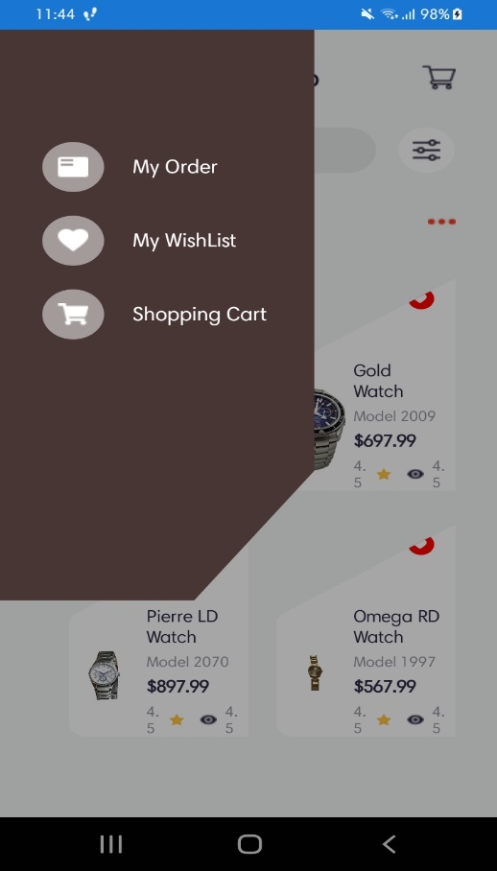
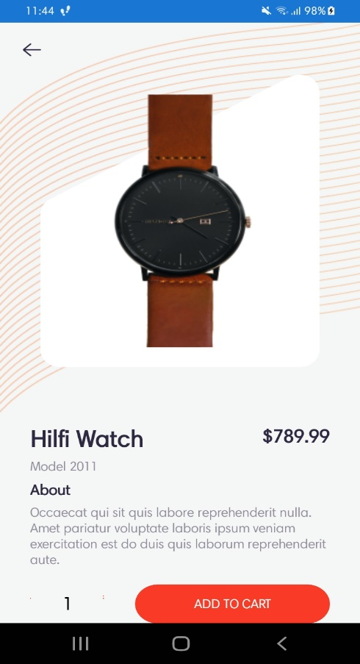
 | Ui Prototype

Step 1 |  | Step 2 | Step3

Presentation
 |  | Presentation

 | What Agile Development Is? |  |  | 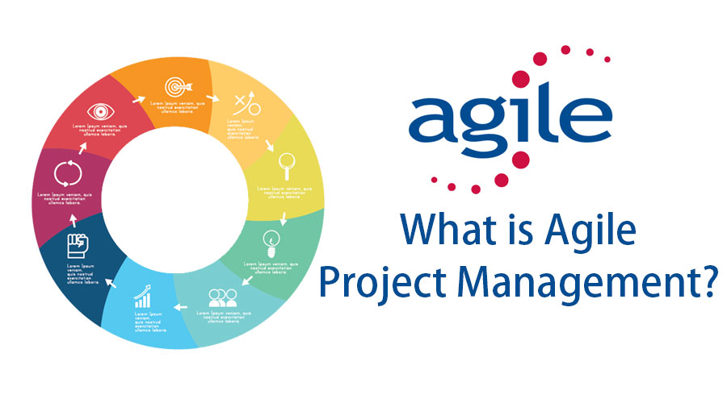

 | It is considered both a Philosphy and a Method for building and releasing products .It is intended for teams anywhere 2 to 10 people. It is a Philosphy that aims to not only make you more organized and time aware, but more importantly aims to turn group into a team. It is about making your team a stronger and more dependable source.

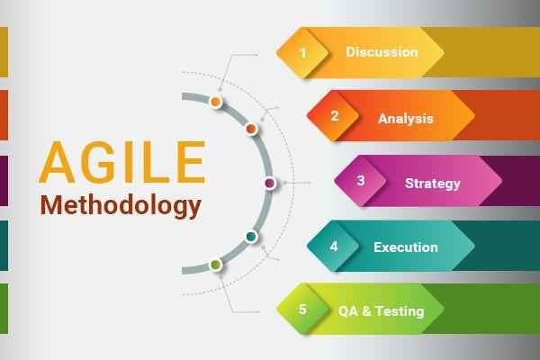
 |  |  | Agile Development - Basics

 |  |  | 1.Planning: Projects Manager Works with Team lead and client to determine requirements and scope .This helps us know what you'r building before you start. 2.Scrums: Daily 15 to 20 minute meetings to discuss yesterday and today.Group communication keeps team.

