Sheet1
 | Marine Sprite(%) | Striking Calf(%) | Tank Picyure(%) | Bucket Slope(%) | Reborn Kid(%)
2008 | 31% | 37% | 8% | 6% | 17%
2009 | 45% | 26% | 14% | 6% | 10%
2010 | 38% | 30% | 10% | 5% | 17%
2011 | 27% | 38% | 7% | 6% | 23%
2012 | 27% | 16% | 19% | 7% | 31%
2013 | 33% | 33% | 8% | 7% | 18%
2014 | 24% | 37% | 23% | 5% | 11%
C)

 |  | 2008 | 2009 | 2010 | 2011 | 2012 | 2013 | 2014
Marine Sprite(%) |  | 31% | 45% | 38% | 27% | 27% | 33% | 24%
Striking Calf(%) |  | 37% | 26% | 30% | 38% | 16% | 33% | 37%
Tank Picyure(%) |  | 8% | 14% | 10% | 7% | 19% | 8% | 23%
Bucket Slope(%) |  | 6% | 6% | 5% | 6% | 7% | 7% | 5%
Reborn Kid(%) |  | 17% | 10% | 17% | 23% | 31% | 18% | 11%

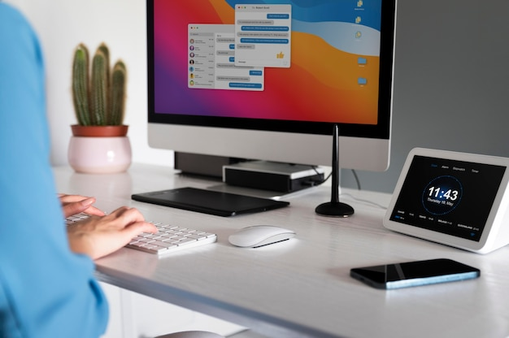
D) | Table
 | January Tests
 | Surname | Name | English | German | Computer
 | Xuereb | Norbert | 85 | 42 | 98
 | Spiteri | Richard | 53 | 45 | 75
 | Borg | Clive | 55 | 85 | 82
 | Caruana | Michelle | 45 | 45 | 25

