Volatility Surface
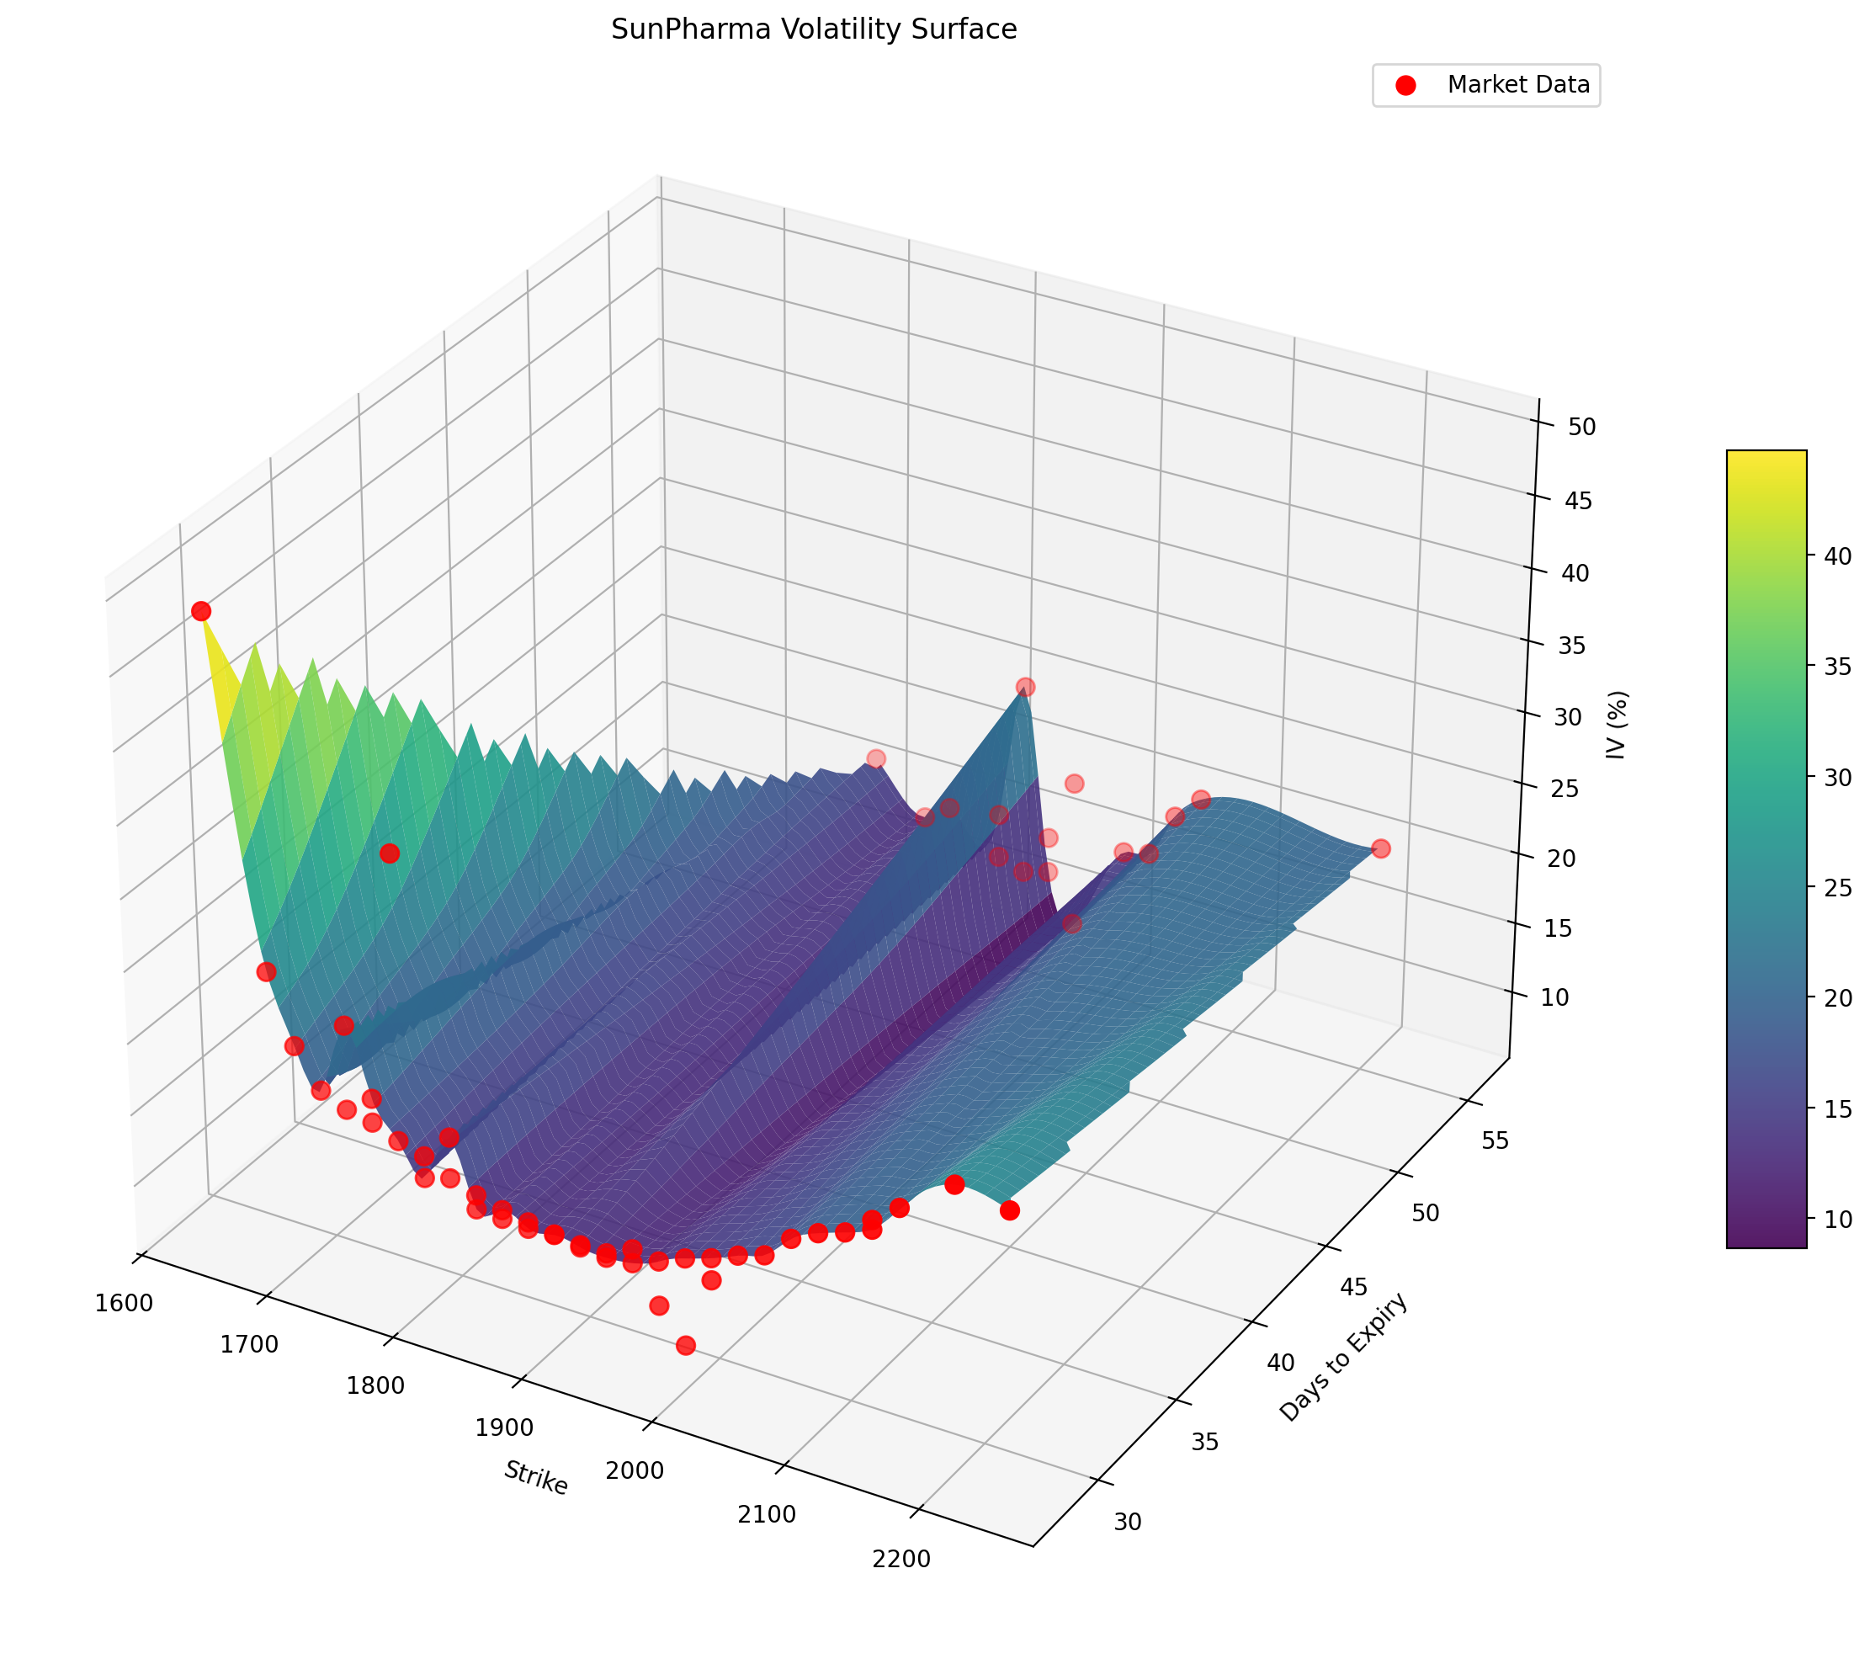
SunPharma Implied Volatility Surface
Cubic interpolation across strike and days-to-expiry; red markers are real market data points

PnL Scenarios
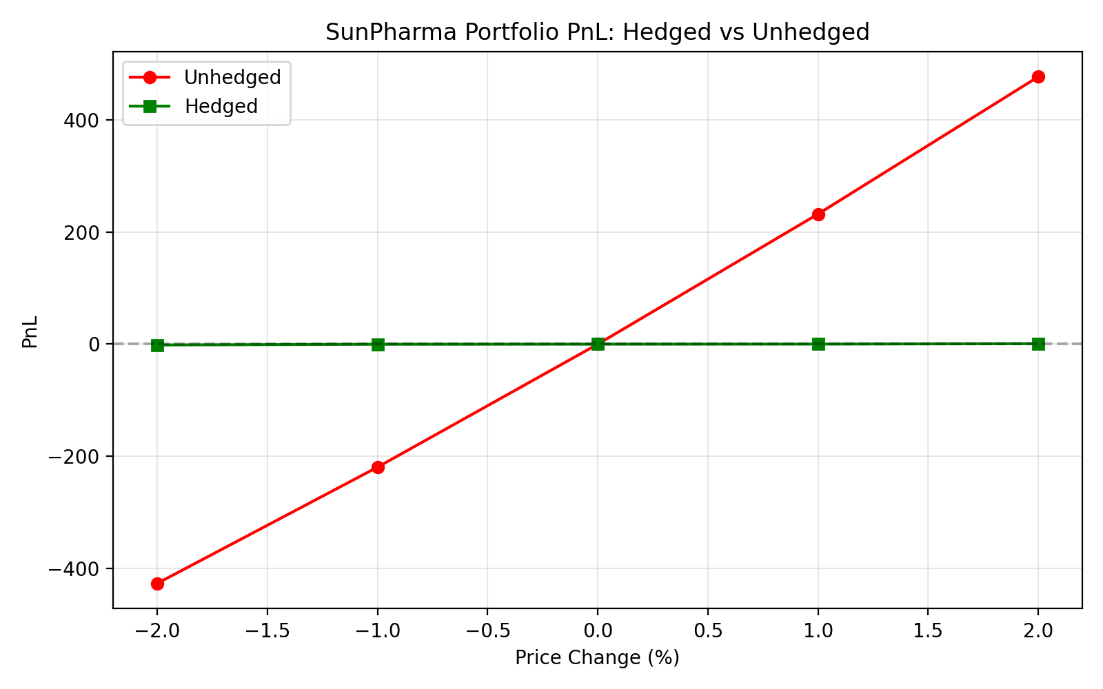
PnL Simulation Across Spot Price Scenarios
Full repricing of every leg at each hypothetical spot move; hedge effectiveness computed live

Price_Change_% | New_Price | Unhedged_PnL | Hedged_PnL | Improvement | Hedge_Effectiveness_%
-2.0 | 1,857.27 | -426.7487 | -1.4848 | 425.2639 | 99.65%
-1.0 | 1,876.22 | -219.4193 | -0.1671 | 219.2521 | 99.92%
0.0 | 1,895.17 | 0.0000 | 0.0000 | 0.0000 | n/a
1.0 | 1,914.12 | 232.1461 | 0.1289 | -232.0172 | 99.94%
2.0 | 1,933.07 | 476.9939 | 0.8851 | -476.1088 | 99.81%

