Sub Calc _revised
Azad Engineering PC |  |  |  |  |  |  | Date: | 2026-06-15
INVOICE DETAIL ATTACHMENT |  |  |  |  |  |  | Invoice No. | A.04-02-12
 |  |  |  |  |  |  | Work Plan No.
 |  |  |  |  | Budget | Amount This Period | Previously Billed | Amount To Date | % Expended
 |  | Hours to Date
Labor |  | Current | Previous | To Date
Home & Branch (H&B) |  |  |  |  |  |  |  |  |  |  | Budget Increase:
Fringe Benefits on Labor |  |  |  |  |  |  |  |  |  | 8 | Target Total | 133202.19
H&B Overhead Pool on Labor |  |  |  |  |  |  |  |  |  | 9 | ODC | 4625.00
 |  |  |  |  |  |  |  |  |  | 10 | Fringe % | 1.09
Field |  | 144.00 Hrs. | 1475.00 Hrs. | 1619.00 Hrs. | $68,450.00 | $10,975.68 | $66,008.00 | $76,983.68 |  | 11 | Fee % | 0.08
Fringe Benefits |  | 120.58% |  |  | $74,610.51 | $13,234.47 | $71,948.72 | $85,183.19 |  | 12 | Field | 56963.14
Field Overhead Pool |  |  |  |  |  |  |  |  |  | 13 | Fringe | 62089.82
 |  | 120.58% |  |  | $143,060.51 | $24,210.15 | $137,956.72 | $162,166.87 |  | 14 | Total Labor | 119052.95
 |  |  |  |  |  |  |  |  |  | 15 | Fee | 9524.24
 |  | Total Labor |  |  | $143,060.51 | $24,210.15 | $137,956.72 | $162,166.87 | 113.4% |  | Grand Total (Check) | 133202.19
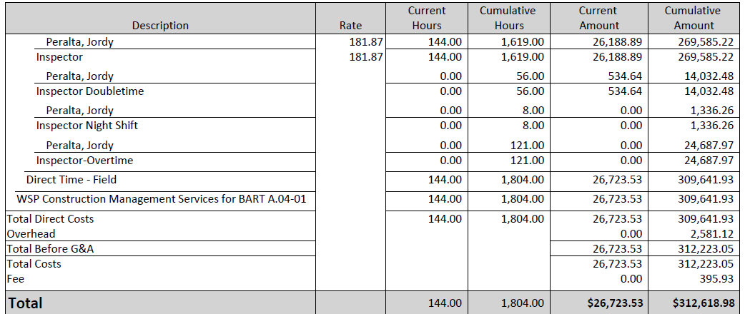
Other Direct Costs
 |  |  |  |  | $1,680.00 | $- |  | $-
 |  | SS OT Premium(Jordy) | 37/HR | HRS |  |  | $1,924.00 | $1,924.00
 |  | SS DT Premium(Jordy) | 74/HR | HRS |  |  | $1,776.00 | $1,776.00
 |  |  |  |  |  | $- |  | $-
 |  | Total Other Direct Cost |  |  | $1,680.00 |  | $3,700.00 | $3,700.00
Subconsultants:
 |  | Total Subconsultants
Fixed Fee
 | Fixed Fee on Labor & Overhead |  | 8.00% |  | $11,444.84 | $1,936.81 | $11,036.54 | $12,973.35
 | Note: No fixed fee on OH in excess of 150%
 |  | Total Fixed Fee |  |  | $11,444.84 | $1,936.81 | $11,036.54 | $12,973.35 | 113.4%
 | FCCM Home (0.00% x Direct labor) |  | 0.39%
 | FCCM Field (0.00% x Direct labor) |  | 0.39% |  |  | $42.81 | $- | $42.81
 |  | Total Amount Due |  |  | $156,185.35 | $26,189.78 | $152,693.26 | $178,883.04 | 114.5%
 |  | Remaining Balance |  |  | $(22,697.69)

 |  |  |  | Original | 156,185.35 |  |  | 12,973.35
 |  |  |  | Checked
 |  |  |  | Fixed Fee | -
 |  |  |  | Checked | -
 |  |  |  |  |  | $26,189.78 | labor
 |  |  |  |  |  |  | expenses

JP Week 3
Weekly Timesheet
Azad Engineering PC Timesheet

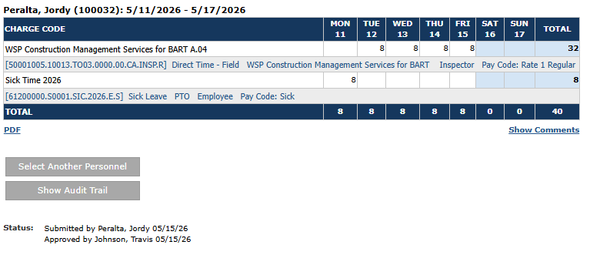
Employee Name: | Jordy Peralta |  | Week Ending: |  | 15-May-26
 |  |  | 2026-05-09 | 2026-05-10 | 2026-05-11 | 2026-05-12 | 2026-05-13 | 2026-05-14 | 2026-05-15
Contract / Workplan | Description |  | Sat | Sun | Mon | Tue | Wed | Thur | Fri | TOTAL

6M8178 A.04-02 | Assistant Resident Engineer-Straight Time-Night |  |  |  |  | 8.00 | 8.00 | 8.00 | 8.00 | 32
6M8178 A.04-02 | Assistant Resident Engineer - Overtime
6M8178 A.04-02 | Assistant Resident Engineer - Doubletime
PTO (Sick/Vacation) |  |  |  |  | 8.00 |  |  |  |  | 8
Holiday

 | TOTAL HOURS |  |  |  | 8 | 8 | 8 | 8 | 8 | 40

Submitted by: |  | Approved by:

JP Week 5
Weekly Timesheet
Azad Engineering PC Timesheet

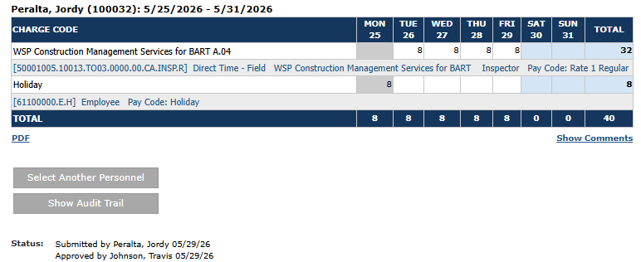
Employee Name: | Jordy Peralta |  | Week Ending: |  | 29-May-26
 |  |  | 2026-05-23 | 2026-05-24 | 2026-05-25 | 2026-05-26 | 2026-05-27 | 2026-05-28 | 2026-05-29
Contract / Workplan | Description |  | Sat | Sun | Mon | Tue | Wed | Thur | Fri | TOTAL

6M8178 A.04-02 | Assistant Resident Engineer |  |  |  |  | 8.00 | 8.00 | 8.00 | 8.00 | 32.00
6M8178 A.04-02 | Assistant Resident Engineer - Overtime
6M8178 A.04-02 | Assistant Resident Engineer - Doubletime
PTO (Sick/Vacation)
Holiday |  |  |  |  | 8.00 |  |  |  |  | 8

 | TOTAL HOURS |  |  |  | 8 | 8 | 8 | 8 | 8 | 40

Submitted by: |  | Approved by:

