Furniture Listings
# | SKU | Photo Name | Item Name | Nickname | Price | Status | Source | Condition | Attributes | Dimensions | Description | Listing URL | Photo | All Photo Files
1 | 0002 | dottie | Vintage Mid Century Modern Drop Leaf Dining Table MCM | Dottie | $525 | Available | Facebook Marketplace | Used - Good |  | 39"L x 29.5"W x 29"H | Meet Dottie. Small footprint, big atomic energy. Vintage mid century drop leaf dining table with a warm woodgrain top, tapered legs + brass tone details. Both sides fold down when you need a little extra room to roam. Extension leaf is not included. Good vintage condition with age appropriate wear. | https://www.facebook.com/marketplace/item/1787489942387784/ |  | dottie-0002-1.jpg, dottie-0002-2.jpg, dottie-0002-3.jpg, dottie-0002-4.jpg, dottie-0002-5.jpg
2 | 0003 | betty | Vintage Atomic Formica Dining Table 39" Mid Century Kitchen Table | Betty | $285 | Available | Facebook Marketplace | Used - Good | Type: Dining Table; Decor Style: Mid-Century Modern; Brand: Century | 39"L x 29.5"W x 29"H | Meet Betty. Small footprint, big atomic energy. Vintage 1950s style dining table with a striped laminate top, tapered metal legs and classic retro details. Perfect for a breakfast nook, apartment or vintage inspired dining space. Extension leaf is not included. Good vintage condition with age appropriate wear. | https://www.facebook.com/marketplace/item/1376177691355837/ |  | betty-0003-1.jpg, betty-0003-2.jpg, betty-0003-3.jpg, betty-0003-4.jpg
3 | 0001 | maple | Vintage 1950s MCM Bentwood Lamp Side Table | Maple | $525 | Available | Facebook Marketplace | Used - Good | Decor Style: Mid-Century Modern |  | Meet Maple. Curved wood, two little table levels + a working lamp hiding behind a maple leaf screen; the leaves glow when lit. Unique 1950s mid century piece with sculptural bentwood styling and an integrated working light. A side table, lamp + conversation starter all in one. | https://www.facebook.com/marketplace/item/1576568503908164/ |  | maple-0001-1.jpg, maple-0001-2.jpg, maple-0001-3.jpg, maple-0001-4.jpg, maple-0001-5.jpg
4 | 0006 | rattan-tv-stand | Vintage Woven Rattan TV Stand Console Record Cabinet |  | $295 | Available | Facebook Marketplace | Used - Good | Decor Style: Vintage; Material: Wicker | 36"W x 8"D x 21"H | Vintage woven rattan console featuring an architectural silhouette, brass casters, and open shelving. Intricate woven details and sculptural shape. Original brass casters; open shelving with center cable management holes; sturdy and structurally sound; beautiful vintage patina with light wear consistent with age. | https://www.facebook.com/marketplace/item/2082156892404371/ |  | rattan-tv-stand-0006-1.jpg, rattan-tv-stand-0006-2.jpg, rattan-tv-stand-0006-3.jpg, rattan-tv-stand-0006-4.jpg, rattan-tv-stand-0006-5.jpg, rattan-tv-stand-0006-6.jpg
5 | 0007 | ringo | Vintage 6 Ft Wood Wall Unit Bookshelf Record Storage Bar Cabinet | Ringo | $595 | Available | Facebook Marketplace | Used - Good |  | 72"H x 49"W x 17"D | Meet Ringo. Part bookshelf, part record station, part sneaky cocktail bar. Vintage wood wall unit with open shelving, record storage, cabinet storage + a drop-down bar compartment. | https://www.facebook.com/marketplace/item/1042783762079052/ |  | ringo-0007-1.jpg, ringo-0007-2.jpg, ringo-0007-3.jpg, ringo-0007-4.jpg, ringo-0007-5.jpg, ringo-0007-6.jpg, ringo-0007-7.jpg
6 | 0008 | ramona | Vintage 51" Tall Rattan Wicker Bookshelf Display Shelf | Paloma / Ramona | $275 | Available | Facebook Marketplace | Used - Good | Type: Shelf | 51"H x 22"W x 12"D | Arched rattan, intricate weaving + black wrapped details. Vintage rattan and wicker display shelf with four roomy levels for books, plants, records or collectibles. | https://www.facebook.com/marketplace/item/1587327119783396/ |  | ramona-0008-1.jpg, ramona-0008-2.jpg, ramona-0008-3.jpg, ramona-0008-4.jpg
7 | 0009 | daphne | Vintage Wood Storage Cabinet Smoked Glass Doors | Daphne | $285 | Available | Facebook Marketplace | Used - Good | Decor Style: Vintage; Material: Wood | 45"H x 23"L x 16"W | Meet Daphne. Heavy, handsome and built to stick around. Vintage wood storage cabinet with warm wood grain, rounded edges, brass tone details, darkened smoked glass doors, removable shelves and hidden wheels for easy moving. Likely 1980s-90s. Very heavy and sturdy. Good vintage condition with light age related wear. Styling pieces and mirror not included. Final sale; deposit required to hold, non-refundable after 12 hours. | https://www.facebook.com/marketplace/item/952305511227838/ |  | daphne-0009-1.jpg, daphne-0009-2.jpg, daphne-0009-3.jpg, daphne-0009-4.jpg, daphne-0009-5.jpg, daphne-0009-6.jpg
8 | 0010 | peacock-chair | Vintage Wicker Peacock Lounge Chair 70's |  | $200 | Available | Facebook Marketplace | Used - Good |  |  | Beautiful vintage wicker peacock-style lounge chair with high sculptural back and cozy striped cushion included. Perfect for boho, tropical, coastal, or vintage-inspired space. Warm honey-toned wicker with woven details throughout; cushion removable. Approximate vintage condition with light age-related wear; structurally sturdy. | https://www.facebook.com/marketplace/item/2957320511292717/ |  | peacock-chair-0010-1.jpg, peacock-chair-0010-2.jpg, peacock-chair-0010-3.jpg, peacock-chair-0010-4.jpg, peacock-chair-0010-5.jpg, peacock-chair-0010-6.jpg
9 | 0012 | white-etagere | Vintage White Rattan Etagere Bookcase | Coastal Display Shelf |  | $395 | Available | Facebook Marketplace | Used - Good |  | 80"H (6'8") x 32"W x 18"D | Vintage white rattan étagère featuring an elegant heart-shaped arch, lattice sides and back, and three glass display shelves. Vintage rattan frame, white painted finish, three glass shelves, lattice sides and back, sturdy and structurally sound. Vintage wear consistent with age. | https://www.facebook.com/marketplace/item/1545758883953365/ |  | white-etagere-0012-1.jpg, white-etagere-0012-2.jpg, white-etagere-0012-3.jpg, white-etagere-0012-4.jpg, white-etagere-0012-5.jpg, white-etagere-0012-6.jpg, white-etagere-0012-7.jpg
10 | 0013 | wood-bench | Solid Wood Minimalist Bench |  | $95 | Available | Facebook Marketplace | Used - Good |  | 36"L x 9"W x 16"H | Simple, timeless design that works as a coffee table, entryway bench, plant stand, or TV bench. Solid wood construction with beautiful natural grain. Sturdy, well made, and in great condition. Delivery available for a fee. | https://www.facebook.com/marketplace/item/1071459615379003/ |  | wood-bench-0013-1.jpg, wood-bench-0013-2.jpg, wood-bench-0013-3.jpg, wood-bench-0013-4.jpg
11 | 0014 | adam | Vintage Rattan Sofa | Bamboo Couch | Boho Coastal | Adam | $450 | Available | Facebook Marketplace | Used - Good | Type: Sofa; Decor Style: Coastal; Material: Bamboo | 74" wide | Meet Adam. Sturdy, comfortable vintage bamboo and rattan sofa with plush tropical cushions. 74" of vintage bamboo and rattan seating. | https://www.facebook.com/marketplace/item/1674455373651251/ |  | adam-0014-1.jpg, adam-0014-2.jpg
12 | 0016 | atlas | Vintage Globe Bar Cabinet | Atlas | $425 | Available | Facebook Marketplace | Used - Good | Decor Style: Vintage | 31" diameter x 44"H | Meet Atlas. Vintage globe bar opens to reveal hidden storage for bottles and glassware, with a beautifully illustrated celestial interior. A conversation piece for a library, office, living room, or bar. Vintage condition with wear consistent with age. | https://www.facebook.com/marketplace/item/27902683116057924/ |  | atlas-0016-1.jpg, atlas-0016-2.jpg, atlas-0016-3.jpg, atlas-0016-4.jpg
13 | 0017 | rattan-bench | Vintage 60s 70s Retro Rattan Bench |  | $260 | Available | Facebook Marketplace | Used - Good |  | 39"W x 17"D x 22"H | Vintage rattan bench with an eye-catching sculptural rolled-arm design and classic 60s/70s retro style. Great as an entry bench, bedroom accent, plant stand, or statement piece. Final sale; vintage condition. | https://www.facebook.com/marketplace/item/1743455216545350/ |  | rattan-bench-0017-1.jpg, rattan-bench-0017-2.jpg, rattan-bench-0017-3.jpg, rattan-bench-0017-4.jpg, rattan-bench-0017-5.jpg
14 | 0018 | goldie | Vintage Wicker Corner TV Stand Record Storage | Goldie | $295 | Available | Facebook Marketplace | Used - Good | Decor Style: Vintage |  | Meet Goldie - a wicker overachiever on wheels with cubbies for records, books, barware, plants, and TV setup. Warm honey toned wicker, tons of storage and brass tone casters. Vintage condition with some age related wicker wear. Styling props not included. Non-refundable deposit required to hold longer than 12 hours. | https://www.facebook.com/marketplace/item/38868106076136850/ |  | goldie-0018-1.jpg, goldie-0018-2.jpg, goldie-0018-3.jpg, goldie-0018-4.jpg, goldie-0018-5.jpg, goldie-0018-6.jpg
15 | 0019 | cleo | Vintage Style Brown Curved Chaise Lounge Chair | Cleo | $295 | Available | Facebook Marketplace | Used - Good | Color: Brown; Decor Style: Vintage | 53" body length, 60" overall length, 36"H, 26"D | Meet Cleo. Curvy, cozy vintage style chaise with warm brown upholstery, curved back and classic wood legs. Good pre-owned condition with light cosmetic wear shown in photos. Styling pieces not included. | https://www.facebook.com/marketplace/item/2276419796522750/ |  | cleo-0019-1.jpg, cleo-0019-2.jpg, cleo-0019-3.jpg
16 | 0020 | ramona | Vintage Rattan Wicker Bookshelf / Bookcase 72" | Ramona | $595 | Available | Facebook Marketplace | Used - Good | Decor Style: Vintage | 72"H x 30"W x 15"D | Meet Ramona - six feet of woven rattan drama. Rare vintage rattan and wicker bookshelf with a dramatic arched silhouette, intricate woven lattice sides, and four spacious shelves. Beautiful vintage condition with age-appropriate character; localized wear and some loss to rattan wrapping around lower frame and feet - review photos closely. | https://www.facebook.com/marketplace/item/1799017487769189/ |  | ramona-0020-1.jpg, ramona-0020-2.jpg, ramona-0020-3.jpg, ramona-0020-4.jpg, ramona-0020-5.jpg, ramona-0020-6.jpg, ramona-0020-7.jpg, ramona-0020-8.jpg
17 | 0022 | sunny | Vintage Round Rattan Glass Coffee Table | Sunny | $245 | Available | Facebook Marketplace | Used - Good |  | 36" diameter x 12"H | Meet Sunny. Low, round, and very 70s. Vintage rattan/bamboo base with curved details and a large round glass top. Perfect for a boho, eclectic or retro living room. Vintage condition with age-appropriate wear. | https://www.facebook.com/marketplace/item/2140656860132462/ |  | sunny-0022-1.jpg, sunny-0022-2.jpg, sunny-0022-3.jpg
18 | 0024 | swivel-lounge-chair | Vintage Rattan Swivel Lounge Chair / Silla Giratoria Retro Boho 70s |  | $225 | Available | Facebook Marketplace | Used - Good |  |  | Vintage rattan swivel lounge chair with sculptural curves and classic 70s boho styling. Rotates smoothly. Includes removable cushion. Beautiful vintage piece with some cosmetic wear and natural imperfections consistent with age, but overall presents really well. Any down payment to hold is non-refundable after 12 hours. | https://www.facebook.com/marketplace/item/4412199589091682/ |  | swivel-lounge-chair-0024-1.jpg, swivel-lounge-chair-0024-2.jpg, swivel-lounge-chair-0024-3.jpg, swivel-lounge-chair-0024-4.jpg, swivel-lounge-chair-0024-5.jpg, swivel-lounge-chair-0024-6.jpg, swivel-lounge-chair-0024-7.jpg
19 | 0025 | eloise | Vintage Wicker Waterfall Dresser | Boho Coastal Rattan Chest | Eloise | $285 | Available | Facebook Marketplace | Used - Good | Date Range: 1970-1979 | 38"W x 33"D x 19"H | Meet Eloise. Rare vintage wicker waterfall dresser with four spacious drawers, handwoven details, and a warm honey finish. 4 drawers, handwoven wicker, waterfall design, sturdy and functional. Beautiful vintage condition with age-appropriate wear. Deposits become non-refundable after 12 hours. | https://www.facebook.com/marketplace/item/1021234577394540/ |  | eloise-0025-1.jpg, eloise-0025-2.jpg, eloise-0025-3.jpg, eloise-0025-4.jpg
20 | 0026 | folding-shelf | Vintage Rattan Wicker Folding Shelf / Boho 70s Storage |  | $165 | Available | Facebook Marketplace | Used - Good | Decor Style: Bohemian | 18"W x 10"D x 49"H | Vintage rattan folding shelf in a warm honey tone with curved detailing. Compact, sturdy, and folds flat for storage. Vintage condition with age-appropriate wear. Deposits become non-refundable after 12 hours. | https://www.facebook.com/marketplace/item/1390655955786101/ |  | folding-shelf-0026-1.jpg, folding-shelf-0026-2.jpg, folding-shelf-0026-3.jpg, folding-shelf-0026-4.jpg, folding-shelf-0026-5.jpg, folding-shelf-0026-6.jpg, folding-shelf-0026-7.jpg, folding-shelf-0026-8.jpg, folding-shelf-0026-9.jpg
21 | 0028 | swivel-chairs-set | Vintage Rattan Bamboo Swivel Chairs Set of 4 Boho Retro 70s MCM |  | $280 | Available | Facebook Marketplace | Used - Good | Style: MCM |  | Beautiful vintage rattan/bamboo swivel chair set of 4 with original red cushions and brass caster wheels. Hard-to-find matching set with warm retro 70s style and great vintage character. Vintage condition with light age-related wear. Deposits become non-refundable after 12 hours. | https://www.facebook.com/marketplace/item/1469116094976438/ |  | swivel-chairs-set-0028-1.jpg, swivel-chairs-set-0028-2.jpg, swivel-chairs-set-0028-3.jpg, swivel-chairs-set-0028-4.jpg, swivel-chairs-set-0028-5.jpg, swivel-chairs-set-0028-6.jpg
22 | 0030 | bamboo-lounge-set | Vintage Bamboo Lounge Chair Set (table not included) 70s Boho Rattan Chairs |  | $360 | Available | Facebook Marketplace | Used - Good |  | 29"W x 22"D x 32"H (each) | Beautiful matching vintage bamboo lounge chair set with a relaxed 70s coastal vibe. Sculptural low-profile design perfect for living room, sunroom, covered patio, or retro-inspired space. Set of 2 matching vintage bamboo chairs; replacement teal cushions included (not original); solid bamboo/rattan frames. Vintage condition with light wear. Matching table available separately ($375). | https://www.facebook.com/marketplace/item/1049766857439157/ |  | bamboo-lounge-set-0030-1.jpg, bamboo-lounge-set-0030-2.jpg
23 | 0031 | dolly | Vintage Arched Rattan Wicker Bookshelf – 71" | Dolly | $450 | Available | Facebook Marketplace | Used - Good |  | 71"H x 29"W x 15"D | Meet Dolly. Tall, arched, and ready for her next home. Vintage woven rattan bookshelf with 5 shelves and beautiful lattice detailing. Vintage condition with age-appropriate wear. | https://www.facebook.com/marketplace/item/1797339704966324/ |  | dolly-0031-1.jpg, dolly-0031-2.jpg, dolly-0031-3.jpg, dolly-0031-4.jpg, dolly-0031-5.jpg
24 | 0032 | ramona | Vintage Rattan Bamboo Bookshelf Étagère Display Shelf – 72" | Ramona | $495 | Available | Facebook Marketplace | Used - Good |  | 29"W x 16"D x 72"H | Vintage rattan bamboo bookshelf/étagère with dramatic arches and geometric latticework. Tall, curvy design; great for records, plants, books, ceramics. Vintage condition with natural patina + age-related wear. | https://www.facebook.com/marketplace/item/1376682114414070/ |  | ramona-0032-1.jpg, ramona-0032-2.jpg, ramona-0032-3.jpg, ramona-0032-4.jpg, ramona-0032-5.jpg, ramona-0032-6.jpg
25 | 0033 | monte-verde | Vintage Green Cabinet | Mid Century Modern Bar Cabinet | Storage | Monte Verde | $325 | Available | Facebook Marketplace | Used - Good |  | 35"H x 36"W x 20"D | Meet Monte Verde. Bold vintage cabinet refinished in rich green with sleek hairpin legs and a minimalist round pull. Compact with plenty of hidden storage; works as bar cabinet, record cabinet, entryway piece, small credenza, or statement storage. Beautiful vintage condition with age-appropriate character. Mirror and speakers shown in styled photo not included. | https://www.facebook.com/marketplace/item/1055601327447966/ |  | monte-verde-0033-1.jpg, monte-verde-0033-2.jpg, monte-verde-0033-3.jpg, monte-verde-0033-4.jpg, monte-verde-0033-5.jpg, monte-verde-0033-6.jpg, monte-verde-0033-7.jpg, monte-verde-0033-8.jpg, monte-verde-0033-9.jpg, monte-verde-0033-10.jpg
26 | 0034 | soleil | Vintage Rattan Room Divider | 3 Panel Folding Screen | Boho 70s | Soleil | $370 | Available | Facebook Marketplace | Used - Good | Decor Style: Bohemian |  | Meet Soleil - a gorgeous vintage three-panel rattan folding screen featuring sculptural arched tops and woven sunburst detailing. Use as a room divider, privacy screen, dressing screen, or sculptural decor. Beautiful vintage patina; vintage wear consistent with age. | https://www.facebook.com/marketplace/item/28088955330747591/ |  | soleil-0034-1.jpg, soleil-0034-2.jpg, soleil-0034-3.jpg, soleil-0034-4.jpg, soleil-0034-5.jpg, soleil-0034-6.jpg
27 | 0035 | eames-chairs | Pair of Mid-Century Modern Eames-Style Dining Chairs | White Shell Chairs with Wood Legs |  | $75 (listed) / $95 for pair per description | Available | Facebook Marketplace | Used - like new | Color: White; Decor Style: Modern; Brand: Century |  | Clean, iconic pair of Eames-style molded shell chairs with white contoured seats, natural wood dowel legs and black Eiffel-style cross supports. Fits mid-century modern, Scandinavian, minimalist, or contemporary interiors. Good pre-owned condition with light wear consistent with use. NOTE: listing price shown was $75 but the item description states $95 for the pair - confirm with seller. | https://www.facebook.com/marketplace/item/1081681827759106/ |  | eames-chairs-0035-1.jpg, eames-chairs-0035-2.jpg
28 | 0036 | nordic-side-table | Nordic Scandinavian Side Table / Mesa Lateral Escandinava 16x16 |  | $55 | Available | Facebook Marketplace | Used - like new | Decor Style: Scandinavian | 16"x16", 16.5" tall | Simple Nordic Scandinavian side table with clean minimalist wood design. Perfect as a nightstand, plant stand, or small space accent piece. Perfect condition. | https://www.facebook.com/marketplace/item/1469654985184707/ |  | nordic-side-table-0036-1.jpg
29 | 0038 | tropitan-dining-set | Ritts Co. TROPITAN Vintage Rattan Dining Set | Bamboo |  | $580 | Available | Facebook Marketplace | Used - Good |  | Table 36"W x 36"D x 29.5"H | Authentic Ritts Co. TROPITAN vintage rattan dining set featuring a square bamboo dining table and two matching chairs with original teal vinyl seats. Crafted in Los Angeles; collectible American-made set known for quality craftsmanship and timeless Palm Beach style. Includes 2 matching chairs. Vintage wear consistent with age. | https://www.facebook.com/marketplace/item/1775007383863143/ |  | tropitan-dining-set-0038-1.jpg, tropitan-dining-set-0038-2.jpg, tropitan-dining-set-0038-3.jpg
30 | 0039 | bistro-set | Vintage Bamboo & Wicker Bistro Set | Coastal Boho | 2 Chairs + Glass Table |  | $250 | Available | Facebook Marketplace | Used - Good | Number of Pieces: 3; Type: Bistro Set |  | Beautiful vintage bamboo and wicker bistro set with two sculptural bamboo fan-back chairs and a woven wicker glass-top table. Iconic 1960s-80s style. 2 vintage bamboo chairs, wicker pedestal table, textured glass top, fresh neutral upholstered cushions. Excellent vintage condition, no structural issues. Deposits hold items for 12 hours, non-refundable after. | https://www.facebook.com/marketplace/item/1469009178414890/ |  | bistro-set-0039-1.jpg, bistro-set-0039-2.jpg, bistro-set-0039-3.jpg, bistro-set-0039-4.jpg
31 | 0040 | rattan-dining-chairs | Vintage Rattan Dining Chairs Set of 2 Boho 70s Bamboo Mid Century |  | $150 | Available | Facebook Marketplace | Used - Good |  |  | Set of 2 vintage rattan dining chairs with curved backs and classic 70s boho style. Solid, sturdy, and ready to use. Neutral upholstered seats. Light wear consistent with age; clean and presents well. | https://www.facebook.com/marketplace/item/1377485701186357/ |  | rattan-dining-chairs-0040-1.jpg, rattan-dining-chairs-0040-2.jpg, rattan-dining-chairs-0040-3.jpg
32 | 0041 | bamboo-side-table-oct | Vintage Bamboo Side Table 70s Boho Octagonal Rattan Glass Top / Mesa Lateral Bambú Vintage |  | $150 | Available | Facebook Marketplace | Used - Good |  | L 2', W 2', H 1'8" | Original 70s bamboo side table with octagonal glass top and detailed lattice base. Beautiful warm tone with solid, sturdy frame. Unique shape makes it a standout accent piece - end table, small coffee table, or boho decor. Good vintage condition with light wear consistent with age. | https://www.facebook.com/marketplace/item/4659842540912952/ |  | bamboo-side-table-oct-0041-1.jpg, bamboo-side-table-oct-0041-2.jpg
33 | 0042 | bamboo-end-table | Vintage Bamboo Side Table 70s Boho Rattan End Table / Mesa Lateral Bambú Vintage |  | $150 | Available | Facebook Marketplace | Used - Good |  | L 2', W 2', H 1'8" | Original 70s bamboo side table with glass top and beautiful curved detail. Compact, solid, and full of character. Perfect as end table, accent piece, or small coffee table. Good vintage condition with light wear consistent with age. | https://www.facebook.com/marketplace/item/3565672666935209/ |  | bamboo-end-table-0042-1.jpg, bamboo-end-table-0042-2.jpg
34 | 0043 | bar-stool | Vintage 80s-Style Swivel Rattan Bar Stool – Tropical Bamboo Look |  | $35 (listing shows $75 crossed out / $35 current) | Available | Facebook Marketplace | Used - Good |  | Height 3'5", seat diameter 1'8" | Price is for 1 stool. Vintage-inspired rattan swivel bar stool with dark brown bamboo-style frame and woven back. Neutral upholstered seat; smooth swivel function. Frame has been refinished in brown. Solid and sturdy. Light cosmetic wear consistent with age. | https://www.facebook.com/marketplace/item/912835418011376/ |  | bar-stool-0043-1.jpg
35 | 0044 | wingback-chairs | Pair of 1960s Vintage Wingback Chairs – Striped Upholstery |  | $125 | Available | Facebook Marketplace | Used - Good | Date Range: 1960-1969 | Each: W 2'6", H 3'6", seat depth 1'8" | Authentic 1960s vintage wingback chairs with colorful striped upholstery and Queen Anne legs. Sold as a pair. Good vintage condition with expected wear; one chair has a minor scratch on the back, and there are some light stains visible in photos. A matching floral hurricane-style lamp is sold separately for $135. | https://www.facebook.com/marketplace/item/2996654400683248/ |  | wingback-chairs-0044-1.jpg, wingback-chairs-0044-2.jpg
36 | 0048 | chair-base | Rolling Chair Base / Stool Frame on Wheels |  | $60 (listed) / $50 in description | Available | Facebook Marketplace | Used - Good |  |  | Black rolling chair/stool base with back support, sturdy plastic frame on casters. Base/frame only (no seat cushion) - ideal for a replacement, repair, or DIY/custom chair project. Rolls smoothly and feels solid; cosmetic scuffs from storage only, fully functional. Metal support ring included. No holds; first come first served. | https://www.facebook.com/marketplace/item/2234175164166013/ | NO PHOTOS FOUND | (none currently in product-photos folder)
37 | 0000 | bianca | Vintage Gardner Faux-Bamboo Wall Mirror | Bianca | $345 | Available | Instagram |  | Faux-bamboo frame, warm wood tones | 32" W x 46" H | Vintage Gardner faux-bamboo mirror with warm wood tones. Tall, bamboo-framed wall mirror. | https://www.instagram.com/p/DcheKzGDP6O/ |  | bianca-0000-1.jpg, bianca-0000-2.jpg
38 | 0004 | orbit | Vintage Space Age Acrylic Bubble Chair | Orbit |  | Available | Instagram |  | Clear acrylic, brass pedestal base, 70s Space Age style |  | Vintage Space Age acrylic bubble chair with a brass pedestal base — one of those pieces you almost never see in person. | https://www.instagram.com/p/DcY2B28EQ0Q/ | 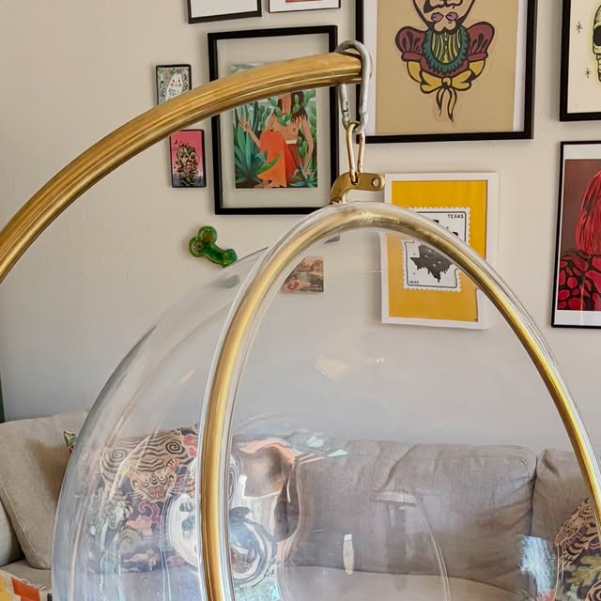 | orbit-0004-1.jpg
39 | 0005 | mcm-dining-table | Vintage MCM Dining Table |  | $650 | Available | Instagram | Vintage condition, no major scratches, solid and sturdy, no wobble | Sculptural metal pedestal base, wood grain top | 4 ft round top; 2.5" thick tabletop | Vintage MCM dining table with an incredible sculptural metal pedestal base. Wood grain, oversized round top, and architectural base. | https://www.instagram.com/p/DYN_Q6kDPX4/ |  | mcm-dining-table-0005-1.jpg
40 | 0011 | agnes | Vintage Low Curved Accent Chair | Agnes |  | Available | Instagram |  | Low profile, curved sculptural form |  | Low, curved, and just a little dramatic — the kind of chair that quietly takes over the room. | https://www.instagram.com/p/DXFA0hykRWq/ | 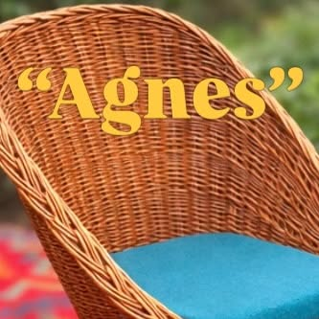 | agnes-0011-1.jpg
41 | 0015 | fran | Vintage Bamboo Base Glass-Top Table | Fran |  | Sold | Instagram |  | Curved bamboo base, glass top |  | Curved bamboo base with an organic, almost architectural feel; glass top keeps everything light and open. | https://www.instagram.com/p/DWo9tSqlFZy/ | 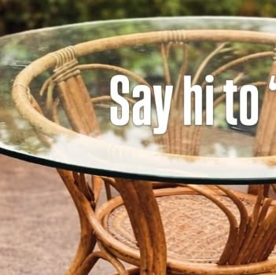 | fran-0015-1.jpg
42 | 0021 | maribel | Vintage Rattan Cabinet with Adjustable Panels | Maribel |  | Sold | Instagram |  | Rattan, switchable/adjustable panels |  | Clean from the outside, hides adjustable-panel storage that adapts without losing that vintage feel. | https://www.instagram.com/p/DWm7ADYjCZh/ | 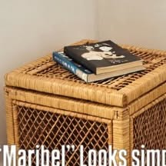 | maribel-0021-1.jpg
43 | 0023 | catalina | Vintage Rattan Chairs (Set of 4) | Catalina |  | Sold | Instagram |  | Rattan, sculptural, set of 4 |  | Light, sculptural rattan chairs, set of 4 — the kind of set that quietly upgrades a space. | https://www.instagram.com/p/DWjxw1ZlJdh/ | 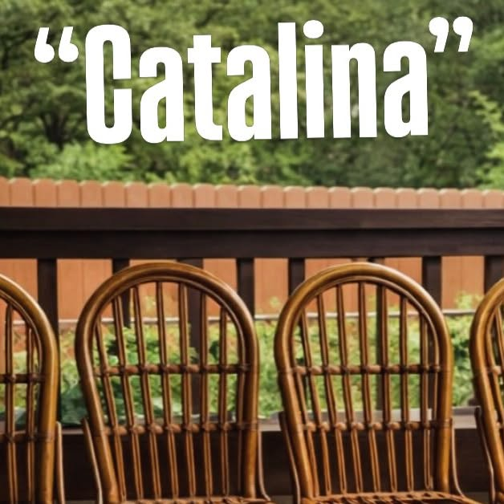 | catalina-0023-1.jpg
44 | 0027 | saguaro | Vintage Rattan Dining Set | Saguaro |  | Sold | Instagram |  | Rattan, sun-washed tone, sculptural base |  | Vintage rattan dining set with a sun-washed tone and sculptural base. | https://www.instagram.com/p/DWZfOKJlEhs/ |  | saguaro-0027-1.jpg
45 | 0029 | mabel | Vintage Rattan and Glass Table | Mabel |  | Available | Instagram |  | Rattan, glass top, sculptural base |  | Vintage rattan and glass table with a warm honey tone and sculptural base. | https://www.instagram.com/p/DWW1xGwlF46/ | 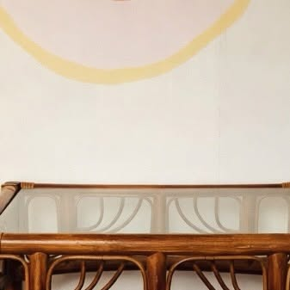 | mabel-0029-1.jpg
46 | 0037 | paloma | Vintage Rattan-Framed Mirror | Paloma |  | Available | Instagram | Great vintage condition | Rattan frame, curved lattice detail, 70s style |  | Rattan-framed mirror with curves, texture, and 70s drama. (Distinct from the existing "Ramona/Paloma" 51" bookshelf, SKU 0008 — confirmed via side-by-side photo comparison; this is a mirror, not a bookshelf.) | https://www.instagram.com/p/DWRY3JFkfL_/ | 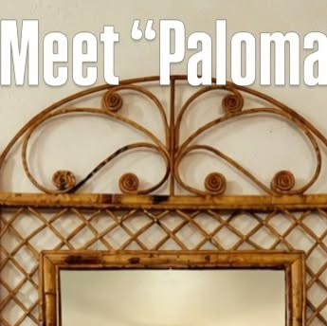 | paloma-0037-1.jpg
47 | 0045 | antonietta | Vintage Rattan Accent Table | Antonietta |  | Available | Instagram |  | Rattan, petite size |  | The baby sister of Antonia — same vintage soul, a little more petite. Perfect for a cozy corner or plant styling. | https://www.instagram.com/p/DWHihvfjwzT/ | 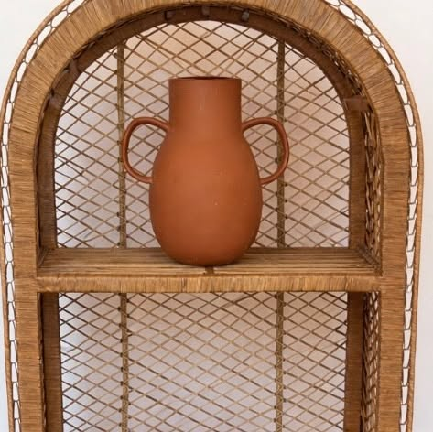 | antonietta-0045-1.jpg
48 | 0046 | carmela | Vintage Golden Rattan Arch Piece | Carmela |  | Sold | Instagram |  | Golden rattan, sculptural arch |  | Golden rattan, sculptural arch, and that warm, timeless presence that settles into a space like it's always been there. | https://www.instagram.com/p/DWCkePtD6kM/ |  | carmela-0046-1.jpg
49 | 0047 | nova | Vintage Emerald Sculptural Lounge Chair | Nova |  | Available | Instagram |  | Deep emerald tone, low lounge, space-age styling |  | Sculptural curves, deep emerald tone, and that low lounge feel straight out of a space-age dream. | https://www.instagram.com/p/DV_9iRrj26G/ | 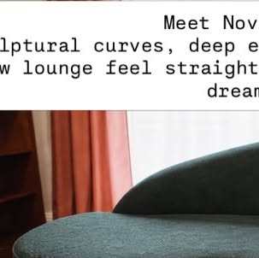 | nova-0047-1.jpg
50 | 0049 | palmira-set | The Palmira Set — Vintage Rattan Dresser, Mirror & Nightstands | Palmira |  | Available | Instagram |  | Rattan, woven wicker drawers, bamboo-style trim, fan mirror; set of 4 (dresser, fan mirror, 2 nightstands) |  | Vintage rattan dresser with its beautiful fan mirror and two matching nightstands. Warm honey tones, woven wicker drawers, bamboo-style trim — coastal / Palm Beach vibe. | https://www.instagram.com/p/DVuJsDkjwID/ | 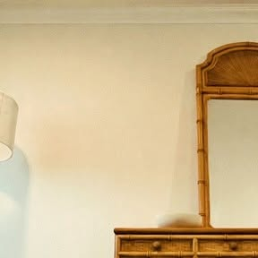 | palmira-set-0049-1.jpg

