Event Config
Collect |  | 30
Miss |  | 70

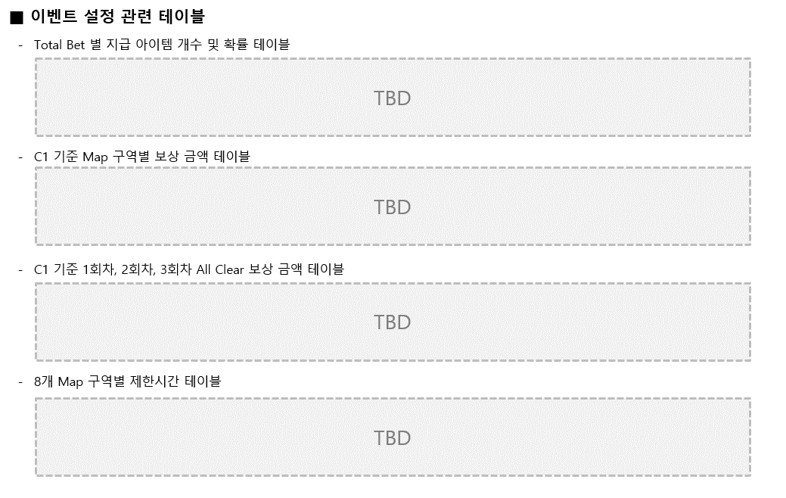
Class / Bet by Range Item Drop Probability |  | C1 |  |  |  |  |  | C2 |  |  |  |  |  | C3 |  |  |  |  |  | C4 |  |  |  |  |  | C5 |  |  |  |  |  | C6 |  |  |  |  |  | C7

 |  | 100,000 |  |  |  |  |  | 300,000 |  |  |  |  |  | 500,000 |  |  |  |  |  | 600,000 |  |  |  |  |  | 700,000 |  |  |  |  |  | 1,000,000 |  |  |  |  |  | 2,000,000
No. | Collect Item Num. | 1 | 2 | 3 | 4 | 5 | Miss | 1 | 2 | 3 | 4 | 5 | Miss | 1 | 2 | 3 | 4 | 5 | Miss | 1 | 2 | 3 | 4 | 5 | Miss | 1 | 2 | 3 | 4 | 5 | Miss | 1 | 2 | 3 | 4 | 5 | Miss | 1 | 2 | 3 | 4 | 5 | Miss
1 | 50,000 Under | 20 | 10 |  |  |  |  | 30 |  |  |  |  |  | 30 |  |  |  |  |  | 30 |  |  |  |  |  | 30 |  |  |  |  |  | 30 |  |  |  |  |  | 30
2 | 50,000 | 10 | 15 | 5 |  |  |  | 20 | 10 |  |  |  |  | 25 | 5 |  |  |  |  | 30 |  |  |  |  |  | 30 |  |  |  |  |  | 30 |  |  |  |  |  | 30
3 | 100,000 |  | 10 | 15 | 5 |  |  | 10 | 20 | 5 |  |  |  | 25 | 5 |  |  |  |  | 20 | 10 |  |  |  |  | 30 |  |  |  |  |  | 30 |  |  |  |  |  | 30
4 | 200,000 |  |  | 20 | 10 |  |  |  | 10 | 15 | 5 |  |  | 10 | 15 | 5 |  |  |  | 10 | 20 |  |  |  |  | 25 | 5 |  |  |  |  | 30 |  |  |  |  |  | 30
5 | 500,000 |  |  |  | 20 | 10 |  |  |  | 20 | 5 |  |  |  |  | 25 | 5 |  |  |  | 20 | 10 |  |  |  | 20 | 10 |  |  |  |  | 25 | 5 |  |  |  |  | 30
6 | 800,000 |  |  |  | 10 | 20 |  |  |  | 5 | 20 | 5 |  |  |  | 5 | 20 | 5 |  |  |  | 20 | 10 |  |  |  | 10 | 15 | 5 |  |  | 20 | 10 |  |  |  |  | 10 | 20
7 | 1,200,000 |  |  |  | 5 | 25 |  |  |  |  | 10 | 20 |  |  |  |  | 10 | 20 |  |  |  | 5 | 10 | 15 |  |  |  | 5 | 10 | 15 |  |  | 10 | 15 | 5 |  |  | 5 | 15 | 10
8 | 3,000,000 |  |  |  |  | 30 |  |  |  |  | 5 | 25 |  |  |  |  | 5 | 25 |  |  |  |  | 10 | 20 |  |  |  |  | 10 | 20 |  |  |  | 5 | 10 | 15 |  |  | 5 | 15 | 10
9 | 5,000,000 |  |  |  |  | 30 |  |  |  |  |  | 30 |  |  |  |  |  | 30 |  |  |  |  |  | 30 |  |  |  |  |  | 30 |  |  |  |  | 10 | 20 |  |  |  | 10 | 15 | 5
10 | 10,000,000 |  |  |  |  | 30 |  |  |  |  |  | 30 |  |  |  |  |  | 30 |  |  |  |  |  | 30 |  |  |  |  |  | 30 |  |  |  |  |  | 30 |  |  |  |  | 20 | 10
11 | 50,000,000 |  |  |  |  | 30 |  |  |  |  |  | 30 |  |  |  |  |  | 30 |  |  |  |  |  | 30 |  |  |  |  |  | 30 |  |  |  |  |  | 30 |  |  |  |  | 10 | 20
12 | 100,000,000 |  |  |  |  | 30 |  |  |  |  |  | 30 |  |  |  |  |  | 30 |  |  |  |  |  | 30 |  |  |  |  |  | 30 |  |  |  |  |  | 30 |  |  |  |  |  | 30
1 | 50,000 Under
2 | 50,000
3 | 100,000
4 | 200,000
5 | 500,000
6 | 800,000
7 | 1,200,000
8 | 3,000,000
9 | 5,000,000
10 | 10,000,000
11 | 50,000,000
12 | 100,000,000
 |  | 1 | 10 | 50 | 100 | 200 | 300 | 1 | 10 | 50 | 100 | 200 | 300 | 1 | 10 | 50 | 100 | 200 | 300 | 1 | 10 | 50 | 100 | 200 | 300 | 1 | 10 | 50 | 100 | 200 | 300 | 1 | 10 | 50 | 100 | 200 | 300 | 1 | 10 | 50 | 100 | 200 | 300
1 | 50,000 Under
2 | 50,000
3 | 100,000
4 | 200,000
5 | 500,000
6 | 800,000
7 | 1,200,000
8 | 3,000,000
9 | 5,000,000
10 | 10,000,000
11 | 50,000,000
12 | 100,000,000

 |  |  |  |  |  |  | 1 |  |  |  |  |  | 1.25 |  |  |  |  |  | 1.5 |  |  |  |  |  | 2 |  |  |  |  |  | 2.5 |  |  |  |  |  | 3 |  |  |  |  |  | 4
Class / Map by Zone Collecting Conditions and Reward Amount Table |  | C1 |  |  |  |  |  | C2 |  |  |  |  |  | C3 |  |  |  |  |  | C4 |  |  |  |  |  | C5 |  |  |  |  |  | C6 |  |  |  |  |  | C7
 |  | No. | Collect |  | Bonus |  |  | No. | Collect |  | Bonus |  |  | No. | Collect |  | Bonus |  |  | No. | Collect |  | Bonus |  |  | No. | Collect |  | Bonus |  |  | No. | Collect |  | Bonus |  |  | No. | Collect |  | Bonus
 |  | 1 | 100 |  | 1,000,000 |  |  | 1 |  |  |  |  |  | 1 |  |  |  |  |  | 1 |  |  |  |  |  | 1 |  |  |  |  |  | 1 |  |  |  |  |  | 1
 |  | 2 | 120 |  | 1,200,000 |  |  | 2 |  |  |  |  |  | 2 |  |  |  |  |  | 2 |  |  |  |  |  | 2 |  |  |  |  |  | 2 |  |  |  |  |  | 2
 |  | 3 | 150 |  | 1,500,000 |  |  | 3 |  |  |  |  |  | 3 |  |  |  |  |  | 3 |  |  |  |  |  | 3 |  |  |  |  |  | 3 |  |  |  |  |  | 3
 |  | 4 | 200 |  | 2,000,000 |  |  | 4 |  |  |  |  |  | 4 |  |  |  |  |  | 4 |  |  |  |  |  | 4 |  |  |  |  |  | 4 |  |  |  |  |  | 4
 |  | 5 | 300 |  | 3,000,000 |  |  | 5 |  |  |  |  |  | 5 |  |  |  |  |  | 5 |  |  |  |  |  | 5 |  |  |  |  |  | 5 |  |  |  |  |  | 5
 |  | 6 | 400 |  | 4,000,000 |  |  | 6 |  |  |  |  |  | 6 |  |  |  |  |  | 6 |  |  |  |  |  | 6 |  |  |  |  |  | 6 |  |  |  |  |  | 6
 |  | 7 | 500 |  | 5,000,000 |  |  | 7 |  |  |  |  |  | 7 |  |  |  |  |  | 7 |  |  |  |  |  | 7 |  |  |  |  |  | 7 |  |  |  |  |  | 7
 |  | 8 | 600 |  | 6,000,000 |  |  | 8 |  |  |  |  |  | 8 |  |  |  |  |  | 8 |  |  |  |  |  | 8 |  |  |  |  |  | 8 |  |  |  |  |  | 8
 |  | ALL1 | - |  | 10,000,000 |  |  | ALL1 |  |  |  |  |  | ALL1 |  |  |  |  |  | ALL1 |  |  |  |  |  | ALL1 |  |  |  |  |  | ALL1 |  |  |  |  |  | ALL1
 |  | ALL2 | - |  | 12,000,000 |  |  | ALL2 |  |  |  |  |  | ALL2 |  |  |  |  |  | ALL2 |  |  |  |  |  | ALL2 |  |  |  |  |  | ALL2 |  |  |  |  |  | ALL2
 |  | ALL3 | - |  | 15,000,000 |  |  | ALL3 |  |  |  |  |  | ALL3 |  |  |  |  |  | ALL3 |  |  |  |  |  | ALL3 |  |  |  |  |  | ALL3 |  |  |  |  |  | ALL3

by Zone Time Limit(H)
1 | 8
2 | 8
3 | 12
4 | 12
5 | 24
6 | 24
7 | 24
8 | 24

