Exploration_Mission_System
 | Exploration Mission

 | ■ Design Intent
 |  | - Field's Exploration can present Direction and My/The when
 |  | - PLC And Required/Needed Currency Grant

 | ■ Summary

 | - Exploration Mission World per Exploration Mission and Area per Exploration Mission 2 's Entry to CategorizeDone/Applied
 | - Exploration Mission Complete when, Reward Grant
 | - Separate's Accept Always Progressduring state
 | - World and Area Provide

 | ■ UI

 | ○ Access Method
 | - Main Menu → Exploration Mission
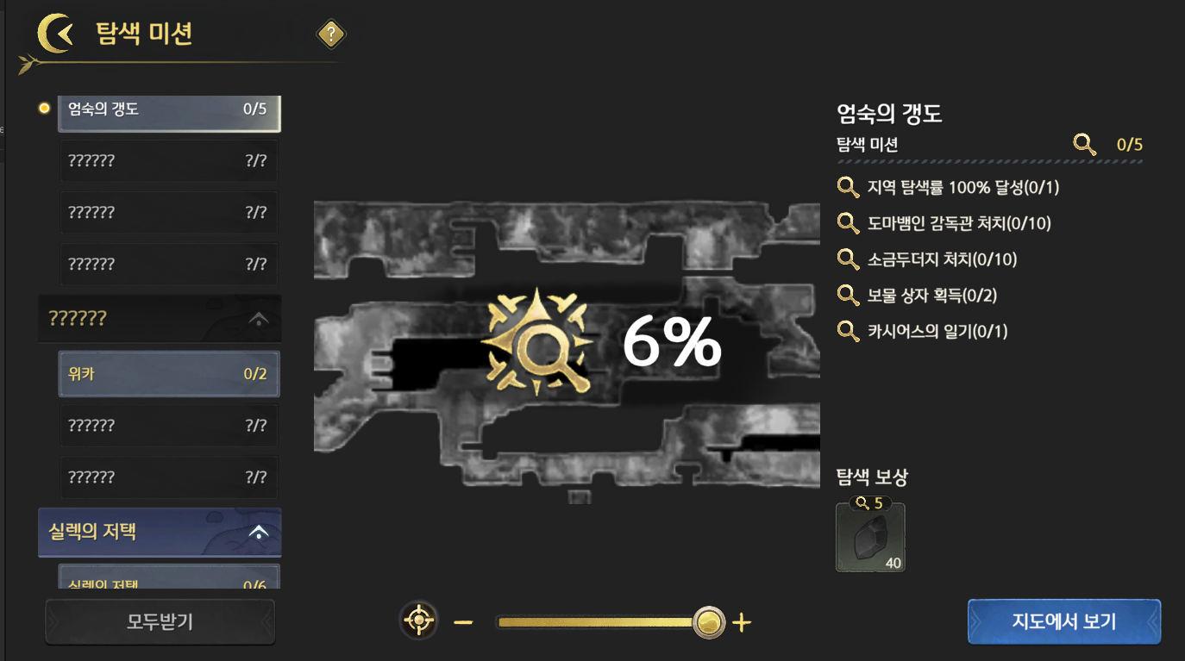

 | - HUD → Compass Icon -> Text Area Click
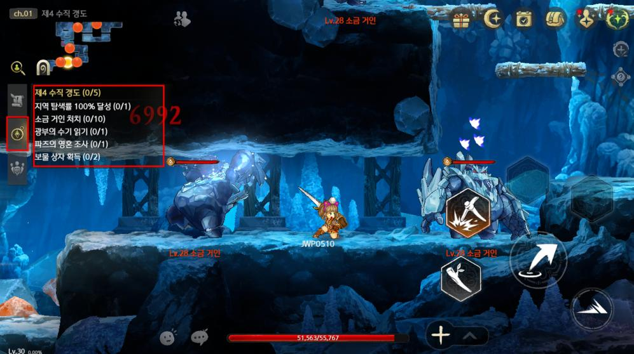

 | ○ Exploration Mission UI
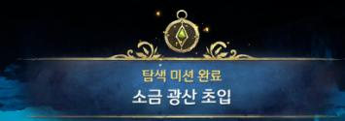

 | time(s) | Name |  | Description
 | 1 | Back |  | Click when, Right/Immediately Field to return
 | 2 | World Category |  | Display Text : World Name Function • Each Worldper to Compositionapplied Category Button • World's sort Above in from MissionCategory.xml's ID Ascending to sort ◦ Quest_Adventure.xml's MissionCategoryID input • Click when ◦ Arrow Below Direction state in Click when, Corresponding World's World And Area Area Exploration Mission. After Arrow Direction to before ◦ Arrow Above Direction state in Click when, World And Area Exploration Mission List. After Arrow Below Direction to before • Claim Available Reward present Area's World Category red dot Display ◦ List when List also Display • Drag to Scroll Possible
 | 3 | Exploration Mission List |  | Display • List : World Name • List : Area Name • Unvisited Area/World : ?????? And Corresponding List Greyscale Display Icon • PC Location Area List In front Display Function • Click when ◦ Corresponding World's Map Image time(s) can present Zoom In To the extent UI during Display ▪ Image Move when Separate's Moment to Camera Move ◦ Corresponding World's Exploration Mission Content UI Display ◦ time(s) also Not World And Area Click when None/N/A ◦ Selectapplied List Highlight processing • World Display ◦ Area List and Display ◦ Area List Quest_Adventure.xml Standard ID Ascending to sort ▪ World's Categorize Quest_Adventure.xml - RegionName to Categorize • Current Achieve Degree X/Y to Display ◦ X : Achieve Mission's Count / Y : Corresponding Mission's Count • Corresponding World And Area's TRName Display • Drag to Scroll Possible • Reward Obtain Area And World's case Greyscale processing
 | 4 | Map Image Display Area |  | Display Image : Exploration Mission List in in Selectapplied Area(World) Image Function Map& designed Apply Standard and Same Standard to Each Info Display • Map Image Display Area in Each Area's Zoom In, Zoom Outbeing • Pinch to Zoom In Zoom Out Possible ◦ Zoom In Zoom Out according to Zoom In Zoom Out as follows • World connectNot done Not Area's Image Display • Him Corresponding User's Achieve also and Display ◦ Achieve also Each in Location Display
 | 5 | My Location Button |  | Function • Click when, Current PC Location Area to Map Image Camera ◦ List in Click when and as follows Area's Zoom In, Zoom Outbeing
 | 6 | Zoom Bar |  | Function • Drag Zoom In or Zoom Out Possible • Current Map Image's Zoom In Degree according to 's Location Real-time to Change
 | 7 | Exploration Mission Display Area |  | Function • Select World or Area's Exploration Mission Info Display ◦ Exploration Mission And Map exist Not Area in UI Display when, previous Area's Location Standard to PCIcon Display And UI Even Select Not state • Exploration Mission ◦ CondScript's Entry Text ◦ Achieve Count / Achieve Required/Needed Count number Display ▪ List's Each also number Display ◦ Completeapplied Text Icon to Display • Reward List Icon : Reward Claim can present Icon ◦ Click when, Corresponding Reward Immediately Claim And Popup Show ◦ Icon Achieve Required/Needed Count Display ▪ HalfReward, FullReward Each Entered Quest Complete Required/Needed Count number to Display ◦ Reward List Icon 3 state ▪ Reward Claim Possible : Click when, Reward Claim → Display : Color Icon And Icon red dot Display ▪ Already Reward Claim : Click when, tooltip Show → Display : Color Icon And Icon green V Display ▪ Reward Claim unavailable : Click when, tooltip Show → Display : Icon Greyscale
 | 8 | Map |  | - Function • Click when, Corresponding Map's Camera maintain state to Map UI to Enter - Display Text : Map in
 | 9 | Popup |  | - Function • Specific Area or World's MissionList Complete when, Immediately Popup Show ◦ Popup Display after, Day Time and after Automatic to types ◦ Corresponding Popup PC Field possible when only DisplayDone/Applied ▪ All Type's Indun, Week, Cutscene in DisplayNot done Not ▪ PC Field to return after, UI processing according to to Display - Display Text • : Exploration Mission Complete • : Quest_Adventure.xml's MissionList's TRName Display
 | 10 | Claim All |  | - Function • Reward Obtain can present Exploration Mission 1pieces state in only Function → Click when, Exploration Mission in Claim Available All Reward time(s) Claim • All Impossible state ◦ Icon Display : Greyscale ◦ Click when, “Obtain Available Reward.” System Message Display ▪ System Message : Lang.xml ID : 1165 Name : NotExistReward

 | ■ Rules

 | ○ Details
 | - Composition
 | - World Exploration Mission
 | - Knight's Garden, Spring Waterway Etc. World Above to Compositionapplied Maximum 6pieces's Exploration Mission
 | - Passage Dedicated World also World Exploration Mission Place
 | → Wind Valley, Submerged Passage Etc.
 | - Area Exploration Mission
 | - 's Area(zone) Above to Compositionapplied Maximum 6pieces's Exploration Mission
 | - World Passage Area also Area Exploration Mission Place
 | - Exploration Mission Content when
 | - World Exploration Mission : Knight's Garden in Npieces Obtain, Salt Mine in 100% Achieve Etc.
 | - Area Exploration Mission : Salt Mine Specific in Salt Mine Memoir 1pieces Etc.
 | - Reward
 | - World Dia to Unify, Area Exploration Mission Eachtypes Item Grant
 | - World Exploration Mission : List during Achieve when, All Achieve when 2times Reward
 | - Area Exploration Mission : List before Achieve when, 1times Reward

 | ■ XML

 | ○ Quest_Adventure.xml

○ Quest's Data Structure
Name |  |  | Description
ID |  |  | ID input
TRName |  |  | Exploration Mission List Display Name
QuestObjective |  |  | Unused
Desc |  |  | Unused
MissionCategory |  |  | Achievement Category Categorize input. Corresponding MissionCategory.xml matchingbeing Achievement Category to CategorizeDone/Applied
QuestClass |  |  | MissionList : Reward Grant UI Displaybeing applied column. Above's Mission CondQuest's Target to Mission : Each MissionList's Exploration Mission Content
Reward |  |  | Reward Data input. MissionList only input Content Achievement designed Reference
CondScript |  |  | Exploration Mission's Content input. Content Achievement designed Reference
CondGimmick |  |  | Exploration Mission's Content input. Content Achievement designed Reference
CondScript |  |  | Exploration Mission's Content input. Content Achievement designed Reference

