System
Quest Guide System

 | Design Intent
 | - Provides convenience for quest location and direction

 | Display by Unit
 | Quest Condition |  | Navigation Guide | Guide Effect |  | Special Notes
 | CondTutorial |  | X | X | X
 | CondDialog |  | O | O | O
 | CondMonster |  | O | O | O | • Guide effect displayed above target monster's head • Navigation guide displayed only in areas where the quest monster is not placed
 | CondItem |  | O | O | O | • Guide effect displayed above monsters that drop target items • Navigation guide displayed only in areas where item-dropping monsters are not placed
 | CondCutscene |  | O | O | O
 | CondArea |  | O | O | O
 | CondGimmick |  | O | O | O | • When multiple quest gimmicks are targets ◦ Guide effect displayed for all gimmicks ◦ Navigation guide displayed only in areas without those gimmicks
 | CondIndun |  | O | O | O | • Gimmick allowing entry to the Instance Dungeon marked as target

 | Quest Navigation Guide
 | - Arrow indicators around the character guide the quest destination
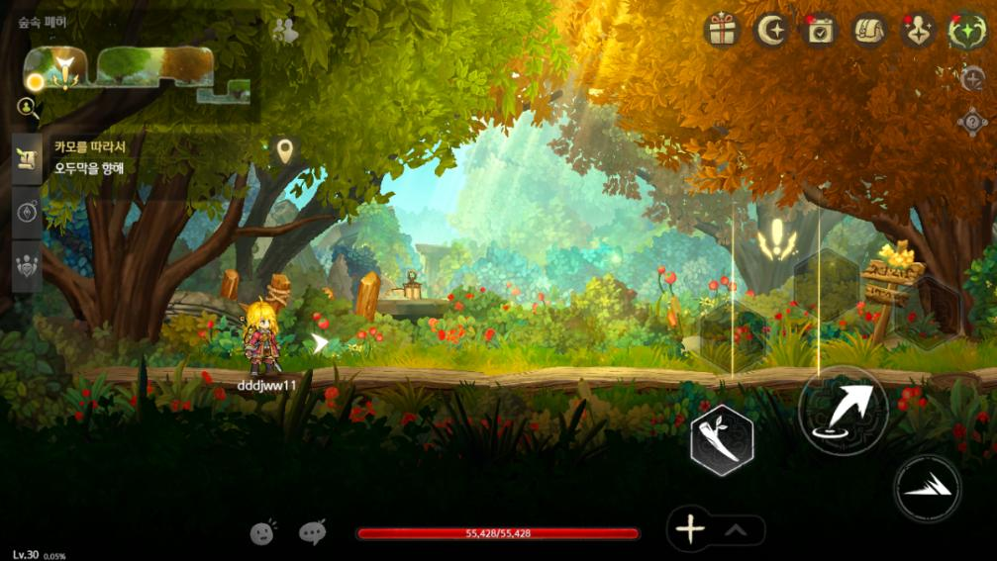

 | time(s) | Description
 | 1 | My Display On/Off Button - Click when, Quest Guide Direction Display, Not Display before → Display during state in Click when, Not Display → Not Display during state in Click when, Display - Display state in Corresponding Icon Color to Display - Not Display state in Corresponding Icon Greyscale processing
 | 2 | Quest Guide Effect Displaybeing applied Location Standard Direction to Arrow Display. Arrow Week to My/The in timesbefore - Move Available Pass Not ‘Direction’ only Guidedoing → Monster Defeat Quest case, Quest Monster Placeapplied Area PC present case Display Not → Multiple pieces's Gimmick Quest Target caseCorresponding Gimmick Placeapplied Area PC present case Display Not - Cutscene in Display Not

 | Guide Effect
 | - Effect directly marking the quest objective
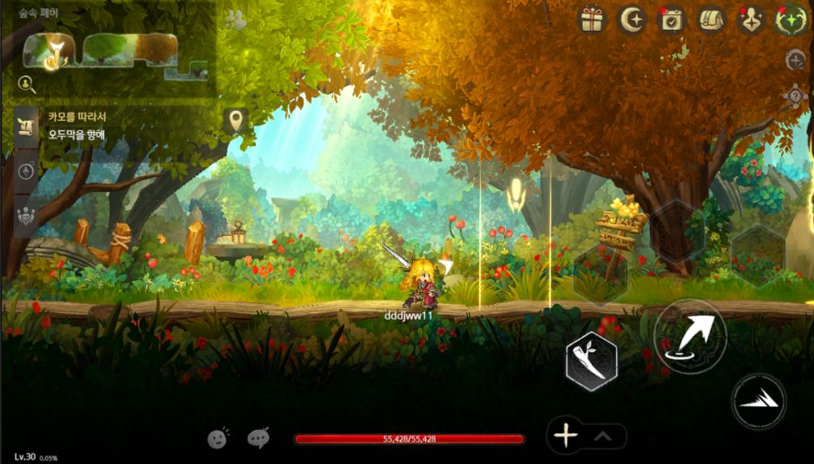

 | time(s) | Description
 | 1 | Location guide for specific points, NPCs, gimmick objects
 | Display Conditions | Current Progress during Quest's being applied case - QuestMissionList stateper List ◦ StartCondition ▪ EnterMap Condition's CondValue2 existdoing case Corresponding Location Display ▪ Corresponding Point also Quest Claim Complete case Effect Remove ◦ CondDialog ▪ MapName, NPCGenID to Display ▪ Completeapplied case Effect Remove ◦ CondArea ▪ PositionID existdoing case Corresponding Location Display ▪ Corresponding Location also when Effect Remove ◦ CondGimmick ▪ GimmickEntry's MapName, GimmickID(Gimmick_{MapName}.xml in Location check Possible) 's Location in Gimmick's Visible state True case Display ▪ can pieces's Gimmick Condition case, Target Gimmick's Location before Display ▪ Corresponding Gimmick's UseCount also when Effect Remove - Cutscene in Display Not
 | Quest Effect | - Effect names ◦ QuestCompleteLoop01 ◦ QuestCompleteShot01

 | Quest Monster Guide
 | - Exclamation mark displayed above monster's head
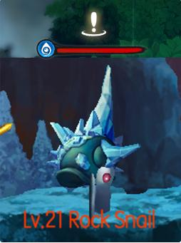

 | Minimap Marking

 | time(s) | Description
 | 1 | - in Quest Point case, Quest Icon Above Arrow Display. Photo Reference - Character and Quest Point Same Area only in Quest Point Not case Target Point Toward Effect Display - Character and Quest Point Other Area present case Corresponding Area to also can present Most Warp Gimmick Toward Effect Display
 | 2 | - Icon displayed at quest display condition point - Tracked quest highlighted with border
 | 3 | - Glowing inverted triangle displayed above quest monster on minimap

