Season_Pass
 | Season Pass

 | ■ Design Intent
 | - Encourages continuous player visits
 | - Provides means for players to intuitively understand their game progress
 | - Provides diverse cosmetics through Season Pass rewards to showcase to other players

 | ■ UI

 | ■ Access Method
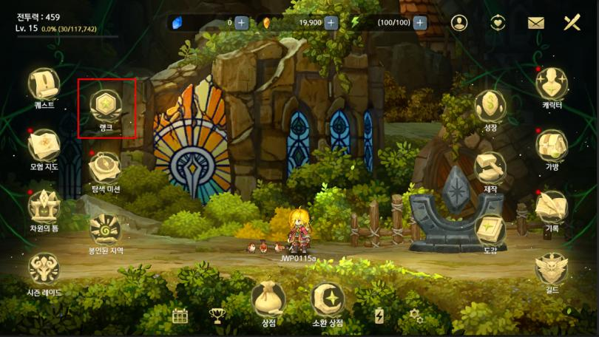

 | - Main Menu → Click Rank button

 | ■ Unlock Timing
 | - Quest: During Hermit's Forest [Talking Owl]
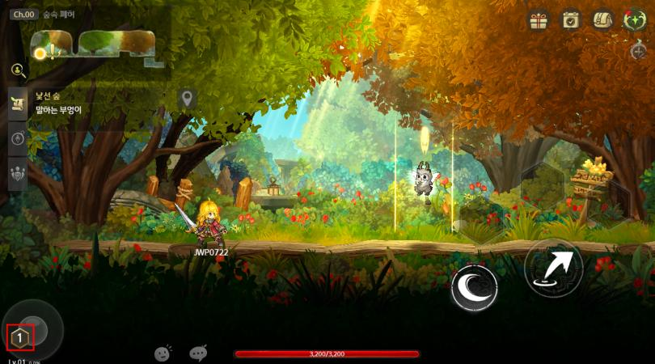

 | ■ UI Composition
 | - Main Screen
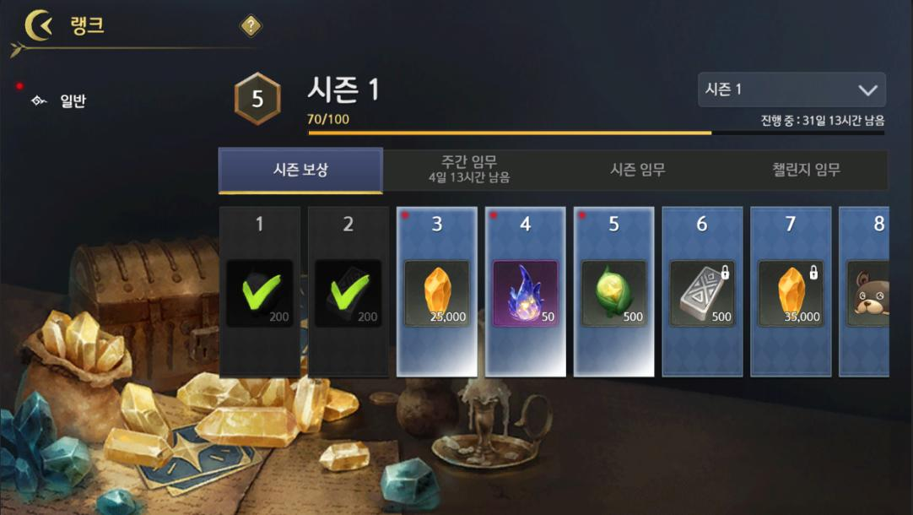

 | time(s) | Name | Description
 | 1 | Back | On click, go back
 | 2 | Pass Type | On click, display that pass type information on right screen.
 |  |  | Season Reward Selectapplied state to UI Info Display
 | 3 | Pass Rank Icon | Click when, Separate's Function None/N/A.
 |  |  | Current Pass's Rank Icon to Display
 | 4 | Pass Name | Click when, Separate's Function None/N/A
 |  |  | Current Pass's TRName Display
 | 5 | Pass Time Remaining | Click when, Separate's Function None/N/A
 |  |  | Current Pass's Deadline Time DDDay HH when MMMinute to Display
 | 6 | Select Past Season | (#1) Click when, All season Dropdown to Display. Again Click when, Window close
 |  |  | (#2) Click when, Corresponding season's Season Pass Display

 |  |  | Reward Claim Date case, Corresponding season UI in
 | 7 | Progress Bar | (Achieve EXP / Corresponding season in Maximum to can present EXP) number Display
 |  |  | Achieve Degree Progress Bar form to Display
 | 8 | Season Reward Tab | Click when, Corresponding Button Highlight And Corresponding season's Season Reward List Below Display
 |  |  | Again Click when, Separate's None/N/A
 | 9 | Weekly Mission Tab | On click, highlight button and display weekly mission list below
 |  |  | Again Click when, Separate's None/N/A
 |  |  | Week Reset being applied Timing DDDay HHTime to Display
 | 10 | Season Mission Tab | Click when, Corresponding Button Highlight And Corresponding season's season Mission Info List Below Display
 |  |  | Again Click when, Separate's None/N/A
 | 11 | Challenge Mission Tab | Mission Enter Impossible when, Click case
 |  |  | -Corresponding Tab to Move Without System Message Display “{PassLevel_TRName} Unlock.”
 |  |  | Mission Enter Possible when, Click case
 |  |  | -Corresponding Button Highlight And Corresponding season's Mission Info List Below Display
 |  |  | -Again Click when, Separate's None/N/A
 | 12 | Claimed Season Reward | Already Claim Season Reward Display
 |  |  | Click when, Item tooltip Display
 |  |  | Greyscale processing And green V Check
 | 13 | Claimable Season Reward | Claim can present Season Reward Display
 |  |  | Click when, Item Claim After Claim Season Reward to Change Display
 |  |  | Item Reward Claim UI
 | 14 | Unclaimed Season Reward | Claim can without Season Reward Display
 |  |  | Click when, Item tooltip Display

 | - Each Mission Tab

 | time(s) | Name | Description
 | 1 | List | Click when, Function None/N/A
 |  |  | Corresponding Mission's TRName And Desc Display
 |  |  | Number of Times doing case (Achieve Number of Times/Required/Needed Number of Times) Display
 | 2 | Reward Display | Corresponding Mission Achieve when, Obtaindoing Reward Display
 |  |  | Click when, Item tooltip Display
 | 3 | Claim Reward Button | Click when, Corresponding Mission's Reward Obtain And Corresponding List Below to My Complete processing
 |  |  | Item Reward Claim UI
 | 4 | Complete List | Click when, Function None/N/A
 |  |  | Corresponding List Greyscale processing, Reward Icon green V Display
 | 5 | time(s) Week Obtain Possible EXP Display | (Achieve EXP / time(s) Week Maximum to can present EXP) number Display
 |  |  | Achieve Degree Progress Bar form to Display
 |  |  | Week Mission Tab in only Display
 | 6 | Claim All Button | Click when, Claim Available All Reward time(s) Obtain
 |  |  | Claim Available Reward without case Greyscale processing
 |  |  | Claim Possible Reward without state in Click when,“Obtain Available Reward.”System Message

 | - types applied season Display
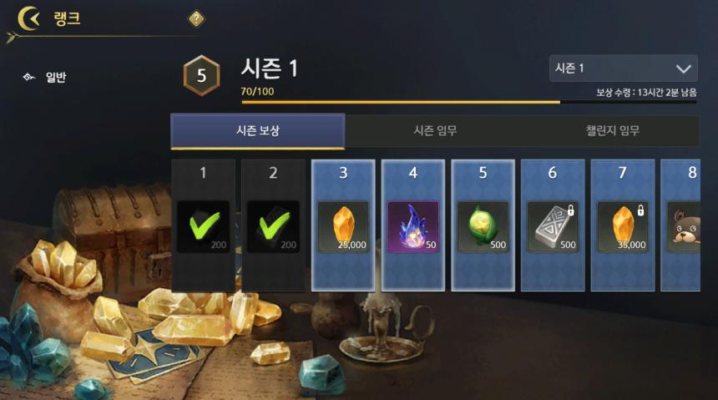

 | time(s) | Name | Description
 | 1 | Reward Claim Time | Click when, Function None/N/A
 |  |  | Corresponding season's Reward Claim Available Date DDDay HH when MMMinute to Display
 | 2 | Tab Area | 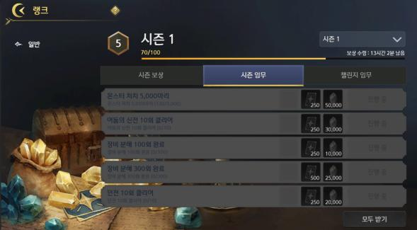 Week Mission Tab Remove season Mission, Mission Tab Click when Each Mission All Deactivate state to DisplayDone/Applied

 | - HUD
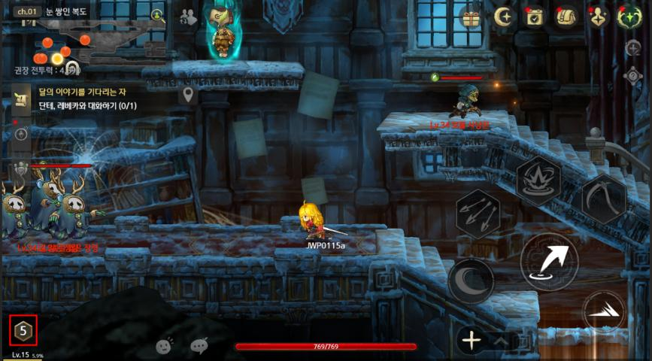

 | - Screen Below Current season's Rank Icon Display
 | - Button to Click also Separate's Function None/N/A
 | - being applied season without case, Corresponding Area

 | ■ Details
 | ※ Current Season Pass document reflects ranking system requested by Bilibili.

 | ■ Season and Mission Structure
 | - Each pass activates as a season for a set duration
 | → Start and end of all periods based on specified date server region time 06:00
 | - During season progression, complete weekly, season, and challenge missions to earn pass XP and levels
 | → Weekly missions: Reset each week with weekly XP limit
 | → Season missions: Completable until season ends
 | → Challenge missions: Revealed when reaching specific pass level
 | → For cumulative missions, progress counts even before challenge mission appears
 | - designed Content according to Mission Cumulative or Quest Progress when Count Type to CategorizeDone/Applied
 | ● Cumulative
 | when) Below and as follows Composition when, 300Shard useDid, Mission when, 300/1,000 to Count Done/Applied
 | Week Mission : Shard 10 use
 | season Mission : Shard 100 use
 | Mission : Shard 1,000 use
 | ● Quest Progress when Count
 | when) Below and as follows Composition when, Week Mission Progressduring state in Monster 100creatures DefeatDid, season Mission Monster 90/100 to Count Done/Applied
 | Week Mission : Monster 10creatures Defeat
 | season Mission : Monster 100creatures Defeat
 | Mission : Monster 1,000creatures Defeat
 | ※ Each Mission's Type according to 's after Cumulative, Quest Progress when Count Select

 | ■ Rewards
 | - One season reward granted upon reaching each pass level
 | - Rewards can include premium currency, exclusive name tags, titles, profile skins, and cosmetics
 | → Reward's 's after Modify Possible
 | - Pass XP and rewards granted upon completing each mission
 | - All rewards obtained by clicking their icon
 | → through Providedoing case None/N/A
 | - Unclaimed rewards can be collected for a period after season ends
 | → Missions cannot be completed after season ends
 | → Weekly mission rewards and progress reset at season end
 | → If pass levels up from claiming already-completed season/challenge mission rewards, season rewards can be claimed
 | → If reward collection period passes after season ends, no rewards can be claimed

 | ■ Season Rank
 | - Divided into 9 total stages by season level range. Icon and number change in UI each rank increase
 | Stage | Name | Icon | Level Range
 | 1 |  |  | 1 ~ 9
 | 2 | 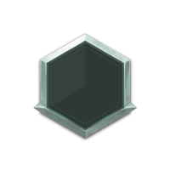 |  | 10 ~ 17
 | 3 |  gold |  | 18 ~ 24
 | 4 |  Platinum |  | 25 ~ 30
 | 5 |  Diamond |  | 31 ~ 35
 | 6 |  |  | 36 ~ 39
 | 7 |  Grandmaster |  | 40 ~ 42
 | 8 |  That/I |  | 43 ~ 44
 | 9 | before |  | 45

 | ■ XML
 | - Pass.xml
 | → Date, Season Reward Content, Week, season, Mission Correspondingdoing Quest ID input
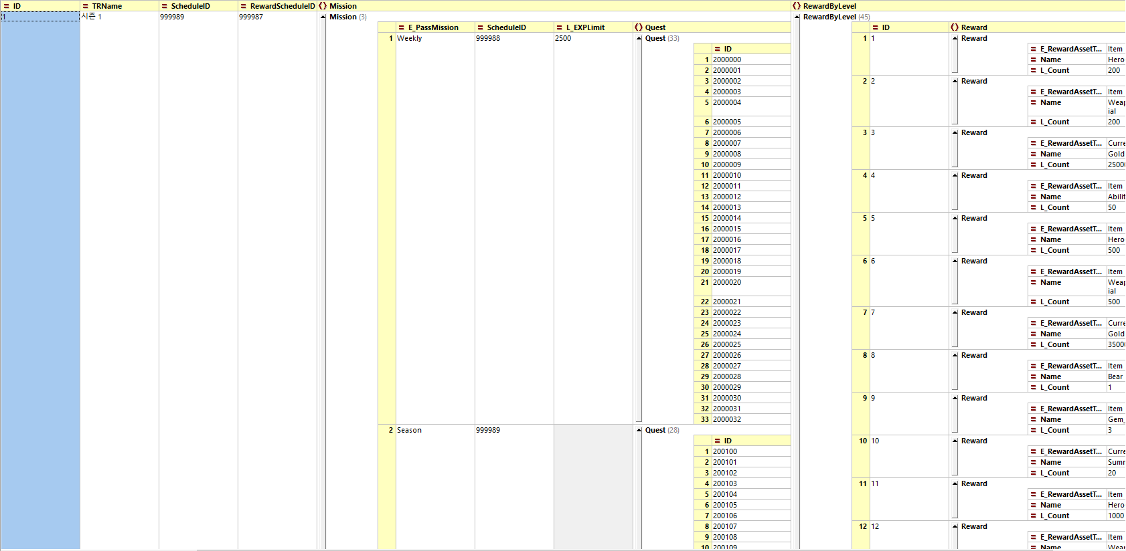

Name |  |  | Description
ID |  | Int
TRName |  | String | Corresponding season's Name
ScheduleID |  | int | Corresponding season's Day Schedule.xml's ID and matching when Day
RewardScheduleID |  | int | Corresponding season's Reward Obtain Possible Schedule.xml's ID and matching when Day
Mission |  | String, Int | Week, season Mission's Above And EXP My/The. connectapplied Quest ID input - PassMission → Weekly : Week Mission → Season : season Mission → Challenge : Mission - ScheduleID : Corresponding Mission's Day Schedule.xml's ID and matching when Day - EXPLimit : Corresponding Mission's RepeatCycleUnit Standard EXP Obtain My/The → 1000 : 1000 to My/The Done/Applied → None/N/A : My/The None/N/A - Quest : Corresponding Mission's Quest ID
RewardByLevel |  | String, Int | season Level per Reward Content input -ID : season Level -Reward : Corresponding season Level Providedoing Reward input → RewardAssetType : Item = Item, Currency = → Name : Providedoing Item input → Count : Providedoing Item's can input

 | - Quest_Pass.xml
 | → Each Mission Content's Quest Data input
 | → Achievement, Always's and Same Data Structure use
 | → Corresponding Data in ID Pass.xml Day when Corresponding Quest's Week, season, Categorize

 | - PassLevel.xml
 | → Each Level Display Icon input
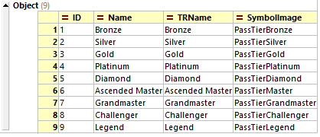

 | Name |  | Description
 | ID | Int
 | Name | String | Corresponding Level's Name
 | TRName | String | Corresponding Level's TRName
 | SymbolImage | String | Corresponding Level in Display Icon Image Name input

 | - PassEXP.xml
 | → Each Level also Above Required/Needed Pass EXP input
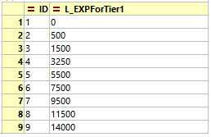

 | Name |  | Description
 | ID | Int | Each season Level
 | EXPForTier1 | Int | Corresponding Level also Above Required/Needed Cumulative EXP's

