参数库
 | CIF Tianjin, Xingang,China (Incoterms 2020) | DAP Beijing, China (Incoterms 2020) | DAP Shanghai, China (Incoterms 2020)

 | 25,00 kg multilayer paper bags with PE-inliner, New heat treated One-Way-Pallets 1000×1200 | 20,00 kg multilayer paper bags with PE-inliner, New heat treated One-Way-Pallets 1000×1200

公司名称 | 公司地址 | 公司城市 | 公司国家 | Customer No.: | 页脚
Advanced Ingredients AG | Mühlenstrasse 26, 8200, | Schaffhausen | Switzerland | 10001 | Advanced Ingredients AG Postanschrift: Mühlenstrasse 26, 8200, Schaffhausen, Switzerland, Tel.:+41 78 933 8098 office@advanced-ingredients.com, UID-Nr: PID197648, Firmennummer: CHE-381.983.314 Kreissparkasse Biberach, BIC / Swift Code: SBCRDE66, IBAN: DE84 6545 0070 0008 4455 57
Beijing Yi Fan International Trade Co.,Ltd | 12 Floor 1501, No.71 Chaoyang Road, | Chaoyang, Beijing | P.R. China | 10002
Shanghai Minmetals Development Ltd. | Minmetals building, 757 Guangfu Road, 200070, | Shanghai | China | 10003
Dairyfood GmbH | Goeffinger Str. 6, 88499, | Riedlingen | Germany | 10004 | Dairyfood GmbH Göffinger Str. 6,D-88499 Riedlingen, Germany;USt-ID: DE 289 910 284 Geschäftsführer: Georg Ruchti;Amtsgericht:Kiel;HRB 14884 KI;Tel.: +49 (0)4191/99 900;Fax: +49 (0)4191/88 051 Commerzbank Hamburg, IBAN: DE92 2214 1028 0379 9962 00,BIC: COBADEFFXXX
AHCOF NEOCHAINS HOLDINGS CO., LTD. | 32F, BUILDING NO. 1, AHCOF CENTER, NO. 986, HUAYUAN AVENUE, | Hefei, Anhui, | China | 10005
ZHEJIANG NONGDU AGRICULTURAL PRODUCTS CO.,LTD | 3rd Floor, Building 12, No.29 Xingye St., | Hangzhou, | China | 10006
Health More (Tianjin) International Trade Co., Ltd. | Room 141B,Building C,Tianjin Youth Entrepreneurship Park, No.85 Qingnian Road,Lingdangge Street, Hongqiao District, | Tianjin | China | 10007

bio lactose | bio D90 | WPCi80 | WPH8310 | WPH8210 | lactose
organic lactose | organic demineralised whey powder 90% | Whey protein concentrate 80 instant | Whey protein concentrate 80-Hydrolyzed 8310 | Whey protein concentrate 80-Hydrolyzed 8210 | lactose

 |  |  |  |  |  | #REF!
 |  |  |  |  |  | #REF!
 |  |  |  |  |  | #REF!
银行
Bank of China, Shanghai Branch,China | POSTAL SAVINGS BANK OF CHINA
BKCHCNBJ300 (Bank of China, Shanghai Branch/300/Shanghai) | PSBCCNBJXXX(POSTAL SAVINGS BANK OF CHINA/XXX/Beijing)
Shanghai, China | Beijing,China

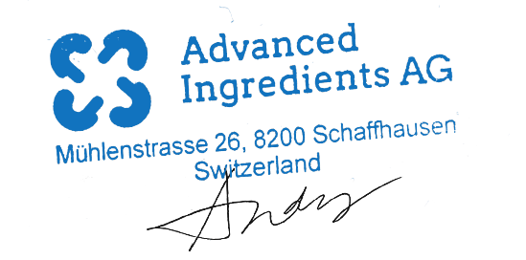

organic lactose | bio lactose
organic demineralised whey powder 90% | bio D90
Whey protein concentrate 80 instant | WPCi80
Whey protein concentrate 80-Hydrolyzed 8310 | WPH8310
Whey protein concentrate 80-Hydrolyzed 8210 | WPH8210
lactose | lactose

销售证合同
 |  |  | Advanced Ingredients AG Contract No.:AC251001
Sales Contract AC251001

Between:
Seller: |  | Buyer:
0 |  | 0
#N/A |  | #N/A
#N/A |  | #N/A
#N/A |  | #N/A

We hereby confirm the sale of:
Product: | organic demineralised whey powder 90%
Brand: | LVEO
Quantity: | 18.00 MT
Price: | EUR 11.20 / MT
Total: | EUR 201,600.00
Parity: | CIF Tianjin, Xingang,China (Incoterms 2020)
Packing: | 25,00 kg multilayer paper bags with PE-inliner, New heat treated One-Way-Pallets 1000×1200
Shipment: | #VALUE!
Payment: | L/C 90 days after B/L date
The general terms of business drawn up by always apply.

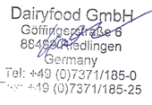
Seller: |  | Buyer:
0 |  | 0
Date: 1900 January 0ᵗʰ |  | Date: 1900 January 0ᵗʰ

#N/A

