Sheet1
 | Genus | Figure
Spherical bacteria | Coccus | 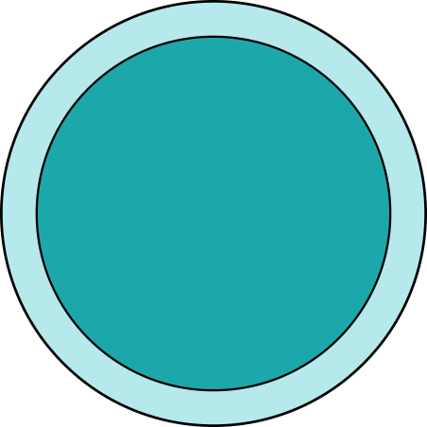
 | Diplococcus | 
 | Streptococcus | 
 | Tetrads | 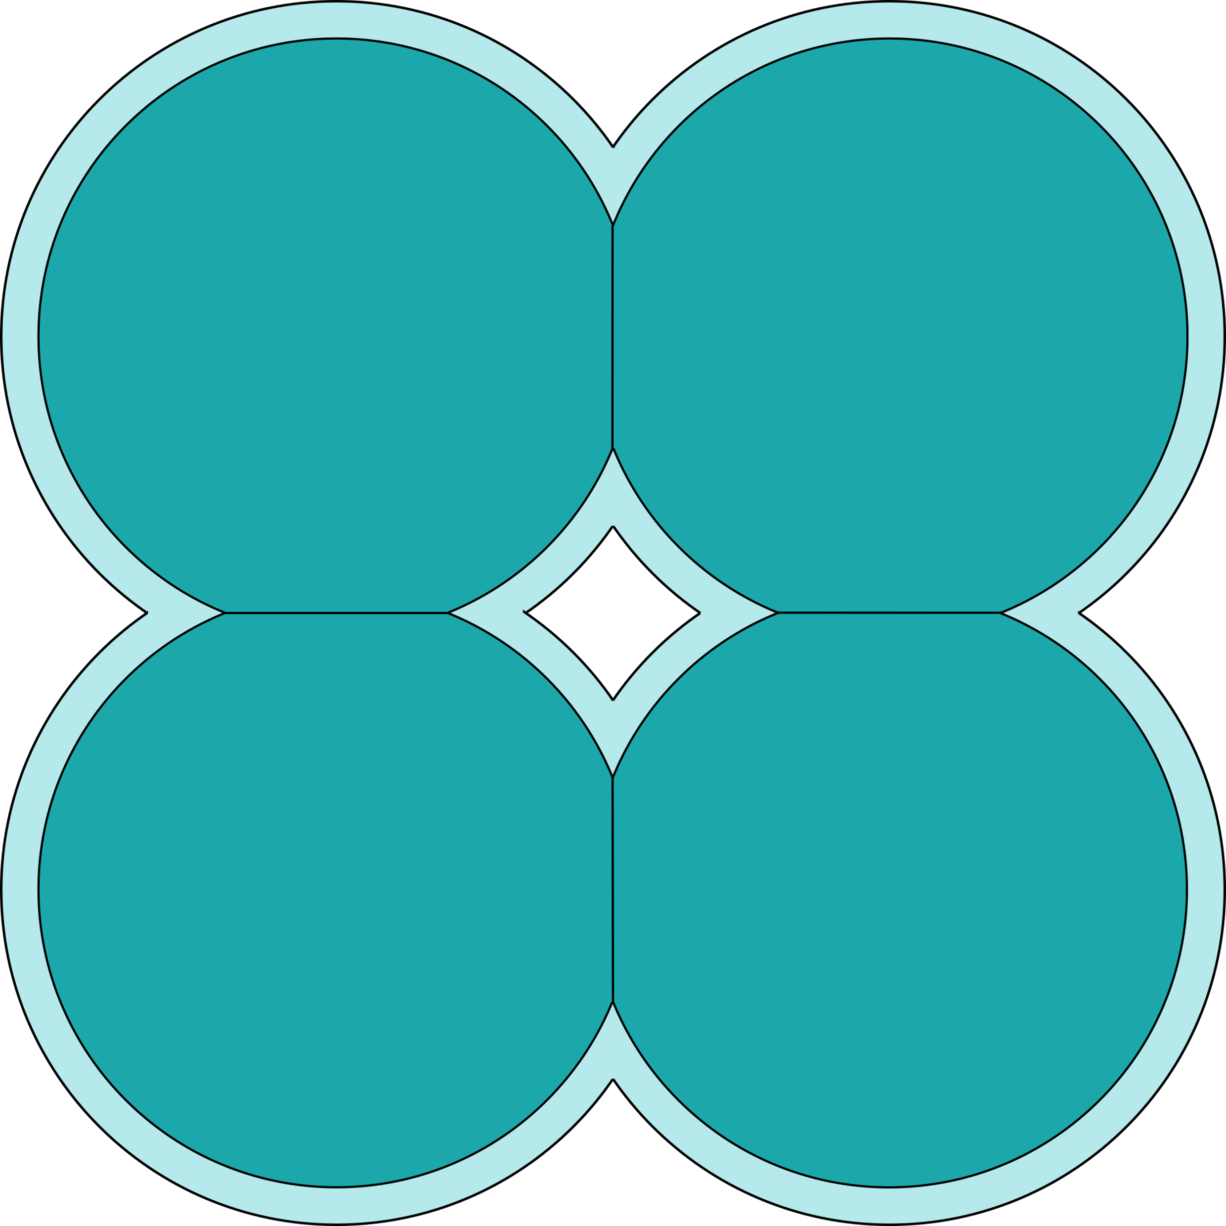
 | Sarcinae(Octet) | 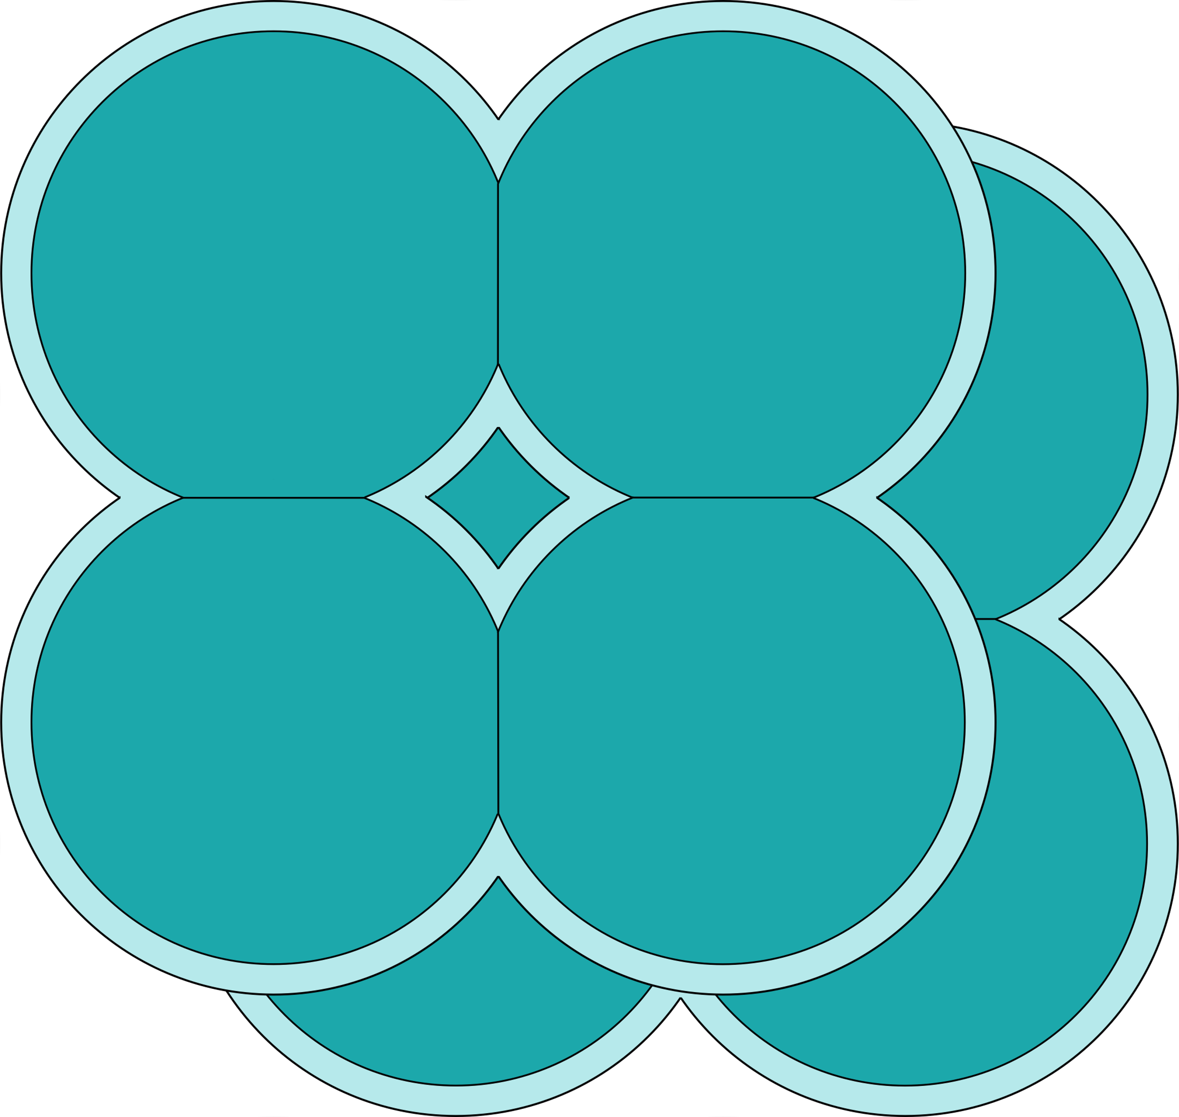
Rod-shaped bacteria(Bacillus) | Bacillus
 | Diplobacillus
Spiral bacteria | Spirillum | 

