Sheet1
ให้ระบบคำนวนว่า Material ที่มีอยู่สามารถประกอบรวมกันได้มากที่สุดกี่ Set
ดึงข้อมูล PO ค้างส่งยังไม่มีการเรียก มาโชว์
ดึงข้อมูล Supplier Delivery
Scheduling ค้างส่ง มาโชว์

No. | Photo | TSC Material | Description | Onhand | Min | Max | PO ค้างส่งยังไม่มีการเรียก | Supplier Delivery Scheduling ค้างส่ง | STOCK Material (set) | Detail
1 |  | SP01003H | SP01003H:กล่อง HINO 1 5/8*19 1/4*19 5/8 | 1,192 Box | 1,200 | 1,600 |  |  |  | Detail
2 | 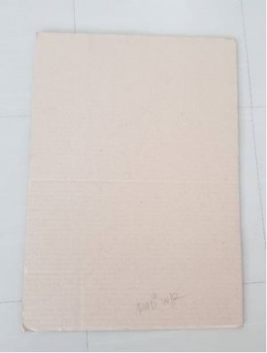 | SP0102GR | SP0102GR:แผ่นรอง W/R 355*5003(1,000 PCS) | 2,630 Box | 1,600 | 2,400 |  |  |  | Detail
3 | 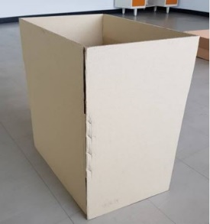 | SP011434 | SP011434:กล่องW/R 143//4*219*5/8(500Pcs) | 580 Box | 360 | 540 |  |  |  | Detail
4 |  | SP011120 | SP011120:IMC150 BOX | 882 Box | 1,320 | 1,430 |  |  |  | Detail
5 | 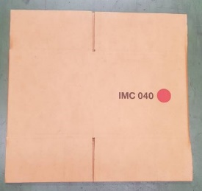 | SP011240 | SP011240:IMC040 BOX 240*280*240(MOQ 500 PCS) | 184 Box | 100 | 150 |  |  |  | Detail
6 |  | SP011480 | SP011480:IMC050 BOX: 280*480*120 MM(MOQ 500 PCS) | 1,463 Box | 600 | 750 |  |  |  | Detail
7 | 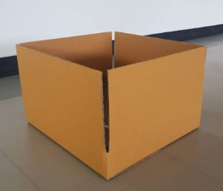 | SP013465 | SP013465:BOX 370*400*65 | 522 Box | 0 | 0 |  |  |  | Detail
8 |  | SP014120 | SP014120:IMC080 BOX 240*560*240 (MOQ 500 PCS) | 384 Box | 30 | 50 |  |  |  | Detail
9 |  | SP014240 | SP014240:IMC100 BOX | 1,389 Box | 1,350 | 1,500 |  |  |  | Detail
10 |  | SP015575 | SP015575:BOX 500*500*75 | 976 Box | 50 | 100 |  |  |  | Detail
11 |  | SP016710 | SP016710:BOX 690*730*100 | 117 Box | 70 | 120 |  |  |  | Detail
12 |  | SP019120 | SP019120:IMC120 | 221 Box | 240 | 300 |  |  |  | Detail
13 |  | W00014 | W00014:CARTON BOX | 0 Box | 0 | 0 |  |  |  | Detail
14 | 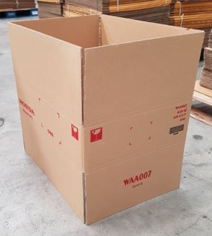 | WAA007 | WAA007:CARTON BOX | 580 Box | 480 | 600 |  |  |  | Detail
15 | 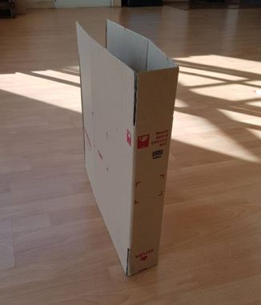 | WBA445 | WBA445:CARTON BOX | 754 Box | 280 | 560 |  |  |  | Detail
16 | 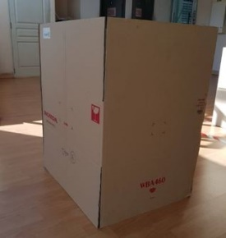 | WBA460 | WBA460:CARTON BOX | 240 Box | 60 | 80 |  |  |  | Detail
17 | 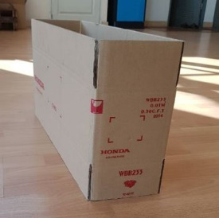 | WBB233 | WBB233:CARTON BOX | 927 Box | 50 | 100 |  |  |  | Detail
18 | 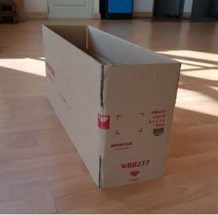 | WBB277 | WBB277:CARTON BOX | 766 Box | 180 | 360 |  |  |  | Detail
19 |  | YBB621 | YBB621:CARTON BOX | 397 Box | 240 | 360 |  |  |  | Detail
20 | 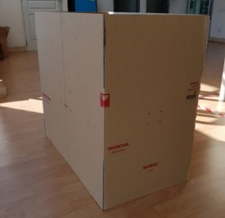 | RKB082 | RKB082:CARTON BOX | 39 Box | 50 | 100 |  |  |  | Detail
21 | 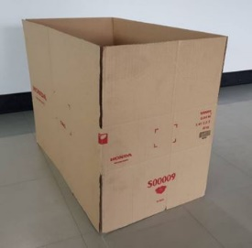 | S00009 | S00009:CARTON BOX | 402 Box | 60 | 150 |  |  |  | Detail
22 | 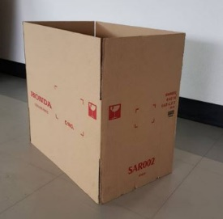 | SAR002 | SAR002:CARTON BOX | 490 Box | 100 | 150 |  |  |  | Detail
23 | 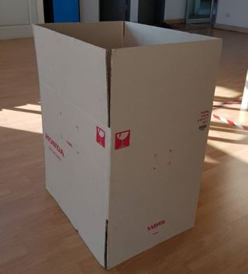 | SAR006 | SAR006:CARTON BOX | 145 Box | 120 | 180 |  |  |  | Detail
24 | 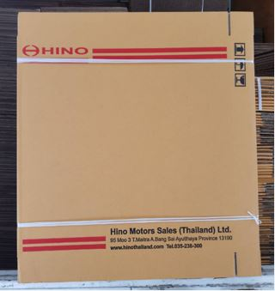 | SP01002H | SP01002H:กล่อง HINO 490*60*500 CF | 1,680 Box | 300 | 400 |  |  |  | Detail
25 | 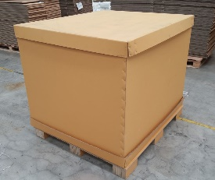 | KA185 | KA185:Sleeve1125x1320x1020KA185/KA185/BC | 18 Set | 15 | 20 |  |  |  | Detail
26 |  | P150 | P150:Size 400x1000x250 mm | 1,003 Box | 80 | 160 |  |  |  | Detail
27 |  | SP110N01 | SP110N01:Sleeve1000x1110x360 | 116 Box | 120 | 150 |  |  |  | Detail
28 |  | SP110N02 | SP110N02:Pad size 1060x1135 KA185/KA185C | 367 Box | 180 | 360 |  |  |  | Detail
29 |  | SP011153 | SP011153:Body box B | 3 Box | 45 | 90 |  |  |  | Detail
30 |  | SP012700 | SP012700: Body box A | 114 Box | 135 | 180 |  |  |  | Detail
31 |  | SP1100925 | SP1100925:INNERSLEERE 925*914*400 | 270 Box | 20 | 40 |  |  |  | Detail
32 |  | SP11075 | SP11075:BODY 2100*750 | 40 Box | 20 | 40 |  |  |  | Detail
33 |  | SP110810 | SP110810:Top Cap | 140 Box | 120 | 140 |  |  |  | Detail
34 |  | SP1127053 | SP1127053:Pallet box | 59 Box | 50 | 60 |  |  |  | Detail
35 |  | SP4C5 | SP4C5:4C5 | 80 Box | 40 | 80 |  |  |  | Detail
36 | 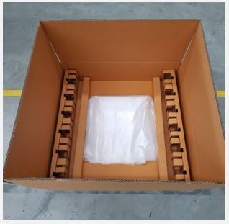 | P168 | P168 CARTON BOX SET RH:610x710x220mm./KA230/KA230/BC | 106 Set | 192 | 216 |  |  |  | Detail
37 | 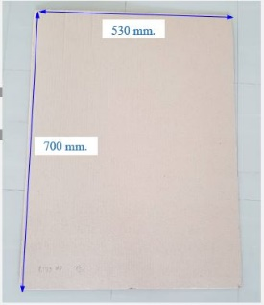 | P173 | P173 PAPER PAD YA067-22000-00 | 250 PC | 450 | 900 |  |  |  | Detail
38 | 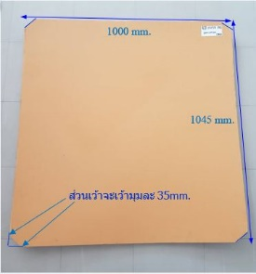 | P207 | P207 PAPER PAD SIZE : 1000x1045 mm. (MOQ 500 PCS) | 277 PC | 220 | 330 |  |  |  | Detail
39 | 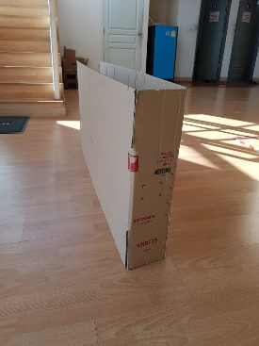 | WBB123 | WBB123:CARTON BOX | 50 Box | 30 | 50 |  |  |  | Detail
40 | 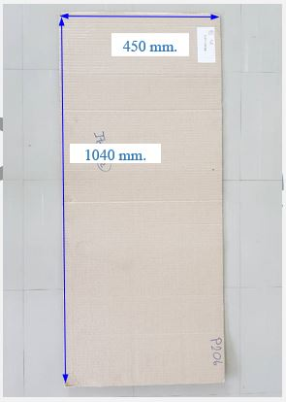 | P206 | P206 PAPER PAD SIZE : 450x1040 mm. (MOQ 800 PCS) | 166 PC | 40 | 60 |  |  |  | Detail
41 | 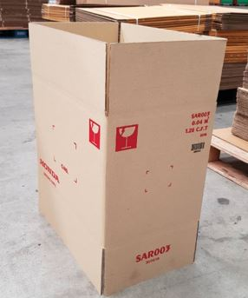 | SAR003 | SAR003:CARTON BOX | 190 Box | 120 | 180 |  |  |  | Detail
42 | 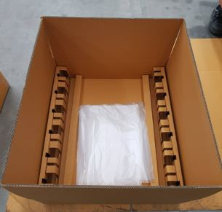 | P169 | P169 CARTON BOX SET SIZE OD LH : 610x710x220 mm./KA230/KA230/BC | 119 Set | 192 | 216 |  |  |  | Detail
43 | 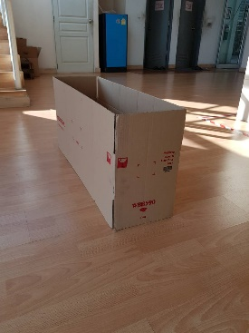 | WBB590 | WBB590:CARTON BOX | 88 Box | 0 | 0 |  |  |  | Detail
44 |  | P181 | P181 PAPER TRAY SIZE: 1110x1000x105 mm. (MOQ 300 PCS.) | 195 PC | 30 | 50 |  |  |  | Detail
45 |  | P183 | P183 PAPER BOX (BOX CUT) SIZE : 320X1145X105 MM.+PARTITION 10 CH (MOQ 200 PCS) | 304 PC | 180 | 240 |  |  |  | Detail
46 |  | P184 | P184 PAPER BOX (TRUNK) SIZE : 550X710X80 MM.+PARTITION+PLASTIC BAG (MOQ 200 PCS) | 35 PC | 32 | 48 |  |  |  | Detail
47 | 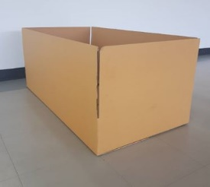 | P185 | P185 PAPER BOX (PKB RH) SIZE : 550X1065X160 MM.+PARTITION+PLASTIC BAG (MOQ 200 PCS) | 51 PC | 36 | 48 |  |  |  | Detail
48 |  | P186 | P186 PAPER BOX (PKB LH) SIZE : 550X1065X160 MM.+PARTITION+PLASTIC BAG (MOQ 200 PCS) | 48 PC | 36 | 48 |  |  |  | Detail
49 |  | P187 | P187 PAPER BOX (FUEL) SIZE : 550X710X80 MM.+PARTITION+PLASTIC BAG (MOQ 200 PCS) | 135 PC | 32 | 48 |  |  |  | Detail
50 | 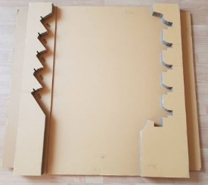 | P188 | P188 PEPER TRAY 979015XAOC REG 1070x1145x56 mm | 263 PC | 176 | 192 |  |  |  | Detail
51 |  | P153 | P153:(ฉากกระดาษ) Carton KA 50x50c960mm. | 160 pcs | 50 | 100 |  |  |  | Detail
52 | 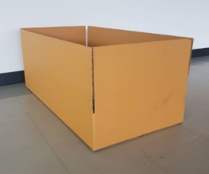 | P203 | P203 PAPER BOX SIZE: 510x1010x155 mm.+ PAPER PAD (MOQ 2000 PCS) | 230 SET | 200 | 300 |  |  |  | Detail
53 |  | P205 | P205 CARTON BOX SIZE:285x295x175 mm. + PARTITION | 200 SET | 100 | 200 |  |  |  | Detail
54 |  | P227 | P227:Carton Box : RSC 700x240x140 | 99 pcs | 50 | 100 |  |  |  | Detail

