SCR-CMN-01-LOGIN
Screen Code |  | SCR-CMN-01-LOGIN

Screen Name |  | Login Page

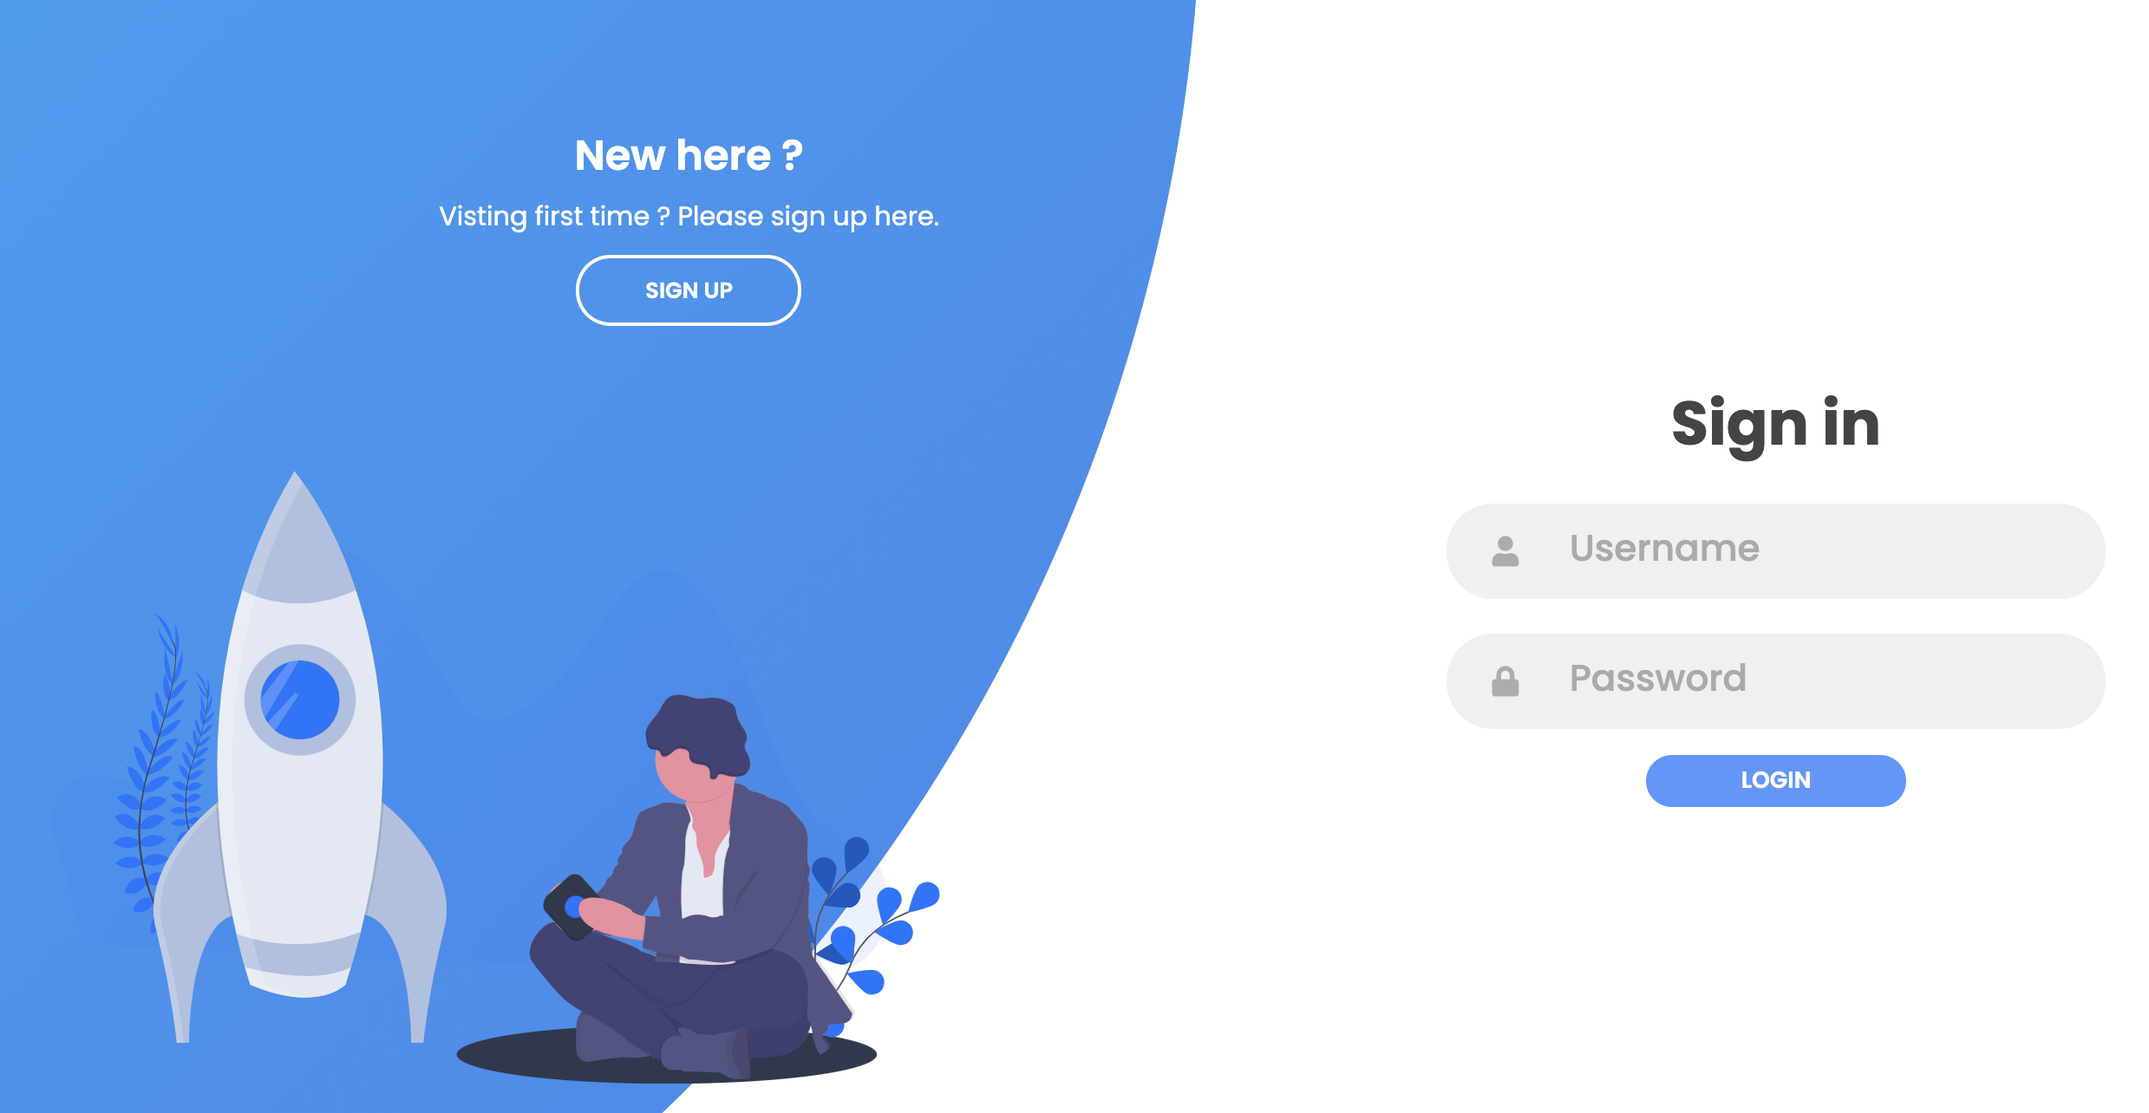

 | Actions
 | Sl. No. | Control Name | Action Type | Action | Success Navigation | Error Navigation
 | 1 | SIGN UP | On Click | Open Signup page
 | 2 | LOGIN | On Click | API call:WS-UP-04:Login Service | Open Dashboard | Display error message and keep on login page.

