DDL-Create
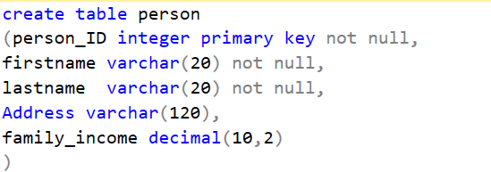
CREATE TABLE | SYNTAX | EXAMPLE ( with primary Key)
 | CREATE TABLE table_name ( column_name_1 datatype optional_parameters, column_name_2 datatype, …. column_name_n datatype ) | CREATE TABLE Employee ( emp_id char(6) PRIMARY KEY NOT NULL, employee_name varchar(10) )

 |  | Create table with Foreign Key

DDL-ALTER
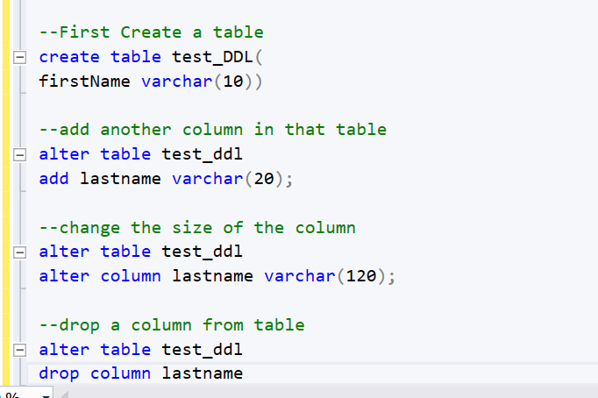
ALTER Table structure
 | Add column
 | drop column
 | change data type of column

