DML-SELECT
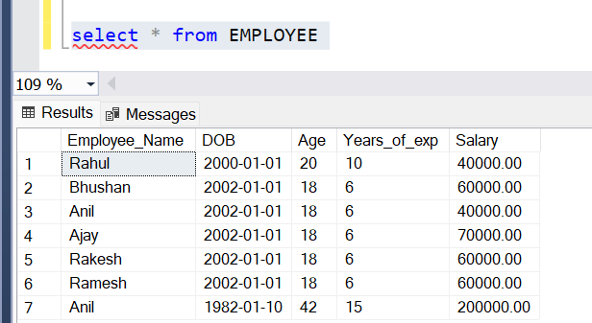
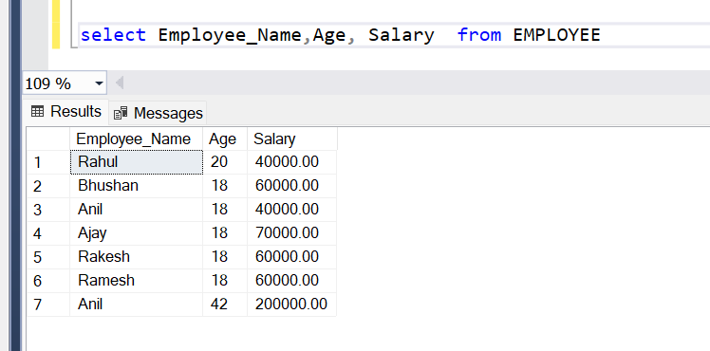
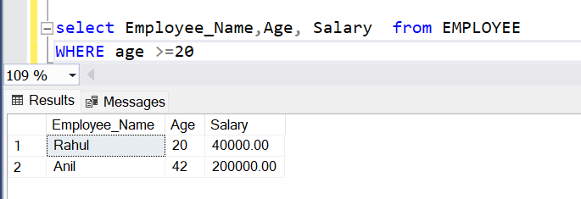
ALTER Table structure
 | display data from a table | select * from <tableName>
 | display one or more columns
 | display only specific data with some criteria

