TCL-Set Transaction
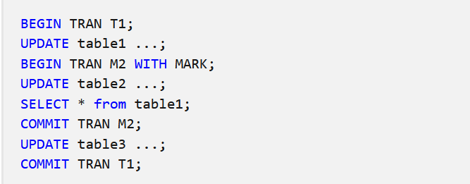
SET Transaction | begins a read-only or read-write transaction, establishes an isolation level, or assigns the current transaction to a specified rollback segment.

 | SET TRANSACTION [ READ WRITE | READ ONLY ]; | my SQL

